Package XX
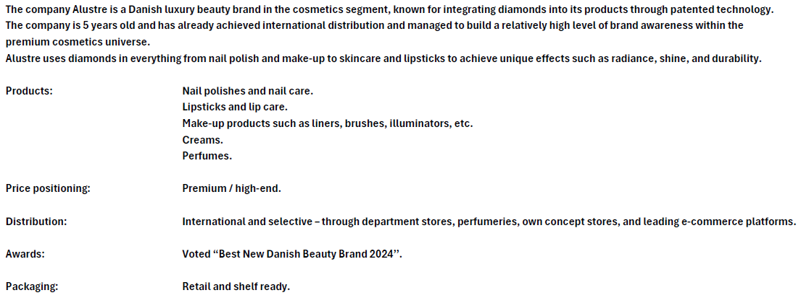
 |  |  |  |  | UK equivilant RRPs
Item no. | ITEM | Group | Location | Quantity | RRP | Line RRP

11000 | NAIL OIL -diamond fused - 1 % | Finished I | Link |  | £25.71 | £-
12000 | NAIL SERUM -diamon fused -1 % | Finished I | Link |  | £25.71 | £-
 | OILS - SEUMS + TESTERS TOT |  |  | 0 | £- | £-
26147 | Scented Candle 568-147 FALL OF FLUIDIC FAUNA | Finished I | Link |  | £62.86 | £-
 | CANDLES TOT |  |  | 0 | £- | £-
30001 | Hand Cream 10 ML (1% diamond) packed in bag of 30 pcs | Finished I | Link |  | £4.34 | £-
30002 | HAND CREAM - 50 ml -1 % diamond fused | Finished I | Link |  | £38.29 | £-
30002 | HAND CREAM - 100 ml - 1 % diamond fused | Finished I | Link | 72 | £68.57 | £4,937.14
30004 | CUTICLE CREAM-1 % -diamond fused | Finished I | Link | 72 | £17.14 | £1,234.29
41001 | BRUSH BLUSH | Finished I | Link |  | £38.29 | £-
41002 | BRUSH POCKET POWDER | Finished I | Link | 12 | £34.29 | £411.43
41003 | BRUSH MEGA POWDER | Finished I | Link |  | £51.43 | £-
 | HANDCREAMS + ASS. TOT |  |  | 156 | £- | £6,582.86
42002 | SMALL COSMETIC CASE | Finished I | Link |  | £68.57 | £-
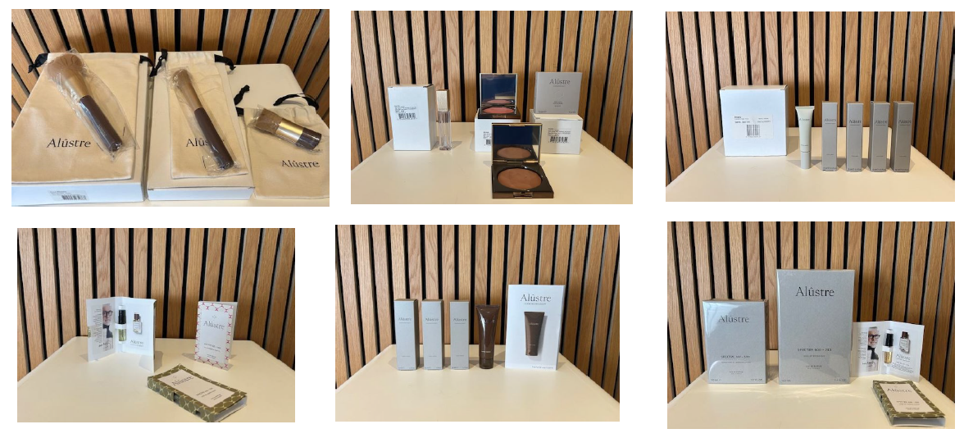
42003 | MEDIUM COSMETIC CASE | Finished I | Link |  | £68.57 | £-
42004 | LARGE COSMETIC CASE | Finished I | Link |  | £85.71 | £-
 | CASES TOT |  |  | 0 | £- | £-
61001 | THE ORIGINAL BRONZER EARTH 390R | Finished I | Link | 27 | £48.00 | £1,296.00
61002 | THE ORIGINAL BLUSH PINK 285R | Finished I | Link | 27 | £48.00 | £1,296.00
61003 | THE ORIGINAL ILLUMINATOR CRYSTAL 005R | Finished I | Link | 48 | £48.00 | £2,304.00
63161 | THE ORIGINAL LIPSTICK 161 EARTH | Finished I | Link |  | £38.29 | £-
63182 | THE ORIGINAL LIPSTICK 182 EARTH | Finished I | Link |  | £38.29 | £-
63269 | THE ORIGINAL LIPSTICK 269 PINK | Finished I | Link |  | £38.29 | £-
63322 | THE ORIGINAL LIPSTICK 322 PINK | Finished I | Link |  | £38.29 | £-
63328 | THE ORIGINAL LIPSTICK 328 PINK | Finished I | Link |  | £38.29 | £-
63334 | THE ORIGINAL LIPSTICK 334 PINK | Finished I | Link |  | £38.29 | £-
63631 | THE ORIGINAL LIPSTICK 631 ORANGE | Finished I | Link |  | £38.29 | £-
63776 | THE ORIGINAL LIPSTICK 776 RED | Finished I | Link |  | £38.29 | £-
63909 | THE ORIGINAL LIPSTICK 909 BROWN | Finished I | Link |  | £38.29 | £-
63917 | THE ORIGINAL LIPSTICK 917 RED | Finished I | Link |  | £38.29 | £-
64001 | THE ORIGINAL LIP GLOSS 000 TOP COAT | Finished I | Link |  | £34.29 | £-
66161 | THE ORIGINAL LIP LINER 161 EARTH | Finished I | Link |  | £22.86 | £-
66182 | THE ORIGINAL LIP LINER 182 EARTH | Finished I | Link |  | £22.86 | £-
66269 | THE ORIGINAL LIP LINER 269 PINK | Finished I | Link | 108 | £22.86 | £2,468.57
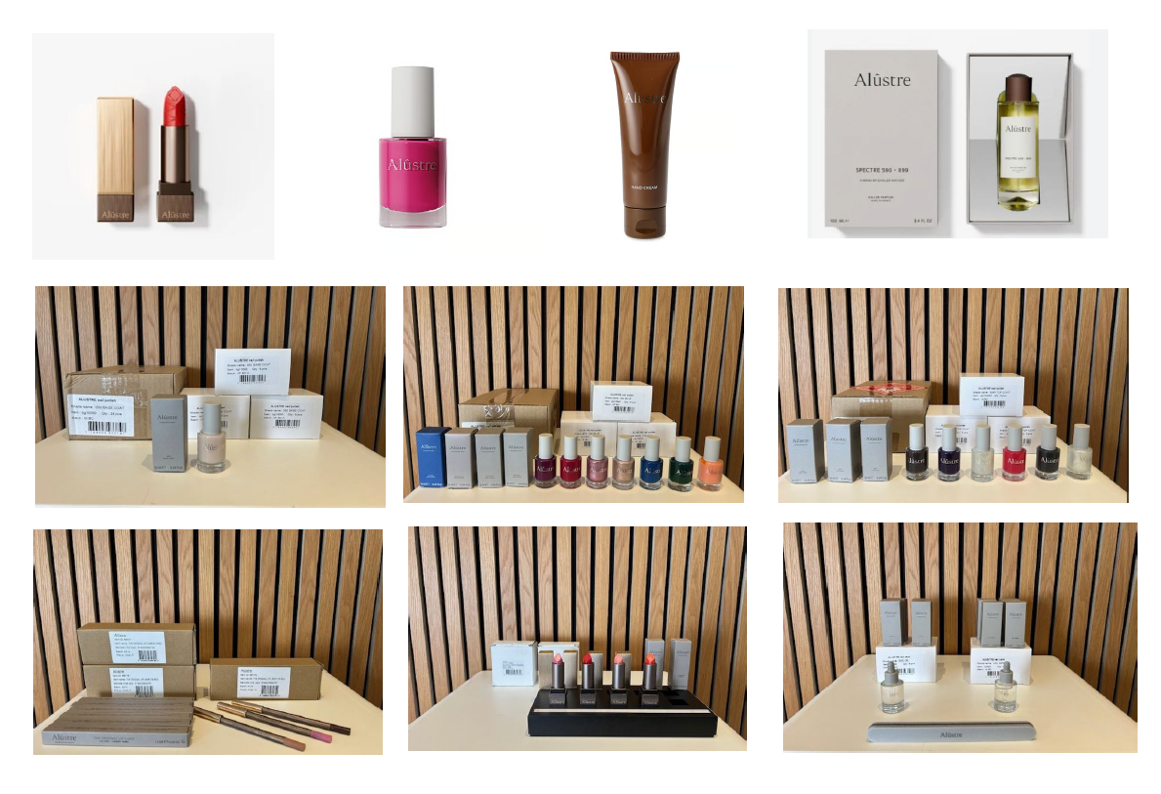
66322 | THE ORIGINAL LIP LINER 322 PINK | Finished I | Link | 108 | £22.86 | £2,468.57
66328 | THE ORIGINAL LIP LINER 328 PINK | Finished I | Link |  | £22.86 | £-
66334 | THE ORIGINAL LIP LINER 334 PINK | Finished I | Link |  | £22.86 | £-
66631 | THE ORIGINAL LIP LINER 631 ORANGE | Finished I | Link | 108 | £22.86 | £2,468.57
66776 | THE ORIGINAL LIP LINER 776 RED | Finished I | Link |  | £22.86 | £-
66909 | THE ORIGINAL LIP LINER 909 BROWN | Finished I | Link |  | £22.86 | £-
66917 | THE ORIGINAL LIP LINER 917 RED | Finished I | Link | 108 | £22.86 | £2,468.57
 | THE ORIGINALS TOT |  |  | 534 | £- | £14,770.29
dg10000 | 000 TOP COAT | Finished I | Link |  | £38.29 | £-
dg10010P | 010P TOP COAT | Finished I | Link |  | £38.29 | £-
dg10026R | 026R TOP COAT | Finished I | Link | 360 | £38.29 | £13,782.86
dg10028R | 028R TOP COAT | Finished I | Link | 360 | £38.29 | £13,782.86
dg10030RMYK | 030R TOP COAT | Finished I | Link |  | £38.29 | £-
dg10050 | 050 BASE COAT | Finished I | Link | 96 | £25.14 | £2,413.71
dg10055 | 055 BASE COAT | Finished I | Link | 36 | £25.14 | £905.14
 | COATS TOT |  |  | 852 | £- | £30,884.57
dg10065 | NAIL POLISH 065 MILKY | Finished I | Link | 240 | £29.71 | £7,131.43
dg10069 | NAIL POLISH 069 MILKY | Finished I | Link |  | £29.71 | £-
dg10133 | NAIL POLISH 133 EARTH | Finished I | Link |  | £29.71 | £-
dg10175 | NAIL POLISH 175 EARTH | Finished I | Link |  | £29.71 | £-
dg10256 | NAIL POLISH 256 GREEN | Finished I | Link |  | £29.71 | £-
dg10265 | NAIL POLISH 265 VIOLET | Finished I | Link |  | £29.71 | £-
dg10271 | NAIL POLISH 271 PINK | Finished I | Link |  | £29.71 | £-
dg10279 | NAIL POLISH 279 PINK | Finished I | Link |  | £29.71 | £-
dg10303MYK | NAIL POLISH 303 PINK | Finished I | Link | 96 | £29.71 | £2,852.57
dg10307 | NAIL POLISH 307 PINK | Finished I | Link |  | £29.71 | £-
dg10311 | NAIL POLISH 311 PINK | Finished I | Link | 48 | £29.71 | £1,426.29
dg10320M | NAIL POLISH 320M PINK | Finished I | Link |  | £29.71 | £-
dg10327 | NAIL POLISH 327 PURPLE | Finished I | Link | 32 | £29.71 | £950.86
dg10348M | NAIL POLISH 348M COPPER | Finished I | Link |  | £29.71 | £-
dg10351 | NAIL POLISH 351 EARTH | Finished I | Link |  | £29.71 | £-
dg10357MYK | NAIL POLISH 357 COPPER | Finished I | Link |  | £29.71 | £-
dg10360 | NAIL POLISH 360 EARTH | Finished I | Link |  | £29.71 | £-
dg10363M | NAIL POLISH 363M GOLD | Finished I | Link |  | £29.71 | £-
dg10365M | NAIL POLISH 365M GOLD | Finished I | Link |  | £29.71 | £-
dg10370 | NAIL POLISH 370 EARTH | Finished I | Link |  | £29.71 | £-
dg10387 | NAIL POLISH 387 PURPLE | Finished I | Link |  | £29.71 | £-
dg10431 | NAIL POLISH 431 BLUE | Finished I | Link |  | £29.71 | £-
dg10431MYK | NAIL POLISH 431 BLUE | Finished I | Link |  | £29.71 | £-
dg10631 | NAIL POLISH 631 ORANGE | Finished I | Link |  | £29.71 | £-
dg10715 | NAIL POLISH 715 RED | Finished I | Link |  | £29.71 | £-
dg10748 | NAIL POLISH 748 RED | Finished I | Link |  | £29.71 | £-
dg10777 | NAIL POLISH 777 RED | Finished I | Link |  | £29.71 | £-
dg10871M | NAIL POLISH 871M SILVER | Finished I | Link |  | £29.71 | £-
dg10877 | NAIL POLISH 877 GREY | Finished I | Link |  | £29.71 | £-
dg10884M | NAIL POLISH 884M GREY | Finished I | Link |  | £29.71 | £-
dg10900M | NAIL POLISH 900M GREEN | Finished I | Link |  | £29.71 | £-
dg10903 | NAIL POLISH 903 GREEN | Finished I | Link | 72 | £29.71 | £2,139.43
dg10904 | NAIL POLISH 904 BROWN | Finished I | Link | 48 | £29.71 | £1,426.29
dg10906 | NAIL POLISH 906 EARTH | Finished I | Link |  | £29.71 | £-
dg10907 | NAIL POLISH 907 RED | Finished I | Link |  | £29.71 | £-
dg10914 | NAIL POLISH 914 PINK | Finished I | Link |  | £29.71 | £-
dg10915 | NAIL POLISH 915 EARTH | Finished I | Link |  | £29.71 | £-
dg10917 | NAIL POLISH 917 RED | Finished I | Link |  | £29.71 | £-
dg10920 | NAIL POLISH 920 EARTH | Finished I | Link |  | £29.71 | £-
dg10925 | NAIL POLISH 925 PURPLE | Finished I | Link |  | £29.71 | £-
dg10940 | NAIL POLISH 940 BLUE | Finished I | Link |  | £29.71 | £-
dg10944 | NAIL POLISH 944 BLUE | Finished I | Link | 48 | £29.71 | £1,426.29
dg10951 | NAIL POLISH 951 BLUE | Finished I | Link | 48 | £29.71 | £1,426.29
dg10978 | NAIL POLISH 978 PURPLE | Finished I | Link |  | £29.71 | £-
dg10998 | NAIL POLISH 998 BLACK | Finished I | Link |  | £29.71 | £-
 | NAILS POLISH TOT |  |  | 632 | £- | £18,779.43
dg21175 | EAU DE PARFUM SPECTRE 175 - 225-50ml | Finished I | Link | 144 | £217.14 | £31,268.57
dg20434 | EAU DE PARFUM SPECTRE 434 - 520 HAZE OF JUNIPER SUEDE 50ml | Finished I | Link |  | £125.71 | £-
dg20565 | EAU DE PARFUM SPECTRE 565 - 248 -50 -50ml | Finished I | Link |  | £125.71 | £-
dg20568 | EAU DE PARFUM SPECTRE 568 - 147-ml | Finished I | Link |  | £125.71 | £-
dg20571 | EAU DE PARFUM SPECTRE 571 - 179-50ml | Finished I | Link | 48 | £125.71 | £6,034.29
dg20575 | EAU DE PARFUM SPECTRE 575 - 149-50ml | Finished I | Link | 12 | £125.71 | £1,508.57
dg20590 | EAU DE PARFUM SPECTRE 590 - 899 -50ml | Finished I | Link | 144 | £125.71 | £18,102.86
dg20596 | EAU DE PARFUM SPECTRE 596 - 154-50ml | Finished I | Link |  | £125.71 | £-
dg20600 | EAU DE PARFUM SPECTRE 600 - 740 SOUL OF SPICED OUD-50ml | Finished I | Link | 48 | £125.71 | £6,034.29
dg20747 | EAU DE PARFUM SPECTRE 747 - 500 SENSATIONS OF CRIMSON ECHOES-50ml | Finished I | Link |  | £125.71 | £-
dg20925 | EAU DE PARFUM SPECTRE 925 - 069-50ml | Finished I | Link |  | £125.71 | £-
 | PARFUM 50ml TOT |  |  | 396 | £- | £62,948.57
dg21175 | EAU DE PARFUM SPECTRE 175 - 225-100ml | Finished I | Link | 48 | £217.14 | £10,422.86
dg21434 | EAU DE PARFUM SPECTRE 434 - 520 HAZE OF JUNIPER SUEDE 100ml | Finished I | Link |  | £217.14 | £-
dg21565 | EAU DE PARFUM SPECTRE 565 - 248 -100ml | Finished I | Link |  | £217.14 | £-
dg21568 | EAU DE PARFUM SPECTRE 568 - 147-100ml | Finished I | Link |  | £217.14 | £-
dg21571 | EAU DE PARFUM SPECTRE 571 - 179-100ml | Finished I | Link | 48 | £217.14 | £10,422.86
dg21575 | EAU DE PARFUM SPECTRE 575 - 149-100ml | Finished I | Link |  | £217.14 | £-
dg21590 | EAU DE PARFUM SPECTRE 590 - 899-100ml | Finished I | Link |  | £217.14 | £-
dg21596 | EAU DE PARFUM SPECTRE 596 - 154-100ml | Finished I | Link |  | £217.14 | £-
dg21600 | EAU DE PARFUM SPECTRE 600 - 740 SOUL OF SPICED OUD-100ml | Finished I | Link | 6 | £217.14 | £1,302.86
dg21747 | EAU DE PARFUM SPECTRE 747 - 500 SENSATIONS OF CRIMSON ECHOES-100ml | Finished I | Link | 6 | £217.14 | £1,302.86
dg21925 | EAU DE PARFUM SPECTRE 925 - 069-100ml | Finished I | Link | 12 | £217.14 | £2,605.71
 | PARFUM 100ml TOT |  |  | 120 |  | £26,057.14

 | GR TOTALS |  |  | 2,690 |  | £160,022.86

