men
REPORT DATE
8/24/26

IMAGE | SKU | BRAND | SEASON | PRODUCT | COLOUR DESCRIPTION | GENDER | CATEGORY | SUB CATEGORY | COMPOSITION | MADE IN | DEPTH | HEIGHT | LENGTH | WIDTH | WEIGHT | COST PRICE | RETAIL PRICE | TOTAL COST | TOTAL RETAIL | Sizes / Available quantitites / Desired quantities
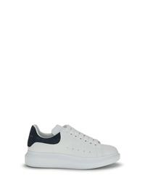 | 553680WIAI3_9054 | ALEXANDER McQUEEN | AW26 | Sneaker oversize in pelle | WHITE/BLUE GREY | UOMO | SCARPE | SNEAKERS | 100% GOMMA, 100% PELLE | MADE IN ITALY |  |  |  |  |  | € 263.20 | € 500.00 | € 0.00 | € 0.00 | TOTAL QUANTITY | 39 | 39.5 | 40 | 40.5 | 41 | 41.5 | 42 | 42.5 | 43 | 43.5 | 44 | 45 | 46 | 47
 |  |  |  |  |  |  |  |  |  |  |  |  |  |  |  |  |  |  |  | 153 | 8 | 8 | 14 | 14 | 8 | 11 | 11 | 11 | 11 | 14 | 13 | 14 | 14 | 2
 |  |  |  |  |  |  |  |  |  |  |  |  |  |  |  |  |  |  |  | 0 | 0 | 0 | 0 | 0 | 0 | 0 | 0 | 0 | 0 | 0 | 0 | 0 | 0 | 0
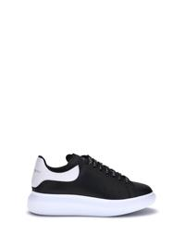 | 553680WIAIG_1070 | ALEXANDER McQUEEN | AW26 | Sneakers in pelle | BLACK | UOMO | SCARPE | SNEAKERS | 100% CALF LEATHER BOS TAURUS, 100% GOMMA | MADE IN ITALY |  |  |  |  |  | € 263.20 | € 500.00 | € 0.00 | € 0.00 | TOTAL QUANTITY | 39 | 39.5 | 40 | 40.5 | 41 | 41.5 | 42 | 42.5 | 43 | 43.5 | 44 | 45 | 46 | 47
 |  |  |  |  |  |  |  |  |  |  |  |  |  |  |  |  |  |  |  | 156 | 5 | 5 | 13 | 8 | 12 | 15 | 12 | 13 | 11 | 14 | 14 | 14 | 15 | 5
 |  |  |  |  |  |  |  |  |  |  |  |  |  |  |  |  |  |  |  | 0 | 0 | 0 | 0 | 0 | 0 | 0 | 0 | 0 | 0 | 0 | 0 | 0 | 0 | 0
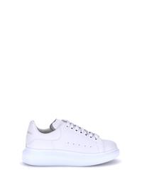 | 553680WIAIG_9007 | ALEXANDER McQUEEN | AW26 | Sneakers in pelle | WHITE | UOMO | SCARPE | SNEAKERS | 100% CALF LEATHER BOS TAURUS, 100% GOMMA | MADE IN ITALY |  |  |  |  |  | € 263.20 | € 500.00 | € 0.00 | € 0.00 | TOTAL QUANTITY | 39 | 39.5 | 43 | 43.5 | 44 | 45 | 46 | 47
 |  |  |  |  |  |  |  |  |  |  |  |  |  |  |  |  |  |  |  | 62 | 1 | 2 | 9 | 10 | 10 | 15 | 10 | 5
 |  |  |  |  |  |  |  |  |  |  |  |  |  |  |  |  |  |  |  | 0 | 0 | 0 | 0 | 0 | 0 | 0 | 0 | 0
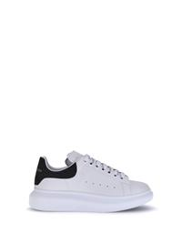 | 553680WIAIG_9061 | ALEXANDER McQUEEN | AW26 | Sneakers in pelle | WHITE | UOMO | SCARPE | SNEAKERS | 100% CALF LEATHER BOS TAURUS, 100% GOMMA | MADE IN ITALY |  |  |  |  |  | € 263.20 | € 500.00 | € 0.00 | € 0.00 | TOTAL QUANTITY | 45 | 46 | 47
 |  |  |  |  |  |  |  |  |  |  |  |  |  |  |  |  |  |  |  | 28 | 8 | 10 | 10
 |  |  |  |  |  |  |  |  |  |  |  |  |  |  |  |  |  |  |  | 0 | 0 | 0 | 0
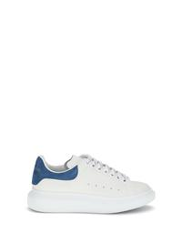 | 553680WIAIH_9086 | ALEXANDER McQUEEN | AW26 | Sneakers in pelle | WHITE | UOMO | SCARPE | SNEAKERS | 100% CALF LEATHER BOS TAURUS, 100% GOMMA | MADE IN ITALY |  |  |  |  |  | € 263.20 | € 500.00 | € 0.00 | € 0.00 | TOTAL QUANTITY | 39 | 39.5 | 40 | 40.5 | 41 | 43 | 43.5 | 44 | 45 | 46
 |  |  |  |  |  |  |  |  |  |  |  |  |  |  |  |  |  |  |  | 66 | 5 | 6 | 6 | 5 | 5 | 3 | 9 | 7 | 11 | 9
 |  |  |  |  |  |  |  |  |  |  |  |  |  |  |  |  |  |  |  | 0 | 0 | 0 | 0 | 0 | 0 | 0 | 0 | 0 | 0 | 0
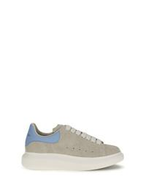 | 553680WIAJ9_1634 | ALEXANDER McQUEEN | SS26 | Sneakers Oversize in pelle scamosciata | NATURAL/SKY BLUE | UOMO | SCARPE | SNEAKERS | 100% CALF LEATHER BOS TAURUS, 100% GOMMA | MADE IN ITALY |  |  |  |  |  | € 263.20 | € 500.00 | € 0.00 | € 0.00 | TOTAL QUANTITY | 39.5
 |  |  |  |  |  |  |  |  |  |  |  |  |  |  |  |  |  |  |  | 2 | 2
 |  |  |  |  |  |  |  |  |  |  |  |  |  |  |  |  |  |  |  | 0 | 0
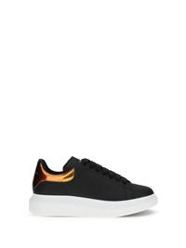 | 553680WIAKA_1980 | ALEXANDER McQUEEN | SS26 | Sneakers in pelle | BLACK/ORANGE | UOMO | SCARPE | SNEAKERS | 100% CALF LEATHER BOS TAURUS, 100% GOMMA | MADE IN ITALY |  |  |  |  |  | € 310.50 | € 590.00 | € 0.00 | € 0.00 | TOTAL QUANTITY | 39 | 39.5 | 40
 |  |  |  |  |  |  |  |  |  |  |  |  |  |  |  |  |  |  |  | 6 | 1 | 2 | 3
 |  |  |  |  |  |  |  |  |  |  |  |  |  |  |  |  |  |  |  | 0 | 0 | 0 | 0
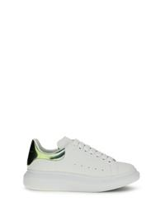 | 553680WIAKA_9830 | ALEXANDER McQUEEN | SS26 | Sneakers in pelle | WHITE/GREEN | UOMO | SCARPE | SNEAKERS | 100% CALF LEATHER BOS TAURUS, 100% GOMMA | MADE IN ITALY |  |  |  |  |  | € 310.50 | € 590.00 | € 0.00 | € 0.00 | TOTAL QUANTITY | 39 | 39.5
 |  |  |  |  |  |  |  |  |  |  |  |  |  |  |  |  |  |  |  | 2 | 1 | 1
 |  |  |  |  |  |  |  |  |  |  |  |  |  |  |  |  |  |  |  | 0 | 0 | 0
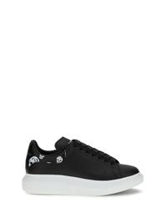 | 553680WIAKB_1016 | ALEXANDER McQUEEN | AW26 | Sneakers Oversize | BLACK/WHITE | UOMO | SCARPE | SNEAKERS | 100% CALF LEATHER BOS TAURUS, 100% GOMMA | MADE IN ITALY |  |  |  |  |  | € 310.50 | € 590.00 | € 0.00 | € 0.00 | TOTAL QUANTITY | 39 | 39.5 | 40 | 40.5 | 41 | 41.5 | 42 | 42.5 | 43 | 43.5 | 44 | 45 | 46 | 47
 |  |  |  |  |  |  |  |  |  |  |  |  |  |  |  |  |  |  |  | 120 | 7 | 7 | 10 | 10 | 10 | 8 | 11 | 9 | 10 | 9 | 12 | 10 | 5 | 2
 |  |  |  |  |  |  |  |  |  |  |  |  |  |  |  |  |  |  |  | 0 | 0 | 0 | 0 | 0 | 0 | 0 | 0 | 0 | 0 | 0 | 0 | 0 | 0 | 0
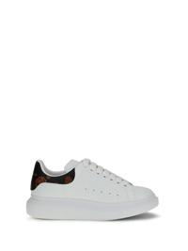 | 553680WIAKB_9145 | ALEXANDER McQUEEN | AW26 | Sneakers Oversize | WHITE/BLACK/RED | UOMO | SCARPE | SNEAKERS | 100% CALF LEATHER BOS TAURUS, 100% GOMMA | MADE IN ITALY |  |  |  |  |  | € 310.50 | € 590.00 | € 0.00 | € 0.00 | TOTAL QUANTITY | 39 | 39.5 | 40 | 40.5 | 41 | 41.5 | 42 | 42.5 | 43 | 43.5 | 44 | 45 | 46 | 47
 |  |  |  |  |  |  |  |  |  |  |  |  |  |  |  |  |  |  |  | 88 | 4 | 6 | 6 | 6 | 7 | 7 | 7 | 7 | 9 | 5 | 9 | 7 | 6 | 2
 |  |  |  |  |  |  |  |  |  |  |  |  |  |  |  |  |  |  |  | 0 | 0 | 0 | 0 | 0 | 0 | 0 | 0 | 0 | 0 | 0 | 0 | 0 | 0 | 0
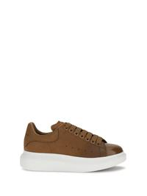 | 553680WIAKR_2000 | ALEXANDER McQUEEN | AW26 | Sneakers oversize in pelle | BROWN | UOMO | SCARPE | SNEAKERS | 100% CALF LEATHER BOS TAURUS, 100% GOMMA | MADE IN ITALY |  |  |  |  |  | € 310.50 | € 590.00 | € 0.00 | € 0.00 | TOTAL QUANTITY | 39 | 39.5 | 40 | 40.5 | 41.5 | 42 | 42.5 | 44 | 45 | 46
 |  |  |  |  |  |  |  |  |  |  |  |  |  |  |  |  |  |  |  | 10 | 1 | 1 | 1 | 1 | 1 | 1 | 1 | 1 | 1 | 1
 |  |  |  |  |  |  |  |  |  |  |  |  |  |  |  |  |  |  |  | 0 | 0 | 0 | 0 | 0 | 0 | 0 | 0 | 0 | 0 | 0
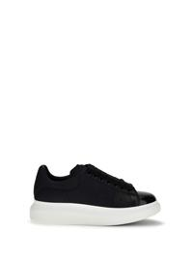 | 553680WIAKR_4008 | ALEXANDER McQUEEN | AW26 | Sneakers oversize in pelle | INDIGO BLU | UOMO | SCARPE | SNEAKERS | 100% CALF LEATHER BOS TAURUS, 100% GOMMA | MADE IN ITALY |  |  |  |  |  | € 310.50 | € 590.00 | € 0.00 | € 0.00 | TOTAL QUANTITY | 39 | 39.5 | 40.5 | 41.5 | 42 | 42.5 | 43 | 44 | 45 | 46
 |  |  |  |  |  |  |  |  |  |  |  |  |  |  |  |  |  |  |  | 10 | 1 | 1 | 1 | 1 | 1 | 1 | 1 | 1 | 1 | 1
 |  |  |  |  |  |  |  |  |  |  |  |  |  |  |  |  |  |  |  | 0 | 0 | 0 | 0 | 0 | 0 | 0 | 0 | 0 | 0 | 0
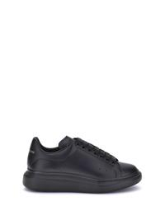 | 553680WWAAN_1002 | ALEXANDER McQUEEN | AW26 | Sneakers in pelle | BLACK/BLACK | UOMO | SCARPE | SNEAKERS | 100% CALF LEATHER BOS TAURUS, 100% GOMMA | MADE IN ITALY |  |  |  |  |  | € 263.20 | € 500.00 | € 0.00 | € 0.00 | TOTAL QUANTITY | 39 | 39.5 | 45 | 47
 |  |  |  |  |  |  |  |  |  |  |  |  |  |  |  |  |  |  |  | 23 | 2 | 7 | 5 | 9
 |  |  |  |  |  |  |  |  |  |  |  |  |  |  |  |  |  |  |  | 0 | 0 | 0 | 0 | 0
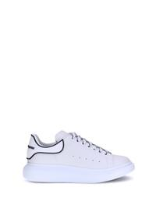 | 625156WIAII_9074 | ALEXANDER McQUEEN | AW26 | Sneakers in pelle | WHITE/WHITE/BLACK | UOMO | SCARPE | SNEAKERS | 100% CALF LEATHER BOS TAURUS, 100% GOMMA | MADE IN ITALY |  |  |  |  |  | € 310.50 | € 590.00 | € 0.00 | € 0.00 | TOTAL QUANTITY | 39 | 39.5 | 40 | 40.5 | 41 | 41.5 | 42 | 42.5 | 43 | 43.5 | 44 | 45 | 46 | 47
 |  |  |  |  |  |  |  |  |  |  |  |  |  |  |  |  |  |  |  | 122 | 1 | 5 | 15 | 10 | 6 | 6 | 2 | 5 | 16 | 15 | 16 | 13 | 9 | 3
 |  |  |  |  |  |  |  |  |  |  |  |  |  |  |  |  |  |  |  | 0 | 0 | 0 | 0 | 0 | 0 | 0 | 0 | 0 | 0 | 0 | 0 | 0 | 0 | 0
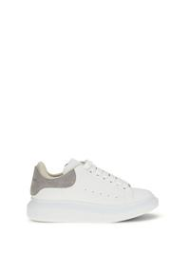 | 705060WIAKP_9333 | ALEXANDER McQUEEN | SS26 | Sneakers Oversize con tallone in pelle scamosciata | WHITE/GREY | UOMO | SCARPE | SNEAKERS | 100% CALF LEATHER BOS TAURUS, 100% GOMMA | MADE IN ITALY |  |  |  |  |  | € 310.50 | € 590.00 | € 0.00 | € 0.00 | TOTAL QUANTITY | 40 | 40.5
 |  |  |  |  |  |  |  |  |  |  |  |  |  |  |  |  |  |  |  | 2 | 1 | 1
 |  |  |  |  |  |  |  |  |  |  |  |  |  |  |  |  |  |  |  | 0 | 0 | 0
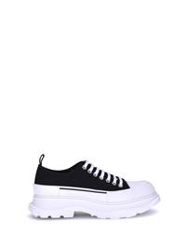 | 705660W4AAQ_1070 | ALEXANDER McQUEEN | SS26 | Sneakers Tread Slick | BLACK/WHITE | UOMO | SCARPE | SNEAKERS | 100% CANVAS, 100% GOMMA | MADE IN ITALY |  |  |  |  |  | € 239.10 | € 550.00 | € 0.00 | € 0.00 | TOTAL QUANTITY | 41 | 41.5 | 42 | 42.5 | 43 | 43.5
 |  |  |  |  |  |  |  |  |  |  |  |  |  |  |  |  |  |  |  | 113 | 16 | 27 | 25 | 22 | 22 | 1
 |  |  |  |  |  |  |  |  |  |  |  |  |  |  |  |  |  |  |  | 0 | 0 | 0 | 0 | 0 | 0 | 0
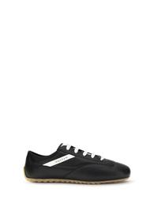 | 866897WIAJ8_1550 | ALEXANDER McQUEEN | AW26 | Sneakers Boxe Basse | BITUMEN | UOMO | SCARPE | SNEAKERS | 100% CALF LEATHER BOS TAURUS, 100% GOMMA | MADE IN ITALY |  |  |  |  |  | € 245.80 | € 590.00 | € 0.00 | € 0.00 | TOTAL QUANTITY | 40 | 40.5
 |  |  |  |  |  |  |  |  |  |  |  |  |  |  |  |  |  |  |  | 2 | 1 | 1
 |  |  |  |  |  |  |  |  |  |  |  |  |  |  |  |  |  |  |  | 0 | 0 | 0
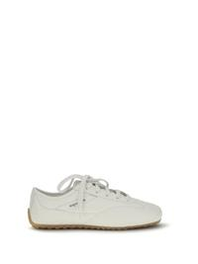 | 866897WIAJ8_9509 | ALEXANDER McQUEEN | SS26 | Sneakers Boxe Basse | OFF WHITE/WHITE | UOMO | SCARPE | SNEAKERS | 100% CALF LEATHER BOS TAURUS, 100% GOMMA | MADE IN ITALY |  |  |  |  |  | € 245.80 | € 590.00 | € 0.00 | € 0.00 | TOTAL QUANTITY | 42.5 | 45
 |  |  |  |  |  |  |  |  |  |  |  |  |  |  |  |  |  |  |  | 2 | 1 | 1
 |  |  |  |  |  |  |  |  |  |  |  |  |  |  |  |  |  |  |  | 0 | 0 | 0
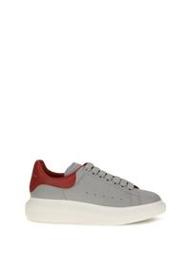 | 869978WIAKM_1499 | ALEXANDER McQUEEN | AW26 | Sneakers in pelle | GREY/FLAME | UOMO | SCARPE | SNEAKERS | 100% CALF LEATHER BOS TAURUS, 100% GOMMA | MADE IN ITALY |  |  |  |  |  | € 263.20 | € 500.00 | € 0.00 | € 0.00 | TOTAL QUANTITY | 39 | 39.5 | 40 | 40.5 | 41 | 41.5 | 42 | 42.5 | 43 | 43.5 | 44 | 45 | 46
 |  |  |  |  |  |  |  |  |  |  |  |  |  |  |  |  |  |  |  | 80 | 4 | 4 | 7 | 7 | 5 | 7 | 7 | 8 | 5 | 7 | 7 | 8 | 4
 |  |  |  |  |  |  |  |  |  |  |  |  |  |  |  |  |  |  |  | 0 | 0 | 0 | 0 | 0 | 0 | 0 | 0 | 0 | 0 | 0 | 0 | 0 | 0
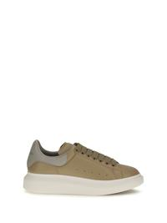 | 869978WIAKM_9692 | ALEXANDER McQUEEN | AW26 | Sneakers in pelle | SAND/STONE | UOMO | SCARPE | SNEAKERS | 100% CALF LEATHER BOS TAURUS, 100% GOMMA | MADE IN ITALY |  |  |  |  |  | € 263.20 | € 500.00 | € 0.00 | € 0.00 | TOTAL QUANTITY | 39 | 39.5 | 40 | 40.5 | 41 | 41.5 | 42 | 42.5 | 43 | 43.5 | 44 | 45 | 46
 |  |  |  |  |  |  |  |  |  |  |  |  |  |  |  |  |  |  |  | 89 | 4 | 4 | 8 | 7 | 8 | 8 | 7 | 7 | 8 | 8 | 8 | 8 | 4
 |  |  |  |  |  |  |  |  |  |  |  |  |  |  |  |  |  |  |  | 0 | 0 | 0 | 0 | 0 | 0 | 0 | 0 | 0 | 0 | 0 | 0 | 0 | 0
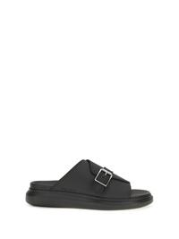 | 874829W4Z90_1000 | ALEXANDER McQUEEN | AW26 | Sandali con fibbia | BLACK | UOMO | SCARPE | SANDALI | 100% CALF LEATHER BOS TAURUS, 100% GOMMA | MADE IN ITALY |  |  |  |  |  | € 160.90 | € 370.00 | € 0.00 | € 0.00 | TOTAL QUANTITY | 42.5 | 43 | 43.5 | 44 | 44.5
 |  |  |  |  |  |  |  |  |  |  |  |  |  |  |  |  |  |  |  | 7 | 1 | 1 | 2 | 1 | 2
 |  |  |  |  |  |  |  |  |  |  |  |  |  |  |  |  |  |  |  | 0 | 0 | 0 | 0 | 0 | 0
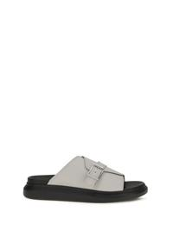 | 874829W4Z90_1401 | ALEXANDER McQUEEN | AW26 | Sandali con fibbia | ASH GREY | UOMO | SCARPE | SANDALI | 100% CALF LEATHER BOS TAURUS, 100% GOMMA | MADE IN ITALY |  |  |  |  |  | € 160.90 | € 370.00 | € 0.00 | € 0.00 | TOTAL QUANTITY | 44 | 44.5 | 46
 |  |  |  |  |  |  |  |  |  |  |  |  |  |  |  |  |  |  |  | 5 | 2 | 1 | 2
 |  |  |  |  |  |  |  |  |  |  |  |  |  |  |  |  |  |  |  | 0 | 0 | 0 | 0

women
REPORT DATE
8/24/26

IMAGE | SKU | BRAND | SEASON | PRODUCT | COLOUR DESCRIPTION | GENDER | CATEGORY | SUB CATEGORY | COMPOSITION | MADE IN | DEPTH | HEIGHT | LENGTH | WIDTH | WEIGHT | COST PRICE | RETAIL PRICE | TOTAL COST | TOTAL RETAIL | Sizes / Available quantitites / Desired quantities
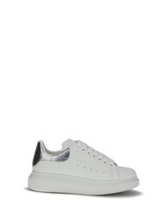 | 553770WIAH0_9081 | ALEXANDER McQUEEN | AW26 | Sneakers in pelle | WHITE | DONNA | SCARPE | SNEAKERS | 100% CALF LEATHER BOS TAURUS, 100% GOMMA | MADE IN ITALY |  |  |  |  |  | € 310.50 | € 590.00 | € 0.00 | € 0.00 | TOTAL QUANTITY | 35 | 35.5 | 36 | 36.5 | 37 | 37.5 | 38 | 38.5 | 39 | 39.5 | 40 | 41
 |  |  |  |  |  |  |  |  |  |  |  |  |  |  |  |  |  |  |  | 62 | 3 | 2 | 4 | 3 | 9 | 7 | 11 | 7 | 9 | 1 | 3 | 3
 |  |  |  |  |  |  |  |  |  |  |  |  |  |  |  |  |  |  |  | 0 | 0 | 0 | 0 | 0 | 0 | 0 | 0 | 0 | 0 | 0 | 0 | 0
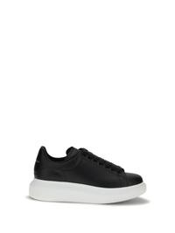 | 553770WIAIG_1002 | ALEXANDER McQUEEN | AW26 | Sneakers in pelle | BLACK | DONNA | SCARPE | SNEAKERS | 100% CALF LEATHER BOS TAURUS, 100% GOMMA | MADE IN ITALY |  |  |  |  |  | € 263.20 | € 500.00 | € 0.00 | € 0.00 | TOTAL QUANTITY | 35 | 35.5 | 36 | 36.5 | 37 | 37.5 | 38 | 38.5 | 39 | 39.5 | 40 | 40.5 | 41
 |  |  |  |  |  |  |  |  |  |  |  |  |  |  |  |  |  |  |  | 545 | 9 | 11 | 33 | 43 | 97 | 66 | 113 | 59 | 69 | 23 | 16 | 1 | 5
 |  |  |  |  |  |  |  |  |  |  |  |  |  |  |  |  |  |  |  | 0 | 0 | 0 | 0 | 0 | 0 | 0 | 0 | 0 | 0 | 0 | 0 | 0 | 0
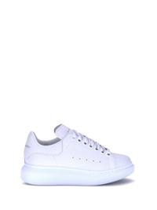 | 553770WIAIG_9007 | ALEXANDER McQUEEN | AW26 | Sneakers in pelle | WHITE | DONNA | SCARPE | SNEAKERS | 100% CALF LEATHER BOS TAURUS, 100% GOMMA | MADE IN ITALY |  |  |  |  |  | € 263.20 | € 500.00 | € 0.00 | € 0.00 | TOTAL QUANTITY | 35 | 35.5 | 36 | 36.5 | 37 | 37.5 | 38 | 38.5 | 39 | 39.5 | 40 | 40.5 | 41
 |  |  |  |  |  |  |  |  |  |  |  |  |  |  |  |  |  |  |  | 267 | 8 | 10 | 18 | 8 | 40 | 32 | 44 | 27 | 35 | 5 | 26 | 2 | 12
 |  |  |  |  |  |  |  |  |  |  |  |  |  |  |  |  |  |  |  | 0 | 0 | 0 | 0 | 0 | 0 | 0 | 0 | 0 | 0 | 0 | 0 | 0 | 0
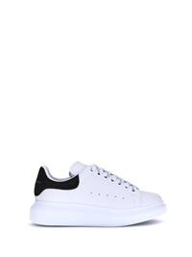 | 553770WIAIH_9061 | ALEXANDER McQUEEN | AW26 | Sneakers in pelle | WHITE | DONNA | SCARPE | SNEAKERS | 100% CALF LEATHER BOS TAURUS, 100% GOMMA | MADE IN ITALY |  |  |  |  |  | € 263.20 | € 500.00 | € 0.00 | € 0.00 | TOTAL QUANTITY | 35 | 35.5 | 36 | 36.5 | 37 | 37.5 | 38 | 38.5 | 39 | 39.5 | 40 | 40.5 | 41
 |  |  |  |  |  |  |  |  |  |  |  |  |  |  |  |  |  |  |  | 553 | 30 | 39 | 26 | 37 | 73 | 40 | 106 | 38 | 67 | 26 | 48 | 2 | 21
 |  |  |  |  |  |  |  |  |  |  |  |  |  |  |  |  |  |  |  | 0 | 0 | 0 | 0 | 0 | 0 | 0 | 0 | 0 | 0 | 0 | 0 | 0 | 0
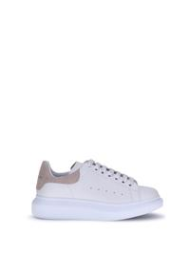 | 553770WIAIH_9182 | ALEXANDER McQUEEN | AW26 | Sneakers in pelle | OFF WHITE | DONNA | SCARPE | SNEAKERS | 100% CALF LEATHER BOS TAURUS, 100% GOMMA | MADE IN ITALY |  |  |  |  |  | € 263.20 | € 500.00 | € 0.00 | € 0.00 | TOTAL QUANTITY | 35 | 35.5 | 36 | 36.5 | 37 | 37.5 | 38 | 38.5 | 39 | 39.5 | 40 | 40.5 | 41
 |  |  |  |  |  |  |  |  |  |  |  |  |  |  |  |  |  |  |  | 682 | 26 | 26 | 49 | 55 | 97 | 71 | 104 | 63 | 91 | 28 | 45 | 3 | 24
 |  |  |  |  |  |  |  |  |  |  |  |  |  |  |  |  |  |  |  | 0 | 0 | 0 | 0 | 0 | 0 | 0 | 0 | 0 | 0 | 0 | 0 | 0 | 0
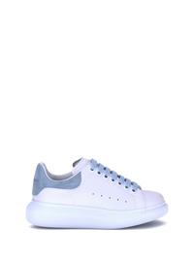 | 553770WIAIH_9412 | ALEXANDER McQUEEN | AW26 | Sneakers in pelle | CHAMPAGNE | DONNA | SCARPE | SNEAKERS | 100% CALF LEATHER BOS TAURUS, 100% GOMMA | MADE IN ITALY |  |  |  |  |  | € 263.20 | € 500.00 | € 0.00 | € 0.00 | TOTAL QUANTITY | 35 | 35.5 | 37.5 | 38 | 38.5 | 39 | 39.5 | 40 | 41
 |  |  |  |  |  |  |  |  |  |  |  |  |  |  |  |  |  |  |  | 185 | 18 | 19 | 13 | 24 | 9 | 38 | 9 | 35 | 20
 |  |  |  |  |  |  |  |  |  |  |  |  |  |  |  |  |  |  |  | 0 | 0 | 0 | 0 | 0 | 0 | 0 | 0 | 0 | 0
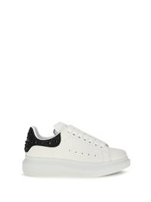 | 666407WIAK2_9581 | ALEXANDER McQUEEN | AW26 | Sneakers oversize con tallone in camoscio e cristalli | SAND | DONNA | SCARPE | SNEAKERS | 100% CALF LEATHER BOS TAURUS, 100% GOMMA | MADE IN ITALY |  |  |  |  |  | € 415.80 | € 790.00 | € 0.00 | € 0.00 | TOTAL QUANTITY | 35 | 35.5 | 36 | 36.5 | 37 | 37.5 | 38 | 38.5 | 39 | 39.5 | 40 | 40.5 | 41
 |  |  |  |  |  |  |  |  |  |  |  |  |  |  |  |  |  |  |  | 313 | 4 | 4 | 25 | 21 | 54 | 34 | 64 | 32 | 39 | 14 | 16 | 3 | 3
 |  |  |  |  |  |  |  |  |  |  |  |  |  |  |  |  |  |  |  | 0 | 0 | 0 | 0 | 0 | 0 | 0 | 0 | 0 | 0 | 0 | 0 | 0 | 0
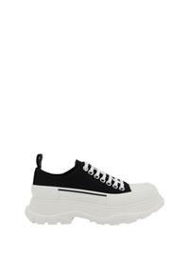 | 697072W4AAQ_1070 | ALEXANDER McQUEEN | AW26 | Sneakers Tread Slick | BLACK | DONNA | SCARPE | SNEAKERS | 100% COTONE, 100% GOMMA | MADE IN ITALY |  |  |  |  |  | € 239.10 | € 550.00 | € 0.00 | € 0.00 | TOTAL QUANTITY | 35 | 35.5 | 36 | 36.5 | 37 | 37.5 | 38 | 38.5 | 39 | 40
 |  |  |  |  |  |  |  |  |  |  |  |  |  |  |  |  |  |  |  | 236 | 16 | 46 | 27 | 37 | 20 | 29 | 40 | 6 | 14 | 1
 |  |  |  |  |  |  |  |  |  |  |  |  |  |  |  |  |  |  |  | 0 | 0 | 0 | 0 | 0 | 0 | 0 | 0 | 0 | 0 | 0
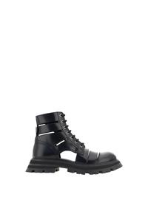 | 755644WIDU0_1000 | ALEXANDER McQUEEN | AW23 | Stivaletti Wander Combat | BLACK | DONNA | SCARPE | STIVALI | 100% CALF LEATHER BOS TAURUS, 100% GOMMA | MADE IN ITALY |  |  |  |  |  | € 575.00 | € 1150.00 | € 0.00 | € 0.00 | TOTAL QUANTITY | 37.5
 |  |  |  |  |  |  |  |  |  |  |  |  |  |  |  |  |  |  |  | 1 | 1
 |  |  |  |  |  |  |  |  |  |  |  |  |  |  |  |  |  |  |  | 0 | 0
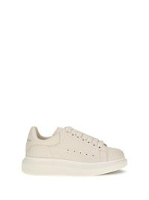 | 808173WHAEG_9022 | ALEXANDER McQUEEN | AW26 | Sneakers in pelle martellata | WHITE | DONNA | SCARPE | SNEAKERS | 100% CALF LEATHER BOS TAURUS, 100% GOMMA | MADE IN ITALY |  |  |  |  |  | € 310.50 | € 590.00 | € 0.00 | € 0.00 | TOTAL QUANTITY | 36 | 37 | 37.5 | 38 | 38.5 | 39.5 | 40 | 41
 |  |  |  |  |  |  |  |  |  |  |  |  |  |  |  |  |  |  |  | 11 | 1 | 2 | 1 | 2 | 2 | 1 | 1 | 1
 |  |  |  |  |  |  |  |  |  |  |  |  |  |  |  |  |  |  |  | 0 | 0 | 0 | 0 | 0 | 0 | 0 | 0 | 0
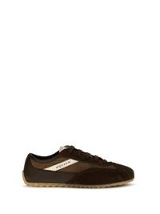 | 868495WIAKI_2139 | ALEXANDER McQUEEN | AW26 | Sneakers Boxe | BROWN/BROWN | DONNA | SCARPE | SNEAKERS | 100% SUEDE, 100% GOMMA | MADE IN ITALY |  |  |  |  |  | € 220.80 | € 530.00 | € 0.00 | € 0.00 | TOTAL QUANTITY | 36 | 37 | 37.5 | 38 | 38.5 | 39 | 40 | 41
 |  |  |  |  |  |  |  |  |  |  |  |  |  |  |  |  |  |  |  | 8 | 1 | 1 | 1 | 1 | 1 | 1 | 1 | 1
 |  |  |  |  |  |  |  |  |  |  |  |  |  |  |  |  |  |  |  | 0 | 0 | 0 | 0 | 0 | 0 | 0 | 0 | 0
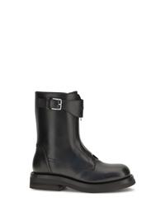 | 874831WHAE3_1000 | ALEXANDER McQUEEN | AW26 | Stivali in pelle | BLACK | DONNA | SCARPE | STIVALI | 100% CALF LEATHER BOS TAURUS | MADE IN ITALY |  |  |  |  |  | € 517.40 | € 1190.00 | € 0.00 | € 0.00 | TOTAL QUANTITY | 36 | 37 | 37.5 | 38 | 38.5 | 39 | 40 | 41
 |  |  |  |  |  |  |  |  |  |  |  |  |  |  |  |  |  |  |  | 8 | 1 | 1 | 1 | 1 | 1 | 1 | 1 | 1
 |  |  |  |  |  |  |  |  |  |  |  |  |  |  |  |  |  |  |  | 0 | 0 | 0 | 0 | 0 | 0 | 0 | 0 | 0

