Adidas Stock Offer
Adidas Men's Sportswear Stock Offer
Brand | Product | Qty | Breakdown | Sizes | Condition | FOB
Adidas | Men's Sportswear Stock | Approx. 750 pcs | Joggers: 600+ pcsShorts: 60+ pcsSweaters: 20+ pcs | Mixed EU Sizes (S-XXL) | New with tags

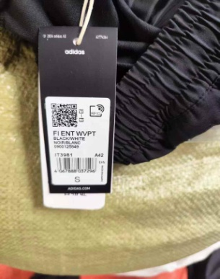
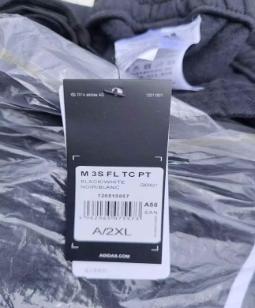
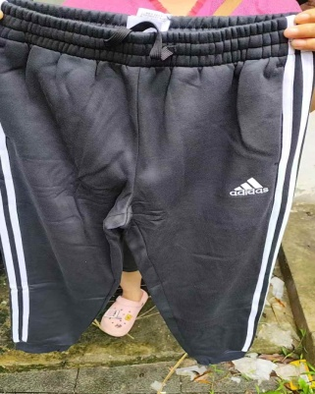
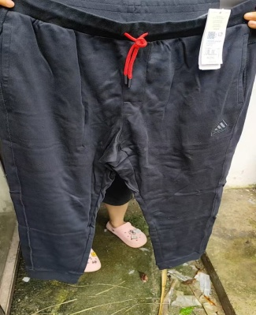
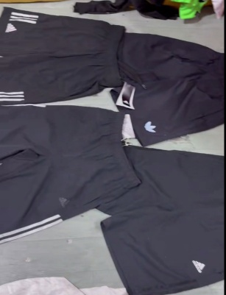

All items are genuine stocklots with original tags.
Stock available in China warehouse. Final quantity subject to warehouse confirmation.

Quiksilver Stock Offer
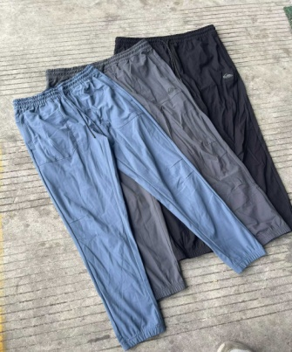
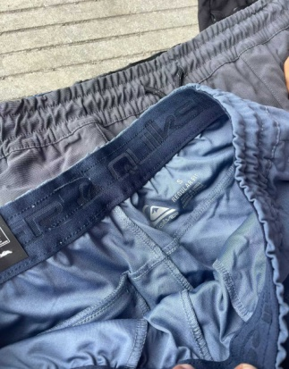
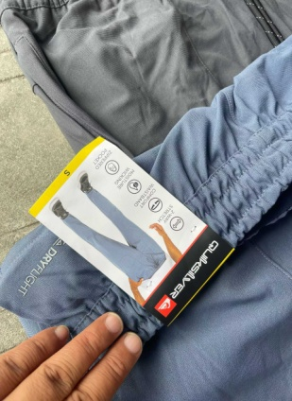
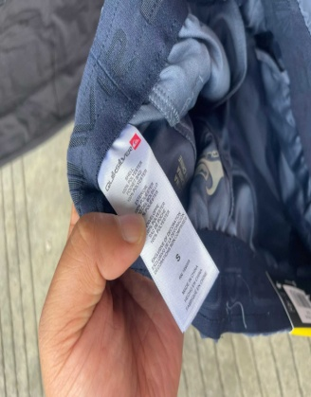
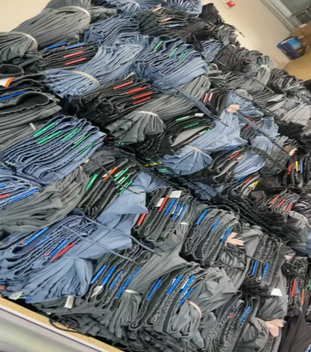
Quiksilver Men's Outdoor Joggers Stock Offer
Brand | Product | Qty | Sizes | Condition | FOB
Quiksilver | Men's Outdoor Joggers | 8,000 pcs | S-XXL (Mixed) | New with tags

Stock Breakdown:

Multiple colors available
Mixed sizes
Suitable for wholesale / outlet / outdoor channels
Large quantity available, suitable for distributors and wholesale buyers.

ASICS Stock Offer
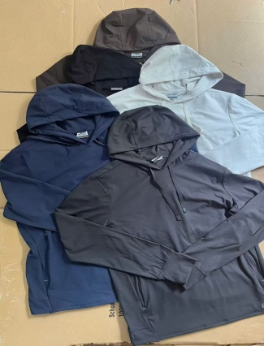
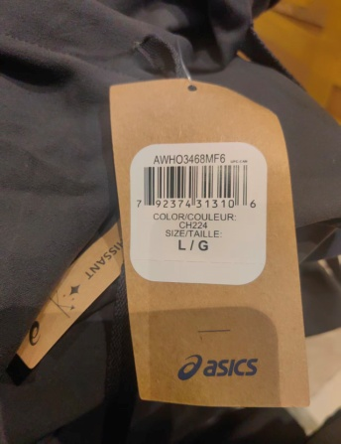
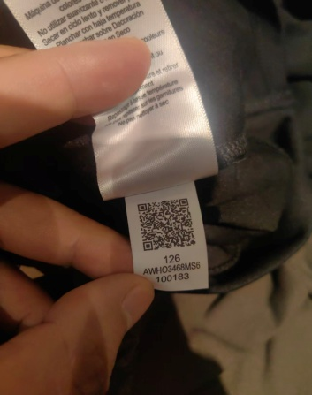
 |  | ASICS Men's Hoodie Stock Offer
Brand | Product | Qty | Sizes | Condition | FOB
ASICS | Men's Hoodies | 174 pcs | S-XXL (Mixed) | New with tags

ASICS Hoodies - Size Breakdown (174 pcs)
color | S | M | L | XL | Total
Black | 5 | 16 | 24 | 8 | 53
Grey | 8 | 12 | 14 | 6 | 40
Brown | 3 | 5 | 6 | 3 | 17
White | 4 | 3 | 7 | 2 | 16
Navy Blue | 10 | 17 | 10 | 11 | 48
Total | 30 | 53 | 61 | 30 | 174

Product Details:
Brand: ASICS
Category: Men's Sportswear
Origin: Vietnam
Condition: New with original tags

