Sheet1
ITEM | IMAGE | DESCRIPTION | CATEGORY | SIZE | QTY | PALLETS | RETAIL | EXT RETAIL
CS10-0021-1 | 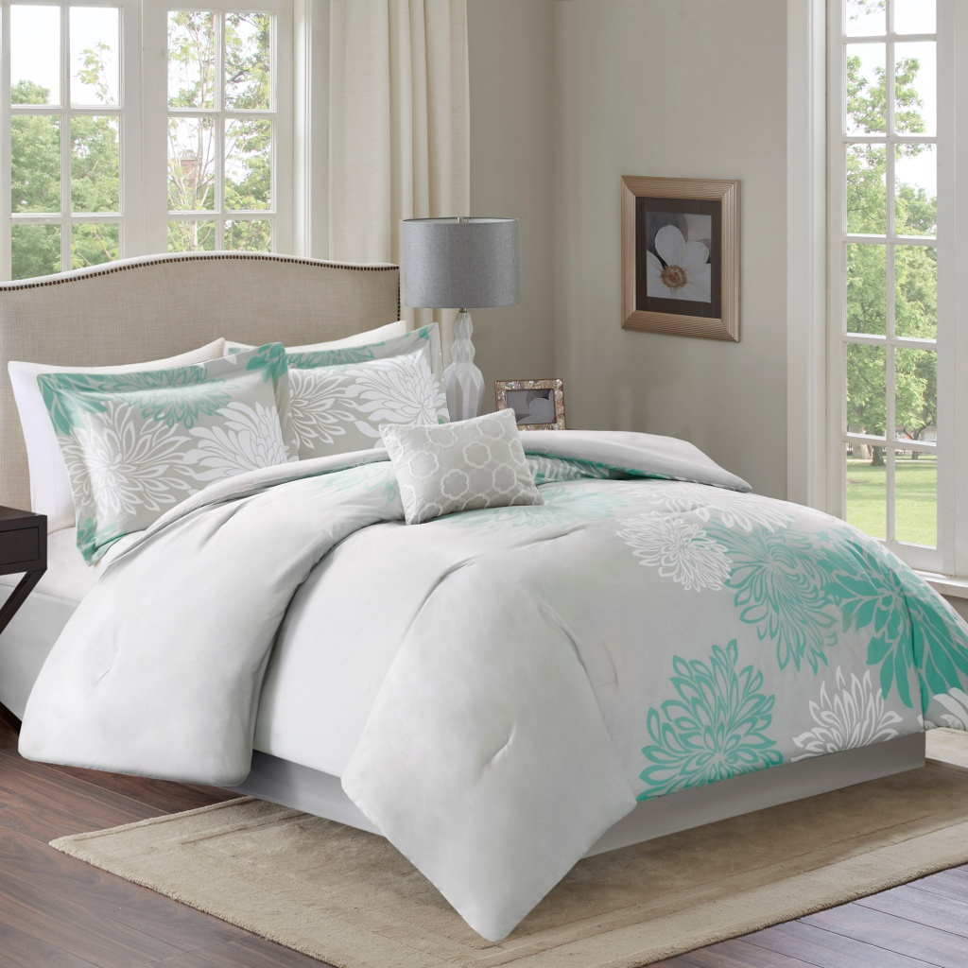 | COMFORT SPACES 100% POLYESTER MICROFIBER PRINTED 5 PC COMFORTER SET - INCLUDES 1 COMFORTER, 1 DECORATIVE PILLOW, 2 STANDARD SHAMS, 1 BEDSKIRT | 5 PC COMFORTER SET MICROFIBER | Q | 192 | 4 | $64.99 | $12,478.08
CS10-1388 | 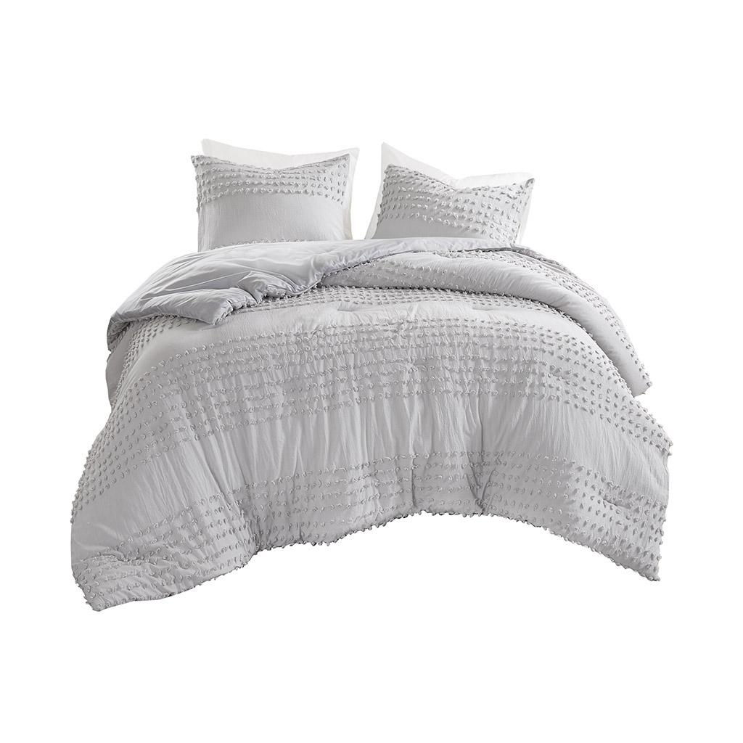 | COMFORT SPACES 100% COTTON JACQUARD COMFORTER SET - INCLUDES 1 COMFORTER, 2 STANDARD SHAMS | COMFORTER SET COTTON | F/Q | 192 | 4 | $69.99 | $13,438.08
CS10-0098-1 | 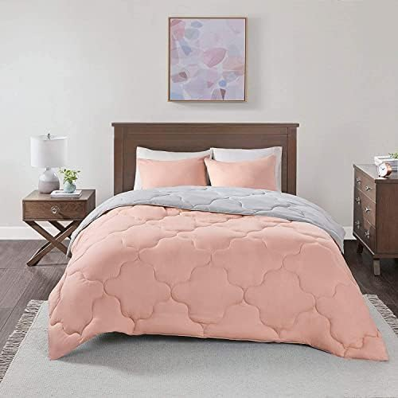 | COMFORT SPACES 100% POLYESTER MICROFIBER SOLID REVERSIBLE COMFORTER SET - INCLUDES 1 COMFORTER, 2 STANDARD SHAMS | COMFORTER SET MICROFIBER | F/Q | 192 | 2 | $49.99 | $9,598.08
CS10-0977 | 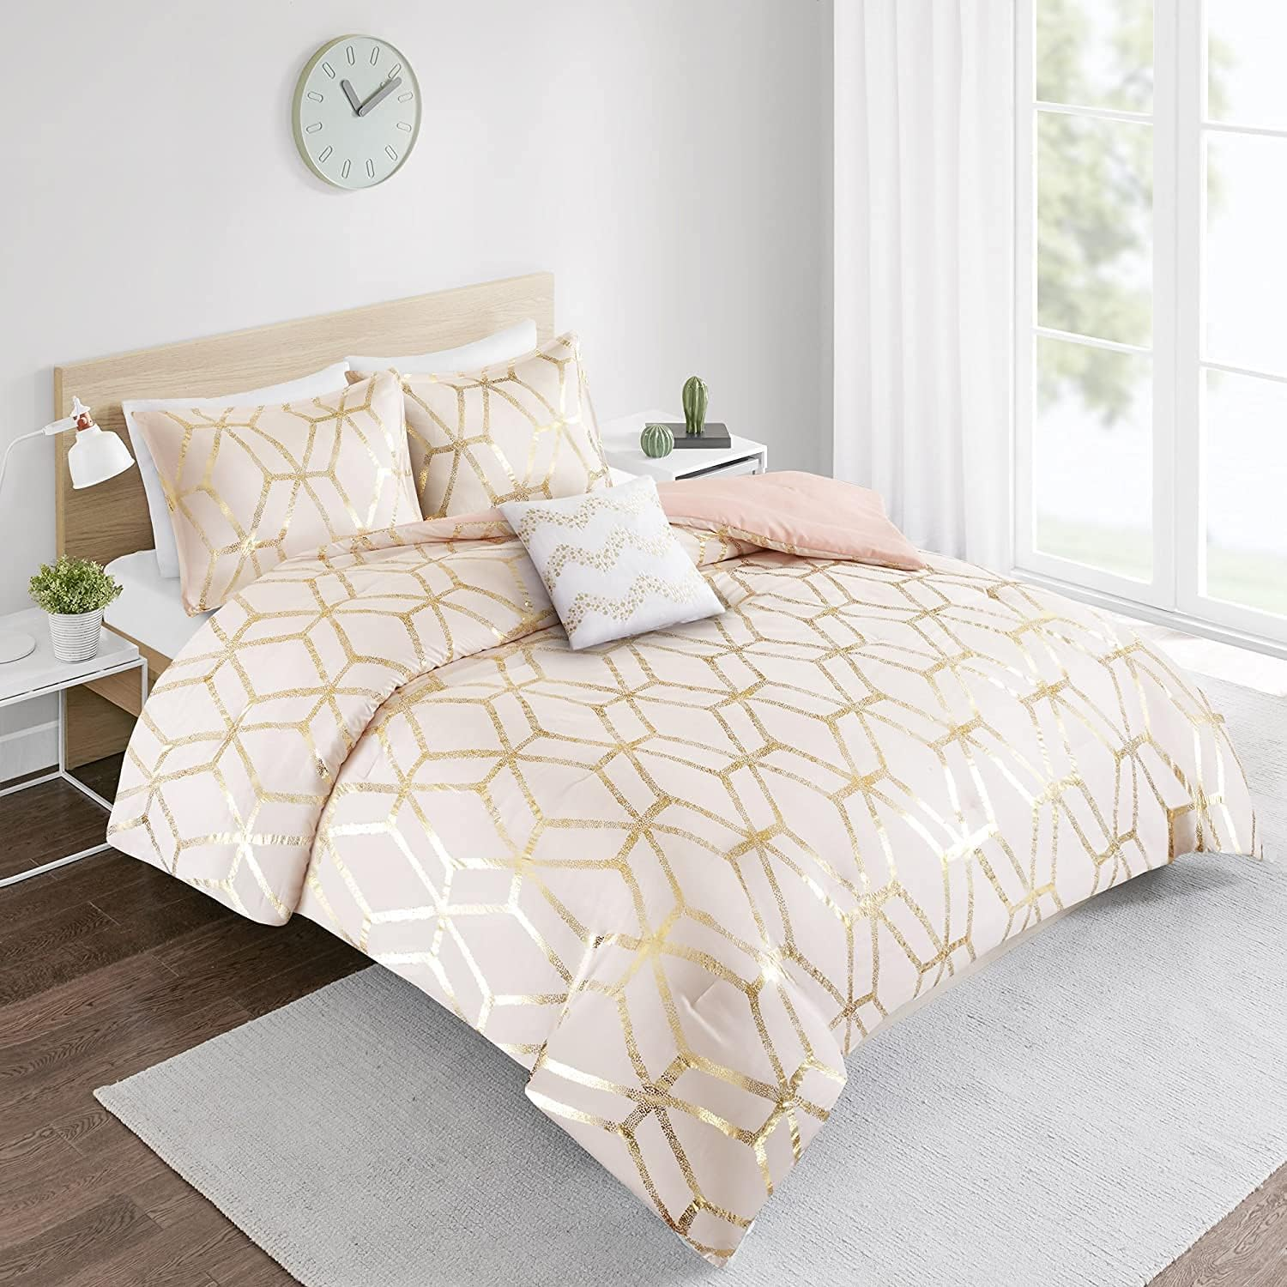 | COMFORT SPACES 100% POLYESTER METALLIC PRINTED COMFORTER SET - INCLUDES 1 COMFORTER, 2 STANDARD SHAMS | COMFORTER SET MICROFIBER | F/Q | 120 | 4 | $69.99 | $8,398.80
CS14-0807-1 | 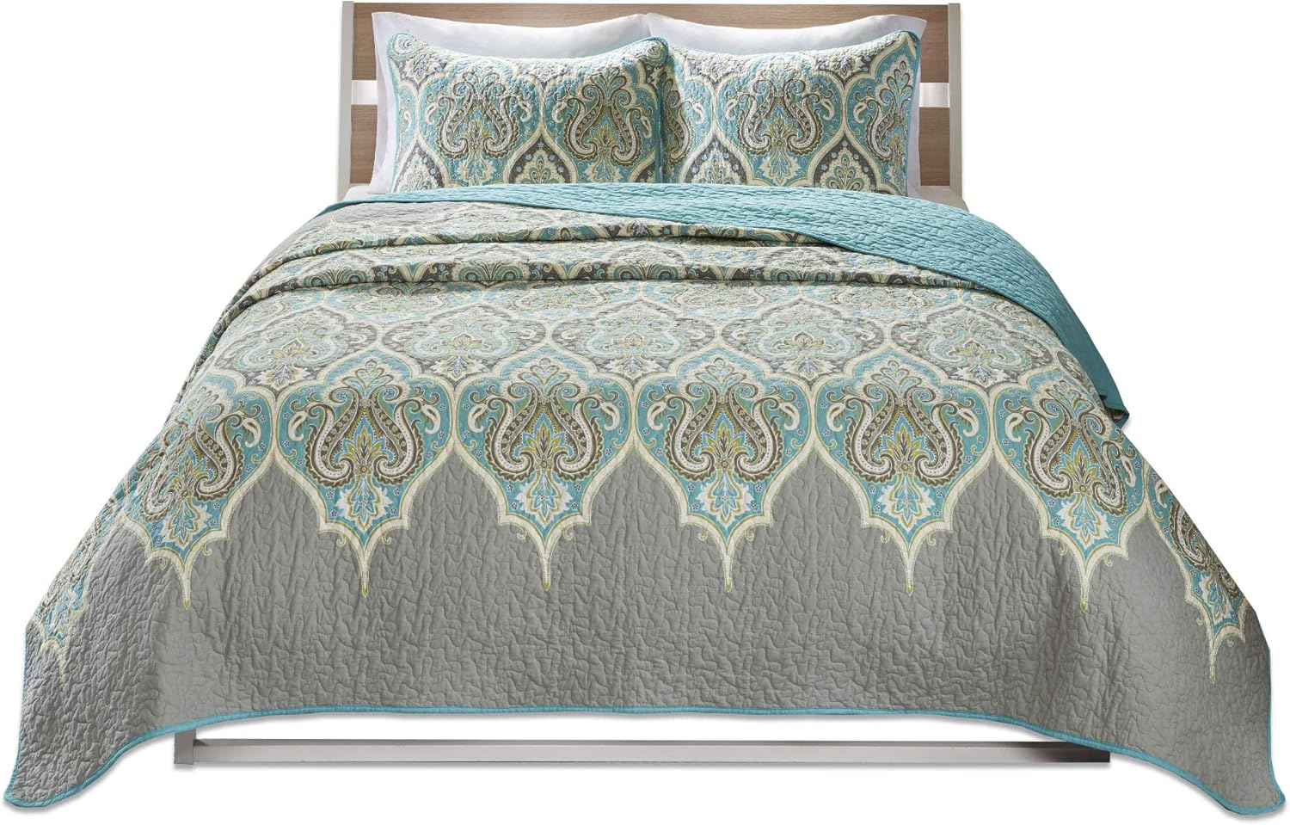 | COMFORT SPACES 100% COTTON PRINTED QUILT SET - INCLUDES 1 QUILT, 2 STANDARD SHAMS | QUILT SET COTTON | F/Q | 120 | 4 | $69.99 | $8,398.80
CS14-0808-1 |  | COMFORT SPACES 100% COTTON PRINTED QUILT SET - INCLUDES 1 QUILT, 2 KING SHAMS | QUILT SET COTTON | K | 144 | 2 | $79.99 | $11,518.56
CS14-0681-1 | 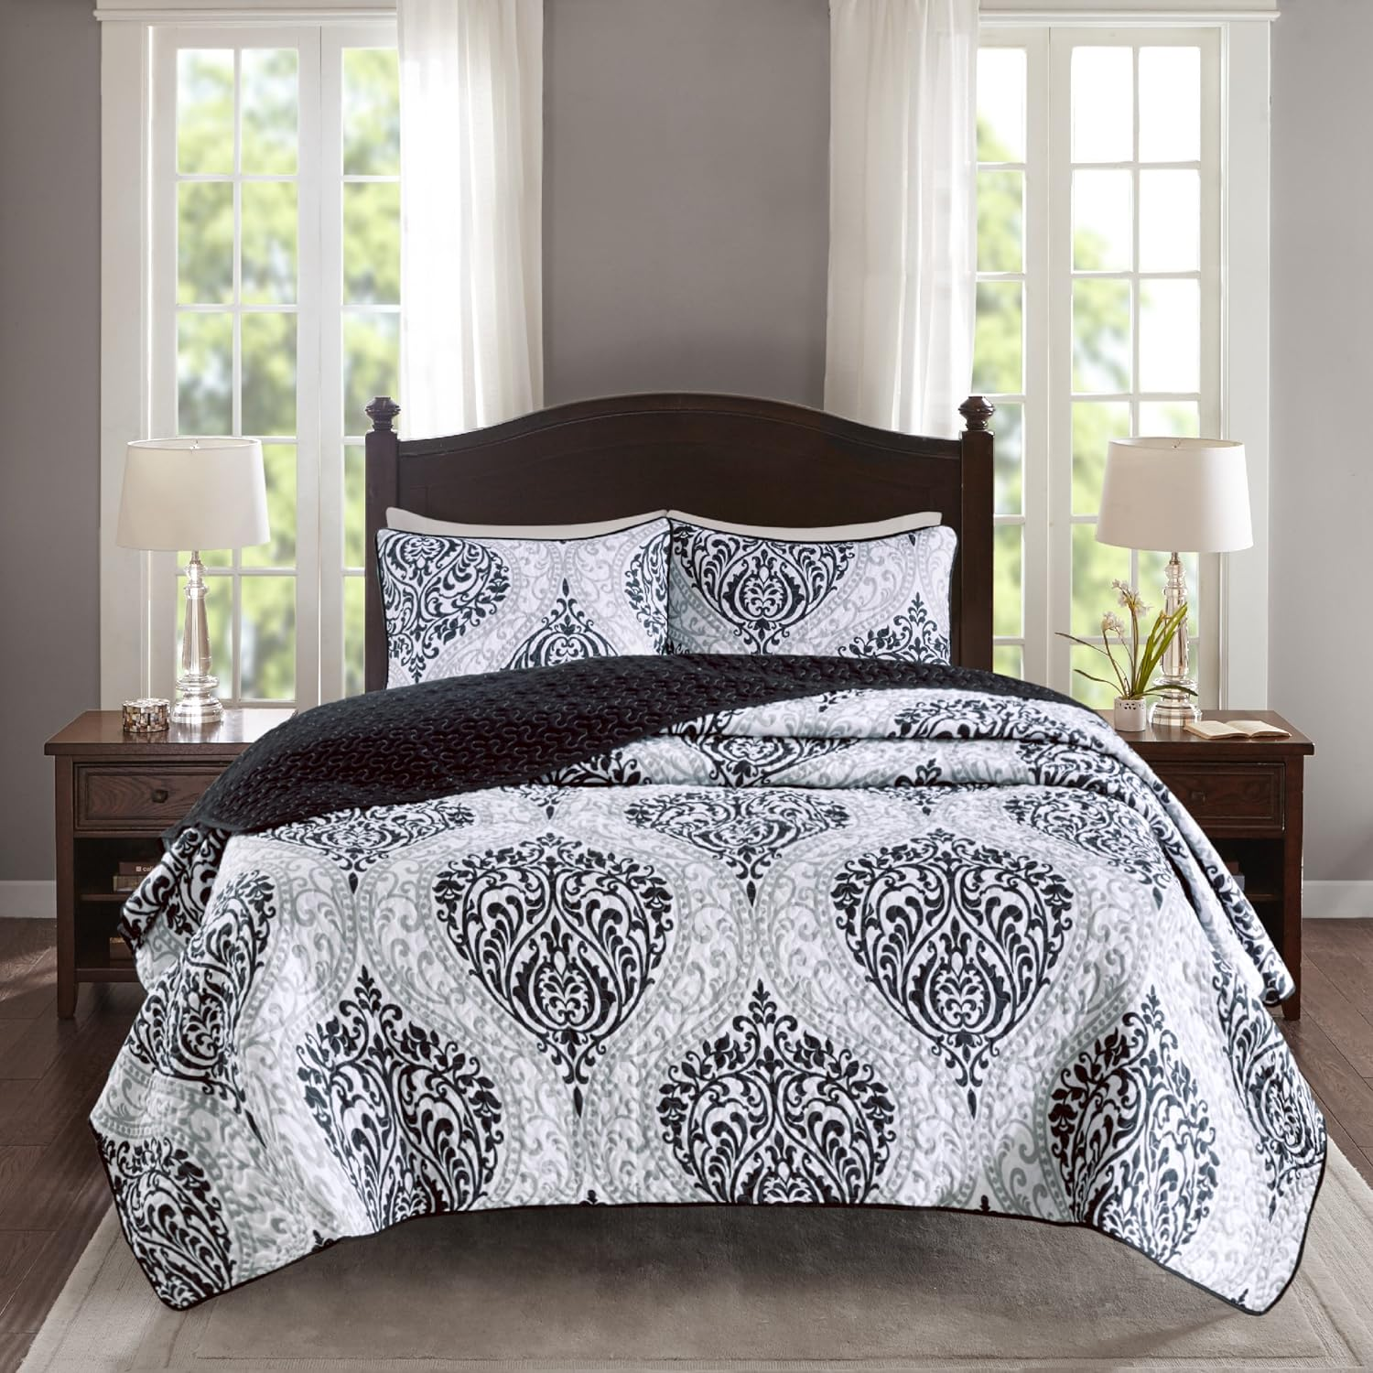 | COMFORT SPACES 100% POLYESTER MICROFIBER QUILT SET - INCLUDES 1 QUILT, 2 STANDARD SHAMS | QUILT SET POLY | F/Q | 196 | 4 | $69.99 | $13,718.04
AM12-0117 | 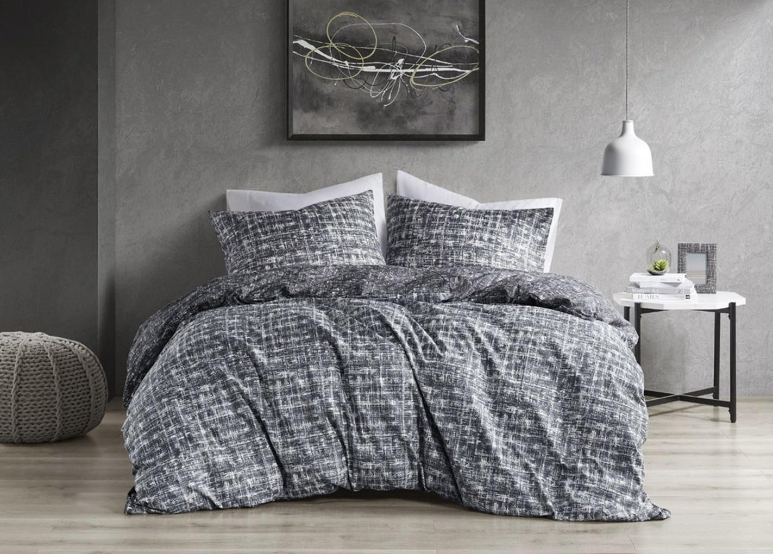 | SUPER LISTING 100% POLYESTER PRINTED DUVET SET - INCLUDES 1 DUVET, 2 STANDARD SHAMS | DUVET SET POLY | F/Q | 150 | 2 | $49.99 | $7,498.50

 |  | TOTAL |  |  | 1,306 | 26 |  | $85,046.94

