Specification
 |  |  |  |  |  |  |  | 1360
ARTICLE | Pictures | COLOR DESCRIPTION | COMPOSITION 1 | MADE IN | WHS | RRP | SIZE COUNT | QTY | 36 | 37 | 38 | 39 | 40 | 41 | 42 | 43 | 44 | 45
CSSD01066M | 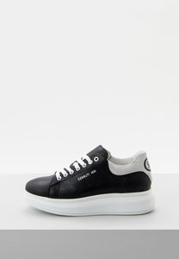 | BLACK | 100% COW LEATHER | PORTUGAL | €140.00 | €336.00 | 2 | 2 | 1 |  |  | 1
CSSD01066M | 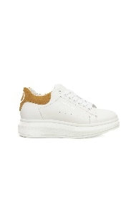 | YELLOW | 100% COW LEATHER | PORTUGAL | €140.00 | €336.00 | 2 | 2 | 1 | 1
CSSD01226M | 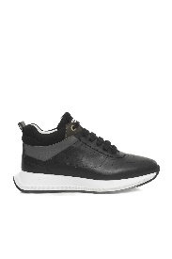 | BLACK | 100% COW LEATHER | TURKEY | €165.00 | €396.00 | 2 | 5 | 3 | 2
CSSD01226M |  | WHITE | 100% COW LEATHER | TURKEY | €165.00 | €396.00 | 2 | 3 | 1 |  | 2
CSSD00486T | 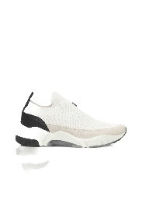 | WHITE | 80% POLYESTER 20% CALF LEATHER | PORTUGAL | €100.00 | €240.00 | 1 | 1 |  |  |  |  |  | 1
CSSD00491M | 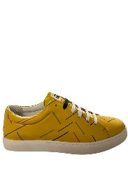 | YELLOW | 100% CALF LEATHER | PORTUGAL | €114.00 | €274.00 | 1 | 2 |  |  | 2
CSSD00494P | 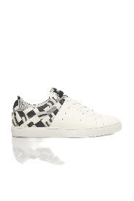 | BLACK | 50% PVC 50% CALF LEATHER | PORTUGAL | €121.00 | €290.00 | 1 | 4 |  |  | 4
CSSD00495S | 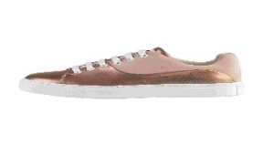 | PINK | 100% CALF LEATHER | PORTUGAL | €142.00 | €341.00 | 1 | 1 |  | 1
CSSD00640M | 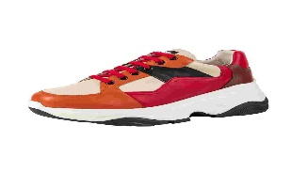 | BLUE | 100% CALF LEATHER | PORTUGAL | €136.00 | €326.00 | 1 | 4 |  |  | 4
CSSD00640M |  | RED | 100% CALF LEATHER | PORTUGAL | €136.00 | €326.00 | 1 | 2 |  |  | 2
CSSD00640P | 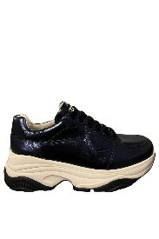 | BLUE | 100% CALF LEATHER | PORTUGAL | €136.00 | €326.00 | 1 | 1 |  |  | 1
CSSD00644M | 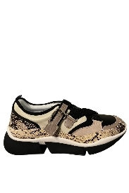 | BEIGE | 100% CALF LEATHER | TURKEY | €136.00 | €326.00 | 1 | 2 |  |  | 2
CSSD00644M |  | BLUE | 100% CALF LEATHER | TURKEY | €136.00 | €326.00 | 1 | 1 |  |  | 1
CSSD00687M | 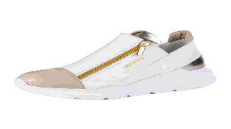 | BLACK | 100% GOAT FUR | POLAND | €136.00 | €326.00 | 1 | 1 |  |  | 1
CSSD00687M |  | WHITE | 100% GOAT FUR | POLAND | €136.00 | €326.00 | 1 | 1 |  |  | 1
CSSD00687P | 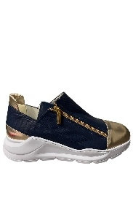 | BLUE | 100% GOAT FUR | POLAND | €136.00 | €326.00 | 1 | 2 |  |  | 2
CSSD00687P |  | WHITE | 100% GOAT FUR | POLAND | €136.00 | €326.00 | 1 | 1 |  |  | 1
CSSD00687T | 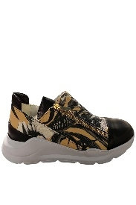 | BEIGE | 60% PVC 40% GOAT LEATHER | POLAND | €136.00 | €326.00 | 1 | 2 |  |  | 2
CSSD00687T |  | WHITE | 60% PVC 40% GOAT LEATHER | POLAND | €136.00 | €326.00 | 1 | 2 |  |  | 2
CSSD00693M | 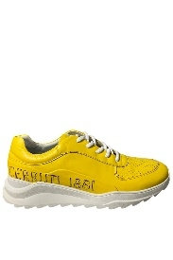 | GREY | 100% COW LEATHER | PORTUGAL | €136.00 | €326.00 | 1 | 2 |  |  | 2
CSSD00693M | 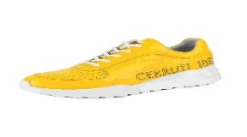 | YELLOW | 100% COW LEATHER | PORTUGAL | €136.00 | €326.00 | 1 | 1 |  |  | 1
CSSD00694M | 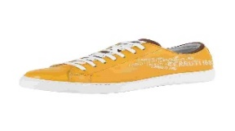 | BLACK | 100% COW LEATHER | PORTUGAL | €108.00 | €259.00 | 1 | 2 |  |  | 2
CSSD00733M | 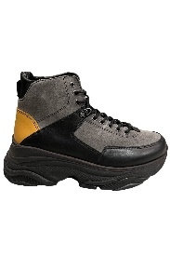 | BLACK | 100% CALF LEATHER | PORTUGAL | €172.00 | €413.00 | 1 | 1 |  |  | 1
CSSD00803M | 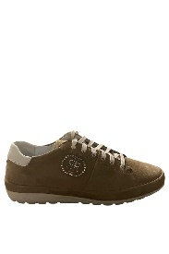 | BEIGE | 100% COW LEATHER | POLAND | €136.00 | €326.00 | 1 | 1 |  |  | 1
CSSD00803M | 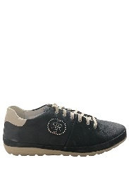 | BLACK | 100% COW LEATHER | POLAND | €136.00 | €326.00 | 1 | 1 |  |  | 1
CSSD00803M |  | BLUE | 100% COW LEATHER | POLAND | €136.00 | €326.00 | 1 | 2 |  |  | 2
CSSD00852M | 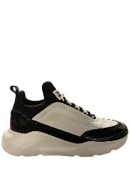 | BLACK | 100% COW LEATHER | PORTUGAL | €114.00 | €274.00 | 1 | 1 |  |  | 1
CSSD00852M |  | PINK | 100% COW LEATHER | PORTUGAL | €114.00 | €274.00 | 1 | 1 |  |  | 1
CSSD00865M | 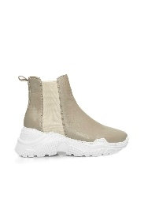 | BEIGE | 100% COW LEATHER | PORTUGAL | €136.00 | €326.00 | 1 | 2 |  |  | 2
CSSD00865M | 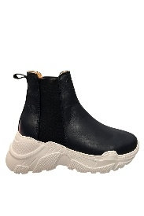 | BLUE | 100% COW LEATHER | PORTUGAL | €136.00 | €326.00 | 1 | 2 |  |  | 2
CSSD00869M | 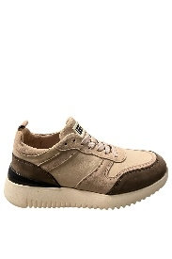 | BEIGE | 100% COW LEATHER | PORTUGAL | €136.00 | €326.00 | 1 | 2 |  |  | 2
CSSD00869M |  | BLACK | 100% COW LEATHER | PORTUGAL | €136.00 | €326.00 | 1 | 2 |  |  | 2
CSSD00886M | 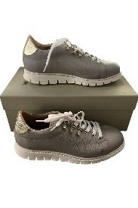 | BLUE | 90% CALF LEATHER 5% SHEEP LEATHER 5% ELASTANE | ITALY | €165.00 | €396.00 | 1 | 1 |  |  | 1
CSSD00886M |  | GREY | 90% CALF LEATHER 5% SHEEP LEATHER 5% ELASTANE | ITALY | €165.00 | €396.00 | 1 | 2 |  |  | 2
CSSD01007M | 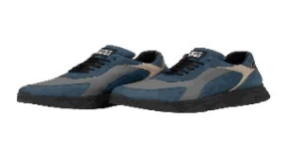 | BLACK | 100% COW LEATHER | PORTUGAL | €135.00 | €324.00 | 1 | 2 |  |  | 2
CSSD01031M | 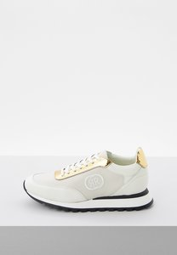 | BLUE | 100% COW LEATHER | PORTUGAL | €128.00 | €307.00 | 1 | 1 |  |  | 1
CSSD01031M |  | OPTICAL WHITE | 100% COW LEATHER | PORTUGAL | €128.00 | €307.00 | 1 | 1 | 1
CSSD01031M |  | WHITE GOLD | 100% COW LEATHER | PORTUGAL | €128.00 | €307.00 | 1 | 1 | 1
CSSD01036M | 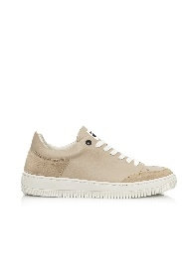 | BEIGE | 100% COW LEATHER | TURKEY | €135.00 | €324.00 | 1 | 2 |  |  | 2
CSSD01036M | 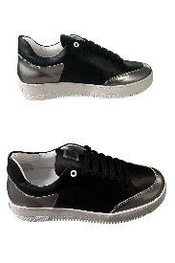 | BLACK | 100% COW LEATHER | TURKEY | €135.00 | €324.00 | 1 | 1 |  |  | 1
CSSD01065M | 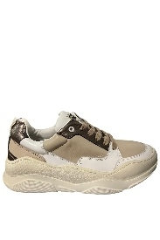 | BEIGE | 100% COW LEATHER | PORTUGAL | €142.00 | €341.00 | 1 | 1 |  |  | 1
CSSD01065M | 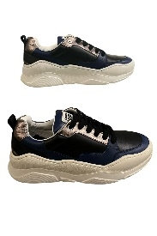 | BLACK | 100% COW LEATHER | PORTUGAL | €142.00 | €341.00 | 1 | 2 |  |  | 2
CSSD01087M | 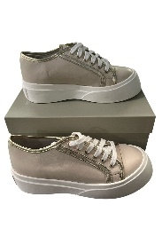 | BEIGE | 100% COW LEATHER | ITALY | €142.00 | €341.00 | 1 | 2 |  |  | 2
CSSD01087M | 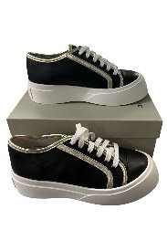 | BLACK | 100% COW LEATHER | ITALY | €142.00 | €341.00 | 1 | 1 |  |  | 1
CSSD01202M | 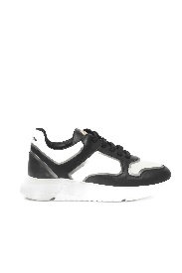 | BLACK | 100% COW LEATHER | TURKEY | €142.00 | €341.00 | 1 | 1 |  | 1
CSSD01206M | 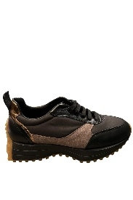 | BLACK | 70% CALF LEATHER 30% NYLON | TURKEY | €142.00 | €341.00 | 1 | 2 |  |  | 2
CSSD01206M |  | GREY | 70% CALF LEATHER 30% NYLON | TURKEY | €142.00 | €341.00 | 1 | 2 |  |  | 2
CSSD01207M | 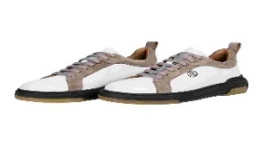 | BLACK | 100% COW LEATHER | TURKEY | €165.00 | €396.00 | 1 | 2 |  |  | 2
CSSD01208M | 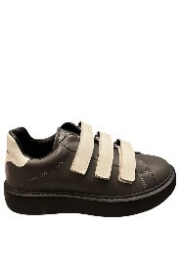 | GREY | 100% COW LEATHER | TURKEY | €142.00 | €341.00 | 1 | 2 |  |  | 2
CSSD01208M |  | WHITE | 100% COW LEATHER | TURKEY | €142.00 | €341.00 | 1 | 1 |  |  | 1
CSSD01209M | 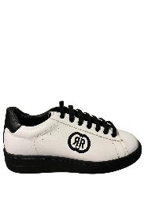 | BLACK | 100% COW LEATHER | TURKEY | €142.00 | €341.00 | 1 | 1 |  |  | 1
CSSD01209M |  | GREY | 100% COW LEATHER | TURKEY | €142.00 | €341.00 | 1 | 2 |  |  | 2
CSSD01209M |  | WHITE | 100% COW LEATHER | TURKEY | €142.00 | €341.00 | 1 | 1 |  |  | 1
CSSD01210F | 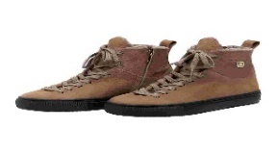 | TAUPE | 100% COW LEATHER | TURKEY | €165.00 | €396.00 | 1 | 1 |  | 1
CSSD01221N | 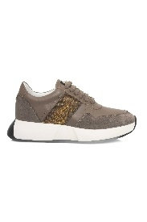 | TAUPE | 100% COW LEATHER | TURKEY | €165.00 | €396.00 | 1 | 1 |  | 1
CSSD01224F | 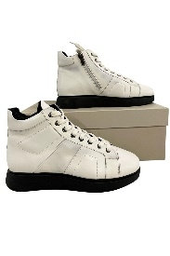 | WHITE | 100% COW LEATHER | TURKEY | €165.00 | €396.00 | 1 | 1 |  |  | 1
CSSU01101M |  | BLUE | 100% COW LEATHER | NO INFO | €142.00 | €341.00 | 3 | 5 |  |  |  | 1 |  |  | 3 |  | 1
CSSU00255M | 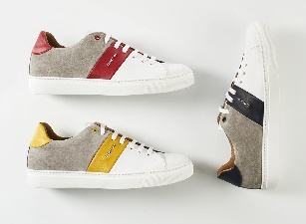 | YELLOW | 100% CALF LEATHER | ITALY | €183.00 | €439.00 | 1 | 1 |  |  |  |  |  | 1
CSSU00380P | 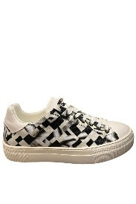 | WHITE | 70% POLYVINYL CHLORIDE 30% CALF LEATHER | PORTUGAL | €142.00 | €341.00 | 1 | 2 |  |  |  |  |  |  | 2
CSSU00381M |  | BLACK | 100% CALF LEATHER | PORTUGAL | €108.00 | €259.00 | 1 | 1 |  |  |  |  | 1
CSSU00433M | 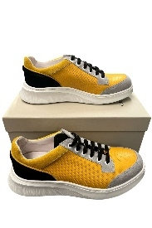 | RED | 100% CALF LEATHER | PORTUGAL | €136.00 | €326.00 | 1 | 2 |  |  |  |  |  |  | 2
CSSU00433M |  | YELLOW | 100% CALF LEATHER | PORTUGAL | €136.00 | €326.00 | 1 | 1 |  |  |  |  |  |  | 1
CSSU00438T | 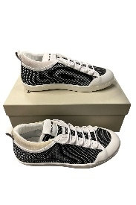 | WHITE | 90% POLYESTER 10% CALF LEATHER | PORTUGAL | €143.00 | €343.00 | 1 | 1 |  |  |  |  |  |  | 1
CSSU00439T | 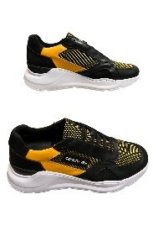 | YELLOW | 70% POLYESTER 30% CALF LEATHER | PORTUGAL | €125.00 | €300.00 | 1 | 1 |  |  |  |  |  | 1
CSSU00440T | 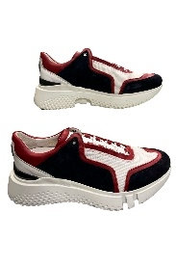 | BLUE | 50% POLYESTER 50% CALF LEATHER | PORTUGAL | €164.00 | €394.00 | 1 | 1 |  |  |  |  |  |  |  |  | 1
CSSU00442N | 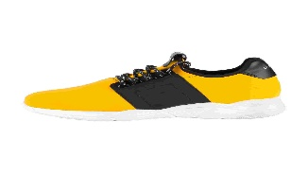 | YELLOW | 80% POLYESTER 20% CALF LEATHER | PORTUGAL | €129.00 | €310.00 | 1 | 1 |  |  |  |  |  |  | 1
CSSU00632M | 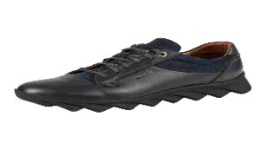 | BLACK | 100% CALF LEATHER | POLAND | €164.00 | €394.00 | 1 | 1 |  |  |  |  |  |  |  | 1
CSSU00650M | 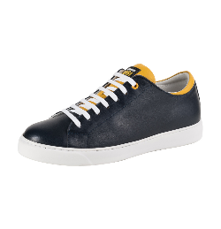 | BLUE | 100% CALF LEATHER | PORTUGAL | €108.00 | €259.00 | 1 | 1 |  |  |  |  |  |  | 1
CSSU00659P | 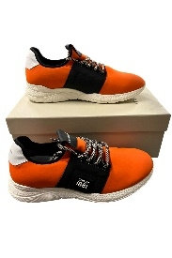 | ORANGE | 100% CALF LEATHER | PORTUGAL | €136.00 | €326.00 | 1 | 1 |  |  |  |  |  |  | 1
CSSU00664M |  | BLACK | 100% CALF LEATHER | PORTUGAL | €157.00 | €377.00 | 1 | 2 |  |  |  |  |  |  | 2
CSSU00664M |  | BLUE | 100% CALF LEATHER | PORTUGAL | €157.00 | €377.00 | 1 | 3 |  |  |  |  |  |  | 3
CSSU00668M |  | BLACK | 100% CALF LEATHER | PORTUGAL | €108.00 | €259.00 | 1 | 2 |  |  |  |  |  |  | 2
CSSU00668M |  | GREY | 100% CALF LEATHER | PORTUGAL | €108.00 | €259.00 | 1 | 1 |  |  |  |  |  |  | 1
CSSU00677M |  | BLUE | 100% CALF LEATHER | TURKEY | €136.00 | €326.00 | 1 | 2 |  |  |  |  |  |  | 2
CSSU00731M |  | BURGUNDY | 100% COW LEATHER | POLAND | €142.00 | €341.00 | 1 | 1 |  |  |  |  |  |  | 1
CSSU00737M |  | BROWN | 100% CALF LEATHER | PORTUGAL | €132.00 | €317.00 | 1 | 2 |  |  |  |  |  |  | 2
CSSU00737M |  | BURGUNDY | 100% CALF LEATHER | PORTUGAL | €132.00 | €317.00 | 1 | 1 |  |  |  |  |  |  | 1
CSSU00755M |  | GREY | 100% CALF LEATHER | PORTUGAL | €142.00 | €341.00 | 1 | 2 |  |  |  |  |  |  | 2
CSSU00776P |  | BURGUNDY | 100% CALF LEATHER | TURKEY | €142.00 | €341.00 | 1 | 2 |  |  |  |  |  |  | 2
CSSU00796M |  | BROWN | 100% CALF LEATHER | TURKEY | €136.00 | €326.00 | 1 | 1 |  |  |  |  |  |  | 1
CSSU00801M |  | BLUE | 100% CALF LEATHER | PORTUGAL | €136.00 | €326.00 | 1 | 1 |  |  |  |  |  |  | 1
CSSU00834M |  | BLACK | 100% COW LEATHER | PORTUGAL | €114.00 | €274.00 | 1 | 1 |  |  |  |  |  |  |  |  | 1
CSSU00848M |  | BLACK | 60% CALF 40% POLYURETHANE | ITALY | €157.00 | €377.00 | 1 | 2 |  |  |  |  |  |  | 2
CSSU00848M |  | BLUE | 60% CALF 40% POLYURETHANE | ITALY | €157.00 | €377.00 | 1 | 1 |  |  |  |  |  |  | 1
CSSU00848M |  | GREY | 60% CALF 40% POLYURETHANE | ITALY | €157.00 | €377.00 | 1 | 2 |  |  |  |  |  |  | 2
CSSU00861M |  | ORANGE | 100% COW LEATHER | PORTUGAL | €113.00 | €271.00 | 1 | 2 |  |  |  |  |  |  | 2
CSSU00861M |  | YELLOW | 100% COW LEATHER | PORTUGAL | €113.00 | €271.00 | 1 | 1 |  |  |  |  |  |  | 1
CSSU00862M |  | BEIGE | 100% COW LEATHER | PORTUGAL | €122.00 | €293.00 | 1 | 2 |  |  |  |  |  |  | 2
CSSU00959M |  | BLACK | 100% CALF LEATHER | POLAND | €142.00 | €341.00 | 1 | 2 |  |  |  |  |  |  | 2
CSSU00960M |  | BLUE | 100% CALF LEATHER | POLAND | €142.00 | €341.00 | 1 | 3 |  |  |  |  |  |  | 3
CSSU00986F |  | BROWN | 100% COW LEATHER | TURKEY | €125.00 | €300.00 | 1 | 1 |  |  |  |  | 1
CSSU00986M |  | BROWN | 100% CALF LEATHER | TURKEY | €140.00 | €336.00 | 1 | 2 |  |  |  |  |  |  | 2
CSSU00993M |  | BLUE | 100% CALF LEATHER | PORTUGAL | €142.00 | €341.00 | 1 | 1 |  |  |  |  |  |  | 1
CSSU01049P |  | BLUE | 80% POLYURETHANE 20% CALF LEATHER | SPAIN | €129.00 | €310.00 | 1 | 1 |  |  |  | 1
CSSU01049T |  | BLACK | 80% POLYESTER 20% CALF LEATHER | SPAIN | €127.00 | €305.00 | 1 | 3 |  |  |  |  |  |  | 3
CSSU01049T |  | BLUE | 80% POLYESTER 20% CALF LEATHER | SPAIN | €127.00 | €305.00 | 1 | 1 |  |  |  |  |  |  |  | 1
CSSU01064M |  | WHITE | 100% COW LEATHER | PORTUGAL | €171.00 | €410.00 | 1 | 1 |  |  |  |  |  |  | 1
CSSU01080M |  | BLUE | 100% COW LEATHER | ITALY | €136.00 | €326.00 | 1 | 1 |  |  |  |  |  |  | 1
CSSU01093M |  | BLUE | 60% CALF LEATHER 40% NYLON | PORTUGAL | €135.00 | €324.00 | 1 | 1 |  |  |  |  |  |  |  | 1
CSSU01103T |  | BEIGE | 100% COTTON | PORTUGAL | €142.00 | €341.00 | 1 | 1 |  |  |  |  |  |  | 1
CSSU01103T |  | BLUE | 100% COTTON | PORTUGAL | €142.00 | €341.00 | 1 | 1 |  |  |  |  |  |  | 1
CSSU01112M |  | BLACK | 100% COW LEATHER | PORTUGAL | €172.00 | €413.00 | 1 | 1 |  |  |  |  |  |  | 1
CSSU01128M |  | BLUE | 70% COW LEATHER 30% NYLON | PORTUGAL | €128.00 | €307.00 | 1 | 1 |  |  |  |  |  |  | 1
CSSU01154M |  | WHITE | 100% CALF LEATHER | TURKEY | €122.00 | €293.00 | 1 | 1 |  |  |  |  |  |  | 1
CSSU01156M |  | BLACK | 100% CALF LEATHER | TURKEY | €136.00 | €326.00 | 1 | 2 |  |  |  |  |  | 2
CSSU01188M |  | BLACK | 100% COW LEATHER | TURKEY | €142.00 | €341.00 | 1 | 1 |  |  |  |  |  |  | 1
CSSU01228M |  | WHITE | 100% COW LEATHER | TURKEY | €165.00 | €396.00 | 1 | 1 |  |  |  |  |  |  | 1
CSSD00898M |  | BLUE | 100% GOAT FUR | SPAIN | €121.00 | €290.00 | 2 | 2 |  |  | 1 | 1
CSSD00898M |  | BEIGE | 100% GOAT FUR | SPAIN | €121.00 | €290.00 | 1 | 2 |  |  | 2
CSSD00898M |  | PINK | 100% GOAT FUR | SPAIN | €121.00 | €290.00 | 1 | 2 |  |  | 2
CSSD00480V |  | PINK | 50% COW LEATHER 50% GOAT LEATHER | PORTUGAL | €205.00 | €492.00 | 1 | 1 |  |  | 1
CSSD00484M |  | BLACK | 100% GOAT FUR | PORTUGAL | €213.00 | €511.00 | 1 | 2 |  |  | 2
CSSD00503M |  | BLACK | 100% CALF LEATHER | ITALY | €150.00 | €360.00 | 1 | 2 |  |  | 2
CSSD00504M |  | RED | 100% CALF LEATHER | ITALY | €150.00 | €360.00 | 1 | 2 |  |  | 2
CSSD00505M |  | BLUE | 100% CALF LEATHER | ITALY | €150.00 | €360.00 | 1 | 3 |  |  | 3
CSSD00509M |  | RED | 100% CALF LEATHER | ITALY | €157.00 | €377.00 | 1 | 7 |  |  | 7
CSSD00511M |  | YELLOW | 100% CALF LEATHER | ITALY | €161.00 | €386.00 | 1 | 4 |  |  | 4
CSSD00514M |  | BLUE | 100% CALF LEATHER | ITALY | €179.00 | €430.00 | 1 | 1 |  |  | 1
CSSD00514M |  | IVORY | 100% CALF LEATHER | ITALY | €179.00 | €430.00 | 1 | 1 |  |  | 1
CSSD00514M |  | RED | 100% CALF LEATHER | ITALY | €179.00 | €430.00 | 1 | 1 |  |  | 1
CSSD00641M |  | BLUE | 100% CALF LEATHER | TURKEY | €136.00 | €326.00 | 1 | 2 |  |  | 2
CSSD00643M |  | BRONZE | 100% CALF LEATHER | TURKEY | €136.00 | €326.00 | 1 | 1 |  |  | 1
CSSD00660M |  | TAUPE | 100% GOAT FUR | SPAIN | €136.00 | €326.00 | 1 | 1 |  |  | 1
CSSD00683M |  | BLUE | 100% GOAT FUR | POLAND | €136.00 | €326.00 | 1 | 2 |  |  | 2
CSSD00689M |  | RED | 100% COW LEATHER | ITALY | €100.00 | €240.00 | 1 | 1 |  |  | 1
CSSD00691M |  | BLUE | 100% PVC | ITALY | €100.00 | €240.00 | 1 | 2 |  |  | 2
CSSD00691M |  | YELLOW | 100% PVC | ITALY | €100.00 | €240.00 | 1 | 1 |  |  | 1
CSSD00815M |  | BLUE | 100% GOAT FUR | SPAIN | €113.00 | €271.00 | 1 | 2 |  |  | 2
CSSD00817M |  | GREY | 100% GOAT FUR | SPAIN | €114.00 | €274.00 | 1 | 2 |  |  | 2
CSSD00818M |  | RED | 100% GOAT FUR | SPAIN | €136.00 | €326.00 | 1 | 1 |  |  | 1
CSSD00819M |  | BLUE | 100% LAMB | SPAIN | €114.00 | €274.00 | 1 | 1 |  |  | 1
CSSD00819M |  | GREY | 100% LAMB | SPAIN | €114.00 | €274.00 | 1 | 1 |  |  | 1
CSSD00820M |  | BLUE | 100% GOAT FUR | SPAIN | €122.00 | €293.00 | 1 | 3 |  |  | 3
CSSD00831M |  | BRANDY | 100% CALF LEATHER | PORTUGAL | €122.00 | €293.00 | 1 | 2 |  |  | 2
CSSD00831M |  | RED | 100% CALF LEATHER | PORTUGAL | €122.00 | €293.00 | 1 | 1 |  |  | 1
CSSD00841M |  | BEIGE | 100% COW LEATHER | ITALY | €65.00 | €156.00 | 1 | 1 |  |  | 1
CSSD00841M |  | PINK | 100% COW LEATHER | ITALY | €65.00 | €156.00 | 1 | 1 |  |  | 1
CSSD00841M |  | WHITE | 100% COW LEATHER | ITALY | €65.00 | €156.00 | 1 | 1 |  |  | 1
CSSD00842M |  | BLUE | 100% COW LEATHER | ITALY | €70.00 | €168.00 | 1 | 1 |  |  | 1
CSSD00842M |  | GREEN | 100% COW LEATHER | ITALY | €70.00 | €168.00 | 1 | 1 |  |  | 1
CSSD00842M |  | RED | 100% COW LEATHER | ITALY | €70.00 | €168.00 | 1 | 1 |  |  | 1
CSSD00871M |  | TAN | 100% SHEEP LEATHER | ITALY | €157.00 | €377.00 | 1 | 1 |  |  | 1
CSSD00872M |  | BLUE | 100% SHEEP LEATHER | ITALY | €151.00 | €362.00 | 1 | 2 |  |  | 2
CSSD00874M |  | BLACK | 100% COW LEATHER | ITALY | €157.00 | €377.00 | 1 | 1 |  |  | 1
CSSD00899M |  | BLUE | 100% LAMB | SPAIN | €121.00 | €290.00 | 1 | 1 |  |  | 1
CSSD00899M |  | GREEN | 100% LAMB | SPAIN | €121.00 | €290.00 | 1 | 1 |  |  | 1
CSSD01072M |  | WHITE | 100% SHEEP LEATHER | SPAIN | €133.00 | €319.00 | 1 | 1 |  |  | 1
CSSU01522M |  | BLACK | 100% COW LEATHER | PAKISTAN | €93.00 | €223.00 | 6 | 297 |  |  |  |  | 26 | 58 | 80 | 80 | 41 | 12
CSSU01522M |  | BROWN | 100% COW LEATHER | PAKISTAN | €93.00 | €223.00 | 6 | 56 |  |  |  |  | 7 | 16 | 19 | 12 | 1 | 1
CSSU01523M |  | BLACK | 100% COW LEATHER | PAKISTAN | €93.00 | €223.00 | 6 | 56 |  |  |  |  | 5 | 15 | 16 | 17 | 1 | 2
CSSU01523M |  | BROWN | 100% COW LEATHER | PAKISTAN | €93.00 | €223.00 | 4 | 39 |  |  |  |  | 4 | 12 | 14 | 9
CSSU01525M |  | BLACK | 100% COW LEATHER | PAKISTAN | €93.00 | €223.00 | 6 | 361 |  |  |  |  | 30 | 60 | 98 | 91 | 60 | 22
CSSU01525M |  | BROWN | 100% COW LEATHER | PAKISTAN | €93.00 | €223.00 | 6 | 71 |  |  |  |  | 9 | 18 | 21 | 14 | 8 | 1
CSSU01521M |  | BROWN | 100% COW LEATHER | PAKISTAN | €85.00 | €204.00 | 5 | 60 |  |  |  |  | 3 | 11 | 22 | 22 | 2
CSSD00479V |  | RED | 100% CALF LEATHER | ITALY | €150.00 | €360.00 | 1 | 2 |  |  | 2
CSSD00479V |  | YELLOW | 100% CALF LEATHER | ITALY | €150.00 | €360.00 | 1 | 2 |  |  | 2
CSSD00502S |  | ICE | 100% GOAT FUR | ITALY | €128.00 | €307.00 | 1 | 1 |  |  | 1
CSSD00502S |  | RED | 100% GOAT FUR | ITALY | €128.00 | €307.00 | 1 | 1 |  |  | 1
CSSD00502S |  | YELLOW | 100% GOAT FUR | ITALY | €128.00 | €307.00 | 1 | 1 |  |  | 1
CSSD00506M |  | RED | 100% CALF LEATHER | ITALY | €168.00 | €403.00 | 1 | 1 |  |  | 1
CSSD00573M |  | BLACK | 100% COW LEATHER | PORTUGAL | €125.00 | €300.00 | 1 | 1 |  | 1
CSSD00638T |  | YELLOW | 100% POLYVINYL CHLORIDE | PORTUGAL | €136.00 | €326.00 | 1 | 1 |  |  | 1
CSSD00646M |  | TAN | 100% CALF LEATHER | TURKEY | €136.00 | €326.00 | 1 | 1 |  |  | 1
CSSD00647M |  | RED | 100% CALF LEATHER | TURKEY | €136.00 | €326.00 | 1 | 2 |  |  | 2
CSSD00648M |  | TAN | 100% CALF LEATHER | TURKEY | €136.00 | €326.00 | 1 | 2 |  |  | 2
CSSD00663M |  | BLACK | 100% LAMB | SPAIN | €136.00 | €326.00 | 1 | 1 |  |  | 1
CSSD00663M |  | BLUE | 100% LAMB | SPAIN | €136.00 | €326.00 | 1 | 1 |  |  | 1
CSSD00757M |  | GREY | 70% COW 30% GOAT | POLAND | €142.00 | €341.00 | 1 | 3 |  |  | 3
CSSD00827M |  | BEIGE | 100% CALF LEATHER | PORTUGAL | €100.00 | €240.00 | 1 | 2 |  |  | 2
CSSD00827M |  | BLACK | 100% CALF LEATHER | PORTUGAL | €100.00 | €240.00 | 1 | 1 |  |  | 1
CSSD00827M |  | BLUE | 100% CALF LEATHER | PORTUGAL | €100.00 | €240.00 | 1 | 1 |  |  | 1
CSSD00829M |  | BRANDY | 100% CALF LEATHER | PORTUGAL | €114.00 | €274.00 | 1 | 1 |  |  | 1
CSSD00829M |  | RED | 100% CALF LEATHER | PORTUGAL | €114.00 | €274.00 | 1 | 2 |  |  | 2
CSSD00830M |  | BLUE | 100% CALF LEATHER | PORTUGAL | €114.00 | €274.00 | 1 | 1 |  |  | 1
CSSD00830M |  | BRANDY | 100% CALF LEATHER | PORTUGAL | €114.00 | €274.00 | 1 | 2 |  |  | 2
CSSD00878M |  | BLUE | 100% CALF LEATHER | ITALY | €143.00 | €343.00 | 1 | 1 |  |  | 1
CSSD00880M |  | BLACK | 100% SHEEP LEATHER | ITALY | €157.00 | €377.00 | 1 | 1 |  |  | 1
CSSD00906M |  | OFF WHITE | 100% CALF LEATHER | ITALY | €169.00 | €406.00 | 1 | 1 |  | 1
CSSD00907M |  | BLUE | 100% CALF LEATHER | ITALY | €169.00 | €406.00 | 1 | 1 |  |  | 1
CSSD00937M |  | BURGUNDY | 100% CALF LEATHER | ITALY | €100.00 | €240.00 | 1 | 2 |  |  | 2
CSSD00938M |  | DARK BROWN | 100% CALF LEATHER | ITALY | €103.00 | €247.00 | 1 | 2 |  |  | 2
CSSD00945C |  | GREY | 100% CALF LEATHER | ITALY | €117.00 | €281.00 | 1 | 1 |  |  | 1
CSSD00947M |  | DARK BROWN | 100% CALF LEATHER | ITALY | €113.00 | €271.00 | 1 | 1 |  |  | 1
CSSD01005M |  | GREY | 100% COW LEATHER | PORTUGAL | €125.00 | €300.00 | 1 | 1 |  |  | 1
CSSD01075M |  | BEIGE | 100% SHEEP LEATHER | ITALY | €102.00 | €245.00 | 1 | 2 |  |  | 2
CSSD01076M |  | RED | 100% SHEEP LEATHER | ITALY | €108.00 | €259.00 | 1 | 1 |  |  | 1
CSSD01085M |  | PINK | 100% LAMB | ITALY | €142.00 | €341.00 | 1 | 1 |  |  | 1
CSSD01086M |  | BEIGE | 100% LAMB | ITALY | €132.00 | €317.00 | 1 | 2 |  |  | 2
CSSD01199M |  | BURGUNDY | 100% COW LEATHER | TURKEY | €142.00 | €341.00 | 1 | 1 |  |  | 1
CSSU00239M |  | RED | 100% CALF LEATHER | ITALY | €129.00 | €310.00 | 1 | 1 |  |  |  |  |  |  | 1
CSSU00586M |  | GREY | 100% CALF LEATHER | ITALY | €127.00 | €305.00 | 1 | 2 |  |  |  |  |  |  | 2
CSSU00697C |  | BROWN | 100% CALF LEATHER | TURKEY | €175.00 | €420.00 | 1 | 1 |  |  |  |  |  |  | 1
CSSU00859M |  | BLUE | 100% COW LEATHER | PORTUGAL | €94.00 | €226.00 | 1 | 2 |  |  |  |  |  |  | 2
CSSD00552M |  | BURGUNDY | 100% CALF LEATHER | ITALY | €185.00 | €444.00 | 1 | 1 |  |  | 1
CSSD00658M |  | RED | 100% GOAT FUR | SPAIN | €136.00 | €326.00 | 1 | 2 |  |  | 2
CSSD00882M |  | TAN | 100% SHEEP LEATHER | ITALY | €157.00 | €377.00 | 1 | 1 |  |  | 1
CSSD00890M |  | BLUE | 100% LAMB | ITALY | €136.00 | €326.00 | 1 | 1 |  |  | 1
CSSD00897M |  | GREY | 100% CALF LEATHER | POLAND | €136.00 | €326.00 | 1 | 1 |  |  | 1
CSSD00948M |  | BURGUNDY | 100% CALF LEATHER | ITALY | €113.00 | €271.00 | 1 | 2 |  |  | 2
CSSD01082M |  | YELLOW | 100% CALF LEATHER | ITALY | €142.00 | €341.00 | 1 | 1 |  |  | 1
CSSD00493M |  | BLUE | 100% CALF LEATHER | PORTUGAL | €105.00 | €252.00 | 1 | 2 |  |  | 2
CSSD00493M |  | IVORY | 100% CALF LEATHER | PORTUGAL | €105.00 | €252.00 | 1 | 1 |  |  | 1
CSSD00908M |  | BROWN | 100% SHEEP LEATHER | ITALY | €178.00 | €427.00 | 1 | 1 |  |  | 1
CSSD00908M |  | BURGUNDY | 100% SHEEP LEATHER | ITALY | €178.00 | €427.00 | 1 | 2 |  |  | 2
CSSD00974M |  | GREEN | 100% COW LEATHER | PORTUGAL | €111.00 | €266.00 | 1 | 1 |  |  | 1
CSSD01174M |  | BURGUNDY | 100% CALF LEATHER | PORTUGAL | €142.00 | €341.00 | 1 | 2 |  |  | 2
CSSD01195M |  | BLACK | 100% COW LEATHER | TURKEY | €136.00 | €326.00 | 1 | 1 |  |  | 1
CSSU00199M |  | TAN | 100% CALF LEATHER | PORTUGAL | €162.00 | €389.00 | 1 | 1 |  |  |  |  |  |  | 1
CSSU00244S |  | BLUE | 100% CALF LEATHER | ITALY | €157.00 | €377.00 | 1 | 1 |  |  |  |  |  |  | 1
CSSU00316M |  | GREY | 100% CALF LEATHER | ITALY | €175.00 | €420.00 | 1 | 1 |  |  |  |  |  |  | 1
CSSU00343M |  | DARK BROWN | 100% CALF LEATHER | PORTUGAL | €119.00 | €286.00 | 1 | 1 |  |  |  |  |  |  | 1
CSSU00450M |  | BLACK | 100% CALF LEATHER | ITALY | €150.00 | €360.00 | 1 | 2 |  |  |  |  |  |  | 2
CSSU00450M |  | BROWN | 100% CALF LEATHER | ITALY | €150.00 | €360.00 | 1 | 1 |  |  |  |  |  |  | 1
CSSU00450P |  | BLUE | 100% CALF LEATHER | ITALY | €150.00 | €360.00 | 1 | 2 |  |  |  |  |  |  | 2
CSSU00672M |  | BLUE | 100% CALF LEATHER | TURKEY | €136.00 | €326.00 | 1 | 3 |  |  |  |  |  |  | 3
CSSU00672M |  | DARK BROWN | 100% CALF LEATHER | TURKEY | €136.00 | €326.00 | 1 | 1 |  |  |  |  |  |  | 1
CSSU00673M |  | DARK BROWN | 100% CALF LEATHER | TURKEY | €136.00 | €326.00 | 1 | 3 |  |  |  |  |  |  | 3
CSSU00709M |  | BROWN | 100% CALF LEATHER | PORTUGAL | €189.00 | €454.00 | 1 | 2 |  |  |  |  |  |  | 2
CSSU00721M |  | GREY | 100% COW LEATHER | ITALY | €142.00 | €341.00 | 1 | 4 |  |  |  |  |  |  | 4
CSSU00724M |  | BROWN | 100% COW LEATHER | POLAND | €142.00 | €341.00 | 1 | 1 |  |  |  |  |  |  | 1
CSSU00728M |  | DARK BROWN | 100% COW LEATHER | POLAND | €142.00 | €341.00 | 1 | 1 |  |  |  |  |  |  | 1
CSSU00730M |  | BROWN | 100% COW LEATHER | POLAND | €161.00 | €386.00 | 1 | 1 |  |  |  |  |  |  | 1
CSSU00730M |  | BURGUNDY | 100% COW LEATHER | POLAND | €161.00 | €386.00 | 1 | 2 |  |  |  |  |  |  | 2
CSSU01021M |  | BLUE | 100% COW LEATHER | TURKEY | €122.00 | €293.00 | 1 | 3 |  |  |  |  |  |  | 3
CSSU01140M |  | BLACK | 100% CALF LEATHER | TURKEY | €119.00 | €286.00 | 1 | 3 |  |  |  |  |  |  | 3
CSSU01143S |  | TAUPE | 100% COW LEATHER | TURKEY | €122.00 | €293.00 | 1 | 1 |  |  |  |  |  |  | 1
CSSU01184M |  | BLACK | 100% COW LEATHER | TURKEY | €132.00 | €317.00 | 1 | 1 |  |  |  |  |  |  | 1
CSSD00386M |  | BURGUNDY | 100% CALF LEATHER | PORTUGAL | €114.00 | €274.00 | 1 | 1 |  | 1
CSSD00386M |  | GREY | 100% CALF LEATHER | PORTUGAL | €114.00 | €274.00 | 1 | 1 |  |  | 1
CSSD00487S |  | BEIGE | 100% CALF LEATHER | PORTUGAL | €98.00 | €235.00 | 1 | 1 |  |  | 1
CSSD00487S |  | PINK | 100% CALF LEATHER | PORTUGAL | €98.00 | €235.00 | 1 | 2 |  |  | 2
CSSD00487S |  | YELLOW | 100% CALF LEATHER | PORTUGAL | €98.00 | €235.00 | 1 | 2 |  |  | 2
CSSD00645M |  | BLUE | 100% CALF LEATHER | TURKEY | €136.00 | €326.00 | 1 | 1 |  |  | 1
CSSU01516M |  | GREY | 100% COW LEATHER | PAKISTAN | €95.00 | €228.00 | 3 | 18 |  |  |  |  |  | 10 | 5 | 3
CSSU00160M |  | BLACK | 100% CALF LEATHER | ITALY | €231.00 | €554.00 | 1 | 1 |  |  |  |  |  |  | 1
CSSD01189S |  | BLACK | 100% COW LEATHER | TURKEY | €142.00 | €341.00 | 2 | 3 | 2 | 1
CSSD00743M |  | BURGUNDY | 100% COW LEATHER | POLAND | €185.00 | €444.00 | 1 | 3 |  |  | 3
CSSD00744M |  | BLUE | 100% COW LEATHER | POLAND | €185.00 | €444.00 | 1 | 1 |  |  | 1
CSSD00744M |  | BURGUNDY | 100% COW LEATHER | POLAND | €185.00 | €444.00 | 1 | 1 |  |  | 1
CSSD00744M |  | GREEN | 100% COW LEATHER | POLAND | €185.00 | €444.00 | 1 | 2 |  |  | 2
CSSD00749M |  | GREEN | 100% COW LEATHER | POLAND | €205.00 | €492.00 | 1 | 1 |  |  | 1
CSSD00750M |  | BROWN | 90% COW LEATHER 10% RABBIT FUR | POLAND | €197.00 | €473.00 | 1 | 1 |  |  | 1
CSSD00750M |  | BURGUNDY | 90% COW LEATHER 10% RABBIT FUR | POLAND | €197.00 | €473.00 | 1 | 2 |  |  | 2
CSSD00751M |  | BURGUNDY | 100% COW LEATHER | POLAND | €213.00 | €511.00 | 1 | 1 |  |  | 1
CSSD00751M |  | GREEN | 100% COW LEATHER | POLAND | €213.00 | €511.00 | 1 | 3 |  |  | 3
CSSD00761M |  | BURGUNDY | 100% COW LEATHER | SPAIN | €142.00 | €341.00 | 1 | 3 |  |  | 3
CSSD00828M |  | BLUE | 100% CALF LEATHER | PORTUGAL | €136.00 | €326.00 | 1 | 2 |  |  | 2
CSSD00828M |  | GREY | 100% CALF LEATHER | PORTUGAL | €136.00 | €326.00 | 1 | 3 |  |  | 3
CSSD00887M |  | GREY | 100% GOAT FUR | ITALY | €215.00 | €516.00 | 1 | 1 |  |  | 1
CSSD00930S |  | BROWN | 80% CALF 20% POLYESTER | PORTUGAL | €117.00 | €281.00 | 1 | 1 |  |  | 1
CSSD00940M |  | BROWN | 100% CALF LEATHER | ITALY | €113.00 | €271.00 | 1 | 1 |  |  | 1
CSSD00942M |  | NAVY | 100% CALF LEATHER | ITALY | €114.00 | €274.00 | 1 | 1 |  |  | 1
CSSD00942M |  | GREY | 100% CALF LEATHER | ITALY | €114.00 | €274.00 | 1 | 1 |  |  | 1
CSSD00943M |  | BURGUNDY | 100% CALF LEATHER | ITALY | €121.00 | €290.00 | 1 | 1 |  |  | 1
CSSD00944M |  | BURGUNDY | 100% CALF LEATHER | ITALY | €135.00 | €324.00 | 1 | 2 |  |  | 2
CSSD00946M |  | GREY | 100% CALF LEATHER | ITALY | €142.00 | €341.00 | 1 | 2 |  |  | 2
CSSD01068M |  | GREY | 100% COW LEATHER | PORTUGAL | €142.00 | €341.00 | 1 | 1 |  | 1
CSSD01172M |  | BURGUNDY | 100% CALF LEATHER | PORTUGAL | €142.00 | €341.00 | 1 | 1 |  |  | 1
CSSD01173S |  | BEIGE | 100% CALF LEATHER | PORTUGAL | €142.00 | €341.00 | 1 | 1 |  |  | 1
CSSD01201F |  | GREY | 100% COW LEATHER | TURKEY | €165.00 | €396.00 | 1 | 1 |  |  | 1
CSSU00087M |  | DARK BROWN | 100% CALF LEATHER | PORTUGAL | €114.00 | €274.00 | 1 | 1 |  |  |  |  |  |  | 1
CSSU00706M |  | BLACK | 100% CALF LEATHER | TURKEY | €142.00 | €341.00 | 1 | 1 |  |  |  |  | 1
CSSU00707M |  | BLACK | 100% CALF LEATHER | PORTUGAL | €184.00 | €442.00 | 1 | 5 |  |  |  |  |  |  | 5
CSSU01123M |  | BROWN | 100% COW LEATHER | PORTUGAL | €132.00 | €317.00 | 1 | 1 |  |  |  | 1
CSSU01141M |  | GREY | 100% CALF LEATHER | TURKEY | €136.00 | €326.00 | 1 | 1 |  |  |  |  |  |  | 1
CSSU01213M |  | BROWN | 70% CALF 30% POLYESTER | PORTUGAL | €179.00 | €430.00 | 1 | 1 |  |  |  |  |  |  | 1

