Specification
 |  |  |  |  |  |  |  |  |  |  | 3254
SEASON | ARTICLE | IMAGE 1 | COLOR | COLOR DESCRIPTION | PRODUCT NAME | SUPPL. DESCRIPTION | COMPOSITION 1 | GENDER | WHS | RRP | QTY | XS | S | M | L | XL | XXL | 3XL | 4XL | 38 | 40 | 42 | 44 | 46 | 48 | 50 | 52 | 54
FW | 6554023D | 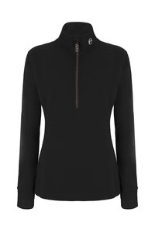 | 7 | BLACK | SWEATSHIRT | LUPO ZIP SANTIS | 100% POLYESTER | FEMALE | €26 | €69 | 1 |  | 1
FW | 6554025D | 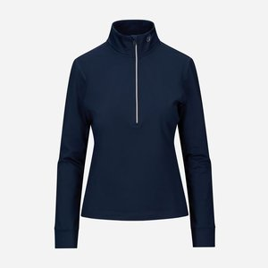 | 730 | DARK BLUE | SWEATSHIRT | LUPO ZIP KENASHI | 87% POLYESTER 13% ELASTANE | FEMALE | €21 | €55 | 1 |  | 1
SS 2026 | 6555D007B055 | 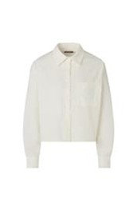 | 1706 | OFF WHITE | SHIRT | CAMICIA M/L BREBBIA | 100% COTTON | FEMALE | €30 | €85 | 23 | 5 | 5 | 5 | 5 | 3
SS 2026 | 6555D007B055 |  | 26 | AZZURRO CIELO | SHIRT | CAMICIA M/L BREBBIA | 100% COTTON | FEMALE | €30 | €85 | 15 | 3 | 3 | 3 | 3 | 3
SS 2026 | 6555U002B031 | 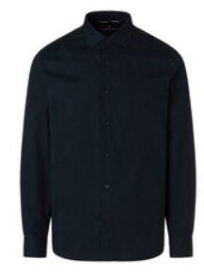 | 1706 | OFF WHITE | SHIRT | CAMICIA BELLEVUE | 97% COTTON 3% ELASTANE | MALE | €24 | €69 | 24 |  | 5 | 5 | 5 | 5 | 4
SS 2026 | 6555U002B031 | 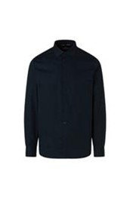 | 730 | BLU SCURO | SHIRT | CAMICIA BELLEVUE | 97% COTTON 3% ELASTANE | MALE | €24 | €69 | 24 |  | 5 | 5 | 5 | 5 | 4
FW | 6550082D | 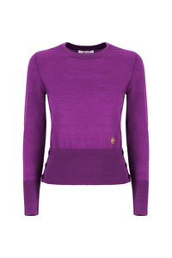 | 7072 | OLIVE | JUMPER | GIROCOLLO M/L CRILLON | 100% WOOL | FEMALE | €34 | €89 | 2 |  | 1 | 1
FW | 6550092D | 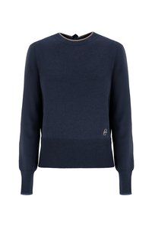 | 28 | ECRU | JUMPER | BARCHETTA BROMO | 35% POLYAMIDE 30% WOOL 30% VISCOSE 5% CASHMERE | FEMALE | €30 | €79 | 2 |  |  |  | 1 | 1
FW | 6550083D | 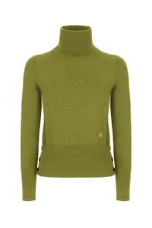 | 7072 | OLIVE | TURTLENECK | DOLCEVITA BRANCO | 100% WOOL | FEMALE | €34 | €89 | 2 | 1 |  | 1
FW | 6550091D | 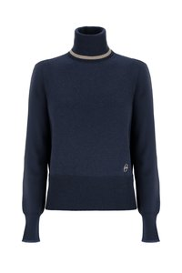 | 159 | CAMEL | TURTLENECK | DOLCEVITA MERAPI | 35% POLYAMIDE 30% WOOL 30% VISCOSE 5% CASHMERE | FEMALE | €32 | €85 | 2 | 1 |  | 1
FW | 6550091D |  | 7 | BLACK | TURTLENECK | DOLCEVITA MERAPI | 35% POLYAMIDE 30% WOOL 30% VISCOSE 5% CASHMERE | FEMALE | €32 | €85 | 1 |  |  |  | 1
FW | 6550077U | 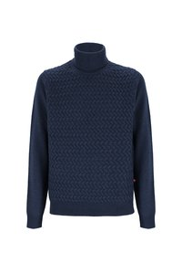 | 459 | DARK GREY/MELANGE | TURTLENECK | DOLCEVITA MARMOLADA | 35% POLYAMIDE 30% VISCOSE 30% WOOL 5% CASHMERE | MALE | €41 | €109 | 1 |  | 1
FW | 6550071U |  | 410 | GREY | JUMPER | APERTO C/ZIP TOURNETTE | 50% WOOL 50% ACRYLIC | MALE | €33 | €85 | 3 |  |  |  |  |  |  | 1 | 2
FW | 6547020D | 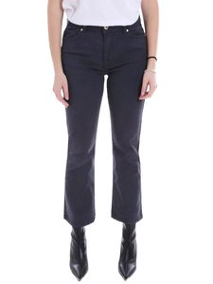 | 730 | DARK BLUE | JEANS | JEANS YOTEI | 98% COTTON 2% ELASTANE | FEMALE | €29 | €79 | 106 |  |  |  |  |  |  |  |  | 1 | 18 | 32 | 40 | 14 | 1
FW | 6547019D | 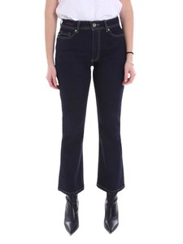 | 730 | DARK BLUE | JEANS | JEANS BESSAN | 98% COTTON 2% ELASTANE | FEMALE | €28 | €79 | 333 |  |  |  |  |  |  |  |  |  | 28 | 87 | 98 | 77 | 43
FW | 6547020D | 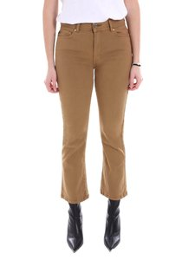 | 263 | TOBACCO | JEANS | JEANS YOTEI | 98% COTTON 2% ELASTANE | FEMALE | €29 | €79 | 29 |  |  |  |  |  |  |  |  |  | 1 | 7 | 12 | 7 | 2
FW | 6547020D | 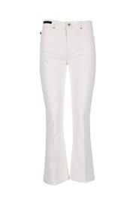 | 28 | ECRU | JEANS | JEANS YOTEI | 98% COTTON 2% ELASTANE | FEMALE | €29 | €79 | 85 |  |  |  |  |  |  |  |  | 1 | 39 | 2 | 15 | 28
FW | 6547020D | 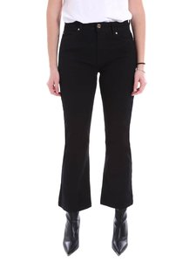 | 7 | BLACK | JEANS | JEANS YOTEI | 98% COTTON 2% ELASTANE | FEMALE | €29 | €79 | 58 |  |  |  |  |  |  |  |  |  |  | 15 | 23 | 20
SS 2026 | 6548D009B042 | 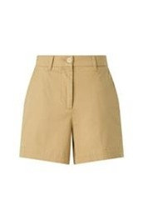 | 1706 | OFF WHITE | SHORTS | SHORTS BORMIO | 97% COTTON 3% ELASTANE | FEMALE | €30 | €89 | 16 |  |  |  |  |  |  |  |  | 4 | 4 | 4 | 4
SS 2026 | 6548D009B042 |  | 7 | NERO | SHORTS | SHORTS BORMIO | 97% COTTON 3% ELASTANE | FEMALE | €30 | €89 | 16 |  |  |  |  |  |  |  |  | 4 | 4 | 4 | 4
SS 2026 | 6548U006B044 | 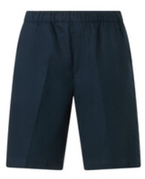 | 1706 | OFF WHITE | BERMUDA | BERMUDA COULISSE BAKU | 55% FLAX 45% COTTON | MALE | €35 | €109 | 25 |  |  |  |  |  |  |  |  |  |  |  |  | 5 | 5 | 5 | 5 | 5
SS 2026 | 6548U006B044 |  | 7072 | OLIVA | BERMUDA | BERMUDA COULISSE BAKU | 55% FLAX 45% COTTON | MALE | €35 | €109 | 15 |  |  |  |  |  |  |  |  |  |  |  |  | 3 | 3 | 3 | 3 | 3
SS 2026 | 6548U006B044 |  | 7099 | SABBIA | BERMUDA | BERMUDA COULISSE BAKU | 55% FLAX 45% COTTON | MALE | €35 | €109 | 15 |  |  |  |  |  |  |  |  |  |  |  |  | 3 | 3 | 3 | 3 | 3
SS 2026 | 6548U006B044 | 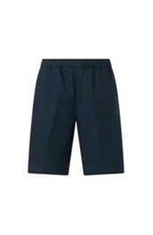 | 730 | BLU SCURO | BERMUDA | BERMUDA COULISSE BAKU | 55% FLAX 45% COTTON | MALE | €35 | €109 | 25 |  |  |  |  |  |  |  |  |  |  |  |  | 5 | 5 | 5 | 5 | 5
SS 2026 | 6547D010B042 | 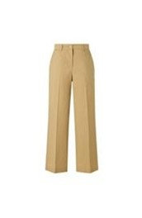 | 1706 | OFF WHITE | PANTS | CHINO BORGOMANERO | 97% COTTON 3% ELASTANE | FEMALE | €37 | €109 | 25 |  |  |  |  |  |  |  |  | 5 | 5 | 5 | 5 | 5
SS 2026 | 6547D010B042 |  | 7 | NERO | PANTS | CHINO BORGOMANERO | 97% COTTON 3% ELASTANE | FEMALE | €37 | €109 | 15 |  |  |  |  |  |  |  |  | 3 | 3 | 3 | 3 | 3
SS 2026 | 6547D010B042 |  | 7099 | SABBIA | PANTS | CHINO BORGOMANERO | 97% COTTON 3% ELASTANE | FEMALE | €37 | €109 | 15 |  |  |  |  |  |  |  |  | 3 | 3 | 3 | 3 | 3
SS 2026 | 6547D013B035 | 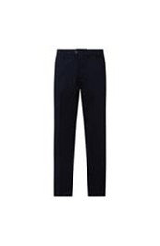 | 730 | BLU SCURO | PANTS | CHINO BOSA | 97% COTTON 3% ELASTANE | FEMALE | €38 | €109 | 15 |  |  |  |  |  |  |  |  | 3 | 3 | 3 | 3 | 3
SS 2026 | 6547U003B029 |  | 730 | BLU SCURO | PANTS | CHINO BALI | 84% POLYAMIDE 16% ELASTANE | MALE | €45 | €129 | 25 |  |  |  |  |  |  |  |  |  |  |  |  | 5 | 5 | 5 | 5 | 5
SS 2026 | 6547U008B044 | 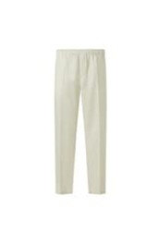 | 1706 | OFF WHITE | PANTS | CHINO COULISSE BALBOA | 55% FLAX 45% COTTON | MALE | €38 | €109 | 26 |  |  |  |  |  |  |  |  |  |  |  |  | 5 | 5 | 6 | 5 | 5
SS 2026 | 6547U008B044 |  | 7099 | SABBIA | PANTS | CHINO COULISSE BALBOA | 55% FLAX 45% COTTON | MALE | €38 | €109 | 15 |  |  |  |  |  |  |  |  |  |  |  |  | 3 | 3 | 3 | 3 | 3
SS 2026 | 6547U008B044 |  | 730 | BLU SCURO | PANTS | CHINO COULISSE BALBOA | 55% FLAX 45% COTTON | MALE | €38 | €109 | 25 |  |  |  |  |  |  |  |  |  |  |  |  | 5 | 5 | 5 | 5 | 5
FW | 6532039D | 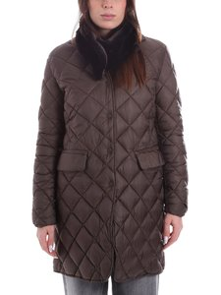 | 364 | COFFEE | DOWN JACKET | GIACCONE ELBRUS | 45% POLYESTER 55% POLYAMIDE | FEMALE | €92 | €235 | 90 | 2 | 15 | 22 | 29 | 15 | 7
FW | 6532040D | 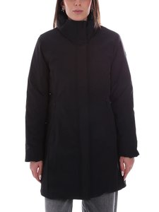 | 7 | BLACK | DOWN JACKET | GIACCONE RAINIER | 88% POLYAMIDE 12% ELASTANE | FEMALE | €78 | €209 | 846 | 48 | 139 | 187 | 196 | 184 | 92
FW | 6532045D | 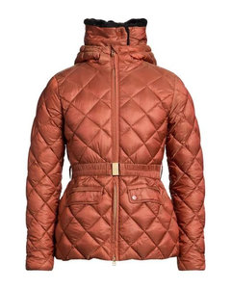 | 250 | BURNT | DOWN JACKET | GIACCONE BIANCO | 45% POLYESTER 55% POLYAMIDE | FEMALE | €92 | €239 | 126 | 3 | 14 | 20 | 40 | 35 | 14
FW | 6531095D | 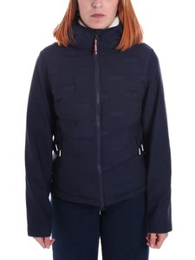 | 730 | DARK BLUE | DOWN JACKET | GIUBBINO BAKER | 100% POLYESTER | FEMALE | €59 | €155 | 99 |  | 6 | 43 | 39 | 7 | 4
FW | 6532039D | 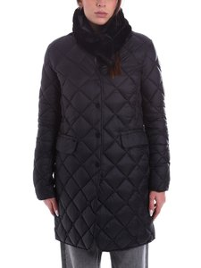 | 7 | BLACK | DOWN JACKET | GIACCONE ELBRUS | 45% POLYESTER 55% POLYAMIDE | FEMALE | €92 | €235 | 96 |  | 11 | 22 | 25 | 22 | 16
FW | 6532040D | 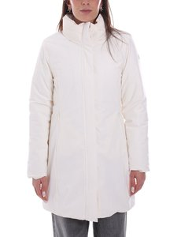 | 28 | ECRU | DOWN JACKET | GIACCONE RAINIER | 88% POLYAMIDE 12% ELASTANE | FEMALE | €78 | €209 | 155 |  | 23 | 22 | 30 | 40 | 40
FW | 6532045D | 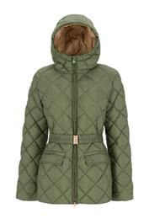 | 4 | GREEN | DOWN JACKET | GIACCONE BIANCO | 45% POLYESTER 55% POLYAMIDE | FEMALE | €92 | €239 | 93 |  | 19 | 8 | 26 | 34 | 6
FW | 6532045D | 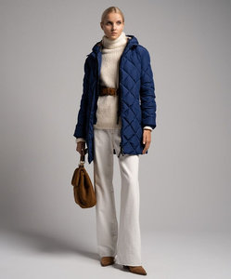 | 730 | DARK BLUE | DOWN JACKET | GIACCONE BIANCO | 45% POLYESTER 55% POLYAMIDE | FEMALE | €92 | €239 | 95 | 12 |  | 11 | 14 | 40 | 18
FW | 6531084D | 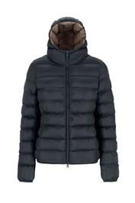 | 15 | DARK GREY | DOWN JACKET | GIUBBINO EVEREST | 100% POLYAMIDE | FEMALE | €40 | €109 | 229 |  |  | 86 | 79 | 48 | 16
FW | 6531095D | 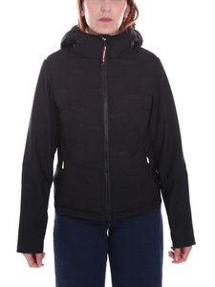 | 7 | BLACK | DOWN JACKET | GIUBBINO BAKER | 100% POLYESTER | FEMALE | €59 | €155 | 122 |  |  | 49 | 48 | 20 | 5
FW | 6532039D | 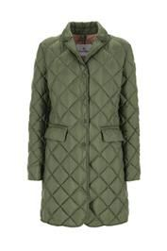 | 4 | GREEN | DOWN JACKET | GIACCONE ELBRUS | 45% POLYESTER 55% POLYAMIDE | FEMALE | €92 | €235 | 42 |  |  | 11 | 11 | 13 | 7
FW | 6531075D | 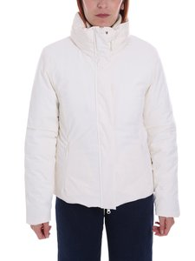 | 28 | ECRU | DOWN JACKET | GIUBBINO FUJI | 88% POLYAMIDE 12% ELASTANE | FEMALE | €71 | €185 | 48 |  | 2 | 10 |  | 36
FW | 6531085D | 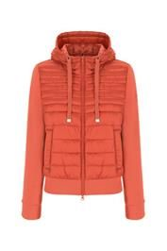 | 119 | CORAL | DOWN JACKET | GIUBBINO LOGAN | 100% POLYAMIDE | FEMALE | €30 | €79 | 90 |  | 30 | 30 | 30
FW | 6532039D | 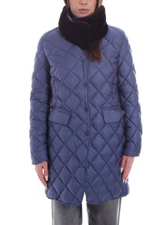 | 730 | DARK BLUE | DOWN JACKET | GIACCONE ELBRUS | 45% POLYESTER 55% POLYAMIDE | FEMALE | €92 | €235 | 66 |  |  | 22 | 33 | 11
FW | 6532045D | 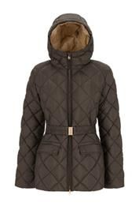 | 364 | COFFEE | DOWN JACKET | GIACCONE BIANCO | 45% POLYESTER 55% POLYAMIDE | FEMALE | €92 | €239 | 31 |  |  | 11 |  | 13 | 7
FW | 6532045D | 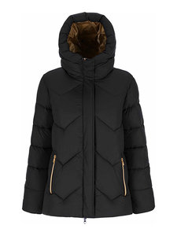 | 7 | BLACK | DOWN JACKET | GIACCONE BIANCO | 45% POLYESTER 55% POLYAMIDE | FEMALE | €92 | €239 | 25 |  |  |  | 4 | 16 | 5
FW | 6532039D | 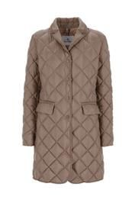 | 160 | DOVE GREY | DOWN JACKET | GIACCONE ELBRUS | 45% POLYESTER 55% POLYAMIDE | FEMALE | €92 | €235 | 11 |  |  | 6 | 5
FW | 6531084D | 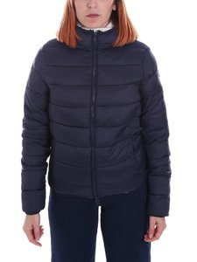 | 364 | 364 | DOWN JACKET | GIUBBINO EVEREST | 100% POLYAMIDE | FEMALE | €40 | €109 | 5 |  |  |  |  | 5

