Specification
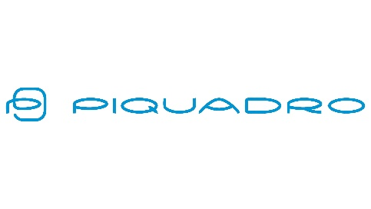
 |  |  |  |  |  |  |  | 15327
ARTICLE | IMAGE 1 | COLOR DESCRIPTION | PRODUCT NAME | SUPPL. DESCRIPTION | GENDER | WHS | RRP | QTY | S | M | L | XL | XXL | 3XL
7431103C281 |  | LIGHT BLUE | JACKET | GIUBBINO URBAN SHIELD | UNISEX | €99 | €279 | 125 | 8 | 22 | 49 | 26 | 9 | 11
7431103C281 |  | DARK BROWN | JACKET | GIUBBINO URBAN SHIELD | UNISEX | €99 | €279 | 373 | 24 | 71 | 142 | 71 | 19 | 46
7431103C281 |  | GREEN | JACKET | GIUBBINO URBAN SHIELD | UNISEX | €99 | €279 | 167 | 32 | 61 | 43 | 15 | 3 | 13
7431103C281 |  | GREY | JACKET | GIUBBINO URBAN SHIELD | UNISEX | €99 | €279 | 451 | 46 | 93 | 160 | 84 | 26 | 42
7431103C281 |  | BLUE | JACKET | GIUBBINO URBAN SHIELD | UNISEX | €99 | €279 | 906 | 107 | 221 | 288 | 140 | 59 | 91
7431103C281 |  | BLACK | JACKET | GIUBBINO URBAN SHIELD | UNISEX | €99 | €279 | 1343 | 156 | 332 | 323 | 278 | 119 | 135
7431104C013 | 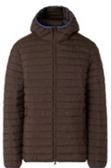 | LIGHT BLUE | JACKET | GIUBBINO AERO QUILT | UNISEX | €59 | €169 | 418 | 24 | 111 | 105 | 80 | 84 | 14
7431104C013 |  | LEATHER | JACKET | GIUBBINO AERO QUILT | UNISEX | €59 | €169 | 421 | 24 | 112 | 106 | 82 | 83 | 14
7431104C013 |  | GREEN | JACKET | GIUBBINO AERO QUILT | UNISEX | €59 | €169 | 431 | 18 | 127 | 124 | 41 | 77 | 44
7431104C013 |  | BLACK | JACKET | GIUBBINO AERO QUILT | UNISEX | €59 | €169 | 2284 | 170 | 575 | 580 | 436 | 494 | 29
7431104C013 |  | GREY | JACKET | GIUBBINO AERO QUILT | UNISEX | €59 | €169 | 314 | 27 | 115 | 70 | 34 | 68
7431104C013 |  | BEIGE | JACKET | GIUBBINO AERO QUILT | UNISEX | €59 | €169 | 217 | 32 | 71 | 53 |  | 57 | 4
7431104C013 |  | BLUE | JACKET | GIUBBINO AERO QUILT | UNISEX | €59 | €169 | 459 | 61 | 158 | 70 | 29 | 141
7431104C013 |  | DARK BROWN | JACKET | GIUBBINO AERO QUILT | UNISEX | €59 | €169 | 60 | 25 | 20 |  |  | 15
7431105C014 | 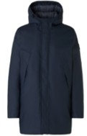 | ARMY | JACKET | GIUBBINO SOFT RUBBER | UNISEX | €99 | €279 | 642 | 67 | 125 | 213 | 120 | 45 | 72
7431105C014 |  | GREY | JACKET | GIUBBINO SOFT RUBBER | UNISEX | €99 | €279 | 643 | 68 | 126 | 213 | 119 | 44 | 73
7431105C014 |  | BLACK | JACKET | GIUBBINO SOFT RUBBER | UNISEX | €99 | €279 | 552 | 57 | 110 | 188 | 95 | 33 | 69
7431105C014 |  | BLUE | JACKET | GIUBBINO SOFT RUBBER | UNISEX | €99 | €279 | 364 | 44 | 76 | 139 | 47 |  | 58
7432051 |  | GREY | COAT | GIACCONE CITY CORE | UNISEX | €129 | €349 | 463 | 42 | 88 | 162 | 90 | 29 | 52
7432051 | 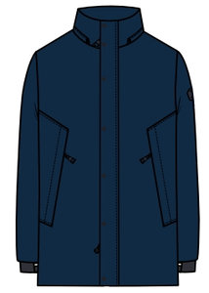 | BLUE | COAT | GIACCONE CITY CORE | UNISEX | €129 | €349 | 245 | 19 | 42 | 112 | 42 | 2 | 28
7432051 |  | BLACK | COAT | GIACCONE CITY CORE | UNISEX | €129 | €349 | 527 | 29 | 59 | 332 | 57 | 15 | 35
7432102C281 | 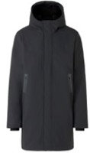 | GREEN | COAT | GIACCONE EXPLORER SHIELD | UNISEX | €119 | €335 | 241 | 26 | 66 | 67 | 44 | 20 | 18
7432102C281 |  | GREY | COAT | GIACCONE EXPLORER SHIELD | UNISEX | €119 | €335 | 444 | 32 | 88 | 162 | 88 | 32 | 42
7432102C281 |  | BLUE | COAT | GIACCONE EXPLORER SHIELD | UNISEX | €119 | €335 | 1414 | 141 | 313 | 451 | 264 | 117 | 128
7432102C281 |  | BLACK | COAT | GIACCONE EXPLORER SHIELD | UNISEX | €119 | €335 | 1562 | 156 | 345 | 487 | 301 | 133 | 140
7432102C281 |  | DARK BROWN | COAT | GIACCONE EXPLORER SHIELD | UNISEX | €119 | €335 | 261 | 12 | 49 | 119 | 53 |  | 28

