Accessories
 | Sub Category | Gender | Style Code | Style Colour | Style Description | Colour Description | Trade Price | Prices | Total | TTL GBP | _OS | _SM | _LXL
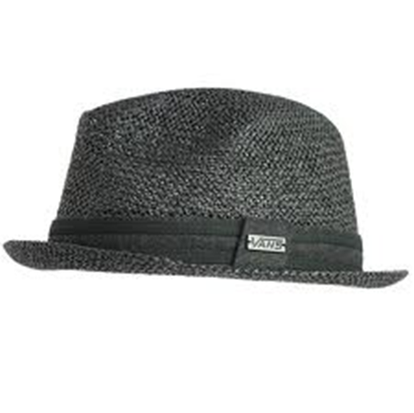 | VN M-Hats | Men | VO2U | VO2UBLK | M CLARENCE FEDORA | Black | € 16.00 | £6.20 | 228 | £1,414.34 |  | 149 | 79
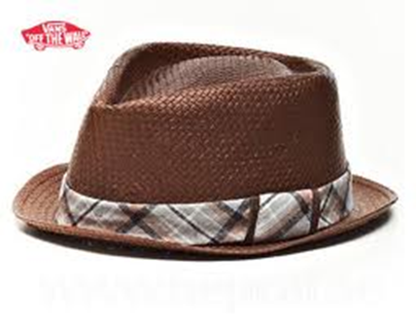 | VN M-Hats | Men | VNWG | VNWGBRO | M PROHIBITION FEDORA | Brown | € 13.70 | £5.50 | 361 | £1,985.50 |  | 188 | 173
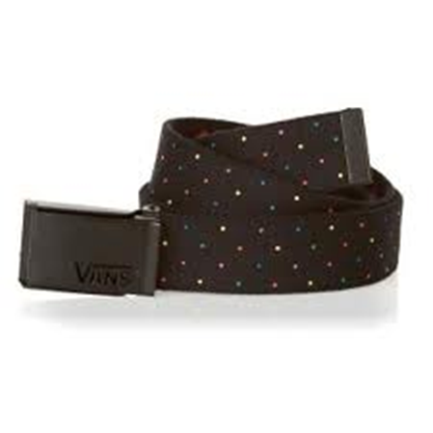 | VN W-Belts | Women | VO5A | VO5A5MA | DOUBLE TROUBLE BELT | Rainbow Dot | € 9.10 | £3.95 | 206 | £813.70 | 206
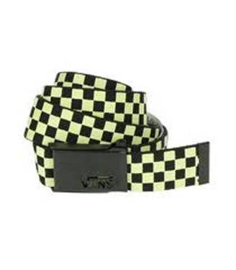 | VN W-Belts | Women | VO5A | VO5A7V0 | DOUBLE TROUBLE BELT | Glow | € 9.10 | £3.95 | 50 | £197.50 | 50
 | VN W-Other | Women | VMQU | VMQU438 | G VANS TRUCKER KEYCHAIN | Blue Pop | € 5.50 | £2.75 | 275 | £756.25 | 275
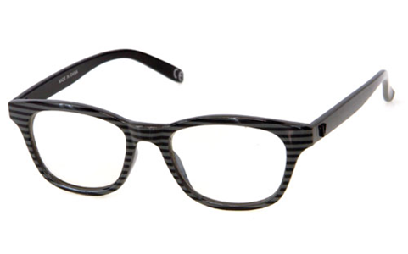 | VN W-Other | Women | VN2K | VN2KAHD | G FAKIE EYEGLASSES | Stripe | € 6.90 | £3.25 | 299 | £1,128.40 | 299
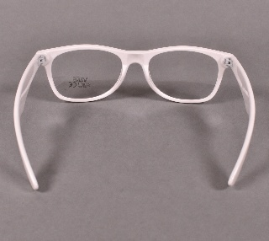 | VN W-Other | Women | VN2K | VN2K07F | G FAKIE EYEGLASSES | BRIGHT WHITE | € 6.90 | £3.25 | 242 | £812.00 | 242
 |  |  |  |  |  |  |  |  | 1661 | £5,167.29

PICS
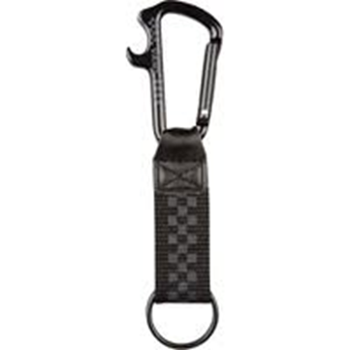

 |  | VMPWH82
VMQU438 |  |  |  | VO5A7VO |  | VN2KAHD

 |  |  |  |  | VO5AMA

 | VNWGBRO |  | VO2UBLK

