Specification
 |  |  |  |  |  |  |  |  |  |  |  |  |  | 2385
SEASON | IMAGE 1 | COLOR DESCRIPTION | PRODUCT NAME | SUPPL. CATEGORY | SUPPL. DESCRIPTION | COMPOSITION 1 | PARENT GROUP | GENDER | BRAND | MADE IN | WHS | RRP | SIZE COUNT | QTY | UN | XXS | XS | S | M | L | XL | XXL | 3XL | 4XL | 26 | 27 | 28 | 29 | 30 | 38 | 40 | 42 | 44 | 46 | 48 | 50 | 52 | 54
FW 2024 | 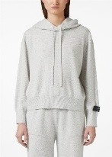 | LIGHT GREY MELANGE | SWEATSHIRT | 01 MAGLIERIA | MAGLIERIA | 70% FLEECE WOOL 30% CASHMERE | ADULT | FEMALE | ICEBERG | CHINA | €196.00 | €529.20 | 4 | 12 |  |  | 2 | 4 | 4 | 2
FW 2024 | 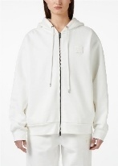 | ANTHRACITE | SWEATSHIRT | 05 FELPE | FELPE | 100% COTTON | ADULT | FEMALE | ICEBERG | TURKEY | €111.00 | €299.70 | 4 | 6 |  | 1 | 2 | 2 | 1
FW 2024 | 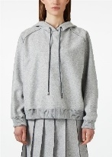 | LIGHT GREY MELANGE | SWEATSHIRT | 05 FELPE | FELPE | 50% POLYESTER 35% ACRYL 15% WOOL | ADULT | FEMALE | ICEBERG | ROMANIA | €144.00 | €388.80 | 4 | 5 |  |  |  |  |  |  |  |  |  |  |  |  |  |  |  | 1 | 2 | 1 |  | 1
FW 2024 |  | BLACK | SWEATSHIRT | 01 MAGLIERIA | MAGLIERIA | 70% FLEECE WOOL 30% CASHMERE | ADULT | FEMALE | ICEBERG | CHINA | €196.00 | €529.20 | 3 | 4 |  |  | 2 | 1 | 1
FW 2024 |  | OFF WHITE | SWEATSHIRT | 05 FELPE | FELPE | 100% COTTON | ADULT | FEMALE | ICEBERG | TURKEY | €111.00 | €299.70 | 3 | 3 |  |  | 1 | 1 | 1
FW 2023 | 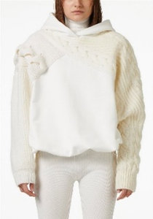 | IVORY | SWEATSHIRT | 05 FELPE | FELPE | 40% COTTON 30% WOOL 20% POLYAMID 10% OTHER FIBRES | ADULT | FEMALE | ICEBERG | ITALY | €256.00 | €691.20 | 2 | 4 |  |  |  |  |  |  |  |  |  |  |  |  |  |  |  | 2 | 2
FW 2024 | 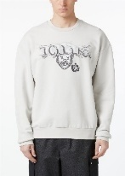 | BLACK | SWEATSHIRT | 05 FELPE | FELPE | 100% COTTON | ADULT | MALE | ICEBERG | ITALY | €100.00 | €270.00 | 6 | 11 |  |  |  | 1 | 4 | 2 | 2 | 1 | 1
SS 2024 | 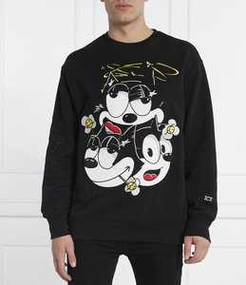 | WHITE | SWEATSHIRT | 05 FELPE | FELPE | 100% COTTON | ADULT | MALE | ICEBERG | TURKEY | €122.00 | €329.40 | 5 | 12 |  |  |  |  | 2 | 4 | 3 | 2 | 1
SS 2024 |  | BLACK | SWEATSHIRT | 05 FELPE | FELPE | 100% COTTON | ADULT | MALE | ICEBERG | TURKEY | €122.00 | €329.40 | 5 | 11 |  |  |  |  | 2 | 4 | 2 | 2 | 1
FW 2024 | 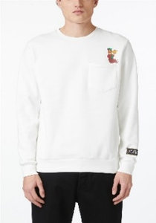 | BLACK | SWEATSHIRT | 05 FELPE | FELPE | 100% COTTON | ADULT | MALE | ICEBERG | TURKEY | €104.00 | €280.80 | 5 | 16 |  |  |  | 1 | 4 | 5 | 4 | 2
FW 2024 | 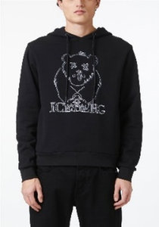 | PAPER BAG | SWEATSHIRT | 05 FELPE | FELPE | 100% COTTON | ADULT | MALE | ICEBERG | ITALY | €137.00 | €369.90 | 5 | 12 |  |  |  | 1 | 3 | 4 | 2 | 2
FW 2024 |  | BLACK | SWEATSHIRT | 05 FELPE | FELPE | 100% COTTON | ADULT | MALE | ICEBERG | ITALY | €137.00 | €369.90 | 5 | 17 |  |  |  | 2 | 4 | 4 | 4 | 3
FW 2024 | 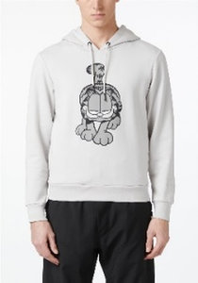 | ICE | SWEATSHIRT | 05 FELPE | FELPE | 100% COTTON | ADULT | MALE | ICEBERG | TURKEY | €111.00 | €299.70 | 5 | 14 |  |  |  | 2 | 4 | 2 | 4 | 2
FW 2024 |  | BLACK | SWEATSHIRT | 05 FELPE | FELPE | 100% COTTON | ADULT | MALE | ICEBERG | TURKEY | €111.00 | €299.70 | 5 | 11 |  |  |  | 2 | 4 | 1 | 2 | 2
FW 2024 | 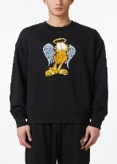 | BLACK | SWEATSHIRT | 05 FELPE | FELPE | 90% COTTON 10% POLYESTER | ADULT | MALE | ICEBERG | BULGARIA | €100.00 | €270.00 | 5 | 18 |  |  |  | 2 | 5 | 3 | 5 | 3
FW 2024 | 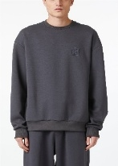 | ANTHRACITE | SWEATSHIRT | 05 FELPE | FELPE | 38% COTTON 37% MODAL 20% POLYESTER 5% ELASTAN | ADULT | MALE | ICEBERG | TURKEY | €80.00 | €216.00 | 5 | 14 |  |  |  | 1 | 5 | 2 | 5 | 1
FW 2024 | 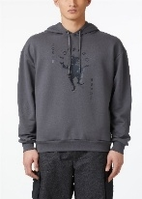 | ANTHRACITE | SWEATSHIRT | 05 FELPE | FELPE | 100% COTTON | ADULT | MALE | ICEBERG | TURKEY | €98.00 | €264.60 | 5 | 11 |  |  |  | 1 | 5 | 2 | 2 | 1
FW 2024 | 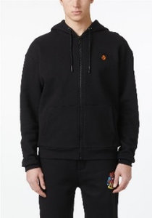 | OFF WHITE | SWEATSHIRT | 05 FELPE | FELPE | 100% COTTON | ADULT | MALE | ICEBERG | TURKEY | €133.00 | €359.10 | 5 | 12 |  |  |  | 1 | 4 | 3 | 3 | 1
FW 2024 |  | BLACK | SWEATSHIRT | 05 FELPE | FELPE | 100% COTTON | ADULT | MALE | ICEBERG | TURKEY | €133.00 | €359.10 | 5 | 19 |  |  |  | 2 | 5 | 5 | 5 | 2
FW 2024 | 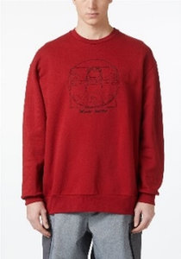 | ANTHRACITE | SWEATSHIRT | 05 FELPE | FELPE | 100% COTTON | ADULT | MALE | ICEBERG | BULGARIA | €111.00 | €299.70 | 5 | 19 |  |  |  | 2 | 5 | 4 | 5 | 3
SS 2024 | 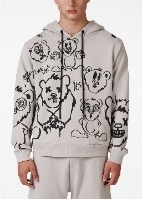 | ROPE | SWEATSHIRT | 05 FELPE | FELPE | 100% COTTON | ADULT | MALE | ICEBERG | ITALY | €137.00 | €369.90 | 4 | 7 |  |  |  |  | 3 | 2 | 1 | 1
FW 2024 | 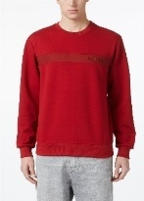 | BRICK RED | SWEATSHIRT | 05 FELPE | FELPE | 38% COTTON 37% MODAL 20% POLYESTER 5% ELASTAN | ADULT | MALE | ICEBERG | TURKEY | €89.00 | €240.30 | 4 | 8 |  |  |  |  | 3 | 2 | 2 | 1
FW 2024 | 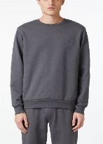 | GREY/GREEN | SWEATSHIRT | 05 FELPE | FELPE | 100% COTTON | ADULT | MALE | ICEBERG | TURKEY | €74.00 | €199.80 | 4 | 11 |  |  |  |  | 1 | 4 | 5 |  | 1
FW 2024 |  | OFF WHITE | SWEATSHIRT | 05 FELPE | FELPE | 100% COTTON | ADULT | MALE | ICEBERG | TURKEY | €104.00 | €280.80 | 4 | 10 |  |  |  |  | 2 | 3 | 3 | 2
FW 2024 |  | OLIVE GREEN | SWEATSHIRT | 05 FELPE | FELPE | 100% COTTON | ADULT | MALE | ICEBERG | TURKEY | €104.00 | €280.80 | 4 | 12 |  |  |  |  | 2 | 3 | 4 | 3
FW 2024 |  | ANTHRACITE | SWEATSHIRT | 05 FELPE | FELPE | 100% COTTON | ADULT | MALE | ICEBERG | TURKEY | €104.00 | €280.80 | 4 | 14 |  |  |  |  | 4 | 5 | 4 | 1
FW 2024 | 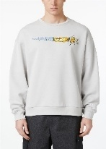 | BLACK | SWEATSHIRT | 05 FELPE | FELPE | 90% COTTON 10% POLYESTER | ADULT | MALE | ICEBERG | BULGARIA | €93.00 | €251.10 | 4 | 13 |  |  |  |  | 3 | 4 | 5 | 1
FW 2024 |  | BLACK | SWEATSHIRT | 05 FELPE | FELPE | 38% COTTON 37% MODAL 20% POLYESTER 5% ELASTAN | ADULT | MALE | ICEBERG | TURKEY | €80.00 | €216.00 | 4 | 11 |  |  |  | 1 | 4 | 3 | 3
FW 2024 | 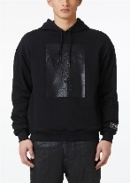 | ICE | SWEATSHIRT | 05 FELPE | FELPE | 100% COTTON | ADULT | MALE | ICEBERG | TURKEY | €111.00 | €299.70 | 4 | 11 |  |  |  |  | 4 | 2 | 4 | 1
FW 2024 | 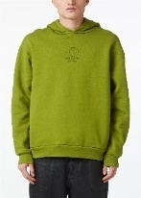 | OLIVE GREEN | SWEATSHIRT | 05 FELPE | FELPE | 100% COTTON | ADULT | MALE | ICEBERG | TURKEY | €104.00 | €280.80 | 4 | 10 |  |  |  | 1 | 5 | 2 | 2
FW 2024 | 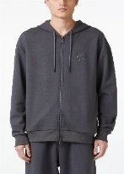 | ANTHRACITE | SWEATSHIRT | 05 FELPE | FELPE | 38% COTTON 37% MODAL 20% POLYESTER 5% ELASTAN | ADULT | MALE | ICEBERG | TURKEY | €122.00 | €329.40 | 4 | 7 |  |  |  | 1 | 2 | 3 | 1
FW 2024 | 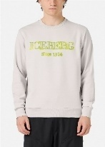 | ICE | SWEATSHIRT | 05 FELPE | FELPE | 100% COTTON | ADULT | MALE | ICEBERG | TURKEY | €85.00 | €229.50 | 4 | 10 |  |  |  |  | 3 | 3 | 3 | 1
FW 2024 |  | OFF WHITE | SWEATSHIRT | 05 FELPE | FELPE | 100% COTTON | ADULT | MALE | ICEBERG | BULGARIA | €111.00 | €299.70 | 4 | 9 |  |  |  | 1 | 2 | 2 | 4
FW 2024 |  | BRICK RED | SWEATSHIRT | 05 FELPE | FELPE | 100% COTTON | ADULT | MALE | ICEBERG | BULGARIA | €111.00 | €299.70 | 4 | 10 |  |  |  |  | 3 | 2 | 4 | 1
FW 2024 | 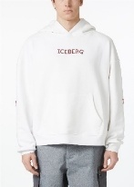 | OFF WHITE | SWEATSHIRT | 05 FELPE | FELPE | 100% COTTON | ADULT | MALE | ICEBERG | BULGARIA | €111.00 | €299.70 | 4 | 8 |  |  |  | 1 | 2 | 3 | 2
FW 2024 | 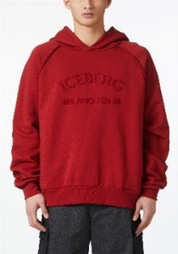 | ANTHRACITE | SWEATSHIRT | 05 FELPE | FELPE | 100% COTTON | ADULT | MALE | ICEBERG | BULGARIA | €122.00 | €329.40 | 4 | 11 |  |  |  |  | 4 | 4 | 2 | 1
FW 2024 |  | BLACK | SWEATSHIRT | 05 FELPE | FELPE | 100% COTTON | ADULT | MALE | ICEBERG | BULGARIA | €122.00 | €329.40 | 4 | 7 |  |  |  | 1 | 3 | 2 | 1
SS 2024 | 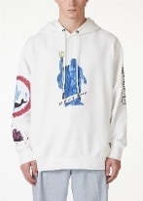 | BLACK | SWEATSHIRT | 05 FELPE | FELPE | 90% COTTON 10% POLYESTER | ADULT | MALE | ICEBERG | BULGARIA | €137.00 | €369.90 | 3 | 5 |  |  |  |  |  |  |  | 2 | 2 | 1
FW 2024 |  | BLACK | SWEATSHIRT | 05 FELPE | FELPE | 38% COTTON 37% MODAL 20% POLYESTER 5% ELASTAN | ADULT | MALE | ICEBERG | TURKEY | €89.00 | €240.30 | 3 | 3 |  |  |  |  |  |  | 1 | 1 | 1
FW 2024 | 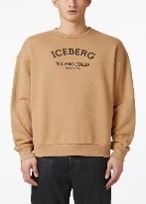 | PAPER BAG | SWEATSHIRT | 05 FELPE | FELPE | 90% COTTON 10% POLYESTER | ADULT | MALE | ICEBERG | BULGARIA | €74.00 | €199.80 | 3 | 6 |  |  |  |  | 4 | 1 |  | 1
FW 2024 |  | BLACK | SWEATSHIRT | 05 FELPE | FELPE | 100% COTTON | ADULT | MALE | ICEBERG | TURKEY | €111.00 | €299.70 | 3 | 3 |  |  |  | 1 |  | 1 | 1
FW 2024 |  | BLACK | SWEATSHIRT | 05 FELPE | FELPE | 90% COTTON 10% POLYESTER | ADULT | MALE | ICEBERG | BULGARIA | €74.00 | €199.80 | 2 | 6 |  |  |  |  | 2 |  | 4
FW 2024 | 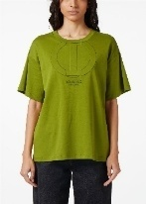 | BLACK | T-SHIRT | 06 T-SHIRT | T-SHIRT | 100% COTTON | ADULT | FEMALE | ICEBERG | TURKEY | €67.00 | €180.90 | 5 | 11 |  |  | 2 | 2 | 2 | 4 | 1
FW 2024 | 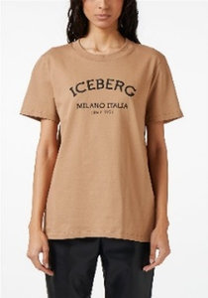 | PAPER BAG | T-SHIRT | 06 T-SHIRT | T-SHIRT | 100% COTTON | ADULT | FEMALE | ICEBERG | BULGARIA | €41.00 | €110.70 | 4 | 6 |  |  | 1 | 2 | 2 | 1
FW 2024 |  | ANTHRACITE | T-SHIRT | 06 T-SHIRT | T-SHIRT | 100% COTTON | ADULT | FEMALE | ICEBERG | BULGARIA | €41.00 | €110.70 | 4 | 5 |  | 1 |  | 2 | 1 | 1
FW 2024 |  | BLACK | T-SHIRT | 06 T-SHIRT | T-SHIRT | 100% COTTON | ADULT | FEMALE | ICEBERG | BULGARIA | €41.00 | €110.70 | 4 | 4 |  |  | 1 | 1 | 1 | 1
FW 2024 | 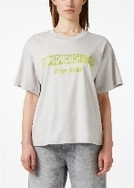 | ICE | T-SHIRT | 06 T-SHIRT | T-SHIRT | 100% COTTON | ADULT | FEMALE | ICEBERG | TURKEY | €48.00 | €129.60 | 3 | 3 |  |  | 1 | 1 | 1
FW 2024 | 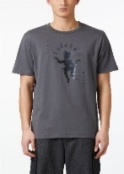 | ANTHRACITE | T-SHIRT | 06 T-SHIRT | T-SHIRT | 100% COTTON | ADULT | MALE | ICEBERG | TURKEY | €52.00 | €140.40 | 6 | 15 |  |  |  | 2 | 5 | 2 | 2 | 3 | 1
FW 2024 | 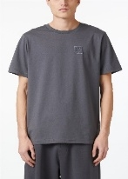 | OFF WHITE | T-SHIRT | 06 T-SHIRT | T-SHIRT | 100% COTTON | ADULT | MALE | ICEBERG | TURKEY | €44.00 | €118.80 | 6 | 18 |  |  |  | 1 | 3 | 4 | 4 | 3 | 3
FW 2024 | 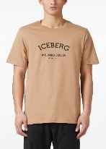 | BLACK | T-SHIRT | 06 T-SHIRT | T-SHIRT | 100% COTTON | ADULT | MALE | ICEBERG | BULGARIA | €41.00 | €110.70 | 6 | 17 |  |  |  | 2 | 3 | 5 | 2 | 4 | 1
FW 2024 | 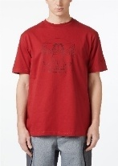 | WHITE | T-SHIRT | 06 T-SHIRT | T-SHIRT | 100% COTTON | ADULT | MALE | ICEBERG | BULGARIA | €67.00 | €180.90 | 6 | 24 |  |  |  | 2 | 5 | 5 | 5 | 4 | 3
SS 2024 | 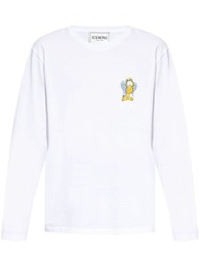 | CREAM | T-SHIRT | 06 T-SHIRT | T-SHIRT | 100% COTTON | ADULT | MALE | ICEBERG | BULGARIA | €70.00 | €189.00 | 5 | 16 |  |  |  |  | 4 | 4 | 4 | 3 | 1
FW 2024 | 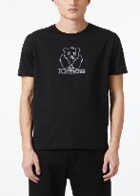 | BLACK | T-SHIRT | 06 T-SHIRT | T-SHIRT | 100% COTTON | ADULT | MALE | ICEBERG | ITALY | €67.00 | €180.90 | 5 | 11 |  |  |  |  | 2 | 4 | 2 | 2 | 1
FW 2024 | 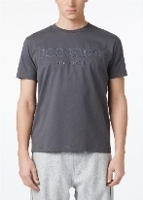 | GREY/GREEN | T-SHIRT | 06 T-SHIRT | T-SHIRT | 100% COTTON | ADULT | MALE | ICEBERG | TURKEY | €56.00 | €151.20 | 5 | 9 |  |  |  | 1 |  | 1 | 3 | 3 | 1
FW 2024 | 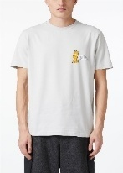 | ICE | T-SHIRT | 06 T-SHIRT | T-SHIRT | 95% COTTON 5% ELASTAN | ADULT | MALE | ICEBERG | BULGARIA | €56.00 | €151.20 | 5 | 6 |  |  |  | 1 | 1 | 1 | 2 | 1
FW 2024 | 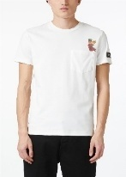 | OFF WHITE | T-SHIRT | 06 T-SHIRT | T-SHIRT | 100% COTTON | ADULT | MALE | ICEBERG | TURKEY | €59.00 | €159.30 | 5 | 17 |  |  |  |  | 4 | 3 | 4 | 3 | 3
FW 2024 |  | BLACK | T-SHIRT | 06 T-SHIRT | T-SHIRT | 100% COTTON | ADULT | MALE | ICEBERG | TURKEY | €52.00 | €140.40 | 5 | 12 |  |  |  | 2 | 3 | 3 | 2 | 2
FW 2024 | 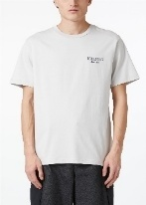 | GREY/GREEN | T-SHIRT | 06 T-SHIRT | T-SHIRT | 100% COTTON | ADULT | MALE | ICEBERG | TURKEY | €44.00 | €118.80 | 5 | 16 |  |  |  |  | 2 | 3 | 4 | 4 | 3
FW 2024 |  | PAPER BAG | T-SHIRT | 06 T-SHIRT | T-SHIRT | 100% COTTON | ADULT | MALE | ICEBERG | BULGARIA | €41.00 | €110.70 | 5 | 10 |  |  |  |  | 5 | 1 | 2 | 1 | 1
FW 2024 |  | BRICK RED | T-SHIRT | 06 T-SHIRT | T-SHIRT | 100% COTTON | ADULT | MALE | ICEBERG | BULGARIA | €67.00 | €180.90 | 5 | 20 |  |  |  |  | 5 | 5 | 4 | 4 | 2
SS 2025 | 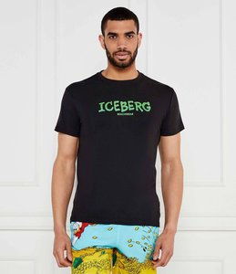 | BLACK | T-SHIRT | VERTICAL | T-SHIRT | 95% COTTON 5% ELASTAN | ADULT | MALE | ICEBERG | BANGLADESH | €22.00 | €65.00 | 5 | 76 |  |  |  | 11 | 18 | 20 | 16 | 11
SS 2025 | 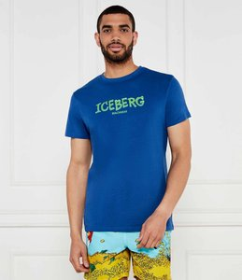 | BLUE | T-SHIRT | VERTICAL | T-SHIRT | 95% COTTON 5% ELASTAN | ADULT | MALE | ICEBERG | BANGLADESH | €22.00 | €65.00 | 5 | 47 |  |  |  | 7 | 11 | 12 | 10 | 7
SS 2025 | 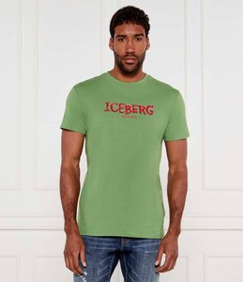 | GREEN | T-SHIRT | VERTICAL | T-SHIRT | 95% COTTON 5% ELASTAN | ADULT | MALE | ICEBERG | BANGLADESH | €22.00 | €65.00 | 5 | 37 |  |  |  | 5 | 9 | 10 | 8 | 5
SS 2025 | 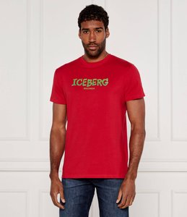 | RED | T-SHIRT | VERTICAL | T-SHIRT | 95% COTTON 5% ELASTAN | ADULT | MALE | ICEBERG | BANGLADESH | €22.00 | €65.00 | 5 | 114 |  |  |  | 16 | 27 | 30 | 25 | 16
SS 2025 | 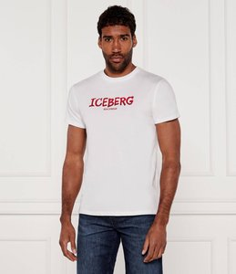 | WHITE | T-SHIRT | VERTICAL | T-SHIRT | 95% COTTON 5% ELASTAN | ADULT | MALE | ICEBERG | BANGLADESH | €22.00 | €65.00 | 5 | 64 |  |  |  | 9 | 15 | 17 | 13 | 10
SS 2025 | 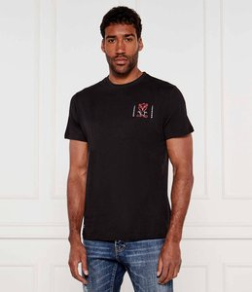 | BLACK | T-SHIRT | SUN SPELL | T-SHIRT | 100% COTTON | ADULT | MALE | ICEBERG | BANGLADESH | €21.00 | €60.00 | 5 | 26 |  |  |  | 4 | 6 | 7 | 5 | 4
SS 2025 | 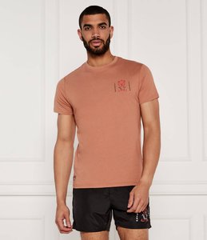 | INDIAN | T-SHIRT | SUN SPELL | T-SHIRT | 100% COTTON | ADULT | MALE | ICEBERG | BANGLADESH | €21.00 | €60.00 | 5 | 29 |  |  |  | 4 | 7 | 8 | 6 | 4
SS 2025 | 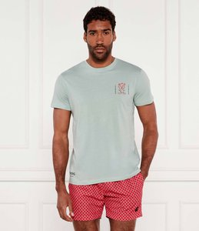 | MINT | T-SHIRT | SUN SPELL | T-SHIRT | 100% COTTON | ADULT | MALE | ICEBERG | BANGLADESH | €21.00 | €60.00 | 5 | 26 |  |  |  | 4 | 6 | 7 | 5 | 4
SS 2025 | 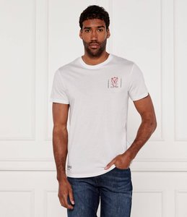 | WHITE | T-SHIRT | SUN SPELL | T-SHIRT | 100% COTTON | ADULT | MALE | ICEBERG | BANGLADESH | €21.00 | €60.00 | 5 | 33 |  |  |  | 5 | 8 | 9 | 6 | 5
SS 2025 | 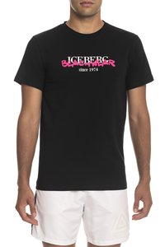 | BLACK | T-SHIRT | T-SHIRT | T-SHIRT - VAR. WHITE T.XXL | 93% COTTON 7% ELASTAN | ADULT | MALE | ICEBERG | CHINA | €27.00 | €75.00 | 5 | 58 |  |  |  | 9 | 13 | 15 | 12 | 9
SS 2025 | 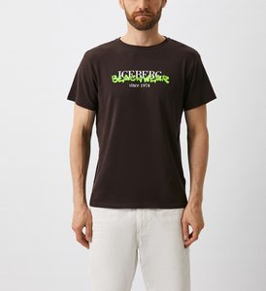 | BROWN | T-SHIRT | T-SHIRT | T-SHIRT - VAR. WHITE T.XXL | 93% COTTON 7% ELASTAN | ADULT | MALE | ICEBERG | CHINA | €27.00 | €75.00 | 5 | 26 |  |  |  | 4 | 6 | 7 | 5 | 4
SS 2025 |  | NAVY | T-SHIRT | T-SHIRT | T-SHIRT - VAR. WHITE T.XXL | 93% COTTON 7% ELASTAN | ADULT | MALE | ICEBERG | CHINA | €27.00 | €75.00 | 5 | 50 |  |  |  | 7 | 12 | 13 | 10 | 8
SS 2025 |  | RED | T-SHIRT | T-SHIRT | T-SHIRT - VAR. WHITE T.XXL | 93% COTTON 7% ELASTAN | ADULT | MALE | ICEBERG | CHINA | €27.00 | €75.00 | 5 | 34 |  |  |  | 5 | 8 | 9 | 7 | 5
SS 2025 |  | WHITE | T-SHIRT | T-SHIRT | T-SHIRT - VAR. WHITE T.XXL | 93% COTTON 7% ELASTAN | ADULT | MALE | ICEBERG | CHINA | €27.00 | €75.00 | 5 | 34 |  |  |  | 5 | 8 | 9 | 7 | 5
SS 2025 |  | YELLOW | T-SHIRT | T-SHIRT | T-SHIRT - VAR. WHITE T.XXL | 93% COTTON 7% ELASTAN | ADULT | MALE | ICEBERG | CHINA | €27.00 | €75.00 | 5 | 62 |  |  |  | 9 | 15 | 16 | 13 | 9
SS 2024 |  | LIGHT BLUE | T-SHIRT | 06 T-SHIRT | T-SHIRT | 100% COTTON | ADULT | MALE | ICEBERG | TURKEY | €81.00 | €218.70 | 4 | 5 |  |  |  |  |  |  | 1 | 2 | 1 | 1
SS 2024 |  | BRICK RED | T-SHIRT | 06 T-SHIRT | T-SHIRT | 100% COTTON | ADULT | MALE | ICEBERG | BULGARIA | €56.00 | €151.20 | 4 | 7 |  |  |  |  |  | 2 | 2 | 2 | 1
SS 2024 |  | ROPE | T-SHIRT | 06 T-SHIRT | T-SHIRT | 100% COTTON | ADULT | MALE | ICEBERG | TURKEY | €65.00 | €175.50 | 4 | 10 |  |  |  |  |  |  | 2 | 5 | 1 | 2
SS 2024 |  | LIGHT BLUE | T-SHIRT | 06 T-SHIRT | T-SHIRT | 100% COTTON | ADULT | MALE | ICEBERG | TURKEY | €65.00 | €175.50 | 4 | 10 |  |  |  |  |  | 2 |  | 2 | 2 | 4
FW 2024 |  | ANTHRACITE | T-SHIRT | 06 T-SHIRT | T-SHIRT | 100% COTTON | ADULT | MALE | ICEBERG | TURKEY | €59.00 | €159.30 | 4 | 6 |  |  |  | 1 | 3 |  | 1 | 1
FW 2024 |  | PAPER BAG | T-SHIRT | 06 T-SHIRT | T-SHIRT | 100% COTTON | ADULT | MALE | ICEBERG | TURKEY | €67.00 | €180.90 | 4 | 5 |  |  |  | 1 | 1 | 2 | 1
FW 2024 |  | BLACK | T-SHIRT | 06 T-SHIRT | T-SHIRT | 100% COTTON | ADULT | MALE | ICEBERG | TURKEY | €52.00 | €140.40 | 4 | 5 |  |  |  |  | 1 | 1 |  | 2 | 1
FW 2024 |  | OFF WHITE | T-SHIRT | 06 T-SHIRT | T-SHIRT | 100% COTTON | ADULT | MALE | ICEBERG | TURKEY | €63.00 | €170.10 | 4 | 13 |  |  |  |  | 2 | 4 |  | 3 | 4
SS 2024 |  | BLACK | T-SHIRT | 06 T-SHIRT | T-SHIRT | 100% COTTON | ADULT | MALE | ICEBERG | TURKEY | €65.00 | €175.50 | 3 | 10 |  |  |  |  |  |  |  | 3 | 4 | 3
FW 2024 |  | BLACK | T-SHIRT | 06 T-SHIRT | T-SHIRT | 100% COTTON | ADULT | MALE | ICEBERG | TURKEY | €67.00 | €180.90 | 3 | 5 |  |  |  | 2 | 2 | 1
FW 2024 |  | ICE | T-SHIRT | 06 T-SHIRT | T-SHIRT | 100% COTTON | ADULT | MALE | ICEBERG | TURKEY | €59.00 | €159.30 | 2 | 4 |  |  |  |  |  |  |  | 3 | 1
SS 2025 |  | BLACK | POLO | BASIC | POLO | 95% COTTON 5% ELASTAN | ADULT | MALE | ICEBERG | BANGLADESH | €28.00 | €80.00 | 5 | 35 |  |  |  | 5 | 8 | 10 | 7 | 5
SS 2025 |  | BLUE | POLO | BASIC | POLO | 95% COTTON 5% ELASTAN | ADULT | MALE | ICEBERG | BANGLADESH | €28.00 | €80.00 | 5 | 26 |  |  |  | 4 | 6 | 7 | 5 | 4
SS 2025 |  | MINT | POLO | BASIC | POLO | 95% COTTON 5% ELASTAN | ADULT | MALE | ICEBERG | BANGLADESH | €28.00 | €80.00 | 5 | 14 |  |  |  | 2 | 3 | 4 | 3 | 2
SS 2025 |  | RED | POLO | BASIC | POLO | 95% COTTON 5% ELASTAN | ADULT | MALE | ICEBERG | BANGLADESH | €28.00 | €80.00 | 5 | 61 |  |  |  | 9 | 14 | 16 | 13 | 9
SS 2025 |  | RUSPBERRY | POLO | BASIC | POLO | 95% COTTON 5% ELASTAN | ADULT | MALE | ICEBERG | BANGLADESH | €28.00 | €80.00 | 5 | 26 |  |  |  | 4 | 6 | 7 | 5 | 4
SS 2025 |  | WHITE | POLO | BASIC | POLO | 95% COTTON 5% ELASTAN | ADULT | MALE | ICEBERG | BANGLADESH | €28.00 | €80.00 | 5 | 18 |  |  |  | 3 | 4 | 5 | 3 | 3
SS 2025 |  | BLACK | POLO | POLO | POLO VAR. WHITE T.XXL | 95% COTTON 5% ELASTAN | ADULT | MALE | ICEBERG | CHINA | €34.00 | €90.00 | 5 | 17 |  |  |  | 3 | 4 | 5 | 3 | 2
SS 2025 |  | BLUE | POLO | POLO | POLO VAR. WHITE T.XXL | 95% COTTON 5% ELASTAN | ADULT | MALE | ICEBERG | CHINA | €34.00 | €90.00 | 5 | 12 |  |  |  | 2 | 3 | 3 | 2 | 2
SS 2025 |  | MILITARY | POLO | POLO | POLO VAR. WHITE T.XXL | 95% COTTON 5% ELASTAN | ADULT | MALE | ICEBERG | CHINA | €34.00 | €90.00 | 5 | 18 |  |  |  | 3 | 4 | 5 | 4 | 2
SS 2025 |  | NAVY | POLO | POLO | POLO VAR. WHITE T.XXL | 95% COTTON 5% ELASTAN | ADULT | MALE | ICEBERG | CHINA | €34.00 | €90.00 | 5 | 13 |  |  |  | 2 | 3 | 4 | 2 | 2
SS 2025 |  | RED | POLO | POLO | POLO VAR. WHITE T.XXL | 95% COTTON 5% ELASTAN | ADULT | MALE | ICEBERG | CHINA | €34.00 | €90.00 | 5 | 50 |  |  |  | 7 | 12 | 13 | 11 | 7
SS 2025 |  | WHITE | POLO | POLO | POLO VAR. WHITE T.XXL | 95% COTTON 5% ELASTAN | ADULT | MALE | ICEBERG | CHINA | €34.00 | €90.00 | 5 | 12 |  |  |  | 2 | 3 | 3 | 2 | 2
SS 2025 |  | YELLOW | POLO | POLO | POLO VAR. WHITE T.XXL | 95% COTTON 5% ELASTAN | ADULT | MALE | ICEBERG | CHINA | €34.00 | €90.00 | 5 | 30 |  |  |  | 4 | 7 | 8 | 7 | 4
SS 2024 |  | WHITE | T-SHIRT LONG SLEEVE | 06 T-SHIRT | T-SHIRT | 100% COTTON | ADULT | MALE | ICEBERG | TURKEY | €85.00 | €229.50 | 6 | 21 |  |  |  | 2 | 4 | 4 | 4 | 4 | 3
SS 2024 |  | BLACK | T-SHIRT LONG SLEEVE | 06 T-SHIRT | T-SHIRT | 100% COTTON | ADULT | MALE | ICEBERG | TURKEY | €85.00 | €229.50 | 5 | 14 |  |  |  | 2 | 3 | 4 | 4 | 1
FW 2024 |  | MELANGE GREY | DRESS | 01 MAGLIERIA | MAGLIERIA | 50% WOOL 36% VISCOSE 14% POLYESTER | ADULT | FEMALE | ICEBERG | CHINA | €174.00 | €469.80 | 4 | 6 |  |  | 2 | 2 | 1 |  | 1
FW 2024 |  | OLIVE GREEN | DRESS | 08 ABITI | ABITI | 100% VISCOSE | ADULT | FEMALE | ICEBERG | ITALY | €241.00 | €650.70 | 3 | 4 |  |  |  |  |  |  |  |  |  |  |  |  |  |  |  | 1 | 2 | 1
FW 2024 |  | BLACK | DRESS | 08 ABITI | ABITI | 50% POLYESTER 50% POLYURETHANE | ADULT | FEMALE | ICEBERG | ITALY | €148.00 | €399.60 | 3 | 6 |  |  |  |  |  |  |  |  |  |  |  |  |  |  |  | 3 | 2 | 1
FW 2023 |  | BORDEAUX | DRESS | 01 MAGLIERIA | MAGLIERIA | 93% WOOL 6% POLYAMID 1% ELASTAN | ADULT | FEMALE | ICEBERG | ROMANIA | €241.00 | €650.70 | 2 | 5 |  |  |  | 4 |  | 1
FW 2023 |  | MARC RED | DRESS | 08 ABITI | ABITI | 50% POLYESTER 50% POLYURETHANE | ADULT | FEMALE | ICEBERG | ITALY | €300.00 | €810.00 | 2 | 5 |  |  |  |  |  |  |  |  |  |  |  |  |  |  |  |  | 4 | 1
FW 2024 |  | ANTHRACITE | DRESS | 08 ABITI | ABITI | 100% COTTON | ADULT | FEMALE | ICEBERG | BULGARIA | €137.00 | €369.90 | 2 | 6 |  |  | 3 | 3
FW 2024 |  | BLACK | DRESS | 08 ABITI | ABITI | 63% POLYESTER 27% VISCOSE 7% COTTON 3% ELASTAN | ADULT | FEMALE | ICEBERG | ITALY | €278.00 | €750.60 | 2 | 2 |  |  |  |  |  |  |  |  |  |  |  |  |  |  |  |  | 1 | 1
FW 2024 |  | BLACK | SWEATER | 01 MAGLIERIA | MAGLIERIA | 100% FLEECE WOOL | ADULT | FEMALE | ICEBERG | CHINA | €137.00 | €369.90 | 5 | 10 |  |  | 1 | 4 | 2 | 2 | 1
FW 2024 |  | LIGHT GREY MELANGE | SWEATER | 01 MAGLIERIA | MAGLIERIA | 35% WOOL 27% POLYAMID 23% VISCOSE 11% ACRYL 4% CASHMERE | ADULT | FEMALE | ICEBERG | ROMANIA | €143.00 | €386.10 | 4 | 14 |  |  | 2 | 3 | 6 | 3
FW 2024 |  | MELANGE DARK GREY | SWEATER | 01 MAGLIERIA | MAGLIERIA | 35% WOOL 27% POLYAMID 23% VISCOSE 11% ACRYL 4% CASHMERE | ADULT | FEMALE | ICEBERG | ROMANIA | €143.00 | €386.10 | 4 | 6 |  |  | 2 | 2 | 1 | 1
FW 2024 |  | MELANGE DARK GREY | SWEATER | 01 MAGLIERIA | MAGLIERIA | 35% WOOL 27% POLYAMID 23% VISCOSE 11% ACRYL 4% CASHMERE | ADULT | FEMALE | ICEBERG | ROMANIA | €204.00 | €550.80 | 4 | 11 |  |  | 2 | 5 | 3 | 1
FW 2024 |  | PEARL | SWEATER | 01 MAGLIERIA | MAGLIERIA | 100% FLEECE WOOL | ADULT | FEMALE | ICEBERG | CHINA | €148.00 | €399.60 | 4 | 7 |  |  | 1 | 3 | 2 | 1
FW 2023 |  | BLACK | JUMPER | 01 MAGLIERIA | MAGLIERIA | 64% WOOL 27% ACRYL 9% POLYAMID | ADULT | FEMALE | ICEBERG | ITALY | €204.00 | €550.80 | 3 | 6 |  |  |  | 2 | 3 | 1
FW 2023 |  | BLACK | JUMPER | 01 MAGLIERIA | MAGLIERIA | 74% WOOL 26% POLYAMID | ADULT | FEMALE | ICEBERG | ITALY | €219.00 | €591.30 | 3 | 6 |  |  |  | 2 | 3 | 1
FW 2024 |  | BLACK | SWEATER | 01 MAGLIERIA | MAGLIERIA | 100% FLEECE WOOL | ADULT | FEMALE | ICEBERG | CHINA | €96.00 | €259.20 | 3 | 8 |  |  | 1 | 4 | 3
FW 2024 |  | LIGHT GREY MELANGE | SWEATER | 01 MAGLIERIA | MAGLIERIA | 35% WOOL 27% POLYAMID 23% VISCOSE 11% ACRYL 4% CASHMERE | ADULT | FEMALE | ICEBERG | ROMANIA | €204.00 | €550.80 | 3 | 4 |  |  | 1 | 2 | 1
FW 2024 |  | MILKY WHITE | SWEATER | 01 MAGLIERIA | MAGLIERIA | 67% WOOL 22% ACRYL 11% POLYAMID | ADULT | FEMALE | ICEBERG | ITALY | €241.00 | €650.70 | 3 | 7 |  |  | 2 | 4 | 1
FW 2024 |  | MELANGE GREY | SWEATER | 01 MAGLIERIA | MAGLIERIA | 65% WOOL 25% ACRYL 10% POLYAMID | ADULT | FEMALE | ICEBERG | CHINA | €285.00 | €769.50 | 3 | 5 |  |  | 1 | 3 | 1
FW 2024 |  | BLACK | SWEATER | 01 MAGLIERIA | MAGLIERIA | 65% WOOL 25% ACRYL 10% POLYAMID | ADULT | FEMALE | ICEBERG | CHINA | €285.00 | €769.50 | 3 | 3 |  | 1 | 1 |  | 1
FW 2023 |  | BLACK | JUMPER | 01 MAGLIERIA | MAGLIERIA | 50% WOOL 50% ACRYL | ADULT | FEMALE | ICEBERG | ITALY | €204.00 | €550.80 | 2 | 3 |  |  |  | 2 | 1
FW 2024 |  | BLACK | SWEATER | 01 MAGLIERIA | MAGLIERIA | 100% FLEECE WOOL | ADULT | MALE | ICEBERG | CHINA | €104.00 | €280.80 | 6 | 12 |  |  |  | 1 | 4 | 1 | 4 | 1 | 1
FW 2024 |  | MELANGE GREY | SWEATER | 01 MAGLIERIA | MAGLIERIA | 35% WOOL 27% POLYAMID 23% VISCOSE 11% ACRYL 4% CASHMERE | ADULT | MALE | ICEBERG | ROMANIA | €146.00 | €394.20 | 6 | 21 |  |  |  | 2 | 5 | 5 | 4 | 3 | 2
FW 2024 |  | BLACK | SWEATER | 01 MAGLIERIA | MAGLIERIA | 100% FLEECE WOOL | ADULT | MALE | ICEBERG | CHINA | €111.00 | €299.70 | 5 | 12 |  |  |  |  | 3 | 3 | 2 | 2 | 2
FW 2024 |  | MELANGE GREY | SWEATER | 01 MAGLIERIA | MAGLIERIA | 100% FLEECE WOOL | ADULT | MALE | ICEBERG | CHINA | €104.00 | €280.80 | 5 | 7 |  |  |  | 1 | 1 | 3 | 1 | 1
FW 2024 |  | MELANGE GREY | SWEATER | 01 MAGLIERIA | MAGLIERIA | 35% WOOL 27% POLYAMID 23% VISCOSE 11% ACRYL 4% CASHMERE | ADULT | MALE | ICEBERG | ROMANIA | €167.00 | €450.90 | 5 | 19 |  |  |  | 2 | 5 | 5 | 4 | 3
FW 2024 |  | BLACK | SWEATER | 01 MAGLIERIA | MAGLIERIA | 35% WOOL 27% POLYAMID 23% VISCOSE 11% ACRYL 4% CASHMERE | ADULT | MALE | ICEBERG | ROMANIA | €167.00 | €450.90 | 5 | 9 |  |  |  | 1 | 2 | 1 | 3 | 2
FW 2024 |  | MELANGE GREY | SWEATER | 01 MAGLIERIA | MAGLIERIA | 65% VISCOSE 35% POLYAMID | ADULT | MALE | ICEBERG | CHINA | €181.00 | €488.70 | 5 | 13 |  |  |  | 2 | 6 | 2 | 2 | 1
FW 2024 |  | CARAMEL | SWEATER | 01 MAGLIERIA | MAGLIERIA | 100% FLEECE WOOL | ADULT | MALE | ICEBERG | CHINA | €111.00 | €299.70 | 4 | 7 |  |  |  |  | 4 | 1 |  | 1 | 1
FW 2024 |  | BLACK | SWEATER | 01 MAGLIERIA | MAGLIERIA | 65% VISCOSE 35% POLYAMID | ADULT | MALE | ICEBERG | CHINA | €181.00 | €488.70 | 4 | 5 |  |  |  |  |  | 1 | 1 | 2 | 1
FW 2024 |  | GREY | SWEATER | 01 MAGLIERIA | MAGLIERIA | 100% FLEECE WOOL | ADULT | MALE | ICEBERG | ROMANIA | €135.00 | €364.50 | 3 | 6 |  |  |  |  | 2 |  | 1 | 3
FW 2024 |  | BLACK | JEANS | 18 PANTALONI 5 TASCHE | PANTALONI 5 TASCHE | 98% COTTON 2% ELASTAN | ADULT | FEMALE | ICEBERG | ALBANIA | €109.00 | €294.30 | 5 | 5 |  |  |  |  |  |  |  |  |  |  | 1 | 1 | 1 | 1 | 1
FW 2024 |  | BLACK | JEANS | 18 PANTALONI 5 TASCHE | PANTALONI 5 TASCHE | 98% COTTON 2% ELASTAN | ADULT | FEMALE | ICEBERG | ALBANIA | €144.00 | €388.80 | 5 | 11 |  |  |  |  |  |  |  |  |  |  | 2 | 6 | 1 | 1 | 1
FW 2024 |  | MELANGE GREY | SKIRT | 01 MAGLIERIA | MAGLIERIA | 50% WOOL 36% VISCOSE 14% POLYESTER | ADULT | FEMALE | ICEBERG | CHINA | €107.00 | €288.90 | 4 | 7 |  |  | 1 | 3 | 1 | 2
FW 2023 |  | MARC RED | SKIRT | 03 GONNE | GONNE | 74% POLYAMID 13% POLYESTER 13% POLYURETHANE | ADULT | FEMALE | ICEBERG | ITALY | €181.00 | €488.70 | 3 | 7 |  |  |  |  |  |  |  |  |  |  |  |  |  |  |  |  | 4 | 2 | 1
FW 2024 |  | LIGHT GREY MELANGE | SKIRT | 03 GONNE | GONNE | 50% POLYESTER 35% ACRYL 15% WOOL | ADULT | FEMALE | ICEBERG | ROMANIA | €144.00 | €388.80 | 2 | 4 |  |  |  |  |  |  |  |  |  |  |  |  |  |  |  | 1 | 3
FW 2024 |  | ICE | SKIRT | 03 GONNE | GONNE | 67% COTTON 33% POLYESTER | ADULT | FEMALE | ICEBERG | ITALY | €170.00 | €459.00 | 2 | 4 |  |  |  |  |  |  |  |  |  |  |  |  |  |  |  | 1 | 3
SS 2023 |  | MILK | BLAZER | 10 GIACCHE | GIACCHE | 78% ACETATE 17% VISCOSE 5% ALU | ADULT | FEMALE | ICEBERG | ITALY | €307.00 | €828.90 | 2 | 4 |  |  |  |  |  |  |  |  |  |  |  |  |  |  |  | 3 |  | 1
FW 2024 |  | OLIVE GREEN | BLAZER | 10 GIACCHE | GIACCHE | 35% ACRYL 21% WOOL 17% POLYESTER 9% ALPACA 9% MOHAIR 6% POLYAMID 3% OTHER FIBRES | ADULT | FEMALE | ICEBERG | ITALY | €267.00 | €720.90 | 2 | 3 |  |  |  |  |  |  |  |  |  |  |  |  |  |  |  | 1 | 2
FW 2024 |  | ICE | BLAZER | 10 GIACCHE | GIACCHE | 35% ACRYL 21% WOOL 17% POLYESTER 9% ALPACA 9% MOHAIR 6% POLYAMID 3% OTHER FIBRES | ADULT | FEMALE | ICEBERG | ITALY | €267.00 | €720.90 | 2 | 3 |  |  |  |  |  |  |  |  |  |  |  |  |  |  |  | 1 | 2
FW 2023 |  | MILKY WHITE | PANTS | 01 MAGLIERIA | MAGLIERIA | 70% FLEECE WOOL 30% CASHMERE | ADULT | FEMALE | ICEBERG | CHINA | €185.00 | €499.50 | 4 | 8 |  |  | 1 | 2 | 4 | 1
FW 2024 |  | LIGHT GREY MELANGE | PANTS | 01 MAGLIERIA | MAGLIERIA | 70% FLEECE WOOL 30% CASHMERE | ADULT | FEMALE | ICEBERG | CHINA | €181.00 | €488.70 | 4 | 12 |  |  | 2 | 4 | 4 | 2
FW 2023 |  | NUDE | PANTS | 01 MAGLIERIA | MAGLIERIA | 87% WOOL 7% COTTON 6% POLYAMID | ADULT | FEMALE | ICEBERG | ROMANIA | €156.00 | €421.20 | 3 | 6 |  |  |  | 3 | 2 | 1
FW 2024 |  | MELANGE SMOKED GREY | PANTS | 01 MAGLIERIA | MAGLIERIA | 98% FLEECE WOOL 2% POLYAMID | ADULT | FEMALE | ICEBERG | ROMANIA | €156.00 | €421.20 | 1 | 5 |  |  |  | 5
FW 2024 |  | BLACK | PANTS | 02 PANTALONI | PANTALONI | 100% COTTON | ADULT | MALE | ICEBERG | TURKEY | €85.00 | €229.50 | 4 | 12 |  |  |  | 2 | 5 | 4 | 1
FW 2024 |  | ANTHRACITE | PANTS | 02 PANTALONI | PANTALONI | 38% COTTON 37% MODAL 20% POLYESTER 5% ELASTAN | ADULT | MALE | ICEBERG | TURKEY | €93.00 | €251.10 | 4 | 12 |  |  |  | 2 | 5 | 4 | 1
FW 2024 |  | BLACK | PANTS | 02 PANTALONI | PANTALONI | 54% POLYESTER 44% WOOL 2% ELASTAN | ADULT | MALE | ICEBERG | ITALY | €130.00 | €351.00 | 4 | 11 |  |  |  |  |  |  |  |  |  |  |  |  |  |  |  |  |  |  |  |  | 2 | 4 | 3 | 2
FW 2024 |  | BLACK/GREY | PANTS | 02 PANTALONI | PANTALONI | 100% COTTON | ADULT | MALE | ICEBERG | TURKEY | €74.00 | €199.80 | 3 | 3 |  |  |  | 1 | 1 | 1
SS 2023 |  | MILK | BLOUSON | 13 GIUBBOTTERIA | GIUBBOTTERIA | 60% COTTON 40% CUPRO | ADULT | FEMALE | ICEBERG | ITALY | €211.00 | €569.70 | 2 | 4 |  |  |  |  |  |  |  |  |  |  |  |  |  |  |  |  | 3 |  |  | 1
FW 2023 |  | MARC RED | BLOUSON | 13 GIUBBOTTERIA | GIUBBOTTERIA | 30% POLYESTER 30% POLYURETHANE 40% POLYAMID | ADULT | FEMALE | ICEBERG | ITALY | €290.00 | €783.00 | 2 | 6 |  |  |  |  |  |  |  |  |  |  |  |  |  |  |  |  | 3 | 3
SS 2024 |  | ROPE | BLOUSON | 13 GIUBBOTTERIA | GIUBBOTTERIA | 100% POLYAMID | ADULT | MALE | ICEBERG | ITALY | €278.00 | €750.60 | 4 | 9 |  |  |  |  |  |  |  |  |  |  |  |  |  |  |  |  |  |  |  | 1 | 4 | 2 | 2
SS 2024 |  | BLACK | BLOUSON | 13 GIUBBOTTERIA | GIUBBOTTERIA | 100% POLYAMID | ADULT | MALE | ICEBERG | ITALY | €278.00 | €750.60 | 4 | 7 |  |  |  |  |  |  |  |  |  |  |  |  |  |  |  |  |  |  |  | 1 | 2 | 3 | 1
FW 2024 |  | LEAD | BLOUSON | 13 GIUBBOTTERIA | GIUBBOTTERIA | 35% WOOL 35% COTTON 30% POLYESTER | ADULT | MALE | ICEBERG | MOROCCO | €219.00 | €591.30 | 4 | 9 |  |  |  |  |  |  |  |  |  |  |  |  |  |  |  |  |  |  |  |  | 2 | 3 | 2 | 2
FW 2024 |  | BLACK | BLOUSON | 14 PELLE-MONTONE | PELLE-MONTONE | 100% L | ADULT | MALE | ICEBERG | INDIA | €278.00 | €750.60 | 3 | 9 |  |  |  |  |  |  |  |  |  |  |  |  |  |  |  |  |  |  |  |  | 5 | 3 | 1
FW 2024 |  | ICE | COAT | 12 CAPPOTTI | CAPPOTTI | 35% ACRYL 21% WOOL 17% POLYESTER 9% ALPACA 9% MOHAIR 6% POLYAMID 3% OTHER FIBRES | ADULT | FEMALE | ICEBERG | ITALY | €285.00 | €769.50 | 3 | 5 |  |  |  |  |  |  |  |  |  |  |  |  |  |  |  | 2 | 2 | 1
FW 2024 |  | BLACK | COAT | 12 CAPPOTTI | CAPPOTTI | 35% ACRYL 21% WOOL 17% POLYESTER 9% ALPACA 9% MOHAIR 6% POLYAMID 3% OTHER FIBRES | ADULT | FEMALE | ICEBERG | ITALY | €285.00 | €769.50 | 2 | 4 |  |  |  |  |  |  |  |  |  |  |  |  |  |  |  |  | 2 | 2
FW 2024 |  | BLACK/GREY | DOWN JACKET | 13 GIUBBOTTERIA | GIUBBOTTERIA | 60% POLYESTER 39% WOOL 1% POLYAMID | ADULT | FEMALE | ICEBERG | ITALY | €256.00 | €691.20 | 4 | 6 |  |  | 1 | 2 | 2 | 1
FW 2024 |  | BLACK | DOWN JACKET | 13 GIUBBOTTERIA | GIUBBOTTERIA | 60% POLYESTER 39% WOOL 1% POLYAMID | ADULT | FEMALE | ICEBERG | ITALY | €256.00 | €691.20 | 2 | 4 |  |  |  | 2 | 2
FW 2024 |  | BLACK | DOWN JACKET | 20 PIUMINI | PIUMINI | 100% POLYAMID | ADULT | MALE | ICEBERG | CHINA | €219.00 | €591.30 | 5 | 15 |  |  |  |  | 3 | 3 | 4 | 3 | 2
FW 2024 |  | ANTHRACITE | DOWN JACKET | 20 PIUMINI | PIUMINI | 100% POLYAMID | ADULT | MALE | ICEBERG | CHINA | €146.00 | €394.20 | 3 | 4 |  |  |  |  | 2 | 1 | 1
FW 2024 |  | BLACK | DOWN JACKET | 20 PIUMINI | PIUMINI | 100% POLYAMID | ADULT | MALE | ICEBERG | CHINA | €146.00 | €394.20 | 3 | 4 |  |  |  |  | 1 | 1 |  | 2
FW 2024 |  | ANTHRACITE | DOWN JACKET | 20 PIUMINI | PIUMINI | 100% POLYAMID | ADULT | MALE | ICEBERG | CHINA | €181.00 | €488.70 | 3 | 5 |  |  |  |  |  |  | 2 | 2 | 1
NO DATA |  | WHITE | BRIEFS 2 PACK | SLIP | SLIP BI-PACK | 95% COTTON 5% ELASTANE | ADULT | MALE | ICEBERG | BANGLADESH | €11.00 | €29.00 | 2 | 3 |  |  |  |  | 2 |  |  | 1
NO DATA |  | BLACK | BRIEFS 2 PACK | SLIP | SLIP BI-PACK | 95% COTTON 5% ELASTANE | ADULT | MALE | ICEBERG | BANGLADESH | €11.00 | €29.00 | 1 | 14 |  |  |  |  |  |  |  | 14
NO DATA |  | NAVY | BRIEFS 2 PACK | SLIP | SLIP BI-PACK | 95% COTTON 5% ELASTANE | ADULT | MALE | ICEBERG | BANGLADESH | €11.00 | €29.00 | 1 | 3 |  |  |  |  |  |  |  | 3
SS 2022 |  | SAND | CAP | 71 CAPPELLI | CAPPELLI | 100% COTTON | ADULT | MALE | ICEBERG | ITALY | €37.00 | €99.90 | 1 | 6 | 6
SS 2022 |  | WHITE | CAP | 71 CAPPELLI | CAPPELLI | 100% COTTON | ADULT | MALE | ICEBERG | ITALY | €56.00 | €151.20 | 1 | 7 | 7
SS 2023 |  | BEIGE/RED | CAP | 71 CAPPELLI | CAPPELLI | 100% COTTON | ADULT | MALE | ICEBERG | ITALY | €54.00 | €145.80 | 1 | 9 | 9
SS 2023 |  | BLACK | CAP | 71 CAPPELLI | CAPPELLI | 100% POLYAMID | ADULT | MALE | ICEBERG | ITALY | €50.00 | €135.00 | 1 | 5 | 5
SS 2023 |  | WHITE | CAP | 71 CAPPELLI | CAPPELLO | 100% COTTON | ADULT | MALE | ICEBERG | ITALY | €37.00 | €96.20 | 1 | 28 | 28
SS 2024 |  | DEGRADABLE BLUE | CAP | 71 CAPPELLI | CAPPELLI | 100% COTTON | ADULT | MALE | ICEBERG | ITALY | €63.00 | €170.10 | 1 | 8 | 8
SS 2024 |  | BLACK | CAP | 71 CAPPELLI | CAPPELLI | 100% COTTON | ADULT | MALE | ICEBERG | ITALY | €63.00 | €170.10 | 1 | 16 | 16
SS 2024 |  | CREAM | CAP | 71 CAPPELLI | CAPPELLI | 100% COTTON | ADULT | MALE | ICEBERG | ITALY | €52.00 | €140.40 | 1 | 7 | 7
SS 2024 |  | ROPE | CAP | 71 CAPPELLI | CAPPELLI | 100% COTTON | ADULT | MALE | ICEBERG | ITALY | €52.00 | €140.40 | 1 | 10 | 10
SS 2024 |  | BLACK | CAP | 71 CAPPELLI | CAPPELLI | 100% COTTON | ADULT | MALE | ICEBERG | ITALY | €52.00 | €140.40 | 1 | 10 | 10
SS 2023 |  | BROWN | PANAMA | 71 CAPPELLI | CAPPELLI | 100% COTTON | ADULT | MALE | ICEBERG | ITALY | €56.00 | €151.20 | 1 | 10 | 10

