RUMBLE
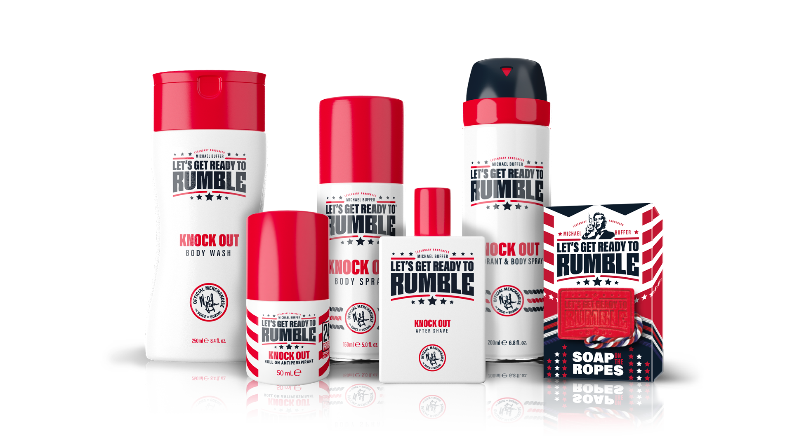
Description | Barcode | Languages | Case Size | Cases Per Pallet | Units Per Pallet | Unit Price | Line Price | Units Available
Lets Get Ready To Rumble 150ml Bodyspray Legend | 5060648120169 | GB-FR-ES-DE-IT-NL | 12 | 288 | 3456 | £0.54 | £18,662.40 | 34560
Lets Get Ready To Rumble 150ml Bodyspray Knock Out | 5060648120176 | GB-FR-ESP-DE-IT-NL | 12 | 288 | 3456 | £0.54 | £18,662.40 | 34560
Lets Get Ready To Rumble 150ml Bodyspray Original | 5060648120152 | GB-FR-ESP-DE-IT-NL | 12 | 288 | 3456 | £0.54 | £18,662.40 | 34560
Lets Get Ready To Rumble 200ml Deodorant& Body Spray Original | 5060648120244 | GB-NL-DE-ESP-FR | 6 | 480 | 2880 | £0.96 | £24,883.20 | 25920
Lets Get Ready To Rumble 200ml Deodorant&Body Spray Knock Out | 5060648120282 | GB-NL-DE-ESP-FR | 6 | 480 | 2880 | £0.96 | £24,883.20 | 25920
Lets Get Ready To Rumble 200ml Deodorant & Body Spray Legend | 5060648120275 | GB-NL-DE-ESP-FR | 6 | 480 | 2880 | £0.96 | £24,883.20 | 25920
Lets Get Ready To Rumble 250ml Bodywash Legend | 5060648120190 | EN-IT-NL-DE-ES-FR | 24 | 72 | 1728 | £0.54 | £18,662.40 | 34560
Lets Get Ready To Rumble 250ml Bodywash Original | 5060648120183 | EN-IT-NL-DE-ES-FR | 24 | 72 | 1728 | £0.54 | £18,662.40 | 34560
Lets Get Ready To Rumble 250ml Bodywash Knockout | 5060648120206 | EN-IT-NL-DE-ES-FR | 24 | 72 | 1728 | £0.54 | £18,662.40 | 34560
Lets Get Ready To Rumble 50ml Roll On Legend | 5060648120695 | EN-DE-ES-FR-NL | 6 | 1064 | 6384 | £0.54 | £37,140.12 | 68778
Lets Get Ready To Rumble 50ml Roll On Knock-Out | 5060648120701 | EN-DE-ES-FR-NL | 6 | 1064 | 6384 | £0.54 | £37,029.96 | 68574
Lets Get Ready To Rumble 50ml Roll On Original | 5060648120718 | EN-DE-ES-FR-NL | 6 | 1064 | 6384 | £0.54 | £31,904.28 | 59082
LGRTR Giftset Bodyspray + Body Wash + Band Original | 5060648120879 | GB-IT-NL-DE-ESP-FR | 6 | 154 | 924 | £1.56 | £11,531.52 | 7392
LGRTR Giftset Bodyspray + Body Wash + Band Legend | 5060648120886 | GB-IT-NL-DE-ESP-FR | 6 | 154 | 924 | £1.56 | £11,531.52 | 7392
LGRTR Giftset Bodyspray + Body Wash + Band Knock-Out | 5060648120893 | GB-IT-NL-DE-ESP-FR | 6 | 154 | 924 | £1.56 | £11,531.52 | 7392
 |  |  |  |  |  |  | £289,968.12 | 503730

