Aero Bags ST Louis
Brand | Style | Image | Color | PartNum | Size | Part Description | UPC | Whse- St Louis | NetAvail
Aeropostale Bags/ColdWthr/Womens Be&Wa | BP92029AEQB | 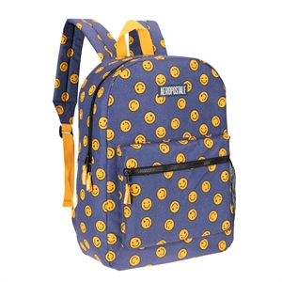 | BLUES | BP92029AEQBAQ00 | N/S | Field Trip backpack - HAPPY DAYS - -N/S- - BLUES | 083009308537 | STL - 212 | 212
 | BP92029AEQH |  | DKGRN | BP92029AEQHAQ00 | N/S | Field Trip backpack - BE HAPPY CHECKER - -N/S- - DARK GREEN | 083009308582 | STL - 328 | 328
 | BP92029AEQJ | 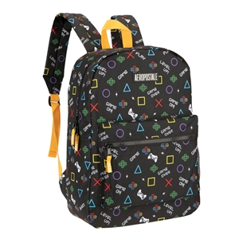 | LAPIS | BP92029AEQJAQ00 | N/S | Field Trip backpack - GAMER - -N/S- - LAPIS | 083009308605 | STL - 300 | 300
 | BP92029AEQW | 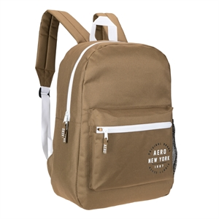 | MUDBRN | BP92029AEQWAQ00 | N/S | Field Trip backpack - BROWN/WHITE - -N/S- - MUD BROWN | 083009308681 | STL - 597 | 597
 | BP92029AEQX | 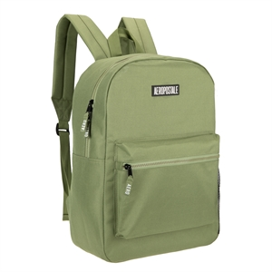 | SGG | BP92029AEQXAQ00 | N/S | Field Trip backpack - SAGE - -N/S- - SAGE GREEN | 083009308698 | STL - 168 | 168
 | BP92029AEQZ | 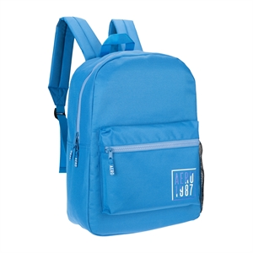 | FLTBLU | BP92029AEQZAQ00 | N/S | Field Trip backpack - SKY - -N/S- - FLAT BLUE | 083009308513 | STL - 264 | 264
 | BP92033AEQH | 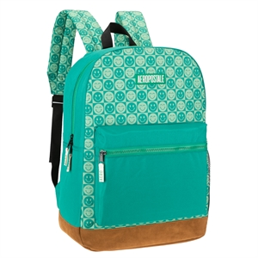 | DKGRN | BP92033AEQHAQ00 | N/S | Field Trip upgraded backpack - BE HAPPY CHECKER - -N/S- - DARK GREEN | 083009308858 | STL - 30 | 30
 | BP92033AEQI | 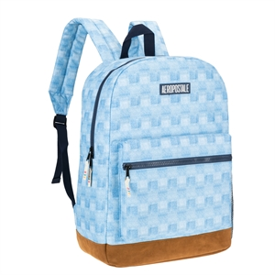 | LTBLUE | BP92033AEQIAQ00 | N/S | Field Trip upgraded backpack - DENIM CHECKER - -N/S- - LIGHT BLUE | 083009308865 | STL - 12 | 12
 | BP92033AEQJ | 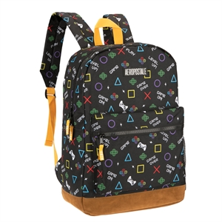 | BLKYEL | BP92033AEQJAQ00 | N/S | Field Trip upgraded backpack - GAMER - -N/S- - BLACK YELLOW | 083009308872 | STL - 200 | 200
 | BP92033AEQL | 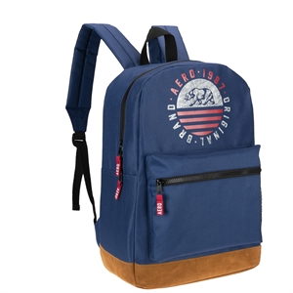 | MLTYNV | BP92033AEQLAQ00 | N/S | Field Trip upgraded backpack - AIRFORCE BLUE - -N/S- - MILITARY NAVY | 083009308896 | STL - 52 | 52
 | BP92033AEQR | 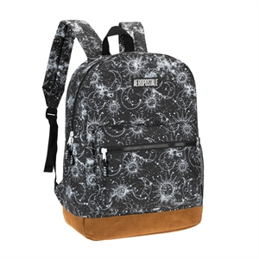 | DPCHAR | BP92033AEQRAQ00 | N/S | Field Trip upgraded backpack - CELESTIAL SKY - -N/S- - DEEP CHARCOAL | 083009308957 | STL - 17 | 17
 | BP92079AEQA | 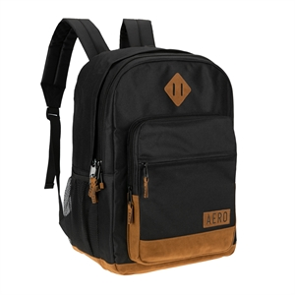 | BLKBRN | BP92079AEQAAQ00 | N/S | AIRSTREAM BACKPACK - -N/S- - BLACK BROWN | 083009309008 | STL - 7 | 7
 | BP92932AOQA | 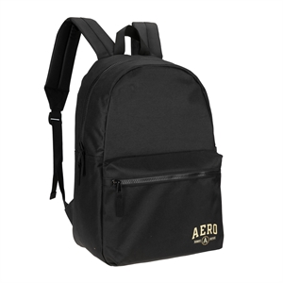 | BLACK | BP92932AOQAAQ00 | N/S | Wellington Backpack - BLACK - -N/S- - BLACK | 083009308759 | STL - 12 | 12
 | BP92932AOQB | 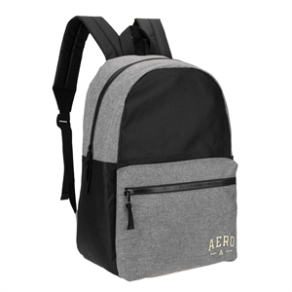 | BLKGRY | BP92932AOQBAQ00 | N/S | Wellington Backpack - BLACK/CHARCOAL HEATHER - -N/S- - BLACK GREY | 083009308766 | STL - 1 | 1
 | BP92932AOQC | 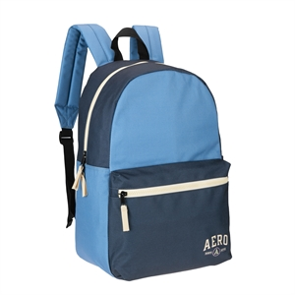 | NAVY | BP92932AOQCAQ00 | N/S | Wellington Backpack - BLUE/SARGASSO SEA - -N/S- - NAVY | 083009308773 | STL - 29 | 29
 | BP96438AOQC |  | YUCCA | BP96438AOQCAQNS | N/S | POPPY BACKPACK - -N/S- | 083009332532 | STL - 49 | 49
 | BP92029AEQR |  |  | BP92029AEQBAQ00 | N/S | Field Trip backpack - |  | STL - 263 | 263
 | BP92029AEQR |  |  | BP92029AEQRAE00 | N/S | Field Trip backpack - |  | STL - 48 | 334
 | BP92029AEQB |  |  | BP92029AEQBAE00 | N/S | Field Trip backpack - |  | STL - 48 | 48
 | TB95441AOQB | 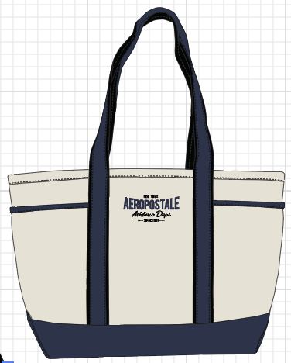 | NAVY | TB95441AOQBAQNS | N/S | The Hamptons tote - -N/S- | 083009328726 | STL - 25 | 25
 | TB96247AOQB | 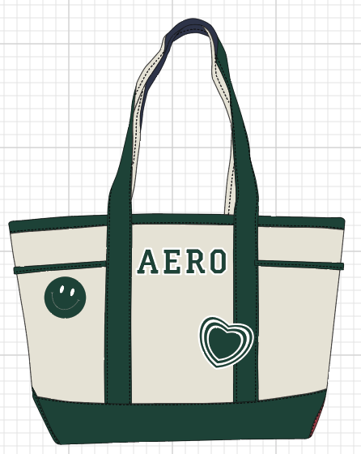 | DKGRN | TB96247AOQBAQNS | N/S | Back to School Tote - -N/S- | 083009328702 | STL - 25 | 25
 |  |  |  |  |  |  |  |  | 2,973

Aero Bag LA
Brand | Style | Image | Color | PartNum | Size | Part Description | UPC | Whse- LA | NetAvail
 | BP92029AEQDD | 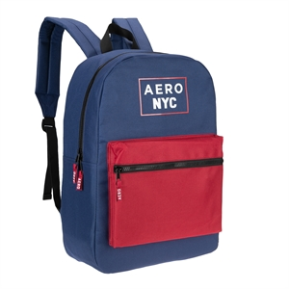 | BLURE | BP92029AEQDDAQ00 | N/S | Field Trip backpack - AIRFORCE BLUE/RED - -N/S- - BLUE RED | 083009308742 | LAH3 - 240 | 240
 | BP92029AEQR |  |  | BP92029AEQRAE00 | N/S | Field Trip backpack - |  | LAH3 - 120 | 120
 | BP92029AEQU | 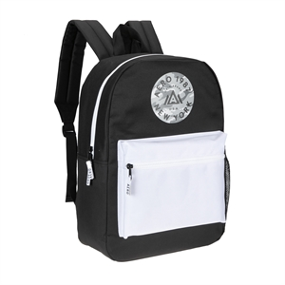 | ONYX | BP92029AEQUAQ00 | N/S | Field Trip backpack - BLACK/WHITE - -N/S- - ONYX | 083009308674 | LAH3 - 528 | 528
 | BP92029AEQW |  | MUDBRN | BP92029AEQWAQ00 | N/S | Field Trip backpack - BROWN/WHITE - -N/S- - MUD BROWN | 083009308681 | LAH3 -240 | 240
 | BP92033AEQB | 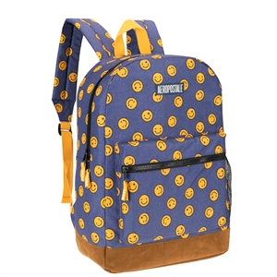 | WSHDEN | BP92033AEQBAQ00 | N/S | Field Trip upgraded backpack - HAPPY DAYS - -N/S- - WASHED DENIM | 083009308797 | LAH3 - 200 | 200
 | BP92033AEQH |  | DKGRN | BP92033AEQHAQ00 | N/S | Field Trip upgraded backpack - BE HAPPY CHECKER - -N/S- - DARK GREEN | 083009308858 | LAH3 - 240 | 240
 | BP92033AEQR |  | DPCHAR | BP92033AEQRAQ00 | N/S | Field Trip upgraded backpack - CELESTIAL SKY - -N/S- - DEEP CHARCOAL | 083009308957 | LAH3 - 180 | 180
 | BP92932AOQB |  | BLKGRY | BP92932AOQBAQ00 | N/S | Wellington Backpack - BLACK/CHARCOAL HEATHER - -N/S- - BLACK GREY | 083009308766 | LAH3 - 200 | 200
 |  |  |  |  |  |  |  |  | 1,948

