ItemLocations_2026-02-27_095213
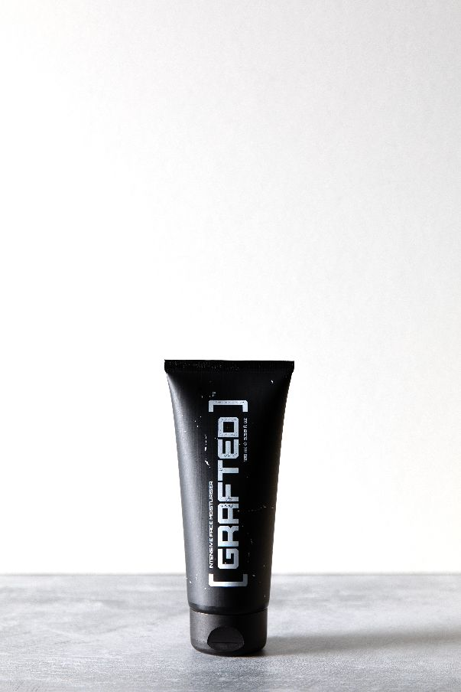
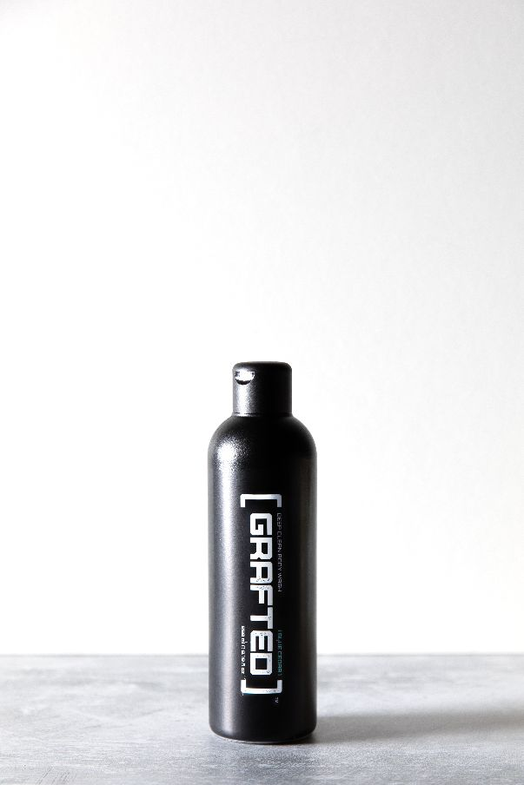
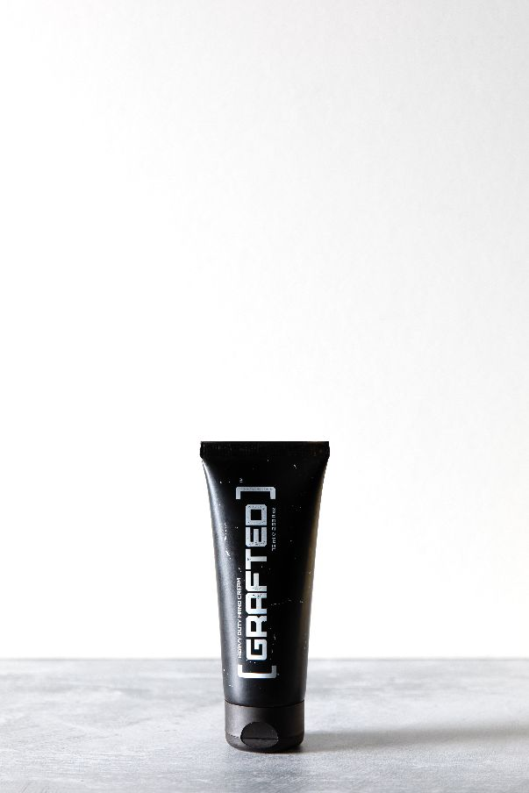
Item | Sku | RRP | Units | RRP Totals
GRAFTED Daily Protect & Repair - Hands (75ml) | Hand_Cream | £11.99 | 1707 | £13,273.00
GRAFTED Daily Protect & Repair - Hands (75ml) | Hand_Cream | £11.99 | 4116 | £49,351.00
GRAFTED Daily Reset - Deep Clean Body Wash (250ml) | DC_BodyWash | £6.99 | 1047 | £19,992.00
GRAFTED Daily Protect & Repair - Face (100ml) | Int_Moisturiser | £12.99 | 1539 | £19,992.00
GRAFTED Daily Reset - Deep Clean Body Wash (250ml) | DC_BodyWash | £6.99 | 1224 | £8,556.00
GRAFTED Daily Reset - Deep Clean Body Wash (250ml) | DC_BodyWash | £6.99 | 12 | £84.00
GRAFTED Daily Protect & Repair - Hands (75ml) | Hand_Cream | £11.99 | 79 | £948.00
GRAFTED Daily Protect & Repair - Face (100ml) | Int_Moisturiser | £12.99 | 65 | £845.00
GRAFTED Daily Reset - Deep Clean Body Wash (250ml) | DC_BodyWash | £6.99 | 2376 | £16,632.00
GRAFTED Daily Protect & Repair - Face (100ml) | Int_Moisturiser | £12.99 | 2604 | £33,826.00
GRAFTED Daily Protect & Repair - Hands (75ml) | Hand_Cream | £11.99 | 4800 | £57,600.00
 |  |  | 19569 | £221,099.00

