HABA N
 | Captain PEPE - "Treasures" board games in different languages
Photo | Art.-Nr. | GTIN - VBE / EAN | Bezeichnung / Description | Sprache / language | Made in | Altersempfehlung / age | Stückzahl quantity | UVP / RRP / pc € | total UVP RRP
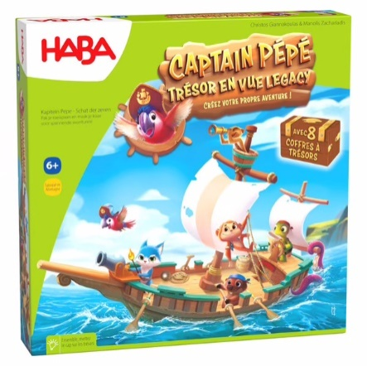 | 1307037003 | 4010168264721 | Captain PEPE - Tresor en vue legacy_FR | FR / NL | GER | 6+ | 2,237 | 39.99 € | 89,457.63 €
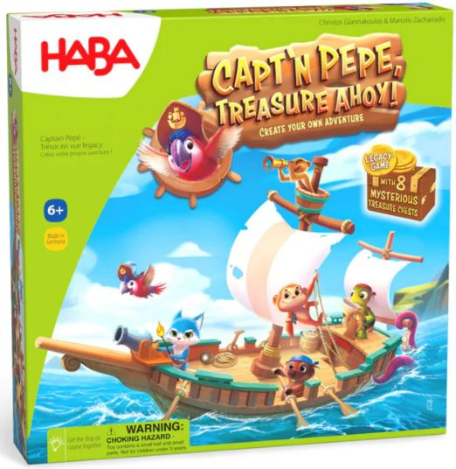 | 1307037002 | 4010168264714 | Capt'n PEPE Treasure AHOY!_ENG | ENG / FR | GER | 6+ | 516 | 39.99 € | 20,634.84 €
Total |  |  |  |  |  |  | 2,753 |  | 110,092.47 €
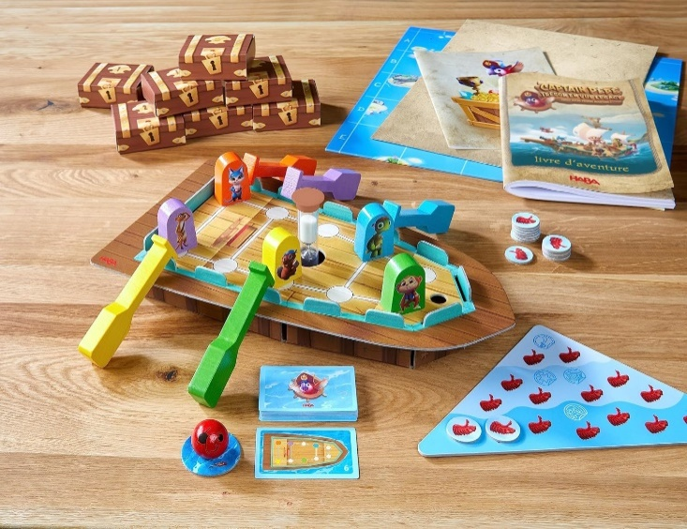 |  | 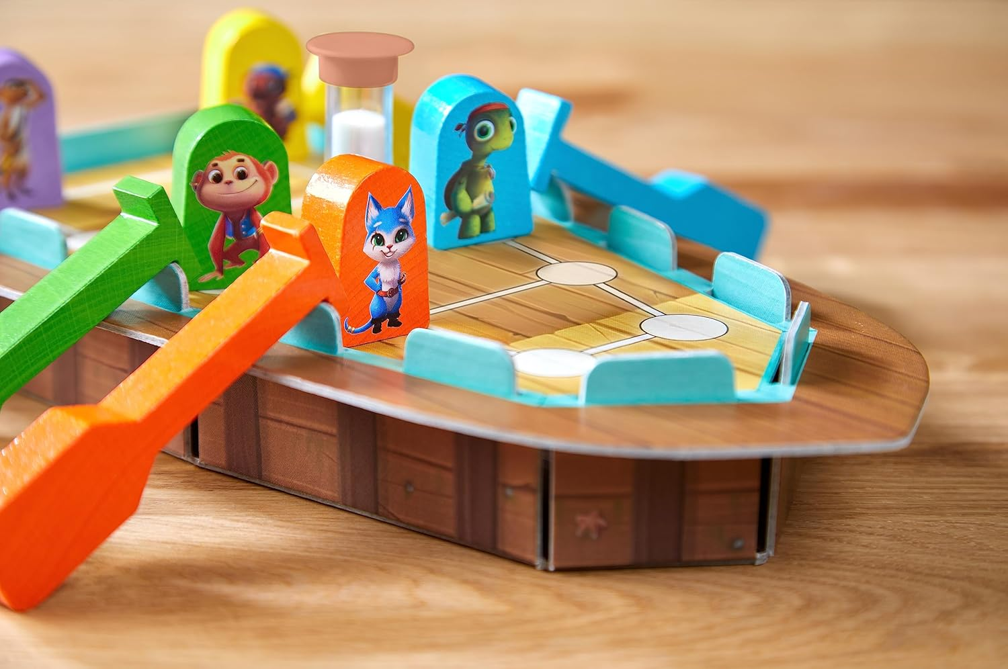 |  |  |  | 