size run sheet
 | Style # | Description | W | 1 | 1.5 | 2 | 2.5 | 3 | 3.5 | 4 | 4.5 | 5 | 5.5 | 6 | 6.5 | 7 | 7.5 | 8 | 8.5 | 9 | 9.5 | 10 | 10.5 | 11 | 11.5 | 12 | 12.5 | 13 | 13.5 | 14 | Total
 | M10802FR | NEW BALANCE | D |  |  |  |  |  |  |  |  |  |  |  |  |  |  | 21 | 22 | 36 | 32 | 48 | 48 | 42 | 32 | 36 | 24 | 24 |  | 24 | 389
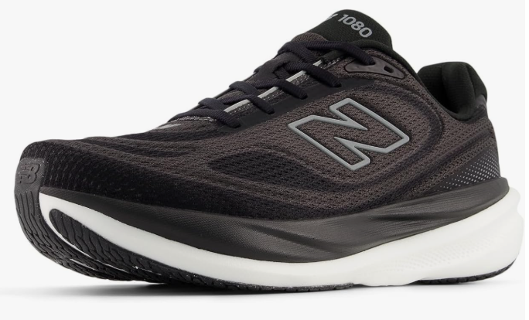 | M10802FR | NEW BALANCE | 2E |  |  |  |  |  |  |  |  |  |  |  |  |  |  | 12 | 12 | 19 | 24 | 31 | 30 | 36 | 24 | 19 | 9 | 9 |  | 10 | 235
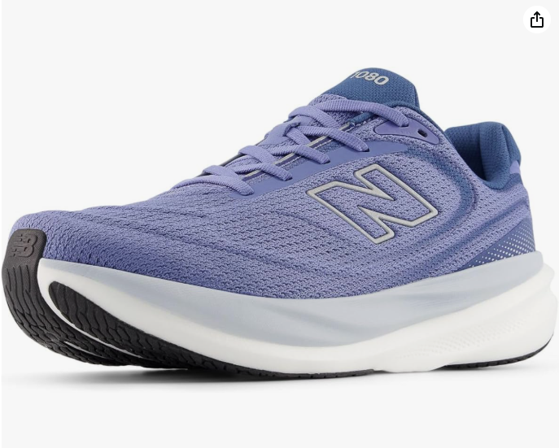 | M108078J | NEW BALANCE | D |  |  |  |  |  |  |  |  |  |  |  |  |  |  | 12 | 10 | 8 | 21 | 19 | 19 | 19 | 21 | 20 | 9 | 9 |  | 11 | 178
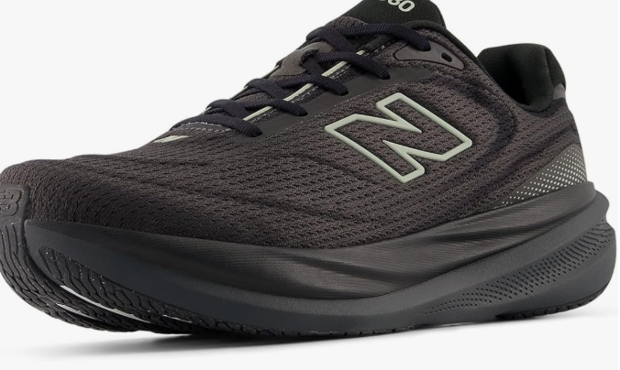 | M10805MD | NEW BALANCE | D |  |  |  |  |  |  |  |  |  |  |  |  |  |  | 21 | 24 | 27 | 32 | 42 | 39 | 42 | 32 | 31 | 21 | 21 |  | 28 | 360
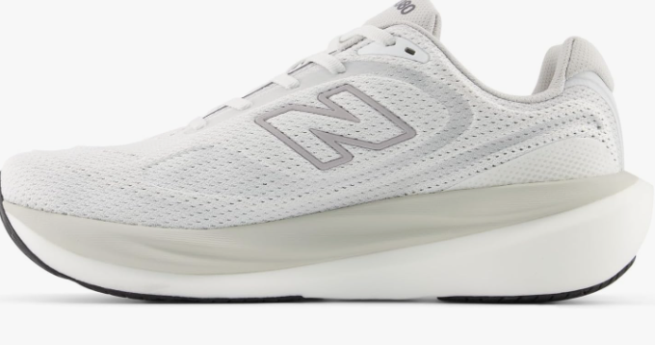 | M10807E3 | NEW BALANCE | D |  |  |  |  |  |  |  |  |  |  |  |  |  |  | 11 | 9 | 24 | 21 | 36 | 36 | 30 | 20 | 21 | 9 | 9 |  | 10 | 236
 |  |  |  |  |  |  |  |  |  |  |  |  |  |  |  |  |  |  |  |  |  |  |  |  |  |  |  |  |  |  | 0
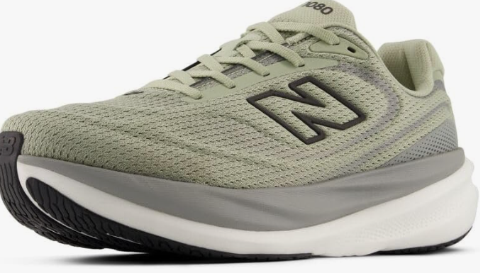 | M10804EF | NEW BALANCE | D |  |  |  |  |  |  |  |  |  |  |  |  |  |  | 10 | 10 | 12 | 21 | 19 | 19 | 19 | 22 | 20 | 9 | 9 |  | 10 | 180
 | Boxes Shipped: |  |  |  |  |  |  |  |  |  |  |  |  |  |  |  |  |  |  |  |  |  |  |  |  |  | Total Pairs |  |  |  | 1578

