Sheet1
 | QTY | DESCRIPTION | BARCODE
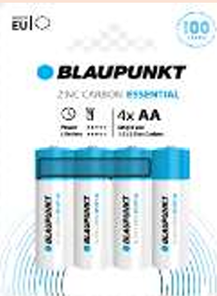 | 10,800 | R06 Blister 4 Zinc Carbon EAN - 5 | 5410853065722
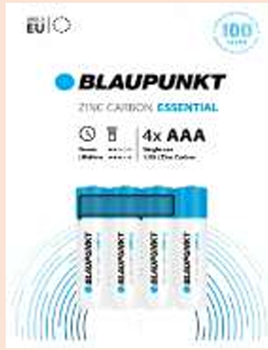 | 10,800 | Blaupunkt R03 Blister 4 Zinc Carbon | 5410853065739
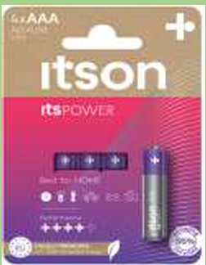 | 7,600 | Itson - Power Alkaline AAA Blister | 5410853067467
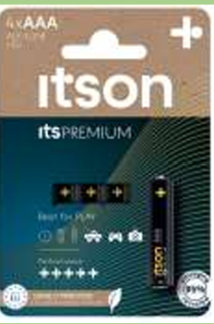 | 10,320 | Itson - Premium Alkaline AAA Blister 4 | 5410853067573
 | 39,520

