OFFER
IMAGE | CODE | QTY | EAN | STYLE | WHLS | RRP | BRAND
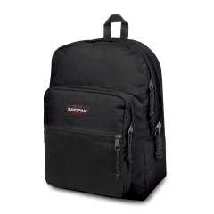 | EK0000600081 | 2 | 32546003252 | PINNACLE | 47.50 | 95.00 | EASTPAK
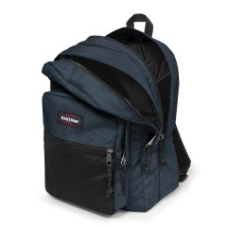 | EK00006026W1 | 2 | 5400806988130 | PINNACLE | 47.50 | 95.00 | EASTPAK
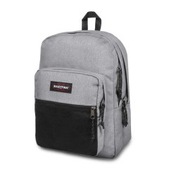 | EK0000603631 | 2 | 5414709188351 | PINNACLE | 47.50 | 95.00 | EASTPAK
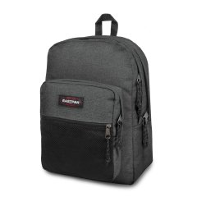 | EK00006077H1 | 2 | 5415187810536 | PINNACLE | 47.50 | 95.00 | EASTPAK
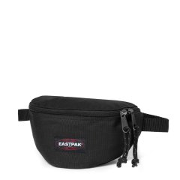 | EK0000740081 | 20 | 32546839196 | SPRINGER | 14.00 | 28.00 | EASTPAK
 | EK000074J08 | 16 | 194905375995 | SPRINGER | 13.50 | 27.00 | EASTPAK
 | EK000074J24 | 10 | 194905375872 | SPRINGER | 13.50 | 27.00 | EASTPAK
 | EK000074L43 | 20 | 195439216723 | SPRINGER | 15.00 | 30.00 | EASTPAK
 | EK000074L45 | 20 | 195439216587 | SPRINGER | 15.00 | 30.00 | EASTPAK
 | EK000074O351 | 8 | 196010251553 | SPRINGER | 13.50 | 27.00 | EASTPAK
 | EK000074O361 | 8 | 196010251508 | SPRINGER | 13.50 | 27.00 | EASTPAK
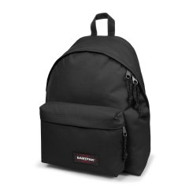 | EK0006200081 | 309 | 32546446202 | PADDED PAK'R | 27.50 | 55.00 | EASTPAK
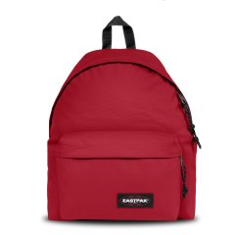 | EK0006201O91 | 24 | 195439949867 | PADDED PAK'R | 27.50 | 55.00 | EASTPAK
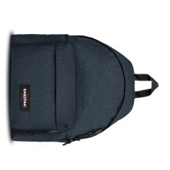 | EK00062026W1 | 405 | 5400806663433 | PADDED PAK'R | 27.50 | 55.00 | EASTPAK
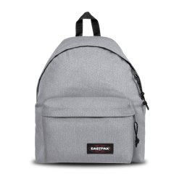 | EK0006203631 | 255 | 5414709190743 | PADDED PAK'R | 27.50 | 55.00 | EASTPAK
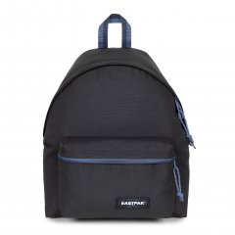 | EK0006208S61 | 25 | 196011996453 | PADDED PAK'R | 27.50 | 55.00 | EASTPAK
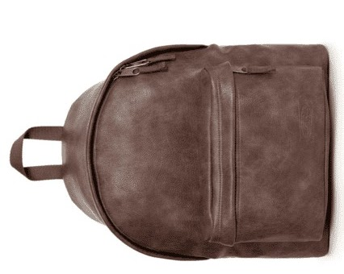 | EK000620J01 | 24 | 194905389015 | PADDED PAK'R | 45.00 | 90.00 | EASTPAK
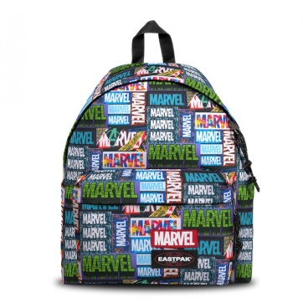 | EK000620L45 | 3 | 195439216709 | PADDED PAK'R | 28.00 | 56.00 | EASTPAK
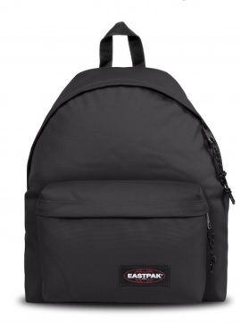 | EK000620N781 | 6 | 196010248799 | PADDED PAK'R | 25.00 | 50.00 | EASTPAK
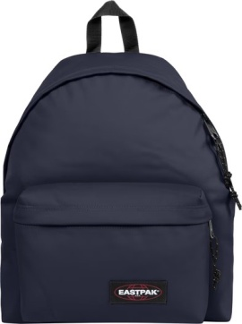 | EK000620N841 | 6 | 196010248089 | PADDED PAK'R | 25.00 | 50.00 | EASTPAK
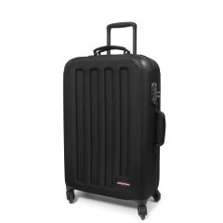 | EK00074F0081 | 15 | 5400516189971 | TRANZSHELL M | 120.00 | 240.00 | EASTPAK
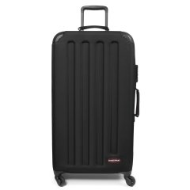 | EK00075F0081 | 14 | 5400516190014 | TRANZSHELL L | 130.00 | 260.00 | EASTPAK
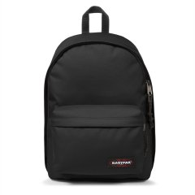 | EK000767008 | 176 | 5414709192389 | OUT OF OFFICE | 32.50 | 65.00 | EASTPAK
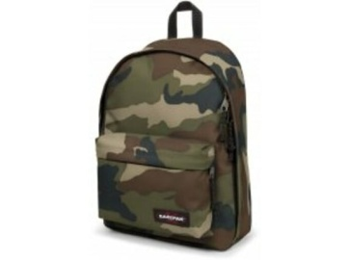 | EK000767181 | 2 | 5400552959620 | OUT OF OFFICE | 31.00 | 62.00 | EASTPAK
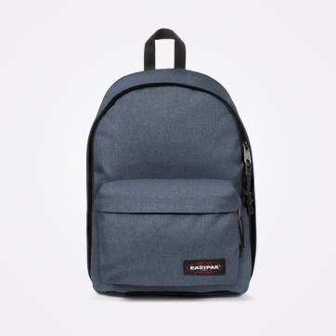 | EK00076742X1 | 5 | 5400852542218 | OUT OF OFFICE | 31.50 | 63.00 | EASTPAK
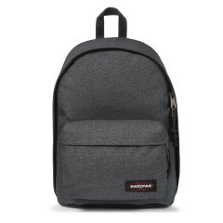 | EK00076777H | 185 | 5415187811946 | OUT OF OFFICE | 32.50 | 65.00 | EASTPAK
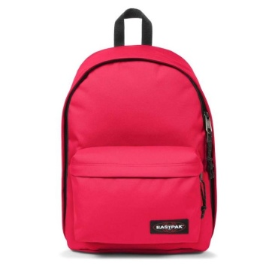 | EK000767G57 | 6 | 194905388087 | OUT OF OFFICE | 31.00 | 62.00 | EASTPAK
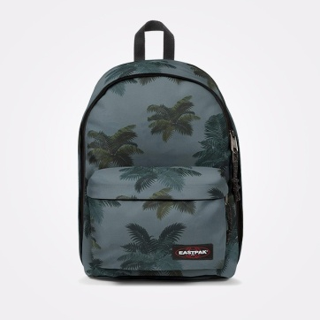 | EK000767J05 | 42 | 194905388223 | OUT OF OFFICE | 31.00 | 62.00 | EASTPAK
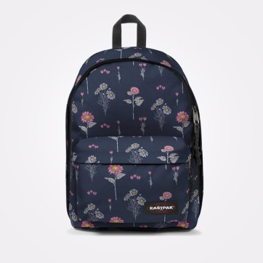 | EK000767J33 | 73 | 194905388063 | OUT OF OFFICE | 31.00 | 62.00 | EASTPAK
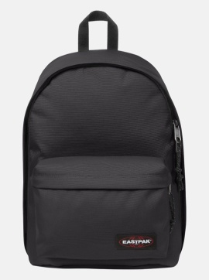 | EK000767N781 | 5 | 196010254660 | OUT OF OFFICE | 31.50 | 63.00 | EASTPAK
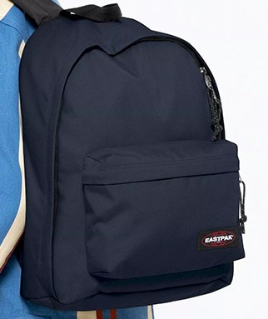 | EK000767N841 | 4 | 196010254981 | OUT OF OFFICE | 31.50 | 63.00 | EASTPAK
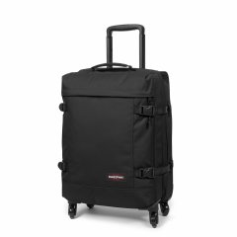 | EK00080L0081 | 5 | 5400597607500 | TRANS4 S | 87.50 | 175.00 | EASTPAK
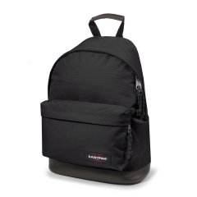 | EK0008110081 | 2 | 32546018119 | WYOMING | 35.00 | 70.00 | EASTPAK
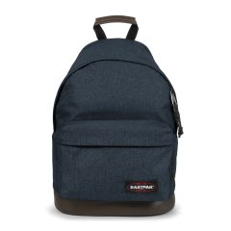 | EK00081126W1 | 2 | 5400806991239 | WYOMING | 35.00 | 70.00 | EASTPAK
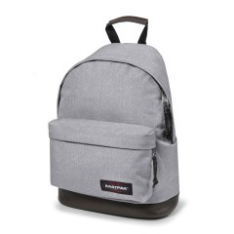 | EK0008113631 | 2 | 5414709192860 | WYOMING | 35.00 | 70.00 | EASTPAK
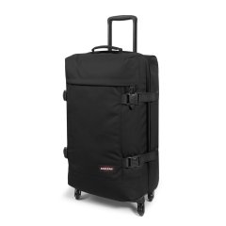 | EK00081L0081 | 8 | 5400597607555 | TRANS4 M | 97.50 | 195.00 | EASTPAK
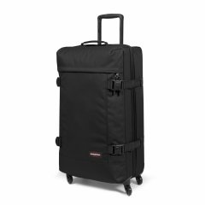 | EK00082L0081 | 8 | 5400597607609 | TRANS4 L | 107.50 | 215.00 | EASTPAK
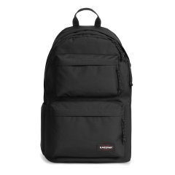 | EK0A5B7Y008 | 8 | 194905374998 | PADDED DOUBLE | 32.50 | 65.00 | EASTPAK
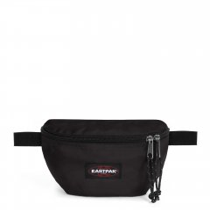 | EK0A5BA6O251 | 79 | 196010250877 | SPRINGER POWR | 10.00 | 20.00 | EASTPAK
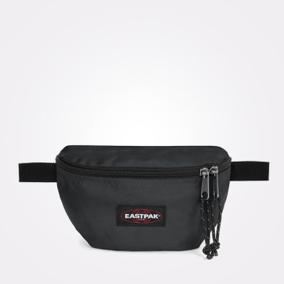 | EK0A5BA6O261 | 80 | 196010250846 | SPRINGER POWR | 10.00 | 20.00 | EASTPAK
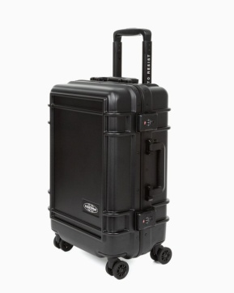 | EK0A5BJE0081 | 8 | 195441977964 | RESIST'R CASE S | 149.50 | 299.00 | EASTPAK
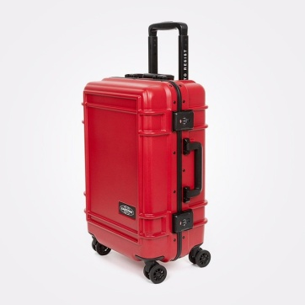 | EK0A5BJE4S01 | 2 | 195441978022 | RESIST'R CASE S | 150.00 | 300.00 | EASTPAK
 | EK00062077H1 | 255 | 5415187811465 | PADDED PAK'R Black Denim | 27.50 | 55.00 | EASTPAK
 | EK00076726W1 | 180 | 5400806990546 | OUT OF OFFICE Triple Denim | 33.50 | 67.00 | EASTPAK
 | EK0A5BAEN541 | 40 | 192827936935 | Basic Accessory Pouch | 5.00 | 10.00 | JANSPORT
 | EK0A5BAEN551 | 38 | 192827936959 | Basic Accessory Pouch | 5.00 | 10.00 | JANSPORT
 | EK0A5BAFN551 | 113 | 192827936997 | Medium Accessory Pouch | 6.00 | 12.00 | JANSPORT
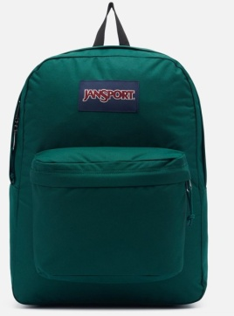 | EK0A5BAG5J41 | 208 | 194115912133 | SUPERBREAK ONE | 18.50 | 37.00 | JANSPORT
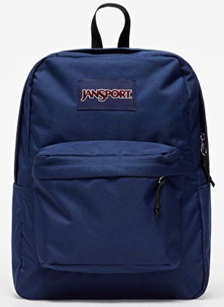 | EK0A5BAGN541 | 915 | 192827937796 | SUPERBREAK ONE | 19.00 | 38.00 | JANSPORT
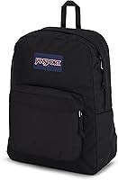 | EK0A5BAGN551 | 1243 | 192827937635 | SUPERBREAK ONE | 19.00 | 38.00 | JANSPORT
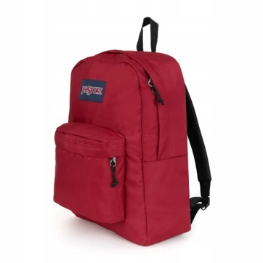 | EK0A5BAGN581 | 6 | 192827937529 | SUPERBREAK ONE | 19.00 | 38.00 | JANSPORT
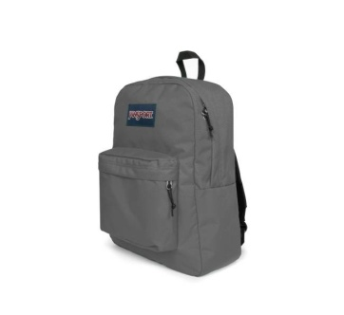 | EK0A5BAGN601 | 354 | 196011458036 | SUPERBREAK ONE | 18.50 | 37.00 | JANSPORT
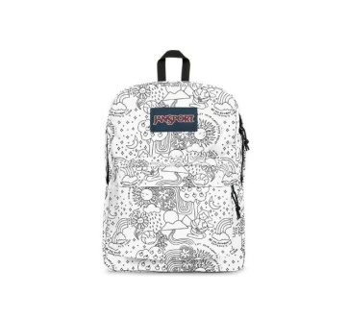 | EK0A5BAGW231 | 20 | 196011458265 | SUPERBREAK ONE | 18.00 | 36.00 | JANSPORT
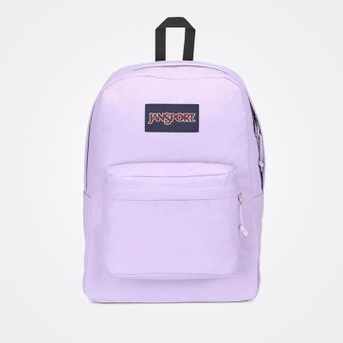 | EK0A5BAGW301 | 39 | 196249705339 | SuperBreak One | 18.50 | 37.00 | JANSPORT
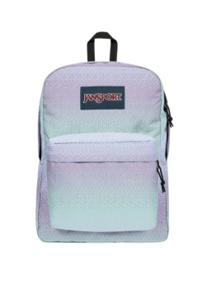 | EK0A5BAGW681 | 8 | 196248117256 | SUPERBREAK ONE | 18.00 | 36.00 | JANSPORT
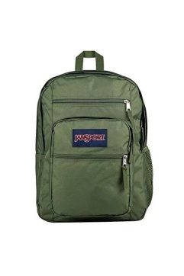 | EK0A5BAH2T31 | 100 | 196011909910 | Big Student | 29.50 | 59.00 | JANSPORT
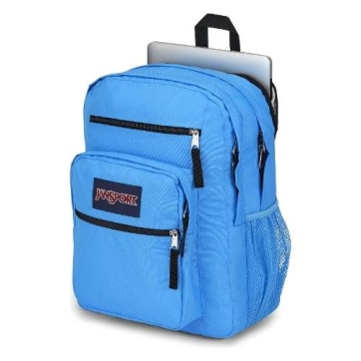 | EK0A5BAH5E31 | 18 | 196249705087 | Big Student | 29.00 | 58.00 | JANSPORT
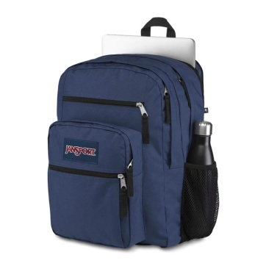 | EK0A5BAHN541 | 565 | 192827937055 | BIG STUDENT | 29.50 | 59.00 | JANSPORT
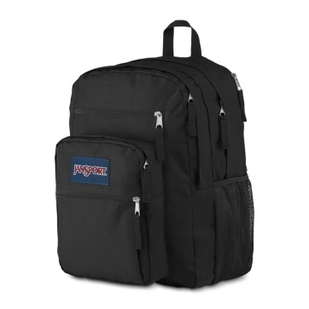 | EK0A5BAHN551 | 510 | 192827937079 | BIG STUDENT | 29.50 | 59.00 | JANSPORT
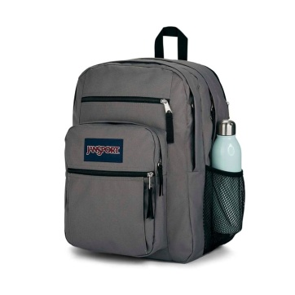 | EK0A5BAHN601 | 155 | 192827937161 | BIG STUDENT | 29.00 | 58.00 | JANSPORT
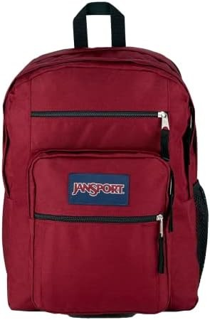 | EK0A5BAHN621 | 10 | 196011457787 | Big Student | 29.00 | 58.00 | JANSPORT
 | EK0A5BAIN591 | 6 | 192827937017 | Cross Town | 19.50 | 39.00 | JANSPORT
 | EK0A5BALN551 | 16 | 192827937390 | DRIVER 8 | 65.00 | 130.00 | JANSPORT
 | EK0A5BAON541 | 370 | 192827937611 | SuperBreak Plus | 23.00 | 46.00 | JANSPORT
 | EK0A5BAON551 | 529 | 192827937703 | SuperBreak Plus | 23.00 | 46.00 | JANSPORT
 | EK0A5BAON601 | 65 | 192827937666 | SuperBreak Plus | 23.00 | 46.00 | JANSPORT
 | EK0A5BAP3D11 | 10 | 196011909903 | Right Pack | 35.00 | 40.00 | JANSPORT
 | EK0A5BAP5J41 | 18 | 194113912869 | Right Pack | 35.00 | 70.00 | JANSPORT
 | EK0A5BAPN541 | 118 | 192827937970 | Right Pack | 35.00 | 40.00 | JANSPORT
 | EK0A5BAPN551 | 105 | 192827937895 | Right Pack | 35.00 | 70.00 | JANSPORT
 | EK0A5BAPN601 | 14 | 196009484177 | Right Pack | 35.00 | 40.00 | JANSPORT
 | EK0A5BBI1T51 | 24 | 196011909682 | Half Pint | 13.00 | 26.00 | JANSPORT
 | EK0A5BBI1T61 | 24 | 196011909927 | Half Pint | 13.00 | 26.00 | JANSPORT
 | EK0A5BBIN551 | 10 | 196009484153 | Half Pint | 13.00 | 26.00 | JANSPORT
 | EK0A5BBIN571 | 10 | 194114961842 | Half Pint | 13.00 | 26.00 | JANSPORT
 | EK0A5BBIN591 | 10 | 194114961781 | Half Pint | 13.00 | 26.00 | JANSPORT
 | EK0A5BBWN551 | 139 | 196011458081 | CORTLANDT | 29.00 | 58.00 | JANSPORT
 | EK0A5BBXN541 | 100 | 195441936022 | Flex Pack | 22.50 | 45.00 | JANSPORT
 | EK0A5BBXN551 | 100 | 196011457923 | Flex Pack | 22.50 | 45.00 | JANSPORT
 | EK0A5BBXN601 | 100 | 196011457725 | Flex Pack | 22.50 | 45.00 | JANSPORT
 | EK0A5BDSN591 | 6 | 196246684149 | Main Campus | 30.00 | 60.00 | JANSPORT
 | EK0A5BH45J71 | 6 | 194113912876 | Right Pack Expression | 37.50 | 75.00 | JANSPORT
 | EK0A5BI66K61 | 5 | 194115912676 | Hatchet | 37.50 | 75.00 | JANSPORT
 | EK0A5BI6N541 | 10 | 194114961828 | Hatchet | 37.50 | 75.00 | JANSPORT
 | EK0A5BI6N551 | 10 | 194114961859 | Hatchet | 37.50 | 75.00 | JANSPORT
 | EK0A5BI7N551 | 10 | 194115912140 | Union Pack | 10.00 | 20.00 | JANSPORT
 | EK0A5BLBN541 | 300 | 198265402841 | Cross Town Plus | 21.00 | 42.00 | JANSPORT
 | EK0A5BLBN551 | 300 | 198265403084 | Cross Town Plus | 21.00 | 42.00 | JANSPORT
 | EK0A5BLBN601 | 100 | 198265402988 | Cross Town Plus | 21.00 | 42.00 | JANSPORT
 | EK0A5BLEN541 | 100 | 198265402247 | Big Day Pack | 29.50 | 59.00 | JANSPORT
 | EK0A5BLEN551 | 150 | 198265402186 | Big Day Pack | 29.50 | 59.00 | JANSPORT
 | EK0A5BALN621 | 6 | 192827937338 | Driver 8 | 65.00 | 130.00 | JANSPORT
 | EK0A5BDS5Z11 | 6 | 196012915941 | Main Campus | 30.00 | 60.00 | JANSPORT
 | EK0A5BAPN621 | 8 | 196010503416 | Right Pack | 35.00 | 70.00 | JANSPORT
 | EK0A5BAOA0N1 | 8 | 196248928937 | SuperBreak Plus | 23.00 | 46.00 | JANSPORT
 | EK0A5BAO5Z31 | 8 | 196013950583 | SuperBreak Plus | 23.00 | 46.00 | JANSPORT
 | EK0A5BAJN601 | 50 | 192827937833 | Union Pack | 25.00 | 50.00 | JANSPORT
 | EK0A5BAJN551 | 50 | 192827937918 | Union Pack | 25.00 | 50.00 | JANSPORT
 | EK0A5BAG8Z11 | 100 | 196248929569 | SuperBreak One | 19.00 | 38.00 | JANSPORT
 | EK0A5BNRN551 | 10 | 196248928920 | Agave | 49.50 | 99.00 | JANSPORT
 | EK0A5BN35Z31 | 6 | 196012916726 | All Around Pack 28L | 57.50 | 115.00 | JANSPORT
 | EK0A5BLIA0T1 | 6 | 196248929408 | Skip Pack | 36.00 | 72.00 | JANSPORT
 | EK0A5BLE8Z11 | 50 | 196248929576 | Big Day Pack | 29.50 | 59.00 | JANSPORT
 | EK0A5BLB2T31 | 100 | 198265403114 | Cross Town Plus | 21.00 | 42.00 | JANSPORT
 | EK0A5BLB0W61 | 100 | 198265403022 | Cross Town Plus | 21.00 | 42.00 | JANSPORT
 | EK0A5BJZA0T1 | 5 | 196248929125 | Seattle Pack | 47.50 | 95.00 | JANSPORT
 | EK0A5BDS5Z31 | 6 | 196248929149 | Main Campus | 30.00 | 60.00 | JANSPORT
 | EK0A5BLB2T31 | 100 | 198265403114 | Cross Town Plus | 21.00 | 42.00 | JANSPORT
 | EK0A5BLB0W61 | 100 | 198265403022 | Cross Town Plus | 21.00 | 42.00 | JANSPORT

