EP+JS
Photo | Brand | SKU | Description | EAN | Qty. | WHS | RRP | Order
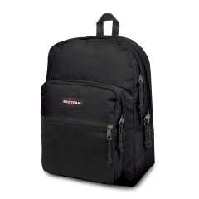 | EASTPAK | EK0000600081 | PINNACLE | 32546003252 | 2 | 47.50 € | 95.00 €
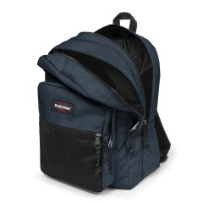 | EASTPAK | EK00006026W1 | PINNACLE | 5400806988130 | 2 | 47.50 € | 95.00 €
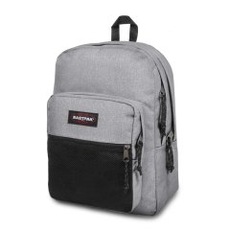 | EASTPAK | EK0000603631 | PINNACLE | 5414709188351 | 2 | 47.50 € | 95.00 €
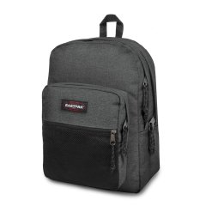 | EASTPAK | EK00006077H1 | PINNACLE | 5415187810536 | 2 | 47.50 € | 95.00 €
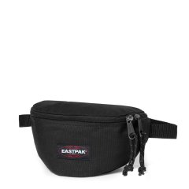 | EASTPAK | EK0000740081 | SPRINGER | 32546839196 | 20 | 14.00 € | 28.00 €
 | EASTPAK | EK000074J08 | SPRINGER | 194905375995 | 16 | 13.50 € | 27.00 €
 | EASTPAK | EK000074J24 | SPRINGER | 194905375872 | 10 | 13.50 € | 27.00 €
 | EASTPAK | EK000074L43 | SPRINGER | 195439216723 | 20 | 15.00 € | 30.00 €
 | EASTPAK | EK000074L45 | SPRINGER | 195439216587 | 20 | 15.00 € | 30.00 €
 | EASTPAK | EK000074O351 | SPRINGER | 196010251553 | 8 | 13.50 € | 27.00 €
 | EASTPAK | EK000074O361 | SPRINGER | 196010251508 | 8 | 13.50 € | 27.00 €
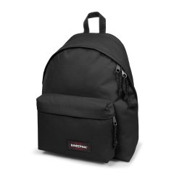 | EASTPAK | EK0006200081 | PADDED PAK'R | 32546446202 | 309 | 27.50 € | 55.00 €
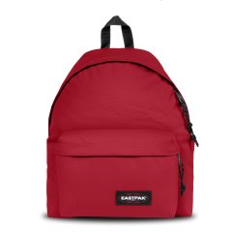 | EASTPAK | EK0006201O91 | PADDED PAK'R | 195439949867 | 24 | 27.50 € | 55.00 €
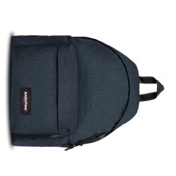 | EASTPAK | EK00062026W1 | PADDED PAK'R | 5400806663433 | 405 | 27.50 € | 55.00 €
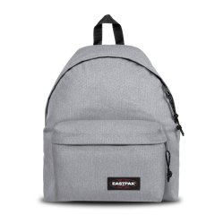 | EASTPAK | EK0006203631 | PADDED PAK'R | 5414709190743 | 255 | 27.50 € | 55.00 €
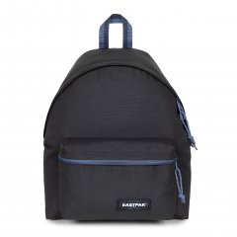 | EASTPAK | EK0006208S61 | PADDED PAK'R | 196011996453 | 25 | 27.50 € | 55.00 €
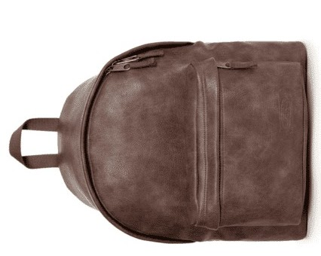 | EASTPAK | EK000620J01 | PADDED PAK'R | 194905389015 | 24 | 45.00 € | 90.00 €
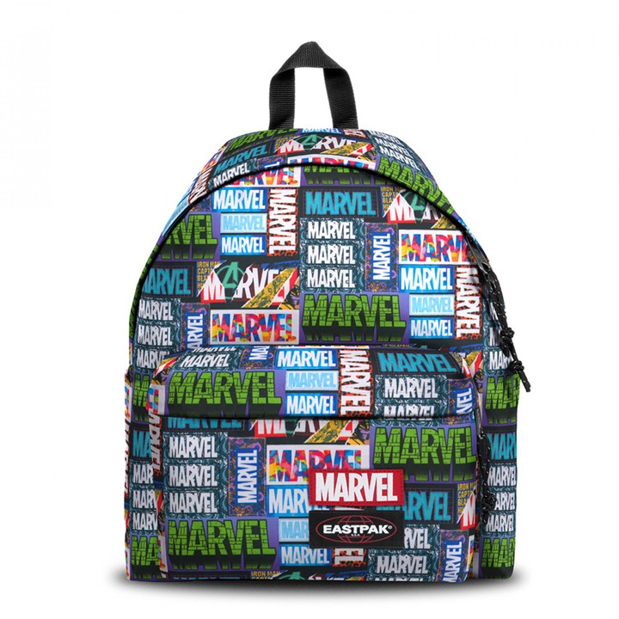 | EASTPAK | EK000620L45 | PADDED PAK'R | 195439216709 | 3 | 28.00 € | 56.00 €
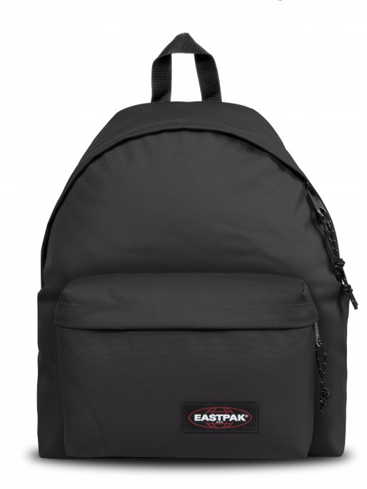 | EASTPAK | EK000620N781 | PADDED PAK'R | 196010248799 | 6 | 25.00 € | 50.00 €
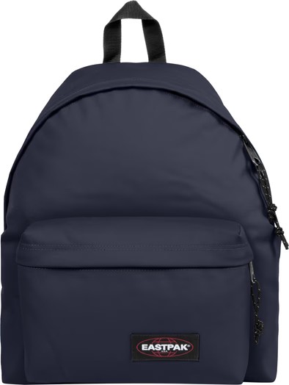 | EASTPAK | EK000620N841 | PADDED PAK'R | 196010248089 | 6 | 25.00 € | 50.00 €
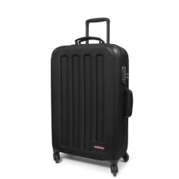 | EASTPAK | EK00074F0081 | TRANZSHELL M | 5400516189971 | 15 | 120.00 € | 240.00 €
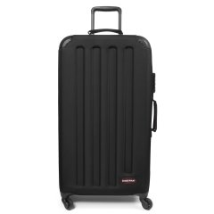 | EASTPAK | EK00075F0081 | TRANZSHELL L | 5400516190014 | 14 | 130.00 € | 260.00 €
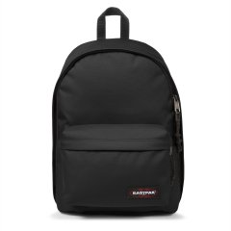 | EASTPAK | EK000767008 | OUT OF OFFICE | 5414709192389 | 176 | 32.50 € | 65.00 €
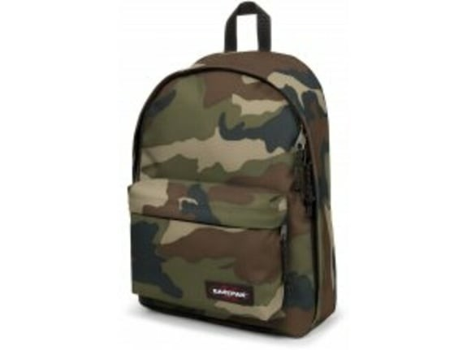 | EASTPAK | EK000767181 | OUT OF OFFICE | 5400552959620 | 2 | 31.00 € | 62.00 €
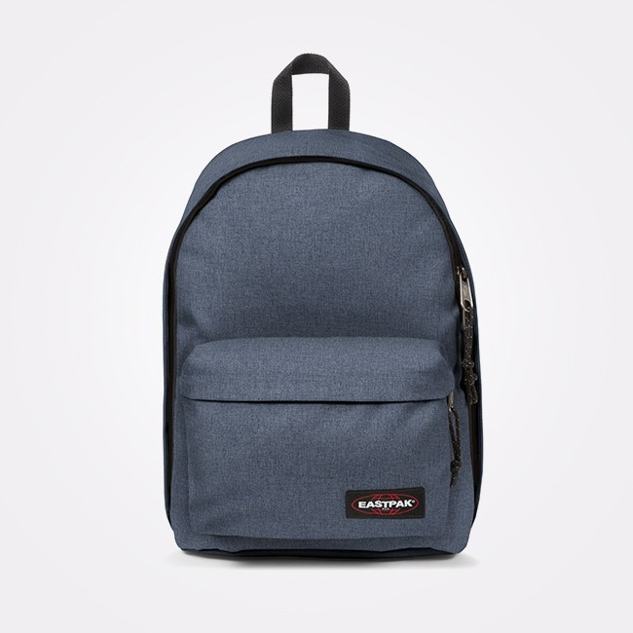 | EASTPAK | EK00076742X1 | OUT OF OFFICE | 5400852542218 | 5 | 31.50 € | 63.00 €
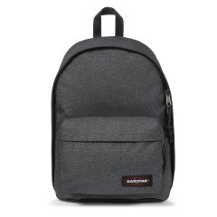 | EASTPAK | EK00076777H | OUT OF OFFICE | 5415187811946 | 185 | 32.50 € | 65.00 €
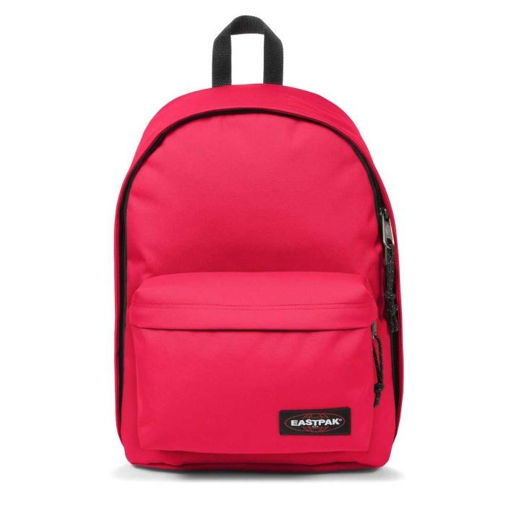 | EASTPAK | EK000767G57 | OUT OF OFFICE | 194905388087 | 6 | 31.00 € | 62.00 €
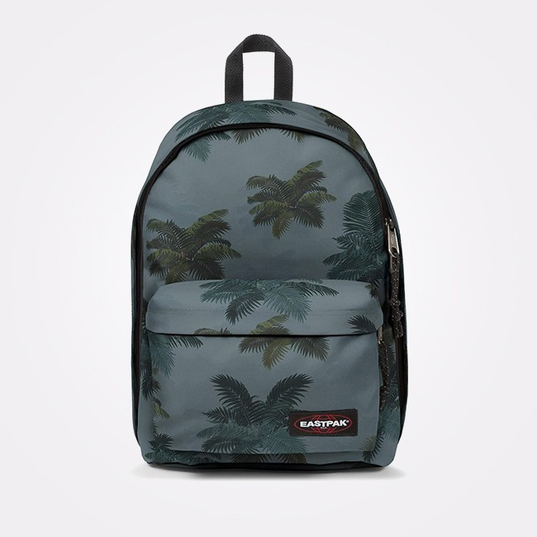 | EASTPAK | EK000767J05 | OUT OF OFFICE | 194905388223 | 42 | 31.00 € | 62.00 €
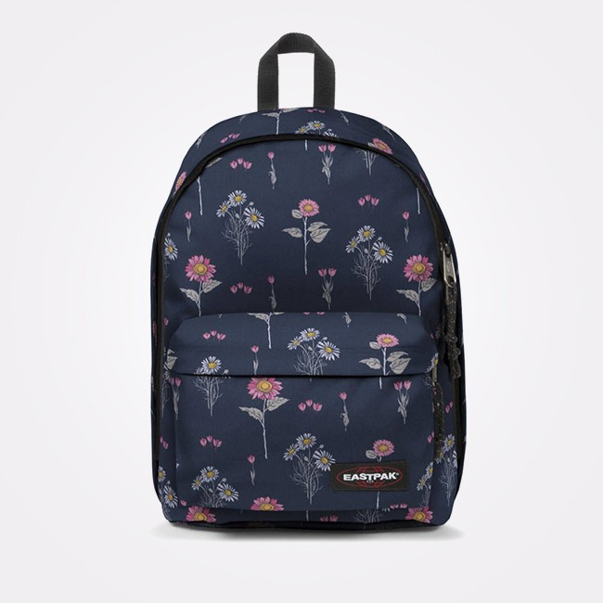 | EASTPAK | EK000767J33 | OUT OF OFFICE | 194905388063 | 73 | 31.00 € | 62.00 €
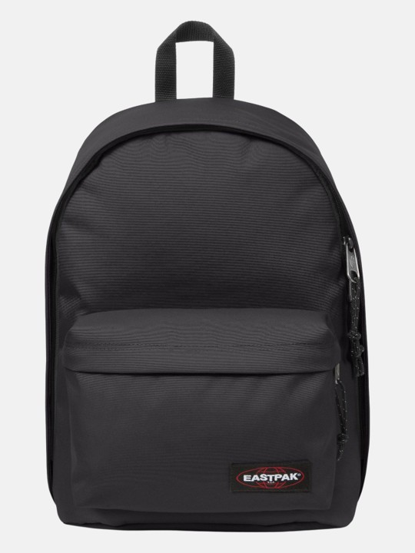 | EASTPAK | EK000767N781 | OUT OF OFFICE | 196010254660 | 5 | 31.50 € | 63.00 €
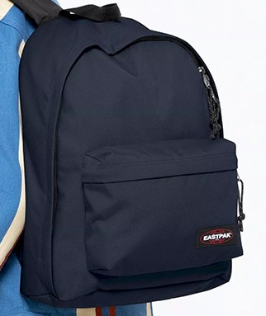 | EASTPAK | EK000767N841 | OUT OF OFFICE | 196010254981 | 4 | 31.50 € | 63.00 €
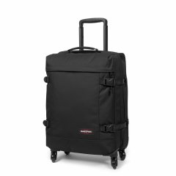 | EASTPAK | EK00080L0081 | TRANS4 S | 5400597607500 | 5 | 87.50 € | 175.00 €
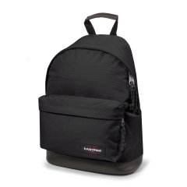 | EASTPAK | EK0008110081 | WYOMING | 32546018119 | 2 | 35.00 € | 70.00 €
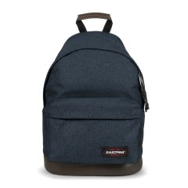 | EASTPAK | EK00081126W1 | WYOMING | 5400806991239 | 2 | 35.00 € | 70.00 €
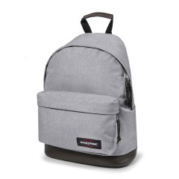 | EASTPAK | EK0008113631 | WYOMING | 5414709192860 | 2 | 35.00 € | 70.00 €
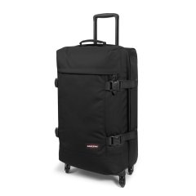 | EASTPAK | EK00081L0081 | TRANS4 M | 5400597607555 | 8 | 97.50 € | 195.00 €
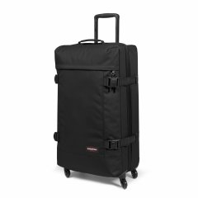 | EASTPAK | EK00082L0081 | TRANS4 L | 5400597607609 | 8 | 107.50 € | 215.00 €
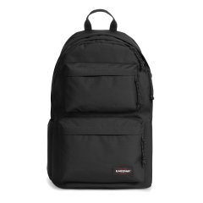 | EASTPAK | EK0A5B7Y008 | PADDED DOUBLE | 194905374998 | 8 | 32.50 € | 65.00 €
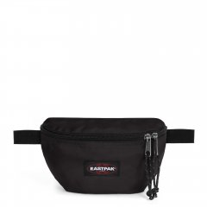 | EASTPAK | EK0A5BA6O251 | SPRINGER POWR | 196010250877 | 79 | 10.00 € | 20.00 €
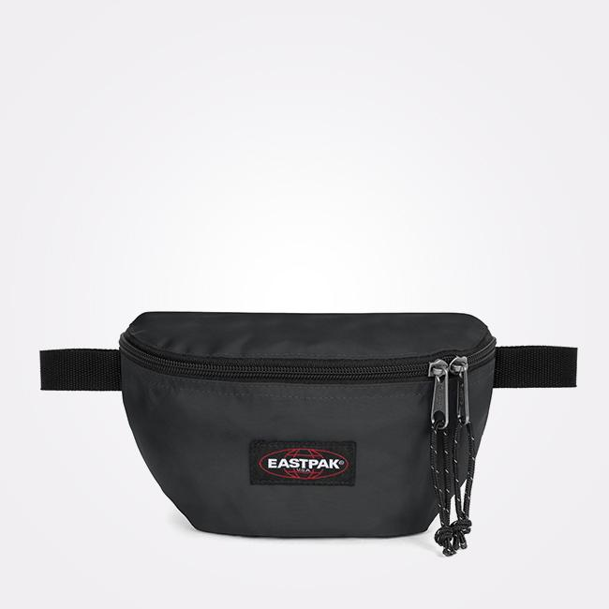 | EASTPAK | EK0A5BA6O261 | SPRINGER POWR | 196010250846 | 80 | 10.00 € | 20.00 €
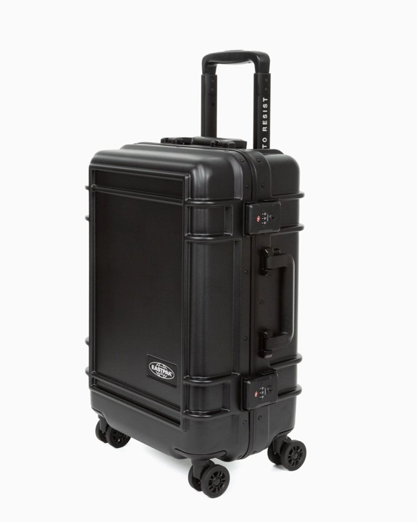 | EASTPAK | EK0A5BJE0081 | RESIST'R CASE S | 195441977964 | 8 | 149.50 € | 299.00 €
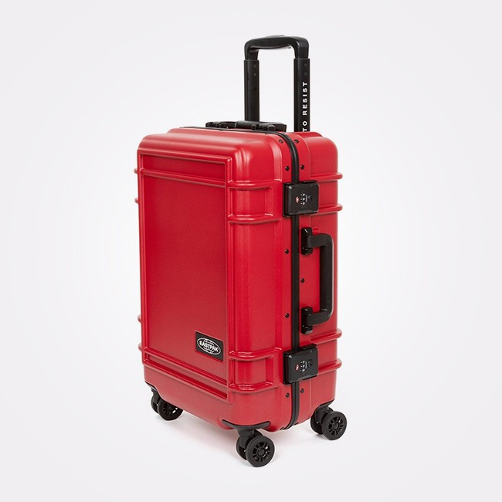 | EASTPAK | EK0A5BJE4S01 | RESIST'R CASE S | 195441978022 | 2 | 150.00 € | 300.00 €
 | EASTPAK | EK00062077H1 | PADDED PAK'R Black Denim | 5415187811465 | 255 | 27.50 € | 55.00 €
 | EASTPAK | EK00076726W1 | OUT OF OFFICE Triple Denim | 5400806990546 | 180 | 33.50 € | 67.00 €
 | JANSPORT | EK0A5BAEN541 | Basic Accessory Pouch | 192827936935 | 40 | 5.00 € | 10.00 €
 | JANSPORT | EK0A5BAEN551 | Basic Accessory Pouch | 192827936959 | 38 | 5.00 € | 10.00 €
 | JANSPORT | EK0A5BAFN551 | Medium Accessory Pouch | 192827936997 | 113 | 6.00 € | 12.00 €
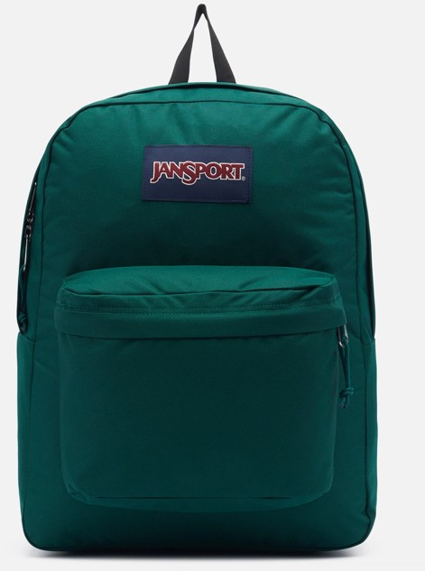 | JANSPORT | EK0A5BAG5J41 | SUPERBREAK ONE | 194115912133 | 208 | 18.50 € | 37.00 €
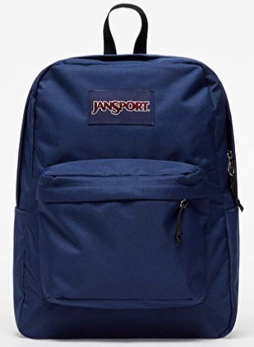 | JANSPORT | EK0A5BAGN541 | SUPERBREAK ONE | 192827937796 | 915 | 19.00 € | 38.00 €
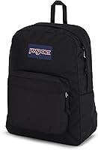 | JANSPORT | EK0A5BAGN551 | SUPERBREAK ONE | 192827937635 | 1243 | 19.00 € | 38.00 €
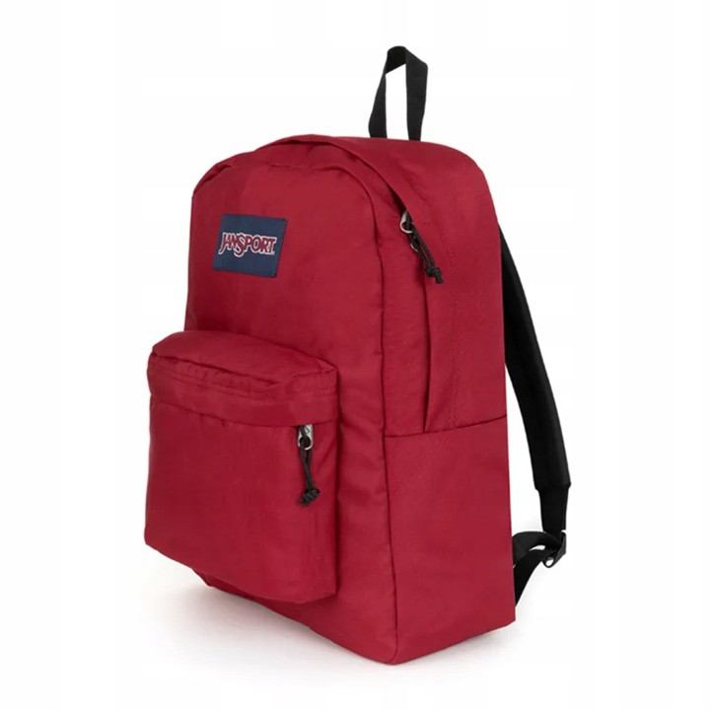 | JANSPORT | EK0A5BAGN581 | SUPERBREAK ONE | 192827937529 | 6 | 19.00 € | 38.00 €
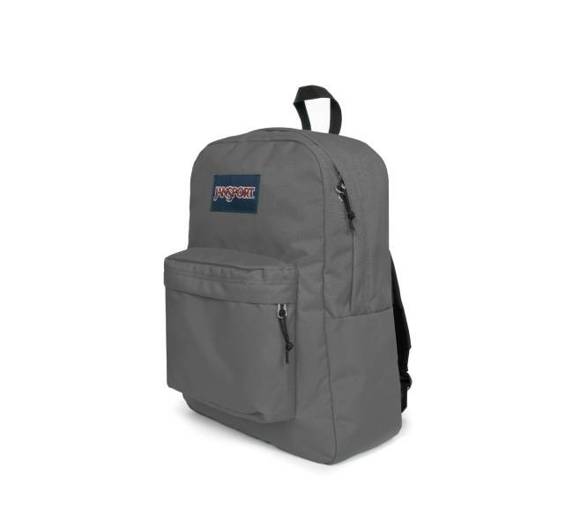 | JANSPORT | EK0A5BAGN601 | SUPERBREAK ONE | 196011458036 | 354 | 18.50 € | 37.00 €
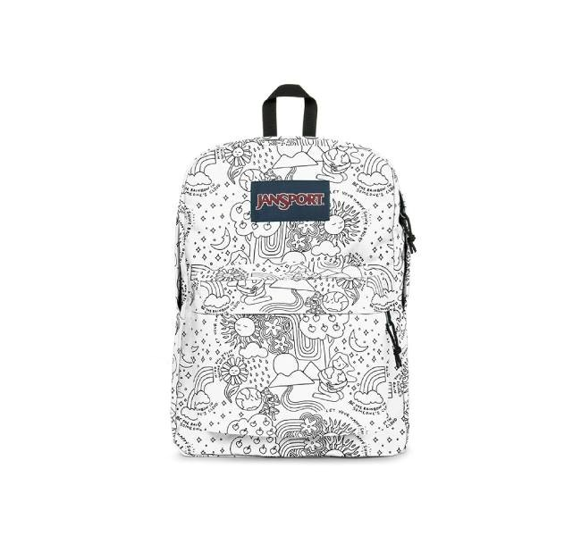 | JANSPORT | EK0A5BAGW231 | SUPERBREAK ONE | 196011458265 | 20 | 18.00 € | 36.00 €
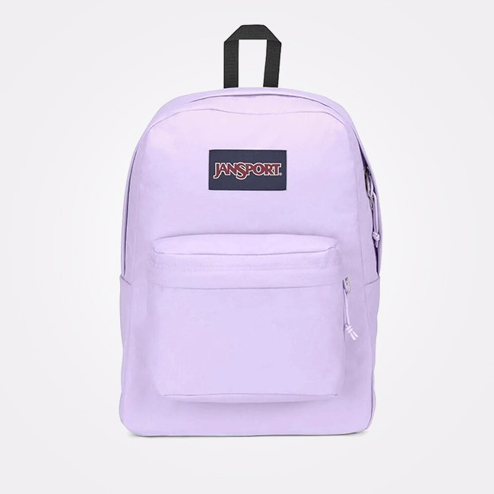 | JANSPORT | EK0A5BAGW301 | SuperBreak One | 196249705339 | 39 | 18.50 € | 37.00 €
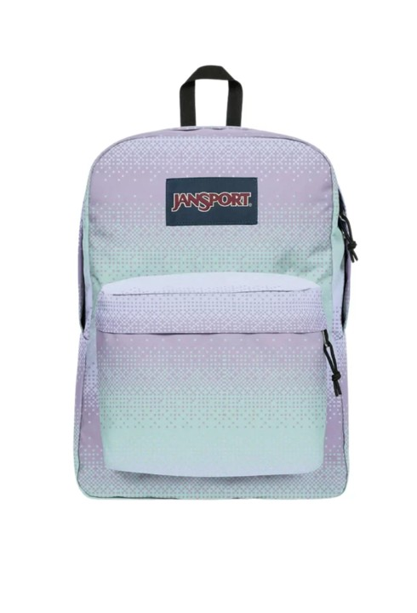 | JANSPORT | EK0A5BAGW681 | SUPERBREAK ONE | 196248117256 | 8 | 18.00 € | 36.00 €
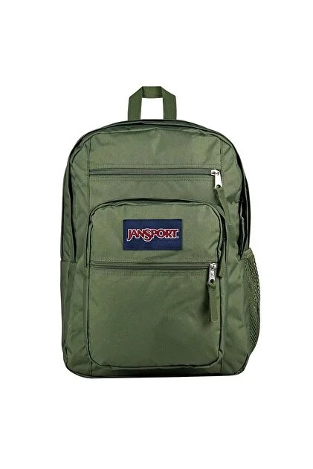 | JANSPORT | EK0A5BAH2T31 | Big Student | 196011909910 | 100 | 29.50 € | 59.00 €
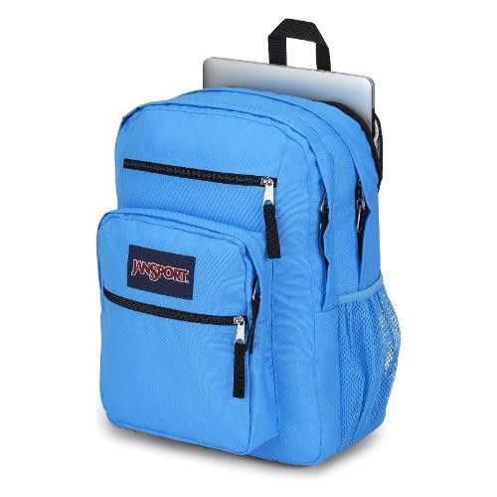 | JANSPORT | EK0A5BAH5E31 | Big Student | 196249705087 | 18 | 29.00 € | 58.00 €
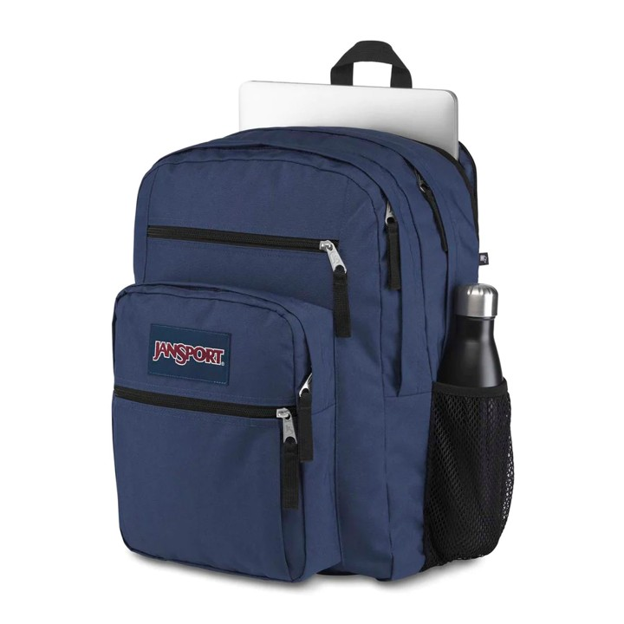 | JANSPORT | EK0A5BAHN541 | BIG STUDENT | 192827937055 | 565 | 29.50 € | 59.00 €
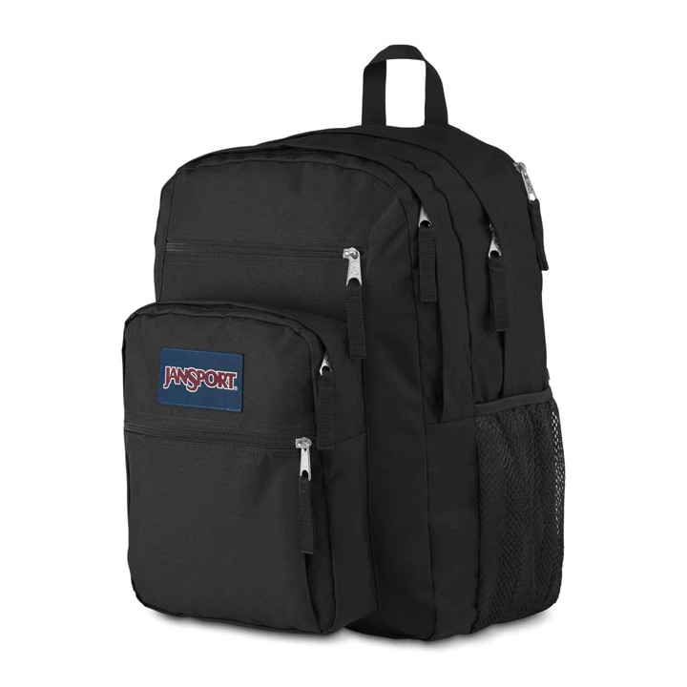 | JANSPORT | EK0A5BAHN551 | BIG STUDENT | 192827937079 | 510 | 29.50 € | 59.00 €
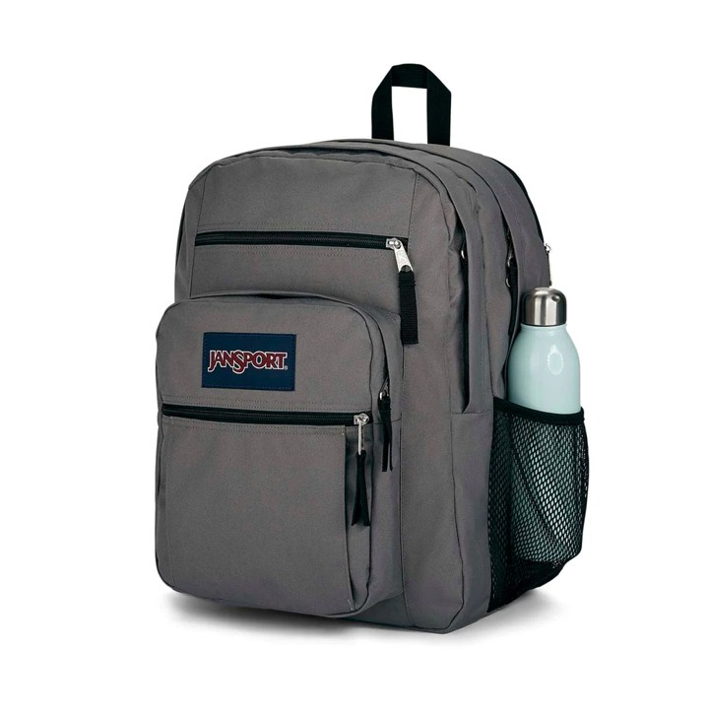 | JANSPORT | EK0A5BAHN601 | BIG STUDENT | 192827937161 | 155 | 29.00 € | 58.00 €
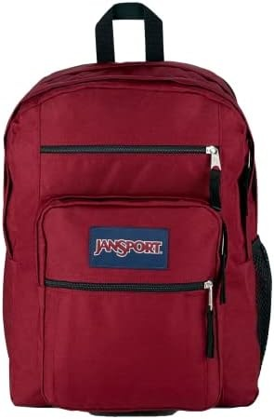 | JANSPORT | EK0A5BAHN621 | Big Student | 196011457787 | 10 | 29.00 € | 58.00 €
 | JANSPORT | EK0A5BAIN591 | Cross Town | 192827937017 | 6 | 19.50 € | 39.00 €
 | JANSPORT | EK0A5BALN551 | DRIVER 8 | 192827937390 | 16 | 65.00 € | 130.00 €
 | JANSPORT | EK0A5BAON541 | SuperBreak Plus | 192827937611 | 370 | 23.00 € | 46.00 €
 | JANSPORT | EK0A5BAON551 | SuperBreak Plus | 192827937703 | 529 | 23.00 € | 46.00 €
 | JANSPORT | EK0A5BAON601 | SuperBreak Plus | 192827937666 | 65 | 23.00 € | 46.00 €
 | JANSPORT | EK0A5BAP3D11 | Right Pack | 196011909903 | 10 | 35.00 € | 40.00 €
 | JANSPORT | EK0A5BAP5J41 | Right Pack | 194113912869 | 18 | 35.00 € | 70.00 €
 | JANSPORT | EK0A5BAPN541 | Right Pack | 192827937970 | 118 | 35.00 € | 40.00 €
 | JANSPORT | EK0A5BAPN551 | Right Pack | 192827937895 | 105 | 35.00 € | 70.00 €
 | JANSPORT | EK0A5BAPN601 | Right Pack | 196009484177 | 14 | 35.00 € | 40.00 €
 | JANSPORT | EK0A5BBI1T51 | Half Pint | 196011909682 | 24 | 13.00 € | 26.00 €
 | JANSPORT | EK0A5BBI1T61 | Half Pint | 196011909927 | 24 | 13.00 € | 26.00 €
 | JANSPORT | EK0A5BBIN551 | Half Pint | 196009484153 | 10 | 13.00 € | 26.00 €
 | JANSPORT | EK0A5BBIN571 | Half Pint | 194114961842 | 10 | 13.00 € | 26.00 €
 | JANSPORT | EK0A5BBIN591 | Half Pint | 194114961781 | 10 | 13.00 € | 26.00 €
 | JANSPORT | EK0A5BBWN551 | CORTLANDT | 196011458081 | 139 | 29.00 € | 58.00 €
 | JANSPORT | EK0A5BBXN541 | Flex Pack | 195441936022 | 100 | 22.50 € | 45.00 €
 | JANSPORT | EK0A5BBXN551 | Flex Pack | 196011457923 | 100 | 22.50 € | 45.00 €
 | JANSPORT | EK0A5BBXN601 | Flex Pack | 196011457725 | 100 | 22.50 € | 45.00 €
 | JANSPORT | EK0A5BDSN591 | Main Campus | 196246684149 | 6 | 30.00 € | 60.00 €
 | JANSPORT | EK0A5BH45J71 | Right Pack Expression | 194113912876 | 6 | 37.50 € | 75.00 €
 | JANSPORT | EK0A5BI66K61 | Hatchet | 194115912676 | 5 | 37.50 € | 75.00 €
 | JANSPORT | EK0A5BI6N541 | Hatchet | 194114961828 | 10 | 37.50 € | 75.00 €
 | JANSPORT | EK0A5BI6N551 | Hatchet | 194114961859 | 10 | 37.50 € | 75.00 €
 | JANSPORT | EK0A5BI7N551 | Union Pack | 194115912140 | 10 | 10.00 € | 20.00 €
 | JANSPORT | EK0A5BLBN541 | Cross Town Plus | 198265402841 | 300 | 21.00 € | 42.00 €
 | JANSPORT | EK0A5BLBN551 | Cross Town Plus | 198265403084 | 300 | 21.00 € | 42.00 €
 | JANSPORT | EK0A5BLBN601 | Cross Town Plus | 198265402988 | 100 | 21.00 € | 42.00 €
 | JANSPORT | EK0A5BLEN541 | Big Day Pack | 198265402247 | 100 | 29.50 € | 59.00 €
 | JANSPORT | EK0A5BLEN551 | Big Day Pack | 198265402186 | 150 | 29.50 € | 59.00 €
 | JANSPORT | EK0A5BALN621 | Driver 8 | 192827937338 | 6 | 65.00 € | 130.00 €
 | JANSPORT | EK0A5BDS5Z11 | Main Campus | 196012915941 | 6 | 30.00 € | 60.00 €
 | JANSPORT | EK0A5BAPN621 | Right Pack | 196010503416 | 8 | 35.00 € | 70.00 €
 | JANSPORT | EK0A5BAOA0N1 | SuperBreak Plus | 196248928937 | 8 | 23.00 € | 46.00 €
 | JANSPORT | EK0A5BAO5Z31 | SuperBreak Plus | 196013950583 | 8 | 23.00 € | 46.00 €
 | JANSPORT | EK0A5BAJN601 | Union Pack | 192827937833 | 50 | 25.00 € | 50.00 €
 | JANSPORT | EK0A5BAJN551 | Union Pack | 192827937918 | 50 | 25.00 € | 50.00 €
 | JANSPORT | EK0A5BAG8Z11 | SuperBreak One | 196248929569 | 100 | 19.00 € | 38.00 €
 | JANSPORT | EK0A5BNRN551 | Agave | 196248928920 | 10 | 49.50 € | 99.00 €
 | JANSPORT | EK0A5BN35Z31 | All Around Pack 28L | 196012916726 | 6 | 57.50 € | 115.00 €
 | JANSPORT | EK0A5BLIA0T1 | Skip Pack | 196248929408 | 6 | 36.00 € | 72.00 €
 | JANSPORT | EK0A5BLE8Z11 | Big Day Pack | 196248929576 | 50 | 29.50 € | 59.00 €
 | JANSPORT | EK0A5BLB2T31 | Cross Town Plus | 198265403114 | 100 | 21.00 € | 42.00 €
 | JANSPORT | EK0A5BLB0W61 | Cross Town Plus | 198265403022 | 100 | 21.00 € | 42.00 €
 | JANSPORT | EK0A5BJZA0T1 | Seattle Pack | 196248929125 | 5 | 47.50 € | 95.00 €
 | JANSPORT | EK0A5BDS5Z31 | Main Campus | 196248929149 | 6 | 30.00 € | 60.00 €
 | JANSPORT | EK0A5BLB2T31 | Cross Town Plus | 198265403114 | 100 | 21.00 € | 42.00 €
 | JANSPORT | EK0A5BLB0W61 | Cross Town Plus | 198265403022 | 100 | 21.00 € | 42.00 €
 |  |  |  |  | 10159

