Worksheet
IMAGE | SKU | BRAND | PRODUCT | GROUP | SEASON | GENDER | COLOR | COMPOSITION | DESC_EN | MADE_IN_CODE | FINISH | RETAIL PRICE | TOTAL RETAIL | TOT.QTY | TU | XS | S | M | L | XL | XXL | 27 | 35 | 38 | 39 | 40 | 41 | 42 | 43 | 48
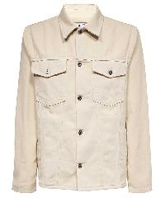 | OMYD046S23DEN003_0170 | Off-White | SHIRT | Clothing | SS | M | WHITE GREEN FLUO | 100% CO |  | IT |  | € 1495.00 | € 2990.00 | 2 |  |  |  | 1 | 1
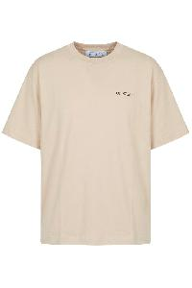 | 44OWOS26T077_272 | Off-White | Beige cotton soft versatile T-shirt | Clothing | SS | Male | beige | 100% CO | T-shirt made of soft cotton in beige color, with short sleeves and a round neckline. The front features a discreet print on the chest, while the simple and casual design makes it versatile for various occasions. The loose fit offers comfort and freedom of movement, making it ideal for everyday use.; 100% Cotton | PT |  | € 350.00 | € 96600.00 | 276 |  | 20 | 38 | 78 | 80 | 40 | 20
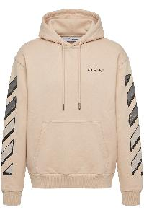 | 44OWOS26K077_272 | Off-White | Beige modern and casual hoodie | Clothing | SS | Male | beige | 100% CO | This hoodie features a modern and casual design, made from a soft fabric that ensures comfort. It is available in a light beige shade, characterized by long sleeves with distinctive striped graphics. The hood is equipped with adjustable drawstrings, while the front is enhanced with a discreet logo. Ideal for an informal look, it can be easily paired with jeans or sporty pants. Perfect for cool days, it offers both style and practicality.; 100% Cotton | PT |  | € 750.00 | € 156750.00 | 209 |  | 15 | 30 | 59 | 60 | 30 | 15
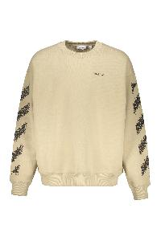 | 44MBA054G5F00B_6110 | Off-White | Beige sweatshirt with diagonal stripes | Clothing | FW | Male | beige | 100% CO | Sweatshirt in beige tones, featuring long sleeves with a diagonal stripe design. It has a crew neck and a comfortable fit, ideal for everyday use. Made with soft materials, it offers comfort and warmth, perfect for the autumn and winter seasons. Brand details are visible on the chest, adding a distinctive touch to the garment. Suitable for casual and sporty looks, this sweatshirt is a versatile addition to your wardrobe.; 100% Cotton | PT |  | € 650.00 | € 4550.00 | 7 |  |  |  |  | 2 | 5
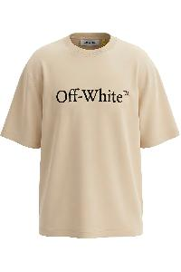 | 44OWOS26T071_272 | Off-White | Beige T-shirt with logo and comfortable short sleeves | Clothing | SS | Male | beige | 100% CO | Beige T-shirt with short sleeves and a comfortable fit. The shirt features a graphic logo printed on the front in a distinctive font. The fabric is soft and light, ideal for everyday use. Perfect for completing a casual look, it easily matches different styles and outfits. Available in various sizes.; 100% Cotton | PT |  | € 325.00 | € 83525.00 | 257 |  | 19 | 38 | 73 | 74 | 36 | 17
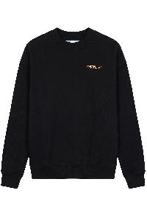 | 44OWOS26K075_001 | Off-White | Black Comfortable Sweater with Graphic Application | Clothing | SS | Male | nero | 100% CO | Pullover in solid black, characterized by a comfortable fit and long sleeves. It features a round collar and a small graphic application on the chest, adding a touch of discreet style. Made from a soft and breathable material, it is ideal for a casual and versatile look, perfect for both everyday use and more relaxed occasions. Available in various sizes.; 100% Cotton | PT |  | € 550.00 | € 78100.00 | 142 |  | 13 | 20 | 39 | 40 | 20 | 10
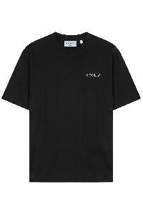 | 44OWOS26T082_001 | Off-White | Black cotton T-shirt with logo | Clothing | SS | Male | nero | 100% CO | T-shirt made of 100% cotton in black, characterized by a comfortable fit and short sleeves. It features a minimalist design with a small embroidered logo on the chest. Ideal for a casual and versatile look, this t-shirt is easy to match with any outfit. Available in different sizes.; 100% Cotton | PT |  | € 350.00 | € 59150.00 | 169 |  | 12 | 21 | 45 | 48 | 24 | 19
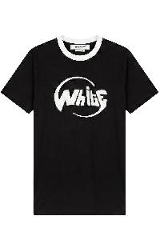 | 44OWOS26T084_001 | Off-White | Black cotton T-shirt with stylized detail | Clothing | SS | Male | nero | 100% CO | T-shirt made of cotton in black with contrasting detail on the collar. It features a graphic design printed on the front, with a stylized writing. This item is ideal for a casual look and can be easily matched with different outfits. The fit is comfortable, suitable for everyday use.; 100% Cotton | PT |  | € 325.00 | € 80925.00 | 249 |  | 18 | 38 | 63 | 76 | 36 | 18
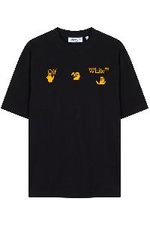 | 44OWOS26T056_713 | Off-White | Black cotton t-shirt with yellow details | Clothing | SS | Male | nero | 100% CO | Black t-shirt, made from soft cotton, with a classic cut and short sleeves. It features a front design characterized by decorative elements in yellow tones, which give a touch of liveliness to the garment. Its comfortable fit makes it ideal for everyday use, perfect for pairing with different styles, from casual to more refined. Available in various sizes to fit every silhouette.; 100% Cotton | PT |  | € 325.00 | € 52000.00 | 160 |  | 8 | 17 | 47 | 51 | 25 | 12
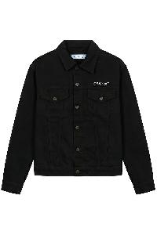 | 44OWOS26D100_001 | Off-White | Black denim jacket | Clothing | SS | Male | nero | 100% CO | Black denim jacket with front button closure and classic collar. Features two patch pockets on the chest and long sleeves. The design is modern and versatile, suitable for various occasions. Made from sturdy fabric, it offers comfort and style. Minimalist details with discreet logo on the chest. Available in various sizes.; 100% Cotton | TR |  | € 1195.00 | € 154155.00 | 129 |  | 10 | 15 | 39 | 40 | 15 | 10
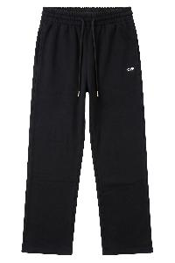 | 44OWOS26B076_001 | Off-White | Black elastic sports pants, comfortable and versatile | Clothing | SS | Male | nero | 100% CO | Sports trousers in black fabric, characterized by a comfortable and practical fit. The waist is equipped with an elastic that ensures an adjustable fit. The trousers feature a simple and versatile design, suitable for sports activities or leisure time. Perfect for anyone looking for comfort without compromising style. Ideal for pairing with t-shirts and hoodies. Available in a range of sizes.; 100% Cotton | PT |  | € 450.00 | € 87300.00 | 194 |  | 13 | 28 | 56 | 57 | 27 | 13
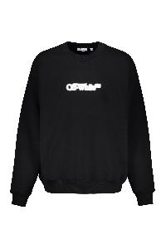 | 44MBA054G5F00C_1001 | Off-White | Black elegant minimalist sweatshirt with white logo | Clothing | FW | Male | nero | 100% CO | Black sweatshirt with a modern and minimalist design, featuring a round collar and long sleeves. The logo is printed on the front in white, providing an elegant and eye-catching contrast. Made from soft fabric, it ensures comfort and versatility, perfect for everyday use or informal occasions. Available in different sizes, it easily pairs with various looks.; 100% Cotton | PT |  | € 695.00 | € 59770.00 | 86 |  | 3 | 2 | 36 | 27 | 18
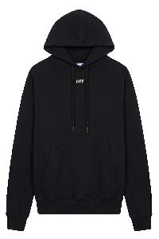 | 44OWOS26K079_001 | Off-White | Black hoodie | Clothing | SS | Male | nero | 100% CO | Hoodie in black color, made of soft and comfortable material. Equipped with a front kangaroo pocket and adjustable laces for the hood. Simple and versatile design, ideal for a casual look or outdoor activities. Available in different sizes to fit every silhouette. Perfect for leisure time and everyday clothing.; 100% Cotton | PT |  | € 750.00 | € 156750.00 | 209 |  | 15 | 30 | 59 | 60 | 30 | 15
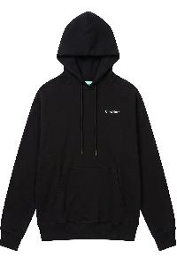 | 44OWOS26K082_001 | Off-White | Black hoodie in soft cotton | Clothing | SS | Male | nero | 100% CO | Hooded sweatshirt in black, made from soft cotton to ensure comfort and warmth. It features a simple and clean design, with a front zipper closure and side pockets. The hood is adjustable, adding practicality and style. Ideal for a casual and informal look, perfect for any season. Available in different sizes to meet everyone's needs.; 100% Cotton | PT |  | € 750.00 | € 161250.00 | 215 |  | 8 | 40 | 32 | 27 | 49 | 59
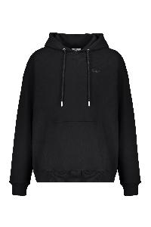 | 44MBB085G5F008_1010 | Off-White | Black hoodie sweatshirt | Clothing | FW | Male | nero | 100% CO | Fila a black hoodie, characterized by a simple and clean design. Made from soft and comfortable material, it features a loose fit for easy wearability. It has an adjustable hood with drawstrings and a large front pocket. The long sleeves provide additional protection, while the black color makes it versatile and easy to match with different outfits. Ideal for casual outings or a daily casual look.; 100% Cotton, 95% Cotton, 5% Elastane | PT |  | € 695.00 | € 63245.00 | 91 |  | 7 | 3 | 28 | 30 | 19 | 4
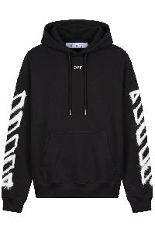 | 44OWOS26K076_001 | Off-White | Black Hoodie with Hood and Modern Print | Clothing | SS | Male | nero | 100% CO | Hooded sweatshirt in black color, made of soft fabric to ensure comfort and warmth. The design features a white graphic print along the sleeves, adding a touch of modern style. It has an adjustable hood with cords and a front kangaroo pocket. Ideal for a casual and sporty look, this sweatshirt is versatile and suitable for various occasions. Available in different sizes.; 100% Cotton | PT |  | € 750.00 | € 156000.00 | 208 |  | 11 | 30 | 59 | 63 | 30 | 15
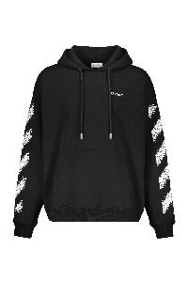 | 44MBB085G5F004_1001 | Off-White | Black hoodie with pocket | Clothing | SS | Male | nero | 100% CO | Hooded sweatshirt in black color, made of a soft and comfortable fabric. It features a minimalist design with a stylized logo in contrast on the chest. The sweatshirt is equipped with a front pocket and drawstrings to adjust the hood. The sleeves are long and the fit is regular, ensuring an excellent fit for a casual and trendy look. Suitable for everyday use and informal occasions.; 100% Cotton, 95% Cotton, 5% Elastane | PT |  | € 650.00 | € 169000.00 | 260 |  | 7 |  | 82 | 80 | 89 | 2
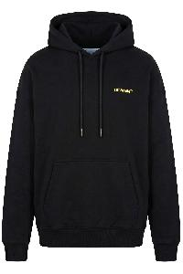 | 44OWOS26K074_001 | Off-White | Black hoodie, soft and comfortable cotton | Clothing | SS | Male | nero | 100% CO | Black hoodie made of soft and comfortable cotton. Features long sleeves and a central front pocket. The design is minimalistic, with a discreet logo embroidered on the chest. Ideal for a casual and modern look, it is perfect for relaxing days or for an informal outing. Available in various sizes.; 100% Cotton | PT |  | € 750.00 | € 210750.00 | 281 |  | 22 | 40 | 79 | 80 | 40 | 20
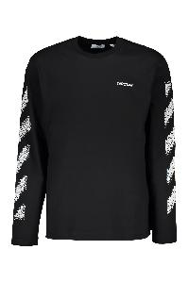 | 44MAB086G5J004_1001 | Off-White | Black long-sleeve T-shirt with graphic details | Clothing | FW | Male | nero | 100% CO | Long-sleeve black t-shirt made of a soft and comfortable fabric. It features a simple and modern design with a discreet logo on the chest. The sleeves are decorated with graphic details in white, creating an eye-catching contrast. The fit is regular, suitable for everyday and versatile use. Perfect for casual outfits or for a sporty look. Available in different sizes.; 100% Cotton | PT |  | € 495.00 | € 6930.00 | 14 |  |  |  |  | 5 | 9
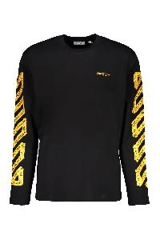 | 44MAB086G5J00B_1022 | Off-White | Black long-sleeve t-shirt with yellow logo | Clothing | SS | Male | nero | 100% CO | Long-sleeve T-shirt in black color, characterized by a simple and versatile design. The garment features a yellow logo on the front and a yellow graphic pattern along the sleeves, adding a distinctive touch. Made from soft and comfortable material, it is ideal for everyday use or casual looks. Available in various sizes to meet fit preferences.; 100% Cotton | PT |  | € 475.00 | € 215175.00 | 453 |  | 33 | 38 | 134 | 125 | 107 | 16
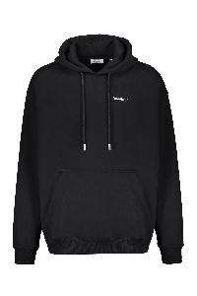 | 44MBB085G5F00J_1001 | Off-White | Black Minimalist and Versatile Hoodie | Clothing | SS | Male | nero | 100% CO | Hooded sweatshirt in black fabric, characterized by a minimalist design. It features a central pocket and an adjustable hood with a drawstring, ideal for ensuring comfort and warmth. Discreet details on the front. Perfect for casual looks and versatile for different occasions. Available in various sizes to fit every silhouette.; 100% Cotton, 95% Cotton, 5% Elastane | PT |  | € 650.00 | € 63700.00 | 98 |  | 8 |  | 34 | 32 | 7 | 17
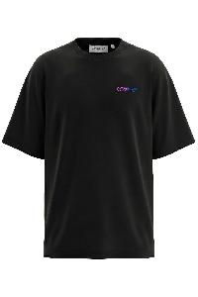 | 44OWOS26T052_001 | Off-White | Black Minimalist Comfort T-shirt and Casual Style | Clothing | SS | Male | nero | 100% CO | Black t-shirt with short sleeves and a simple design. Made from a soft and lightweight material, it offers comfort and breathability. The fit is relaxed, perfect for a casual look or to be paired with other garments. Suitable for various occasions, it can be easily combined with jeans, trousers, or skirts. The minimalist connotation makes this piece a must-have in the wardrobe.; 100% Cotton | PT |  | € 350.00 | € 63350.00 | 181 |  | 11 | 23 | 51 | 54 | 27 | 15
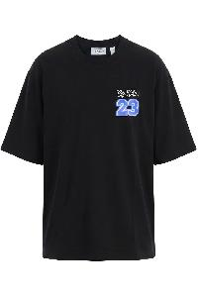 | 44OWOS26T078_001 | Off-White | Black simple T-shirt with blue logo | Clothing | SS | Male | nero | 100% CO | Short-sleeved black t-shirt, characterized by a simple and modern design. It features a small logo or printed graphic on the chest, with blue shades contrasting against the dark background. The cut is loose and comfortable, suitable for a casual look. Made from soft and lightweight fabric, ideal for the summer season or as a base layer in more layered outfits. Perfect for everyday use or for informal occasions. Available in various sizes.; 100% Cotton | PT |  | € 350.00 | € 85050.00 | 243 |  | 18 | 34 | 69 | 70 | 34 | 18
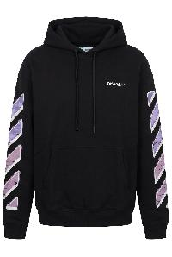 | 44OWOS26K077_001 | Off-White | Black Sports Hoodie with Hood and Logo | Clothing | SS | Male | nero | 100% CO | Hooded sweatshirt made of black cotton, characterized by long sleeves and a sporty design. It features a discreet logo on the chest and distinctive details on the sleeves in a contrasting color. The sweatshirt is equipped with a front kangaroo pocket and an adjustable drawstring on the hood, offering comfort and practicality. Ideal for a casual and versatile look, perfect for any season. Available in various sizes.; 100% Cotton | PT |  | € 750.00 | € 210750.00 | 281 |  | 22 | 40 | 79 | 80 | 40 | 20
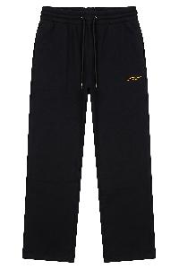 | 44OWOS26B074_001 | Off-White | Black sports trousers | Clothing | SS | Male | nero | 100% CO | Sports pants in a classic black color. Made from a soft material, these pants offer comfort and freedom of movement. The elasticized waist ensures a perfect fit, while the simple and versatile design makes them suitable for various activities, from sports to leisure. Ideal for those seeking practicality and style in a piece of clothing.; 100% Cotton | PT |  | € 450.00 | € 40950.00 | 91 |  | 9 | 9 | 31 | 20 | 13 | 9
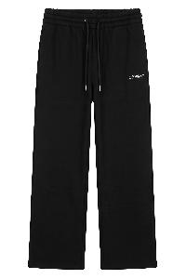 | 44OWOS26B082_001 | Off-White | Black straight elasticated trousers for everyone | Clothing | SS | Male | nero | 100% CO | Black straight-cut trousers made from a soft and comfortable material. They feature an elasticized waistband with an adjustable drawstring for a personalized fit. Simple and essential design, perfect for any occasion. Ideal for a casual look or outdoor activities, they ensure freedom of movement and practicality. Easy to pair with various styles and colors. Available in different sizes.; 100% Cotton | PT |  | € 450.00 | € 43200.00 | 96 |  | 9 | 14 | 31 | 20 | 13 | 9
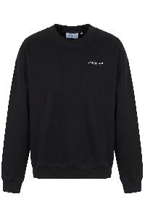 | 44OWOS26K083_001 | Off-White | Black Sweater with Long Sleeves and Discreet Embroidery | Clothing | SS | Male | nero | 100% CO | Long-sleeve sweater in black, featuring a simple and versatile design. It has a round neck, cuffs, and a ribbed hem for a comfortable fit. The front is adorned with a discreet embroidery positioned on the left side of the chest. Made from a soft material, it's ideal for a casual look or for an informal outing. Perfect to pair with jeans or casual pants for a modern and contemporary outfit. Available in different sizes to fit any silhouette.; 100% Cotton | PT |  | € 550.00 | € 154000.00 | 280 |  | 22 | 40 | 79 | 79 | 40 | 20
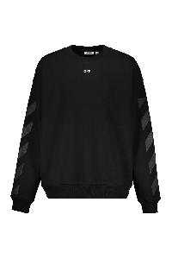 | 44MBA054G5F005_1001 | Off-White | Black sweatshirt with distinctive details | Clothing | FW | Male | nero | 100% CO | Sweatshirt in black color, characterized by a simple and versatile design. It features a comfortable fit with long sleeves and a crew neck. The sleeves are embellished with distinctive details that add a touch of style. Made from a soft material, it offers comfort and warmth, making it ideal for various types of outfits, both casual and more refined. Perfect for your autumn and winter wardrobe.; 100% Cotton | PT |  | € 650.00 | € 26000.00 | 40 |  | 1 | 1 | 11 | 16 | 11
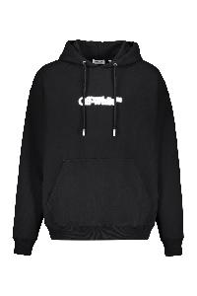 | 44MBB085G5F00B_1001 | Off-White | Black sweatshirt with hood and pocket | Clothing | FW | Male | nero | 100% CO | Sweatshirt in cotton, with hood and front pocket. Features a simple and modern design, characterized by a white logo on the front. The fit is loose and comfortable, ideal for daily relaxation or a casual style. Available in black, it easily adapts to different outfits. Perfect for every season, it offers a good level of comfort and warmth.; 100% Cotton, 95% Cotton, 5% Elastane | PT |  | € 695.00 | € 4865.00 | 7 |  |  |  | 2 |  | 5
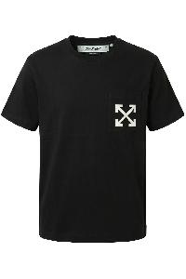 | 44OWOS26T062_001 | Off-White | Black t-shirt with elegant and modern logo | Clothing | SS | Male | nero | 100% CO | This cotton t-shirt features a simple and modern design with a classic fit. The t-shirt is black in color and includes a logo or symbol printed on the left side of the chest. It is ideal for a casual and versatile look, perfect for pairing with jeans or trousers. Available in various sizes to suit every need. Made with high-quality materials to ensure comfort and durability.; 100% Cotton | PT |  | € 295.00 | € 53985.00 | 183 |  | 11 | 24 | 53 | 56 | 26 | 13
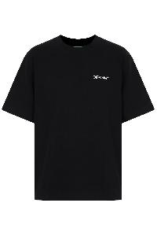 | 44OWOS26T077_001 | Off-White | black T-shirt with logo | Clothing | SS | Male | nero | 100% CO | Short-sleeve T-shirt in black color, made of soft and lightweight fabric, ideal for everyday comfort. It features a simple and clean design, with a logo printed on the chest. The fit is regular, suitable for any occasion, from leisure time to casual use. Easy to pair with jeans, trousers or shorts, it's a must-have for everyone's wardrobe this season. Available in various sizes.; 100% Cotton | PT |  | € 350.00 | € 54600.00 | 156 |  | 8 | 32 | 22 | 27 | 30 | 37
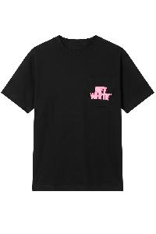 | 44OWOS26T080_001 | Off-White | Black T-shirt with logo | Clothing | SS | Male | nero | 100% CO | Cotton black t-shirt, characterized by a simple and elegant design. The shirt features a stylized logo on the left side of the chest, adding a touch of personality to the garment. The cut is essential and versatile, suitable for various occasions, while the fit ensures comfort and practicality. Ideal to pair with jeans or casual trousers for a modern and informal look. Available in various sizes.; 100% Cotton | PT |  | € 350.00 | € 85400.00 | 244 |  | 18 | 35 | 67 | 70 | 36 | 18
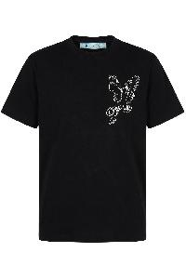 | 44OWOS26T085_001 | Off-White | Black T-shirt with logo | Clothing | SS | Male | nero | 100% CO | T-shirt made of cotton in black, with a minimalist design. It features a logo on the left side of the chest that adds a distinctive touch to the garment. The fit is comfortable and versatile, suitable for being worn on various occasions.; 100% Cotton | PT |  | € 350.00 | € 97650.00 | 279 |  | 20 | 40 | 79 | 80 | 40 | 20
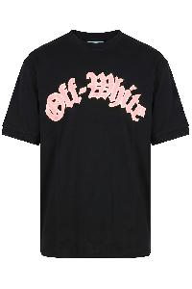 | 44OWOS26T072_001 | Off-White | Black t-shirt with modern and casual graphics | Clothing | SS | Male | nero | 100% CO | Black T-shirt with modern and casual graphics. It features a stylized graphic on the front, with a contrasting logo that adds a touch of style. The design is simple and essential, suitable for a casual and versatile look. Perfect for pairing with jeans or sporty pants, it offers comfort and trend for any occasion. Available in various sizes.; 100% Cotton | PT |  | € 350.00 | € 62650.00 | 179 |  | 12 | 25 | 13 | 32 | 45 | 52
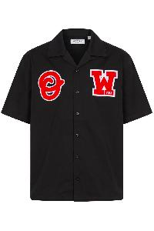 | 44MWS001F5001_001 | Off-White | Black T-shirt with Red Embroidery Casual | Clothing | SS | Male | nero | 100% CO | Short-sleeve black shirt featuring a classic collar. It has two red embroideries: one on the left side on the chest and one on the right, adding a touch of style. Made from soft, lightweight fabric, it is ideal for a casual look. Available in various sizes, perfect for any occasion. Easy to pair with jeans or pants.; 100% Cotton | TR |  | € 575.00 | € 39675.00 | 69 |  | 10 | 10 | 19 | 20 | 10
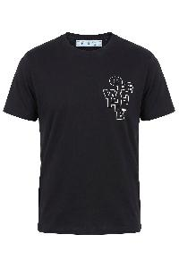 | 44OWOS26T063_001 | Off-White | Black, soft and versatile men's t-shirt | Clothing | SS | Male | nero | 100% CO | Men's black T-shirt, made of soft and breathable fabric. It features a simple and elegant design with a printed motif on the left side of the chest. Short sleeves and a round neckline for a comfortable and versatile fit. Ideal for a casual look, it can be easily paired with jeans or trousers. Available in various sizes. Perfect for everyday use or informal occasions.; 100% Cotton | PT |  | € 325.00 | € 25350.00 | 78 |  |  |  | 23 | 27 | 14 | 14
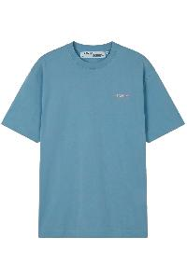 | 44OWOS26T074_424 | Off-White | Blue casual cotton T-shirt with logo | Clothing | SS | Male | azzurro | 100% CO | Blue T-shirt, characterized by a casual and comfortable silhouette. Made from cotton, it offers a relaxed fit with short sleeves and a round neck. On the front is a small logo, adding a distinctive touch of style. Perfect for an informal look, it can be easily paired with jeans or shorts. Ideal for the summer season and for leisure time. Available in different sizes.; 100% Cotton | PT |  | € 350.00 | € 96600.00 | 276 |  | 20 | 40 | 78 | 79 | 39 | 20
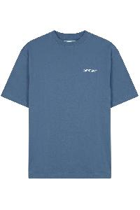 | 44OWOS26T082_403 | Off-White | Blue comfortable T-shirt with logo, regular fit | Clothing | SS | Male | blu | 100% CO | Short-sleeve blue t-shirt made from soft and comfortable material. Features a simple design with a logo positioned on the chest. The fit is regular, making it suitable for everyday use and various occasions. Perfect for pairing with jeans or casual trousers. Available in various sizes.; 100% Cotton | PT |  | € 350.00 | € 97650.00 | 279 |  | 20 | 40 | 79 | 80 | 40 | 20
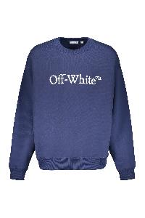 | 44MBA054G5F00E_4901 | Off-White | Blue dark comfortable sweatshirt with printed logo | Clothing | SS | Male | blu | 100% CO | Sweatshirt in cotton, characterized by a simple and versatile design. It features a dark blue shade and a comfortable fit. The round collar and long sleeves provide warmth and comfort, making it ideal for daily use. On the front, there is a white writing that adds a touch of style. Perfect for leisure time, it can be paired with jeans or sports trousers for a casual look. Available in different sizes.; 100% Cotton | PT |  | € 550.00 | € 227150.00 | 413 |  | 46 | 90 | 138 | 79 | 48 | 12
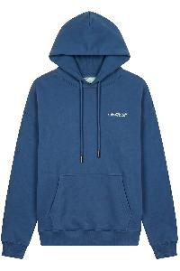 | 44OWOS26K082_403 | Off-White | Blue hoodie | Clothing | SS | Male | blu | 100% CO | Hoodie in an elegant blue tone. Made from soft and comfortable material, it is ideal for a casual and relaxed look. The design features a front kangaroo pocket and long sleeves, offering warmth and practicality. Perfect for cooler days, it is available in various sizes to fit every physique. It can be easily paired with jeans or sweatpants for a versatile outfit.; 100% Cotton | PT |  | € 750.00 | € 150000.00 | 200 |  | 14 | 29 | 57 | 58 | 28 | 14
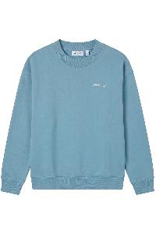 | 44OWOS26K075_424 | Off-White | Blue sweater long sleeves comfortable and casual | Clothing | SS | Male | azzurro | 100% CO | Sweater with long sleeves in a delicate shade of blue. Made from a soft and comfortable material, it offers a loose and relaxed fit. It features a round collar and a discreet logo applied on the chest. Ideal for a casual look, it easily pairs with jeans or trousers. Perfect for cool days and everyday use. Available in various sizes.; 100% Cotton | PT |  | € 550.00 | € 76450.00 | 139 |  | 10 | 20 | 39 | 40 | 20 | 10
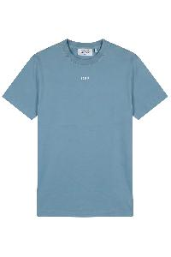 | 44OWOS26T002_424 | Off-White | Blue T-shirt Short Sleeves | Clothing | SS | Male | azzurro | 100% CO | Short-sleeve T-shirt in a delicate light blue tone. Made from a soft and light fabric, it guarantees comfort and breathability. Features a V-neck and a classic cut, suitable for everyday use. Perfect to pair with jeans or trousers, ideal for a casual and informal look. Available in various sizes to meet the needs of every customer.; 100% Cotton | PT |  | € 325.00 | € 87425.00 | 269 |  | 19 | 39 | 77 | 78 | 38 | 18
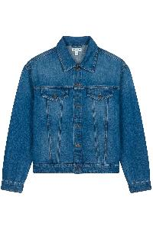 | 44OWOS26D097_464 | Off-White | Classic Blue Denim Jacket | Clothing | SS | Male | denim | 100% CO | Denim jacket with a classic fit, characterized by a deep blue wash. Features traditional collar, front buttons, and chest pockets with flap closure. The long sleeves can be rolled up for a more casual look. Made from a durable fabric, ideal for completing casual outfits or adding a touch of style to everyday looks. Perfect for the spring and autumn season.; 100% Cotton | TR |  | € 1195.00 | € 106355.00 | 89 |  | 8 | 7 | 27 | 29 | 9 | 9
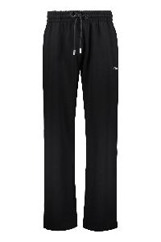 | 44MCH054G5F00A_1001 | Off-White | Comfortable Black Sporty Pants | Clothing | FW | Male | nero | 100% CO | Sports pants in black made of comfortable fabric, ideal for physical activity or relaxation. They feature a loose fit with an elastic waistband for excellent comfort. They are equipped with practical side pockets for easy access to personal items. Perfect for any informal occasion or for training, these pants combine style and functionality. Available in various sizes.; 100% Cotton, 95% Cotton, 5% Elastane | PT |  | € 475.00 | € 11400.00 | 24 |  |  |  |  | 14 | 10
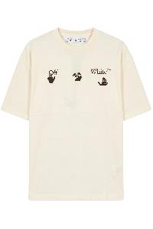 | 44OWOS26T056_102 | Off-White | Comfy cream T-shirt with minimalist graphic | Clothing | SS | Male | avorio | 100% CO | Cotton T-shirt in cream color, characterized by a comfortable fit and short sleeves. The front features a minimalist graphic, with a simple design that adds a touch of originality. The collar is crew-neck, providing optimal comfort for everyday use. Perfect to pair with jeans or casual pants for an informal and trendy look. Ideal for any season. Available in various sizes.; 100% Cotton | PT |  | € 325.00 | € 58500.00 | 180 |  | 14 | 26 | 51 | 51 | 25 | 13
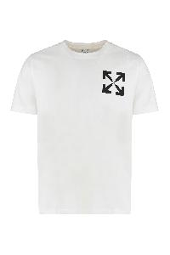 | 44MAA027G5J00G_0110 | Off-White | Cotton crew-neck T-shirt | Clothing | FW | Male | bianco | 100% CO | Ribbed collar; 100% Cotton, 95% Cotton, 5% Elastane | PT |  | € 325.00 | € 325.00 | 1 |  | 1
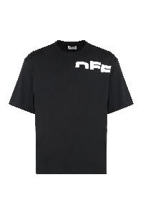 | 44MAA120G5J007_1001 | Off-White | Cotton crew-neck T-shirt | Clothing | FW | Male | nero | 100% CO | Ribbed collar; 100% Cotton, 95% Cotton, 5% Elastane | PT |  | € 395.00 | € 395.00 | 1 |  | 1
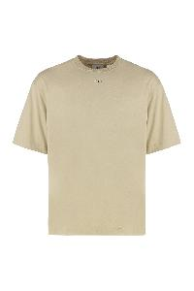 | 44MAA120G5J00L_6110 | Off-White | Cotton crew-neck T-shirt | Clothing | FW | Male | beige | 100% CO | Ribbed collar; 100% Cotton, 95% Cotton, 5% Elastane | PT |  | € 285.00 | € 285.00 | 1 |  | 1
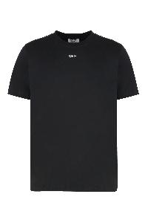 | 44MAA027G5J00A_1001 | Off-White | Cotton crew-neck T-shirt | Clothing | FW | Male | nero | 100% CO | Ribbed collar; 100% Cotton, 95% Cotton, 5% Elastane | PT |  | € 325.00 | € 975.00 | 3 |  | 3
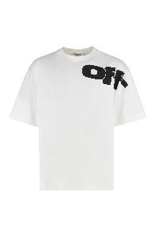 | 44MAA120G5J003_0110 | Off-White | Cotton crew-neck T-shirt | Clothing | FW | Male | bianco | 100% CO | Ribbed collar; 100% Cotton, 95% Cotton, 5% Elastane | PT |  | € 395.00 | € 6320.00 | 16 |  |  |  |  | 7 | 9
 | 44MAA120G5J007_0110 | Off-White | Cotton crew-neck T-shirt | Clothing | FW | Male | bianco | 100% CO | Ribbed collar; 100% Cotton, 95% Cotton, 5% Elastane | PT |  | € 395.00 | € 7900.00 | 20 |  |  |  | 6 | 9 | 5
 | 44MAA120G5J00M_6101 | Off-White | Cotton crew-neck T-shirt | Clothing | FW | Male | beige | 100% CO | Ribbed collar; 100% Cotton, 95% Cotton, 5% Elastane | PT |  | € 350.00 | € 13300.00 | 38 |  | 1 | 1 | 12 | 14 | 10
 | 44MAA120G5J009_0122 | Off-White | Cotton crew-neck T-shirt | Clothing | SS | Male | bianco | 100% CO | Ribbed collar; 100% Cotton, 95% Cotton, 5% Elastane | PT |  | € 360.00 | € 33120.00 | 92 |  | 10 | 19 | 32 | 26 | 5
 | 44OWOS26B083_001 | Off-White | Cotton Shorts with Adjustable Drawstring | Clothing | SS | Male | nero | 100% CO | These shorts are made from a soft cotton fabric, perfect for optimal comfort. They feature a comfortable fit with an elastic waistband and drawstring for adjustable sizing. The design is characterized by a contrasting logo, visible on the side. Ideal for everyday use or sports activities, they can be easily paired with different types of tops. Available in black, they offer a versatile and fashionable look.; 100% Cotton | PT |  | € 395.00 | € 14220.00 | 36 |  | 3 | 6 | 13 | 4 | 4 | 6
 | 44OWOS26T085_100 | Off-White | Cotton t-shirt with print | Clothing | SS | Male | bianco | 100% CO | T-shirt in white cotton, characterized by a simple and modern design. It features a stylized pattern on the left chest, adding a touch of originality to the garment. The short sleeves and round neck ensure comfort and fit for everyday use. Ideal for a casual look or to be paired with jeans and trousers.; 100% Cotton | PT |  | € 350.00 | € 94500.00 | 270 |  | 19 | 39 | 77 | 78 | 38 | 19
 | 44OWOS26K083_100 | Off-White | Elegant and Comfortable White Sweater for Everyone | Clothing | SS | Male | bianco | 100% CO | Long-sleeved white sweater with a simple and elegant design. Made from a soft and comfortable fabric, it features a classic fit and a round neckline. There is a small discreet logo on the chest. Perfect for any season, it can be paired with various styles, from casual to more sophisticated outfits. Ideal for a relaxed look or for lounging at home. Available in various sizes.; 100% Cotton | PT |  | € 550.00 | € 226050.00 | 411 |  | 30 | 59 | 117 | 118 | 58 | 29
 | 44MBB085G5F00F_1010 | Off-White | Elegant and versatile black hoodie | Clothing | SS | Male | nero | 100% CO | Hooded sweatshirt in black color, made from a soft and comfortable fabric. It features a simple and elegant design, with an adjustable hood using drawstrings and long sleeves. A discreet logo is visible on the chest, while the sleeves are adorned with a stripe pattern. Perfect for a casual and versatile look, ideal to wear during the autumn and winter seasons. Available in various sizes to ensure an optimal fit.; 100% Cotton, 95% Cotton, 5% Elastane | PT |  | € 650.00 | € 267800.00 | 412 |  | 13 | 26 | 121 | 139 | 97 | 16
 | 44OWOS26K078_001 | Off-White | Elegant black sweater with white graphic details | Clothing | SS | Male | nero | 100% CO | This long-sleeved sweater features an elegant and modern design in a subdued black shade. Made from a soft and comfortable fabric, it is perfect for a casual and contemporary look. On the sleeves, white graphic details stand out, adding a distinctive touch. The round neck offers a comfortable fit, making it ideal for any occasion. Easy to pair with jeans or sporty trousers, it is a must-have in the wardrobe of anyone looking for style and practicality. Available in various sizes.; 100% Cotton | PT |  | € 550.00 | € 149600.00 | 272 |  | 13 | 40 | 79 | 80 | 40 | 20
 | 44MBA054G5F00F_4901 | Off-White | Elegant dark blue sweatshirt, comfort and style | Clothing | FW | Male | blu | 100% CO | Sweatshirt in an elegant dark blue color, made with soft and comfortable materials. It features a classic cut with long sleeves and a round collar. Ideal for fresh days, it can be easily paired with jeans or casual pants for a versatile and stylish look. Available in various sizes to suit every silhouette.; 100% Cotton | PT |  | € 495.00 | € 10890.00 | 22 |  | 4 |  |  | 10 | 5 | 3
 | 44OWOS26K083_030 | Off-White | Elegant gray hoodie with embroidered logo | Clothing | SS | Male | grigio | 100% CO | This sweatshirt with a simple and contemporary style is made from a soft gray fabric. The design features long sleeves and a round neck, offering a comfortable and versatile fit. A discreet detail is the embroidered logo on the chest, adding a touch of elegance to the piece. Perfect for a casual look or to be worn in more relaxed environments, this sweatshirt easily pairs with jeans or sporty pants. Ideal for the autumn and winter seasons, it ensures comfort and warmth. Available in different sizes, suitable for every silhouette.; 100% Cotton | PT |  | € 550.00 | € 103950.00 | 189 |  | 14 | 28 | 55 | 56 | 28 | 8
 | 44MAA027G5J00D_0810 | Off-White | Gray comfortable and versatile T-shirt | Clothing | SS | Male | grigio | 100% CO | T-shirt in light gray color, made of a soft and lightweight fabric. It features a comfortable fit with short sleeves and a round neckline. The front is adorned with a small logo on the left. Ideal for a casual and versatile look, perfect for being worn on various occasions. Available in different sizes.; 100% Cotton, 95% Cotton, 5% Elastane | PT |  | € 310.00 | € 4960.00 | 16 |  | 1 |  | 1 |  | 14
 | 44OWOS26T062_030 | Off-White | Gray cotton T-shirt with graphic on the pocket | Clothing | SS | Male | grigio | 100% CO | Cotton t-shirt in grey color, with a comfortable and classic fit. It features a simple design with a graphic pattern positioned on the left chest pocket. The t-shirt is equipped with short sleeves and a round neck, making it ideal for everyday use. It is perfect to pair with jeans or casual pants for a relaxed look. Available in various sizes.; 100% Cotton | PT |  | € 295.00 | € 56345.00 | 191 |  | 13 | 28 | 55 | 56 | 26 | 13
 | 44OWOS26T084_030 | Off-White | Gray cotton T-shirt with print | Clothing | SS | Male | grigio | 100% CO | Men's cotton T-shirt in grey, characterized by a simple and casual design. It features a centralized graphic in a dark color, perfect for a relaxed style. Ideal for everyday use, this T-shirt offers comfort and versatility, easily adapting to various occasions.; 100% Cotton | PT |  | € 325.00 | € 87425.00 | 269 |  | 19 | 39 | 77 | 78 | 38 | 18
 | 44OWOS26T080_030 | Off-White | Gray crew neck T-shirt with print on the pocket | Clothing | SS | Male | grigio chiaro | 100% CO | Cotton crew neck T-shirt in gray color. It features a simple and modern design with a print on the chest pocket. The cut is regular fit, ensuring comfort and a fit suitable for various occasions. Ideal for casual combinations, it works well for both daily use and more relaxed outfits. Easy to wash and maintain. Available in various sizes.; 100% Cotton | PT |  | € 350.00 | € 98000.00 | 280 |  | 20 | 40 | 80 | 80 | 40 | 20
 | 44OWOS26K074_030 | Off-White | Gray Hoodie with Hood: Comfort and Style | Clothing | SS | Male | grigio | 100% CO | Hoodie made of soft gray fabric, characterized by a simple and modern design. Features a centralized pocket and drawstrings for adjusting the hood. Perfect for a casual look, offers comfort and versatility for any occasion. Available in various sizes. Ideal for facing cooler days in style.; 100% Cotton | PT |  | € 750.00 | € 156750.00 | 209 |  | 15 | 30 | 59 | 60 | 30 | 15
 | 44OWOS26T073_030 | Off-White | Gray shirt with long sleeves | Clothing | SS | Male | grigio | 100% CO | Long-sleeve shirt in gray tone, made of soft fabric. Features a simple and modern design, characterized by a contrasting graphic placed on the front. The crew neck offers comfort and practicality, making this piece ideal for a casual and versatile look. Perfect to pair with jeans or sporty pants for a relaxed outfit. Available in different sizes.; 100% Cotton | PT |  | € 475.00 | € 119225.00 | 251 |  | 17 | 37 | 73 | 73 | 34 | 17
 | 44OWOS26B074_030 | Off-White | Gray sports pants | Clothing | SS | Male | grigio chiaro | 100% CO | Pants made from soft fabric, characterized by a comfortable and casual fit. They feature an elasticized waistband with a drawstring for a personalized adjustment. The design is simple and versatile, suitable for various informal occasions. Available in an elegant gray tone, these pants can be easily paired with different tops and footwear. Ideal for a relaxed look without compromising style.; 100% Cotton | PT |  | € 450.00 | € 81900.00 | 182 |  | 12 | 27 | 53 | 54 | 24 | 12
 | 44OWOS26T083_030 | Off-White | Gray T-shirt "OFF" with dark collar | Clothing | SS | Male | grigio chiaro | 100% CO | Cotton T-shirt in light gray, with contrasting dark-colored collar. Characterized by a front print showcasing the word "OFF" prominently. Short sleeves and comfortable fit, ideal for a casual and versatile look. Perfect to pair with jeans or sports pants for an everyday outfit.; 100% Cotton | PT |  | € 350.00 | € 42350.00 | 121 |  | 8 | 18 | 35 | 36 | 16 | 8
 | 44OWOS26T061_030 | Off-White | Gray T-shirt Cotton Soft Short Sleeves | Clothing | SS | Male | grigio chiaro | 100% CO | Short-sleeved shirt in light gray, made of soft cotton for optimal comfort. Features a simple design with a small graphic on the left side of the chest. The neck is of classic tone, perfect for a casual and versatile look. Available in different sizes to fit all body types. Ideal for daily use or casual occasions.; 100% Cotton | PT |  | € 325.00 | € 60125.00 | 185 |  | 9 | 25 | 57 | 57 | 28 | 9
 | 44OWOS26T072_030 | Off-White | Gray T-shirt with print | Clothing | SS | Male | grigio | 100% CO | T-shirt in cotton gray, characterized by a comfortable and casual fit. It features a simple design with a raised graphic print on the front. The crew neck offers an elegant and modern look, making it ideal for everyday use or informal occasions. Perfect to pair with jeans or sporty pants for a versatile and trendy outfit. Available in various sizes.; 100% Cotton | PT |  | € 350.00 | € 45500.00 | 130 |  | 9 | 19 | 37 | 38 | 18 | 9
 | 44OWOS26T078_030 | Off-White | Gray Wide T-shirt with Contrast Logo | Clothing | SS | Male | grigio chiaro | 100% CO | Gray T-shirt, characterized by a loose fit and short sleeves. On the left side of the chest, there is a logo or a contrasting graphic, adding a touch of style to the simple design. Made from a soft and comfortable material, it is ideal for a casual and informal look. Available in various sizes to fit different silhouettes. Perfect to pair with jeans or casual pants for a versatile outfit.; 100% Cotton | PT |  | € 350.00 | € 94500.00 | 270 |  | 19 | 39 | 77 | 78 | 38 | 19
 | 44MBA054G5F00C_5601 | Off-White | Green olive comfort sweatshirt long sleeves | Clothing | SS | Male | verde | 100% CO | Sweatshirt with a comfortable fit in an olive green tone. It features long sleeves and a round collar. There is a light-colored logo on the front, adding a distinctive touch to the design. Made with soft materials, it is ideal for a casual and versatile look, perfect for any season. Recommended for everyday wear or as an additional layer on cool days. Available in different sizes.; 100% Cotton | PT |  | € 550.00 | € 265650.00 | 483 |  | 24 | 38 | 144 | 147 | 100 | 30
 | 44MBB085G5F00L_6110 | Off-White | Hooded sweatshirt beige, comfort and style | Clothing | FW | Male | beige | 100% CO | Hooded sweatshirt with a simple and modern design. Made from a soft beige fabric, it offers comfort and versatility for any occasion. It features a printed logo in contrast on the front, adding a touch of style. The details include an adjustable drawstring hood and long sleeves for a comfortable fit. Perfect to pair with jeans or casual pants, ideal for a relaxed and fashionable look.; 100% Cotton, 95% Cotton, 5% Elastane | PT |  | € 695.00 | € 22935.00 | 33 |  | 2 |  | 9 | 13 | 9
 | 44MBB085G5F00D_1001 | Off-White | Hooded sweatshirt black, guaranteed everyday comfort | Clothing | FW | Male | nero | 100% CO | Hooded sweatshirt made of soft high-quality material, ideal for daily comfort. Design in black color, with a prominent logo on the front. Features a convenient front pocket and adjustable cords for the hood. Perfect for casual outfits and for any season. Available in different sizes.; 100% Cotton, 95% Cotton, 5% Elastane | PT |  | € 595.00 | € 35700.00 | 60 |  | 5 | 9 | 23 | 16 | 7
 | 44MBB085G5F00K_6E01 | Off-White | Hooded sweatshirt in brown, comfort and style | Clothing | SS | Male | marrone | 100% CO | This hoodie features a simple and modern design in a rich brown shade. Made from a soft and comfortable fabric, it is ideal for a casual look. The hood is equipped with adjustable laces and the front part showcases a small logo for a touch of style. The cuffs and the bottom are ribbed, providing a secure fit. Perfect for everyday outfits or a moment of relaxation, this hoodie is a must-have in your wardrobe.; 100% Cotton, 95% Cotton, 5% Elastane | PT |  | € 650.00 | € 287300.00 | 442 |  | 15 | 32 | 136 | 130 | 113 | 16
 | 44MBB085G5F007_0110 | Off-White | Hooded sweatshirt in comfortable and versatile white. | Clothing | FW | Male | bianco | 100% CO | White cotton sweatshirt, characterized by a simple and clean design. It features an adjustable hood with drawstrings and a comfortable fit. Ideal for casual outfits, it offers comfort and versatility for various occasions. Perfect to pair with jeans or sporty pants. Easy to wash and maintain, it is a must-have in the wardrobe.; 100% Cotton, 95% Cotton, 5% Elastane | PT |  | € 695.00 | € 4865.00 | 7 |  |  |  |  |  | 7
 | 44MBB085G5F00Q_4901 | Off-White | Hooded sweatshirt in dark blue | Clothing | FW | Male | blu | 100% CO | Hooded sweatshirt in dark blue color, featuring a front pocket. It has a printed logo in white at the center, with stylized writing. The design is comfortable and casual, perfect for an everyday look. The long sleeves and hood provide warmth and protection, making this piece ideal for cooler days. Made with high-quality materials to ensure durability and comfort. Available in various sizes.; 100% Cotton, 95% Cotton, 5% Elastane | PT |  | € 595.00 | € 595.00 | 1 |  |  |  |  |  | 1
 | 44MBB085G5F00P_1030 | Off-White | Hoodie made of cotton | Clothing | SS | Male | nero | 100% CO | Hoodie made from a soft high-quality fabric, ideal for everyday comfort. It features a classic design with long sleeves and a comfortable hood with adjustable drawstring. Its versatile black color makes it easy to match with various styles and occasions. Decorated with a simple logo on the chest, adding a touch of style without excess. Perfect for the cooler seasons, it's a great choice for a casual and relaxed look. Available in various sizes.; 100% Cotton, 95% Cotton, 5% Elastane | PT |  | € 650.00 | € 203450.00 | 313 |  | 3 | 30 | 93 | 101 | 86
 | 44OWOS26B084_030 | Off-White | Light gray cotton shorts with pocket | Clothing | SS | Male | grigio chiaro | 100% CO | Light gray cotton shorts, characterized by a simple and functional design. They feature an elastic waistband with an adjustable drawstring for a personalized fit. The sides are equipped with pockets, providing practicality for everyday use. On the left leg, there is a printed logo, adding a stylish touch. Ideal for sports activities or relaxing at home. Comfortable and versatile, they are an essential piece in the summer wardrobe.; 100% Cotton | PT |  | € 395.00 | € 68335.00 | 173 |  | 4 | 13 | 57 | 58 | 28 | 13
 | 44OWOS26K079_030 | Off-White | Light gray hoodie versatile | Clothing | SS | Male | grigio chiaro | 100% CO | This hoodie features a casual and versatile design, made from a soft light gray fabric. It has a comfortable fit, with long sleeves and an adjustable hood with laces. The collar is ribbed, while the bottom and cuffs are elasticized for a better fit. Perfect for any occasion, it can be worn alone or as a layer over other shirts. Ideal for cool days or for a sporty and relaxed look.; 100% Cotton | PT |  | € 750.00 | € 156750.00 | 209 |  | 15 | 30 | 59 | 60 | 30 | 15
 | 44OWOS26T079_030 | Off-White | Light gray T-shirt | Clothing | SS | Male | grigio chiaro | 100% CO | Light grey t-shirt, made from a soft and lightweight fabric. It features short sleeves and a round neckline, offering a classic and comfortable cut. Ideal for a casual everyday look, this t-shirt is versatile and easy to pair with various styles. Perfect for outdoor activities or for informal use.; 100% Cotton | PT |  | € 350.00 | € 146650.00 | 419 |  | 30 | 60 | 119 | 120 | 60 | 30
 | 44OWOS26T002_740 | Off-White | Light yellow T-shirt in soft cotton | Clothing | SS | Male | giallo | 100% CO | T-shirt in a soft cotton of light yellow color, with a round neck and short sleeves. The fit is classic, ideal for a casual and informal look. The surface is smooth and free of striking decorations, perfect for versatile combinations. Available in different sizes to comfortably fit any physique. Perfect for any occasion, to wear alone or under a jacket.; 100% Cotton | PT |  | € 325.00 | € 136175.00 | 419 |  | 30 | 60 | 119 | 120 | 60 | 30
 | 44OWOS26B084_001 | Off-White | Lightweight black cotton shorts with back pocket | Clothing | SS | Male | nero | 100% CO | Short pants made of lightweight fabric in black color, featuring an elastic waistband with a drawstring for a customizable fit. They have a side pocket and a simple yet modern design. Ideal for sports activities, workouts, or for a casual look. Soft and breathable material for maximum comfort.; 100% Cotton | PT |  | € 395.00 | € 69915.00 | 177 |  | 6 | 14 | 57 | 58 | 28 | 14
 | 44MCH054G5F00A_4901 | Off-White | Lightweight blue pants with adjustable drawstring | Clothing | SS | Male | blu | 100% CO | Soft and lightweight fabric trousers, characterized by a simple design and ankle-length. Equipped with an elastic waistband with drawstring for adjustable fit, these trousers are ideal for leisure time and daily activities. Their deep blue tone lends itself to versatile combinations, making them easily integrable into the wardrobe. The absence of superfluous details gives a clean and contemporary look.; 100% Cotton, 95% Cotton, 5% Elastane | PT |  | € 495.00 | € 343035.00 | 693 |  | 36 | 60 | 218 | 213 | 136 | 30
 | 44OWOS26B076_100 | Off-White | Lightweight white pants with practical pockets | Clothing | SS | Male | bianco | 100% CO | White pants, made of a soft and lightweight fabric, ideal for daily comfort. They feature a loose fit and an elastic waistband with a drawstring for a personalized adjustment. They are equipped with spacious side pockets, perfect for storing small items. The simple and versatile design makes them suitable for various occasions, from home to leisure. Easy to match with different styles and accessories.; 100% Cotton | PT |  | € 450.00 | € 90000.00 | 200 |  | 14 | 29 | 57 | 58 | 28 | 14
 | 44MBA054G5F00A_0110 | Off-White | Long sleeve sweatshirt with print | Clothing | FW | Male | bianco | 100% CO | Hoodie in cotton white, characterized by a comfortable fit and long sleeves. The neckline is round, adding a touch of simplicity to the design. The model features finishing stitches that ensure durability and comfort. Perfect for a casual look, it easily adapts to different occasions and can be paired with jeans or sports pants. Ideal for the autumn and winter seasons.; 100% Cotton | PT |  | € 695.00 | € 48650.00 | 70 |  | 5 | 3 | 21 | 23 | 15 | 3
 | 44MBA054G5F00F_0510 | Off-White | Long sleeve sweatshirt with printed logo | Clothing | FW | Male | grigio | 100% CO | Sweater in light tone, made from a comfortable soft fabric. It features a round neck and long sleeves, with a simple and clean design. The fit is regular, suitable for a casual and versatile look. Perfect to pair with jeans or sporty trousers for an everyday outfit. Ideal for cool days, it offers comfort without sacrificing style.; 100% Cotton | PT |  | € 495.00 | € 1485.00 | 3 |  |  |  |  | 1 | 1 | 1
 | 44MAB086G5J009_0505 | Off-White | Long sleeve T-shirt | Clothing | FW | Male | grigio | 100% CO | Long-sleeve t-shirt in light color, made of soft and comfortable fabric. The simple design features a round neck and long sleeves, making it versatile for various outfits. Ideal for layering during cooler seasons or for a casual look. Perfect for everyday use, this shirt is easily washable and suitable for any occasion. Available in different sizes for an optimal fit.; 100% Cotton | PT |  | € 550.00 | € 37400.00 | 68 |  | 5 | 5 | 23 | 23 | 12
 | 44OWOS26T073_001 | Off-White | Long sleeve t-shirt | Clothing | SS | Male | nero | 100% CO | Long-sleeve t-shirt in casual style, made of soft cotton. The design features a graphic print on the front with contrasting lettering. The color combination is predominantly black with light tone details. This t-shirt is ideal for everyday looks and can be easily paired with jeans or casual pants. Available in various sizes.; 100% Cotton | PT |  | € 475.00 | € 128250.00 | 270 |  | 19 | 39 | 77 | 78 | 38 | 19
 | 44MAB086G5J004_0110 | Off-White | Long sleeve T-shirt with decorations | Clothing | FW | Male | bianco | 100% CO | Long-sleeve T-shirt in white shades, characterized by a simple and modern design. It features a comfortable fit and a round collar. The sleeves are decorated with a diagonal stripe pattern in a dark shade, adding a touch of style to the outfit. Suitable for a casual look, it is ideal for different occasions and can easily be paired with jeans or athletic pants. Made with high-quality materials to ensure comfort and durability.; 100% Cotton | PT |  | € 495.00 | € 27225.00 | 55 |  | 5 |  | 16 | 21 | 13
 | 44MAB086G5J004_6110 | Off-White | Long sleeve t-shirt with graphic details | Clothing | FW | Male | beige | 100% CO | Long sleeve beige T-shirt made from a soft and comfortable fabric. It features a simple and modern design with a subtle logo on the chest. The sleeves are adorned with graphic details in black, creating an eye-catching contrast. The fit is regular, suitable for everyday and versatile use. Perfect for casual outfits or a sporty look. Available in various sizes.; 100% Cotton | PT |  | € 495.00 | € 22275.00 | 45 |  | 3 |  | 11 | 17 | 14
 | 44MAB086G5J007_1001 | Off-White | Long sleeve t-shirt with stylized graphics | Clothing | FW | Male | nero | 100% CO | Long-sleeve T-shirt made of soft and comfortable fabric. It features a stylized graphic on the front, with a contrasting logo that adds a touch of style. The design is simple and essential, suitable for a casual and versatile look. Perfect for being paired with jeans or sporty pants, it offers comfort and trendiness for any occasion. Available in various sizes.; 100% Cotton | PT |  | € 495.00 | € 25245.00 | 51 |  | 4 |  | 13 | 19 | 15
 | 44MBA054G5F007_0110 | Off-White | Long-sleeve sweatshirt | Clothing | FW | Male | bianco | 100% CO | Long-sleeve cotton sweatshirt, characterized by a white base. It features a logo on the chest and a distinctive design with black diagonal stripes that adorn both sleeves. The collar is round and the finishes are refined, ideal for a casual and contemporary look. Perfect for leisure time, it can be easily paired with jeans or sports pants. Available in various sizes.; 100% Cotton | PT |  | € 650.00 | € 50700.00 | 78 |  | 4 | 6 | 25 | 29 | 14
 | 44MAB086G5J00A_1041 | Off-White | Long-sleeve t-shirt | Clothing | FW | Male | nero | 100% CO | Long sleeve T-shirt, made from a soft and comfortable fabric. Ideal for everyday use and perfect for pairing with jeans or casual pants. The fit is comfortable, providing freedom of movement. Suitable for various occasions, from everyday life to more casual evenings.; 100% Cotton | PT |  | € 495.00 | € 6435.00 | 13 |  | 2 |  | 6 | 5
 | 44MAB086G5J009_1001 | Off-White | Long-sleeve t-shirt | Clothing | FW | Male | nero | 100% CO | Long sleeve T-shirt, made from a soft and comfortable fabric. Ideal for everyday use and perfect for pairing with jeans or casual pants. The fit is comfortable, providing freedom of movement. Suitable for various occasions, from everyday life to more casual evenings.; 100% Cotton | PT |  | € 550.00 | € 18700.00 | 34 |  | 1 | 1 | 11 | 12 | 9
 | 44MBA054G5F00A_1001 | Off-White | Long-sleeved sweatshirt | Clothing | SS | Male | nero | 100% CO | Long-sleeved sweater in black color, made with soft and comfortable materials. It features a simple and versatile design, suitable for different occasions. The fit is regular, with a classic crew neck and ribbed trims on the cuffs and hem, ensuring optimal comfort. This garment can be easily paired with jeans or casual trousers, perfect for an informal and trendy look. Available in different sizes.; 100% Cotton | PT |  | € 520.00 | € 59800.00 | 115 |  |  |  | 37 | 30 | 48
 | 44MAB086G5J005_1001 | Off-White | Long-sleeved t-shirt, comfortable and versatile | Clothing | FW | Male | nero | 100% CO | Long-sleeved T-shirt, made of soft and comfortable fabric. It features a simple and essential design, with sleeves decorated with a distinctive pattern. The fit is regular, suitable for everyday use. Perfect for casual combinations and for being worn on different occasions. Ideal for layering under jackets or cardigans. The top is easy to maintain and wash, ensuring practicality and comfort.; 100% Cotton | PT |  | € 550.00 | € 47850.00 | 87 |  | 3 | 2 | 30 | 30 | 22
 | 44MCH054G5F008_1001 | Off-White | Loose black sports pants | Clothing | FW | Male | nero | 100% CO | Black pants with a loose fit, characterized by a simple and modern design. The elasticated waist ensures comfort and adaptability, while the side pockets offer practicality. Made from a soft and breathable fabric, they are ideal for casual wear or leisure time. These pants easily match various styles and can be worn on different occasions. Perfect for those seeking comfort without sacrificing style.; 100% Cotton, 95% Cotton, 5% Elastane | PT |  | € 475.00 | € 35625.00 | 75 |  |  |  | 11 | 58 | 6
 | 44OWOS26T078_403 | Off-White | Loose blue gray T-shirt with colorful print | Clothing | SS | Male | azzurro | 100% CO | Cotton t-shirt with a loose fit, characterized by a blue-gray color. Features a colorful print on the left side of the chest. It is ideal for a casual and comfortable look, perfect to pair with trousers or jeans for an informal outfit.; 100% Cotton | PT |  | € 350.00 | € 97300.00 | 278 |  | 20 | 40 | 79 | 79 | 40 | 20
 | 44MAA120G5J00N_5601 | Off-White | Military green T-shirt in cotton | Clothing | SS | Male | verde | 100% CO | T-shirt in military green, made of cotton. It features a simple design with a centered white print on the chest. The fit is comfortable and relaxed, suitable for everyday use. The short sleeves and round collar make it ideal for warmer days. Perfect to pair with jeans or sporty pants for a casual and fashionable look. Available in various sizes. Ideal for any informal occasion.; 100% Cotton, 95% Cotton, 5% Elastane | PT |  | € 310.00 | € 930.00 | 3 |  |  |  | 2 |  | 1
 | 44OWOS26T002_333 | Off-White | Mint green soft and light T-shirt | Clothing | SS | Male | kaki | 100% CO | Short-sleeve T-shirt in a delicate mint green color. Made of soft and lightweight fabric, it features a classic design with a round neckline. Ideal for a casual and versatile look, it is perfect for pairing with jeans or trousers. Easy to wash and maintain, this t-shirt is a must-have for the daily wardrobe. Available in various sizes.; 100% Cotton | PT |  | € 325.00 | € 136175.00 | 419 |  | 30 | 60 | 119 | 120 | 60 | 30
 | 44OWOS26T002_272 | Off-White | Modern beige T-shirt, comfortable and versatile | Clothing | SS | Male | beige | 100% CO | This T-shirt features a simple and modern design, crafted from a soft fabric that offers comfort and breathability. The neutral beige color makes it easily matchable with various outfits, perfect for a casual look or for layering under a jacket. The fit is regular, with short sleeves and a round collar, along with a small discreet logo on the chest. Ideal for everyday wear, this t-shirt is a versatile choice for everyone’s wardrobe. Available in various sizes.; 100% Cotton | PT |  | € 325.00 | € 135850.00 | 418 |  | 30 | 60 | 119 | 119 | 60 | 30
 | 44MBA054G5F00B_1001 | Off-White | Modern black sweatshirt with white stripes | Clothing | FW | Male | nero | 100% CO | This black sweatshirt features a simple and modern design, with sleeves decorated with white diagonal stripes. It is made from a soft and comfortable material, suitable for everyday use. The fit is regular, with a crew neck and ribbed cuffs and hem for added comfort. This piece is perfect for adding a casual touch to your wardrobe.; 100% Cotton | PT |  | € 650.00 | € 6500.00 | 10 |  | 1 |  | 2 | 7
 | 44OWOS26K071_313 | Off-White | Olive Green Soft and Versatile Sweatshirt for Men | Clothing | SS | Male | verde | 100% CO | Long-sleeved olive green sweatshirt made of soft and durable fabric. Features a simple design with a logo or stylized text in light tones on the front. The collar is round, and the sleeves have a comfortable fit, ideal for a casual and versatile look. Perfect to pair with jeans or sports pants for a daily outfit. Available in various sizes.; 100% Cotton | PT |  | € 550.00 | € 153450.00 | 279 |  | 20 | 40 | 79 | 80 | 40 | 20
 | 44MBA054G5F00D_5610 | Off-White | Olive green sweatshirt in cotton | Clothing | SS | Male | verde | 100% CO | Sweatshirt characterized by a simple and versatile design. It features an olive green hue, ideal for casual pairings. The long sleeves and crew neck offer comfort and freedom of movement. Perfect for cool days, it can be worn alone or layered over a shirt. Easy to care for and suitable for different styles. Available in various sizes.; 100% Cotton, 95% Cotton, 5% Elastane | PT |  | € 475.00 | € 180500.00 | 380 |  | 18 | 34 | 119 | 107 | 82 | 20
 | 44OWOS26T075_313 | Off-White | Olive green T-shirt in soft cotton | Clothing | SS | Male | verde | 100% CO | Short-sleeved t-shirt in olive green. Made from soft and breathable cotton, this shirt offers optimal comfort throughout the day. It features a simple and clean design, with a crew neck and a regular fit. Perfect for casual outfits, it can easily be paired with jeans or trousers. Ideal for a casual and versatile look.; 100% Cotton | PT |  | € 350.00 | € 48650.00 | 139 |  | 10 | 20 | 39 | 40 | 20 | 10
 | 44OWOS26T071_313 | Off-White | Olive green T-shirt with central print | Clothing | SS | Male | verde | 100% CO | Cotton olive green T-shirt, with short sleeves and a loose fit. It features a contrasting central print that adds a touch of style. The simple and versatile design makes it suitable for various occasions, perfect for a casual and informal look. Made with high-quality materials for comfort and durability. Available in multiple sizes.; 100% Cotton | PT |  | € 325.00 | € 81900.00 | 252 |  | 18 | 36 | 72 | 73 | 35 | 18
 | 44OWOS26T080_313 | Off-White | Olive T-shirt with print | Clothing | SS | Male | verde | 100% CO | T-shirt with short sleeves in an elegant olive tone. Made from soft cotton, it offers comfort and breathability for everyday use. It features a discreet print on the chest, adding a touch of simple yet distinctive style. The fit is form-fitting, making it suitable for various looks. Perfect to pair with jeans or casual pants for a relaxed and stylish outfit. Available in various sizes.; 100% Cotton | PT |  | € 350.00 | € 67900.00 | 194 |  | 13 | 28 | 56 | 57 | 27 | 13
 | 44OWOS26T053_313 | Off-White | Oversized cotton t-shirt in olive color | Clothing | SS | Male | verde | 100% CO | T-shirt made of soft cotton fabric, characterized by an oversized cut for optimal comfort. Available in an elegant olive color, it features short sleeves and a round neckline. Ideal for a casual look, it can be worn both alone and under jackets or cardigans. Easy to match with different styles and occasions. Washable in the washing machine for daily practicality.; 100% Cotton | PT |  | € 325.00 | € 67925.00 | 209 |  | 15 | 30 | 59 | 60 | 30 | 15
 | 44OWOS26T079_661 | Off-White | Pink T-shirt made of soft and versatile cotton | Clothing | SS | Male | rosa | 100% CO | T-shirt in soft cotton, characterized by a delicate pink color. The fit is regular, offering comfort and practicality. It features a round neckline and short sleeves, ideal for a casual and versatile look. It can easily be paired with jeans or comfortable trousers, making it perfect for any everyday occasion.; 100% Cotton | PT |  | € 350.00 | € 97650.00 | 279 |  | 20 | 40 | 79 | 80 | 40 | 20
 | 44OWOS26B083_030 | Off-White | Short Sports Pants in Gray Cotton | Clothing | SS | Male | grigio | 100% CO | Short sports pants in soft gray cotton. Equipped with an elastic waistband with a drawstring for an adjustable fit. They feature a simple design with a logo printed on one side. Ideal for sports activities, leisure, or a casual look, they offer comfort and freedom of movement. Perfect for the summer season or for use in the gym. Available in various sizes.; 100% Cotton | PT |  | € 395.00 | € 18170.00 | 46 |  | 3 | 7 | 15 | 6 | 6 | 9
 | 44OWOS26T072_100 | Off-White | Short-sleeve t-shirt with print | Clothing | SS | Male | bianco | 100% CO | White cotton t-shirt, characterized by a colorful graphic design on the front. The model has a standard fit with short sleeves and a round collar, making it comfortable for everyday use. This article is ideal for a casual look and can be easily paired with jeans or lightweight trousers. Available in various sizes to fit different needs.; 100% Cotton | PT |  | € 350.00 | € 45500.00 | 130 |  | 9 | 19 | 37 | 38 | 18 | 9
 | OMEN031FAB001_1000 | Off-White | Single-breasted three-button jacket | Clothing | FW | M | nero | 53% PL 43% WV 4% EA | Lapel collar; Two front flap pockets and chest pocket; Pocket at the back; Back slit hem; Charm with logo at handle; 43% Virgin wool, 4% Elastane, 53% Polyester, 52% Viscose, 48% Cuprammonium rayon | IT |  | € 1325.00 | € 1325.00 | 1 |  |  |  |  |  |  |  |  |  |  |  |  |  |  |  | 1
 | 44MBB085G5F00K_0110 | Off-White | Sweatshirt White with Hood and Pocket | Clothing | FW | Male | bianco | 100% CO | Sweatshirt in white cotton, characterized by a simple and clean design. It features a hood with adjustable drawstrings and a kangaroo front pocket. The long sleeves offer comfort and warmth, making it ideal for casual outfits. Perfect to pair with jeans or sporty trousers. Available in different sizes.; 100% Cotton, 95% Cotton, 5% Elastane | PT |  | € 695.00 | € 12510.00 | 18 |  | 1 |  |  | 2 | 15
 | 44OWOS26T053_001 | Off-White | T-shirt in black cotton | Clothing | SS | Male | nero | 100% CO | T-shirt made of 100% cotton, characterized by a simple and minimalist design. Classic black color, with short sleeves and a loose fit that offers comfort and freedom of movement. The round neck gives an informal elegance, making it versatile for any occasion, from casual to urban. Ideal for pairing with jeans or lightweight pants. Easy to care for and maintain, it's a must-have for any wardrobe.; 100% Cotton | PT |  | € 325.00 | € 64675.00 | 199 |  | 11 | 26 | 57 | 60 | 30 | 15
 | 44OWOS26T079_100 | Off-White | T-shirt minimal | Clothing | SS | Male | bianco | 100% CO | White cotton T-shirt with a minimalist design. It features a round neck and short sleeves. The fit is comfortable, ideal for everyday use. Perfect for creating casual looks or pairing with more elegant pieces. Easily pairable with jeans, trousers, or skirts.; 100% Cotton | PT |  | € 350.00 | € 97650.00 | 279 |  | 20 | 40 | 79 | 80 | 40 | 20
 | 44OWOS26T062_100 | Off-White | T-shirt with minimal logo | Clothing | SS | Male | bianco | 100% CO | T-shirt in white cotton, characterized by a simple and elegant design. It features a small geometric logo in black positioned on the left side of the chest. The fit is comfortable and versatile, suitable for everyday use or informal occasions. Ideal to match with jeans or casual trousers for a modern and relaxed look. Available in various sizes to meet the needs of every customer.; 100% Cotton | PT |  | € 295.00 | € 55165.00 | 187 |  | 14 | 27 | 53 | 54 | 26 | 13
 | 44MCH054G5F002_1001 | Off-White | Versatile black pants with modern design | Clothing | FW | Male | nero | 100% CO | These black pants offer a simple and versatile design, suitable for various occasions. Made from a soft and comfortable fabric, they ensure a comfortable fit. They feature an elastic waistband for a secure fit and graphic details on one side, adding a modern touch. Perfect for relaxing at home or for a casual outdoor look. Available in various sizes, they are an essential addition to your wardrobe.; 100% Cotton, 95% Cotton, 5% Elastane | PT |  | € 495.00 | € 13860.00 | 28 |  |  |  | 8 | 11 | 9
 | 44OWOS26T079_001 | Off-White | Versatile black t-shirt | Clothing | SS | Male | nero | 100% CO | Short-sleeved black t-shirt featuring a simple design. Made from a soft and comfortable material, this t-shirt is ideal for a casual look or to be paired with more elegant outfits. The wide sleeves ensure a comfortable fit, while the regular cut easily adapts to different silhouettes.; 100% Cotton | PT |  | € 350.00 | € 97300.00 | 278 |  | 20 | 40 | 79 | 80 | 39 | 20
 | 44MCH054G5F00A_0110 | Off-White | Versatile white pants with modern design | Clothing | FW | Male | bianco | 100% CO | These white pants offer a simple and versatile design, suitable for different occasions. Made from a soft and comfortable fabric, they ensure a comfortable fit. They feature an elastic waistband for a secure fit and a logo detail on one side. Perfect for relaxing at home or for a casual outdoor look. Available in various sizes, they are an essential addition to your wardrobe.; 100% Cotton, 95% Cotton, 5% Elastane | PT |  | € 475.00 | € 2375.00 | 5 |  |  |  |  |  | 5
 | 44OWOS26K078_100 | Off-White | White casual shirt in breathable cotton | Clothing | SS | Male | bianco | 100% CO | Long-sleeve white shirt made of soft and breathable cotton. Features a simple design with a black logo on the chest and stylish writing along the sleeves. The collar is round and the cut is comfortable, ideal for a casual look. Perfect for pairing with jeans or sports pants for a relaxed and fashionable style. Available in various sizes.; 100% Cotton | PT |  | € 550.00 | € 153450.00 | 279 |  | 20 | 40 | 79 | 80 | 40 | 20
 | 44OWOS26T077_100 | Off-White | White cotton minimalistic T-shirt with logo | Clothing | SS | Male | bianco | 100% CO | White cotton T-shirt with a classic cut. It features a minimalist design with an embroidered logo on the left side of the chest. Short sleeves and a round collar ensure a perfect fit and comfort. Ideal for a casual and versatile look, it can be paired with jeans or sports pants. Available in different sizes.; 100% Cotton | PT |  | € 350.00 | € 82950.00 | 237 |  | 16 | 28 | 67 | 72 | 36 | 18
 | 44OWOS26K075_100 | Off-White | White cotton sweatshirt | Clothing | SS | Male | bianco | 100% CO | Cotton sweatshirt in white, without a hood, characterized by a simple and versatile design. It features a round neckline and long sleeves for optimal comfort. The soft finish provides a pleasant feel to the touch, ideal for everyday use. Perfect to pair with jeans or sports pants, this sweatshirt is an essential addition to your wardrobe. Available in various sizes to suit every need.; 100% Cotton | PT |  | € 550.00 | € 153450.00 | 279 |  | 20 | 40 | 79 | 80 | 40 | 20
 | 44MBA054G5F004_0110 | Off-White | White cotton sweatshirt, comfort and style | Clothing | FW | Male | bianco | 100% CO | Sweatshirt in white cotton, characterized by a simple and classic design. It features long sleeves and a round collar. The smooth finish ensures comfort and versatility, perfect for any casual occasion. Ideal to pair with jeans or sporty pants for a trendy and relaxed look. Available in different sizes.; 100% Cotton | PT |  | € 695.00 | € 29190.00 | 42 |  | 2 | 3 | 18 | 9 | 10
 | 44MWS001F5002_100 | Off-White | White cotton T-shirt high quality casual | Clothing | SS | Male | bianco | 100% CO | Short-sleeved cotton t-shirt of high quality, available in an elegant white color. It features a classic collar and a comfortable fit, ideal for a casual or sporty look. The t-shirt is characterized by a simple and versatile design, easily matching various styles and occasions. Perfect for everyday use, it ensures comfort and breathability. Machine washable, it is a practical choice for your wardrobe.; 100% Cotton | TR |  | € 575.00 | € 24150.00 | 42 |  | 4 | 2 | 19 | 7 | 10
 | 44OWOS26T061_100 | Off-White | White cotton T-shirt with logo | Clothing | SS | Male | bianco | 100% CO | T-shirt with short sleeves, made of soft cotton for a comfortable and breathable fit. The design features a round neckline and a small colorful logo positioned on the left side of the chest. Available in an elegant white shade, perfect for pairing with different styles and occasions. Ideal for a casual look or for a touch of freshness in your wardrobe.; 100% Cotton | PT |  | € 325.00 | € 30550.00 | 94 |  |  |  | 31 | 35 | 18 | 10
 | 44OWOS26K079_100 | Off-White | White hoodie | Clothing | SS | Male | bianco | 100% CO | White hoodie featuring a simple and modern design. It has an adjustable hood with drawstrings and a front kangaroo pocket. The long sleeves provide comfort and warmth, making it ideal for cool days. Soft and durable fabric, suitable for daily use or outdoor activities. Available in various sizes, it easily adapts to different styles and combinations.; 100% Cotton | PT |  | € 750.00 | € 156000.00 | 208 |  | 15 | 30 | 59 | 60 | 30 | 14
 | 44MBB085G5F0OQ_0510 | Off-White | White hoodie with kangaroo pocket | Clothing | SS | Male | bianco | 100% CO | Hooded sweatshirt in white, made of soft cotton for optimal comfort. It has a comfortable fit, ideal for a casual look. The sweatshirt features an adjustable hood with drawstrings and a front kangaroo pocket. The chest has a contrast logo printed, adding a touch of style. Perfect for everyday outfits or moments of relaxation.; 100% Cotton, 95% Cotton, 5% Elastane | PT |  | € 625.00 | € 233750.00 | 374 |  | 18 | 28 | 111 | 108 | 89 | 20
 | 44MBB085G5F004_0110 | Off-White | White hoodie with pocket | Clothing | FW | Male | bianco | 100% CO | Hooded sweatshirt in white color, made from a soft and comfortable fabric. It features a minimalist design with a stylized logo in contrast on the chest. The sweatshirt is equipped with a front pocket and drawstrings to adjust the hood. The sleeves are long and the cut is regular fit, ensuring a great fit for a casual and trendy look. Suitable for everyday use and informal occasions.; 100% Cotton, 95% Cotton, 5% Elastane | PT |  | € 695.00 | € 109810.00 | 158 |  | 9 | 7 | 42 | 55 | 39 | 6
 | 44OWOS26K077_100 | Off-White | White hoodie with stylish stripes | Clothing | SS | Male | bianco | 100% CO | Hooded sweatshirt in white color, characterized by a modern and eye-catching design. It features sleeves decorated with diagonal stripes in blue and green shades, adding a touch of style. The sweatshirt comes with a central pocket and drawstring closure on the hood, offering practicality and comfort. Made from soft and durable material, it is ideal for a casual and informal look. Perfect for cool days and for complementing contemporary outfits.; 100% Cotton | PT |  | € 750.00 | € 156750.00 | 209 |  | 15 | 30 | 59 | 60 | 30 | 15
 | 44OWOS26K076_100 | Off-White | White hoodie, comfort and style | Clothing | SS | Male | bianco | 100% CO | Hooded sweatshirt in white, made from a soft and comfortable fabric. Features a classic silhouette with long sleeves and a collar with adjustable cords. The left sleeve has a black printed logo, creating a distinctive contrast. Ideal for a casual and versatile style, perfect for wearing on various occasions. Available in different sizes.; 100% Cotton | PT |  | € 750.00 | € 156750.00 | 209 |  | 15 | 30 | 59 | 60 | 30 | 15
 | 44MBB085G5F00B_0110 | Off-White | White hoodie, modern style | Clothing | FW | Male | bianco | 100% CO | White hoodie made of cotton, characterized by a simple and modern design. The hoodie features a printed logo on the front, giving a distinctive touch to the garment. It is equipped with a kangaroo pocket and has a comfortable fit, ideal for a casual look. Perfect for cool days or as an additional layer in intermediate seasons. Available in various sizes for optimal adaptability.; 100% Cotton, 95% Cotton, 5% Elastane | PT |  | € 695.00 | € 6950.00 | 10 |  |  |  |  |  | 10
 | 44MBB085G5F00G_0510 | Off-White | White Hoodie: Versatile Comfort Casual | Clothing | SS | Male | bianco | 100% CO | White hoodie, characterized by a simple and versatile design. Made from a soft to the touch fabric, it offers comfort and warmth. Features an adjustable hood with drawstrings and a front kangaroo pocket. Easily adapts to any outfit, perfect for casual occasions. Available in different sizes. Ideal for a casual and relaxed look.; 100% Cotton, 95% Cotton, 5% Elastane | PT |  | € 625.00 | € 235000.00 | 376 |  | 13 | 14 | 110 | 117 | 100 | 22
 | 44OWOS26T073_100 | Off-White | White long-sleeve shirt with original graphic | Clothing | SS | Male | bianco | 100% CO | Long-sleeve white shirt, characterized by a colorful graphic on the front. The design features a lively pattern that adds a touch of originality to the garment. Made from quality materials, it offers comfort and breathability. Ideal for a casual and versatile look, it can be easily paired with trousers or jeans. Available in various sizes.; 100% Cotton | PT |  | € 475.00 | € 125875.00 | 265 |  | 18 | 38 | 76 | 78 | 37 | 18
 | 44OWOS26T078_100 | Off-White | White loose t-shirt with minimalist logo | Clothing | SS | Male | bianco | 100% CO | White cotton t-shirt with a loose fit and short sleeves. It features a small printed logo on the chest, adding a touch of minimalist style. The lightweight fabric offers comfort and breathability, making it ideal for everyday wear. Perfect to pair with jeans or casual trousers for a relaxed look. Available in various sizes.; 100% Cotton | PT |  | € 350.00 | € 87500.00 | 250 |  | 18 | 36 | 70 | 72 | 36 | 18
 | 44OWOS26T082_100 | Off-White | White minimalist cotton t-shirt | Clothing | SS | Male | bianco | 100% CO | Short-sleeve white t-shirt made of soft and breathable cotton. It features a simple and minimalist design with a small tone-on-tone print on the chest. The fit is comfortable and relaxed, ideal for daily wear. Perfect to pair with jeans or casual trousers for an informal style.; 100% Cotton | PT |  | € 350.00 | € 84350.00 | 241 |  | 14 | 32 | 69 | 72 | 36 | 18
 | 44OWOS26K082_100 | Off-White | White sweatshirt with hood | Clothing | SS | Male | bianco | 100% CO | Hooded sweatshirt in white, made of soft and comfortable fabric. The cuffs and hem are finished with elastic for an optimal fit. Ideal for a casual and versatile look, perfect to pair with jeans or joggers. Available in various sizes.; 100% Cotton | PT |  | € 750.00 | € 150000.00 | 200 |  | 14 | 29 | 57 | 58 | 28 | 14
 | 44OWOS26T074_100 | Off-White | white t-shirt with short sleeves | Clothing | SS | Male | bianco | 100% CO | Classic cotton T-shirt in white, featuring a comfortable cut and short sleeves. It has a round collar. Perfect for a casual look, it can be easily paired with jeans or shorts. Ideal for everyday wear, it offers comfort and freshness. Available in various sizes to fit any silhouette.; 100% Cotton | PT |  | € 350.00 | € 63350.00 | 181 |  | 13 | 26 | 51 | 52 | 26 | 13
 | 44OWOS26T084_100 | Off-White | White T-shirt with stylized black logo | Clothing | SS | Male | bianco | 100% CO | T-shirt made of white cotton with short sleeves and a crew neck. The design features a stylized logo in black on the front, giving it a modern and original touch. Perfect for a casual look, this t-shirt is ideal for everyday use and can easily be paired with jeans or trousers.; 100% Cotton | PT |  | € 325.00 | € 84825.00 | 261 |  | 18 | 38 | 75 | 76 | 36 | 18
 | OMPA025PLA004_1001 | Off-White | Printed iPhone 12 mini case | Accessories | FW | M | nero | 80% PU 20% AC | Printed logo; 80% Polyurethane, 20% Acetate | CN |  | € 79.00 | € 553.00 | 7 | 7
 | OMIA042G20LEA002_1001 | Off-White | Leather low-top sneakers | Shoes | FW | M | nero | UPPER 100% LE SOLE 100% RU | Round toeline; Front fastening with laces; Removable charm with logo; Logo patches; 100% Rubber, 100% Leather | IT |  | € 250.00 | € 9000.00 | 36 |  |  |  |  |  |  |  |  |  |  |  |  | 4 | 23 | 9
 | OMIA042G20LEA002_0110 | Off-White | Leather low-top sneakers | Shoes | FW | M | bianco | UPPER 100% LE SOLE 100% RU | Round toeline; Front fastening with laces; Removable charm with logo; Logo patches; 100% Rubber, 100% Leather | IT |  | € 250.00 | € 11500.00 | 46 |  |  |  |  |  |  |  |  |  |  |  |  |  | 17 | 29
 | OMIA151T20LEA001_0155 | Off-White | Low-top sneakers | Shoes | SS | M | bianco | UPPER 75% LE 25% CO SOLE 100% RU | Round toeline; Front fastening with laces; Removable charm with logo; Leather inserts; 25% Cotton, 100% Rubber, 75% Leather | ID |  | € 444.00 | € 4440.00 | 10 |  |  |  |  |  |  |  |  |  |  | 2 |  | 3 | 5
 | OMIA225LEA001_0110 | Off-White | Vulcanized High-top sneakers | Shoes | FW | M | bianco | UPPER 80% LE 20% PL SOLE 100% RU | Round toeline; Front fastening with laces; Diagonal bands along the sole; Contrasting color leather inserts; Removable charm with logo; 20% Polyester, 100% Rubber, 80% Leather | ID |  | € 485.00 | € 5820.00 | 12 |  |  |  |  |  |  |  |  |  |  |  | 6 | 5 | 1
 | OMIA225LEA001_0125 | Off-White | Vulcanized High-top sneakers | Shoes | FW | M | rosso | UPPER 80% LE 20% PL SOLE 100% RU | Round toeline; Front fastening with laces; Diagonal bands along the sole; Contrasting color leather inserts; Removable charm with logo; 20% Polyester, 100% Rubber, 80% Leather | ID |  | € 485.00 | € 7275.00 | 15 |  |  |  |  |  |  |  |  |  |  | 1 | 4 | 4 | 4 | 2

