Product Catalog
Image | Item Code | Description | Image Link | UPC Code | Brand | Case Pack | Case Cube (CBF) | Total Pallets | Available Qty | Retail Price | Retail Link
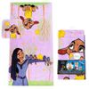 | JF33622WMFL | 2pc Wish Bath Set C/P 12 Disney | View Image | 032281336226 | Disney | 12 | 1.1 | 2.56 | 2232 | Walmart : $15 | Walmart
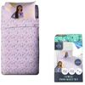 | JF15839WMCD | 3pc Twin Wish Sheet Set C/P 6 Disney | View Image | 032281158392 | Disney | 6 | 0.98 | 16.79 | 8226 | Walmart: $30 | Walmart
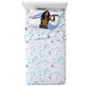 | JF26697TCD | 3pc Twin Raya Sheet Set C/P 6 Disney | View Image | 032281266974 | Disney | 6 | 1.07 | 20.02 | 8982 | Amazon : $22.60 | Amazon
 |  |  |  |  |  |  |  |  | 19440

