Stock Offer
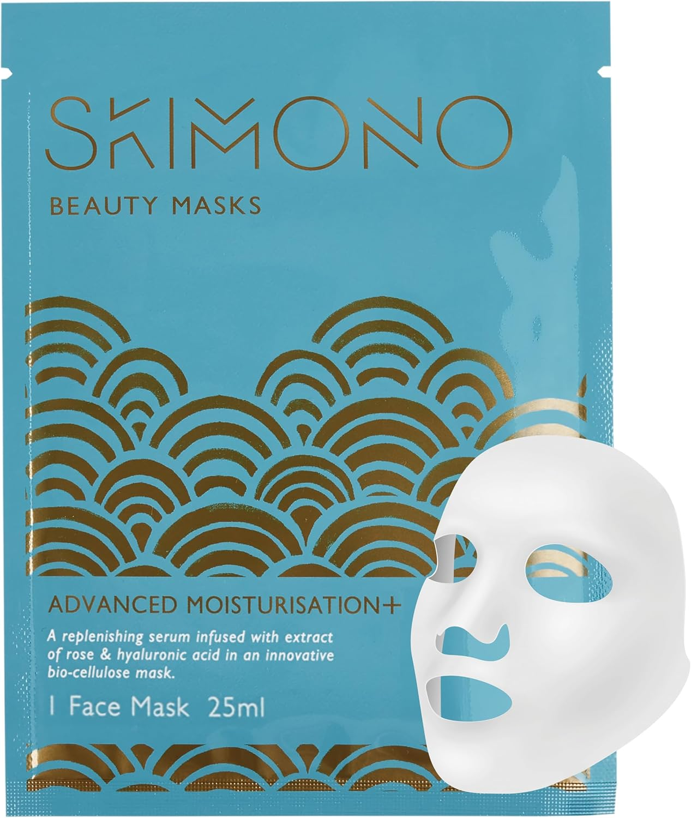
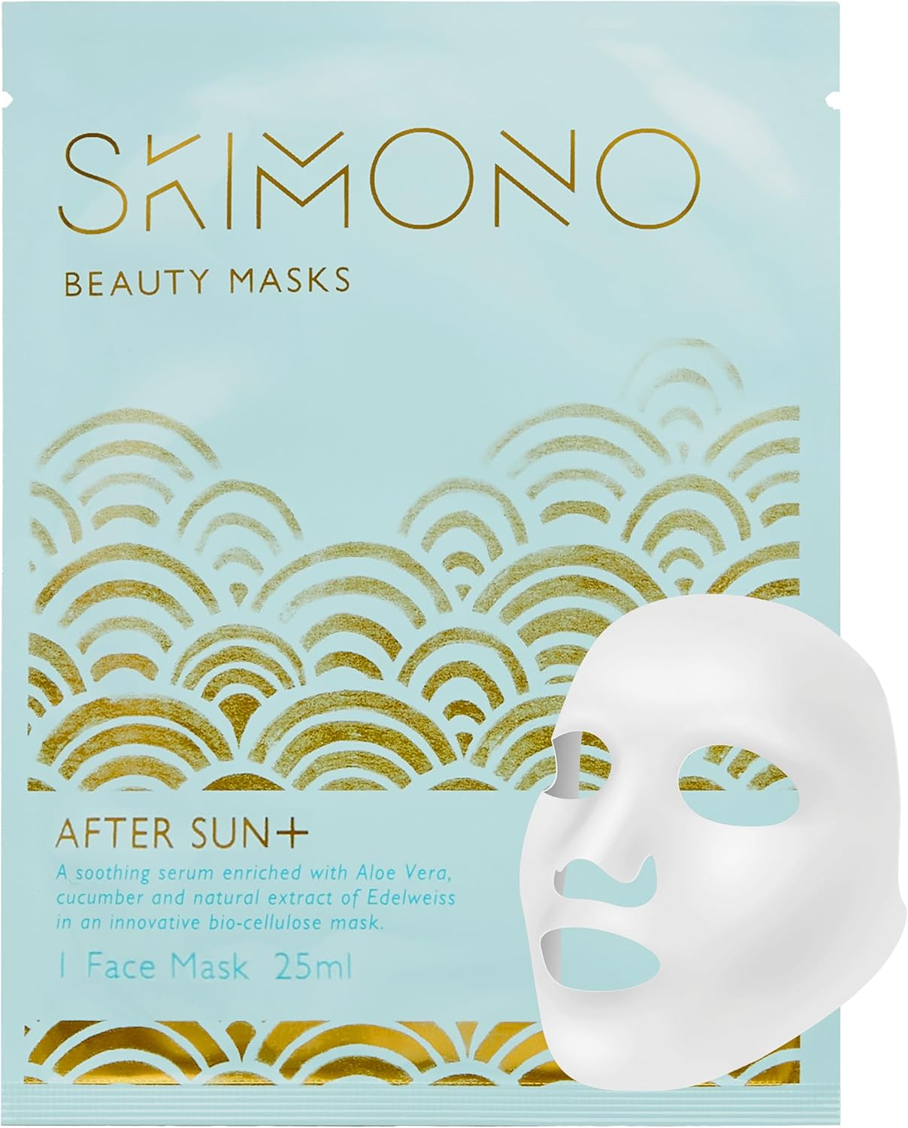
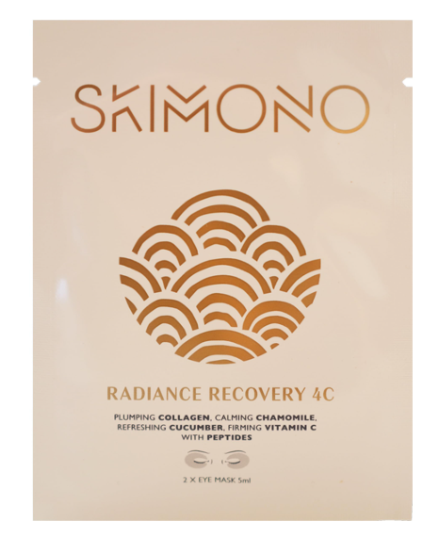
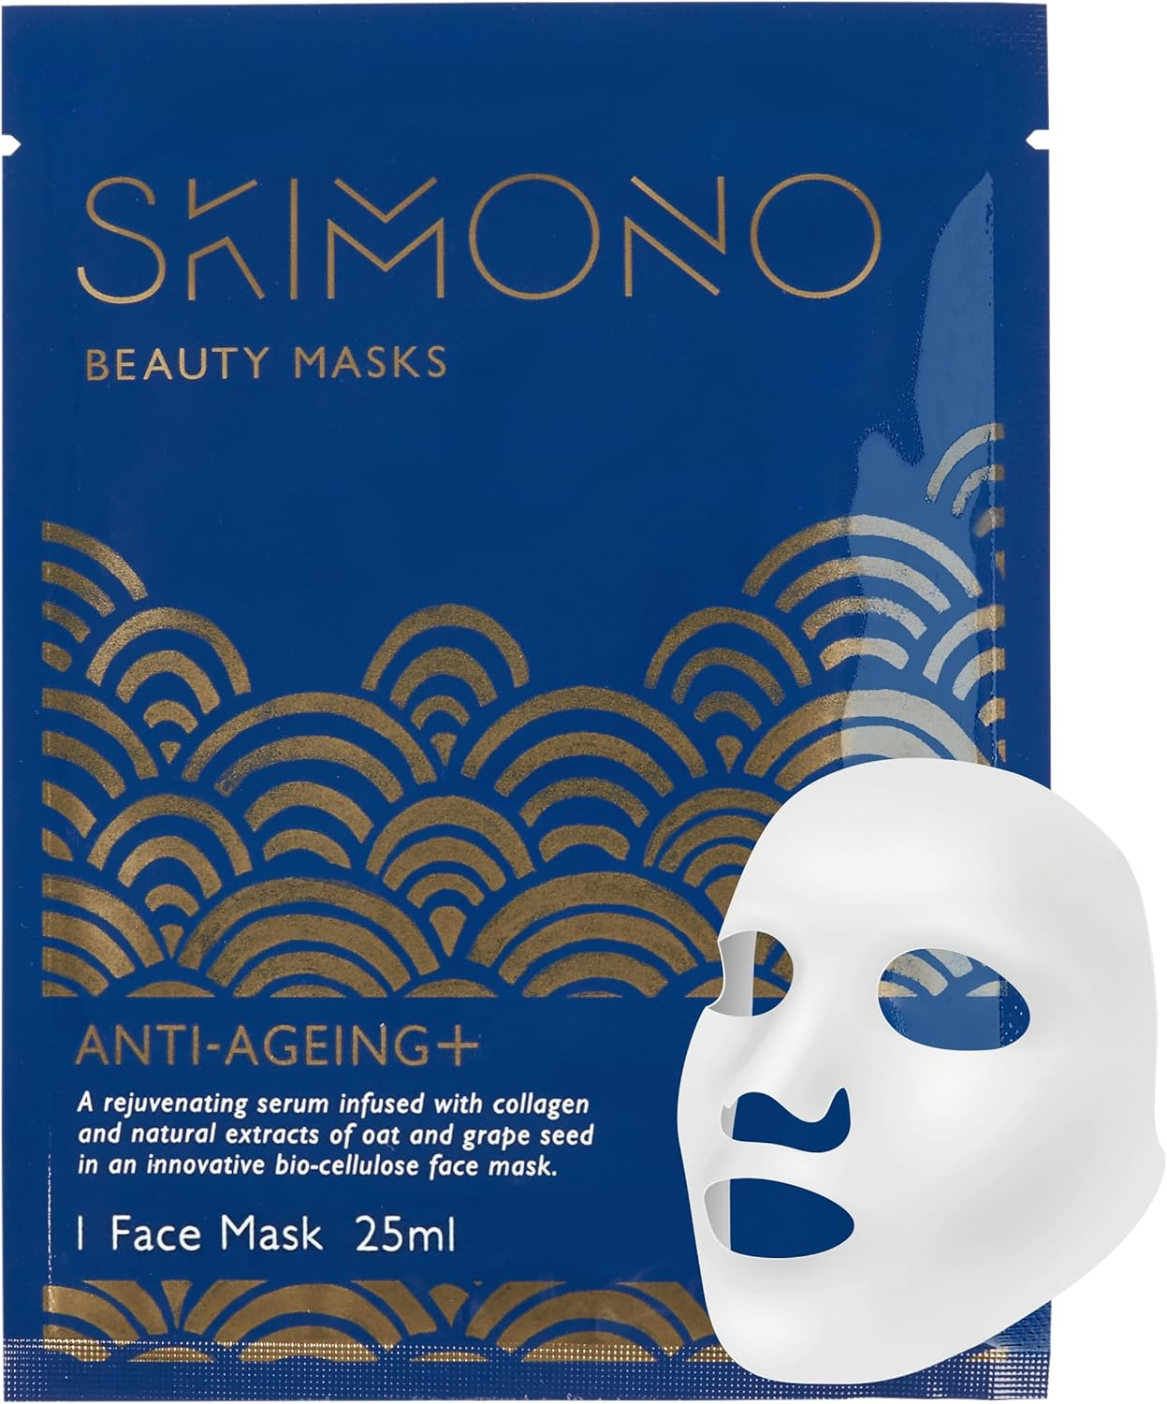
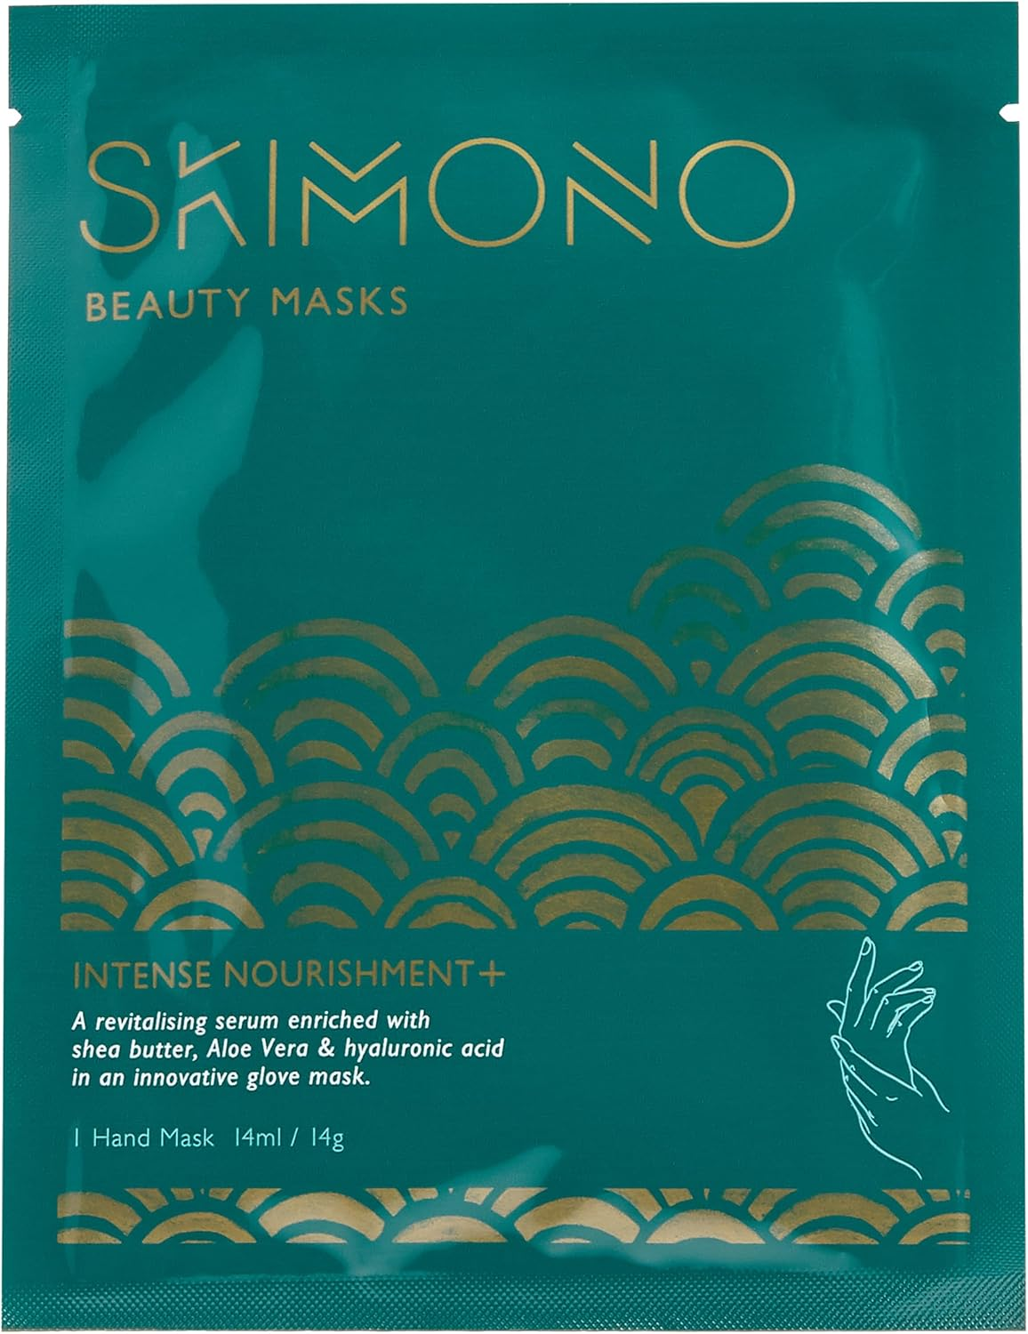
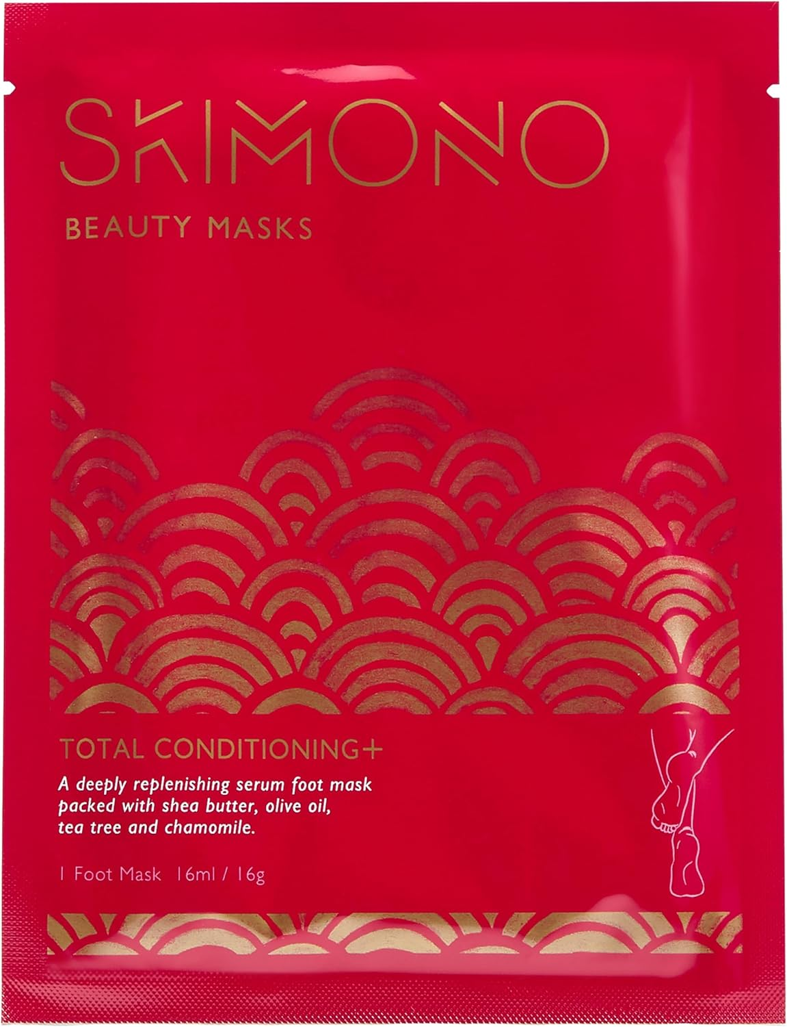
Table 1
 |  |  |  |  |  |  |  | Notes
 | Item Code | Description | On Hand Units at Count | Case Count (units per case) | RRP GBP | Qty of cases | Line RRP
 | 5060487380007 | Anti-Ageing Bio-cellulose Face Mask | 1260 | 180 | £15.00 | 7 | £18,900 | EXP: 26/06/2027
 | 5060487380014 | Advanced Moisturisation Bio-cellulose Face Mask | 10080 | 180 | £15.00 | 56 | £151,200 | EXP: 20261109
 | 5060487380021 | After Sun Bio-cellulose Face Mask | 7200 | 120 | £15.00 | 60 | £108,000 | Stickered as SAMPLE, Not For Resale. EXP:31-08-27
 | 5060487380038 | Intense Nourishment Hand Mask | 10400 | 400 | £10.00 | 26 | £104,000 | EXP: 20261030
 | 5060487380045 | Total Conditioning Foot Mask | 10400 | 400 | £10.00 | 26 | £104,000 | EXP: 20261031
 | 5060487380106 | Travel Wash Bag | 1379 | 60 | £20.00 | 23 | £27,580 | Branded SKIMONO
 | 5060487380175 | Beauty Eye Mask Radiance Recovery | 8100 | 810 | £10.00 | 10 | £81,000 | EXP:20261230
 | OUT OF DATE FOOT MASK | OUT OF DATE FOOT MASK | 5600 | 400 | £10.00 | 14 | £56,000 | Past Expiry but still usable
 | OUT OF DATE HAND MASK | OUT OF DATE HAND MASK | 13200 | 400 | £10.00 | 33 | £132,000 | Past Expiry but still usable
 | OUT OF DATE EYE MASK | OUT OF DATE EYE MASK | 900 | 810 | £10.00 | 1.1 | £9,000 | Past Expiry but still usable
 | OUT OF DATE Adv M Face MASK | OUT OF DATE Adv M Face MASK | 180 | 180 | £15.00 | 1 | £2,700 | Past Expiry but still usable
 |  |  |  |  |  |  | £794,380

