ATS
CKUW F26 OFF PRICE ATS
DELIVERY | CAD | STYLE | GROUP | DESCRIP | FABRIC CONTENT | NRF | COLOR NAME | XS | S | M | L | XL | TTL QTY | MSRP
8/25 | 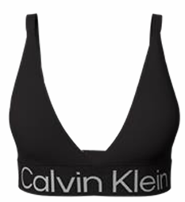 | QP3071O | BOLD LOGO | LL TRIANGLE BRALETTE | 92% Polyester - Conventional, 8% Elastane – Conventional | 001 | BLACK | 41 | 80 | 79 | 86 | 49 | 335 | $38.00
8/25 | 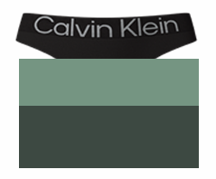 | QP3074O | BOLD LOGO | THONG 3 PACK | 92% Polyester - Conventional, 8% Elastane – Conventional | 303 | Black/GREEN/Oslo Green | 54 | 111 | 109 | 54 |  | 328 | $42.00
8/15 | 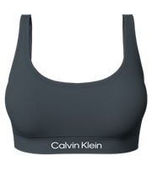 | QP3205O | STRETCH MICROFIBER COMFORT | LIGHTLY LINED BRALETTE | 81% Nylon, 19% Elastane | 021 | Ashford Grey | 66 | 130 | 129 | 140 | 74 | 539 | $38.00
8/15 | 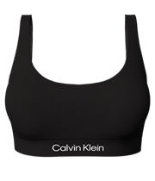 | QP3205O | STRETCH MICROFIBER COMFORT | LIGHTLY LINED BRALETTE | 81% Nylon, 19% Elastane | 001 | Black/Fresh taupe/Oslo Green | 91 | 180 | 229 | 190 | 49 | 739 | $38.00
8/15 | 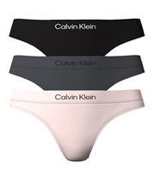 | QP3207O | STRETCH MICROFIBER COMFORT | THONG 3 PACK | 81% Nylon, 19% Elastane | 002 | Black/Ashford Grey/Nymph's Thigh | 188 | 326 | 326 | 338 | 50 | 1,228 | $42.00
8/15 | 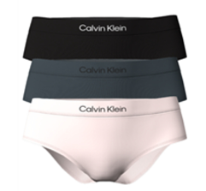 | QP3208O | STRETCH MICROFIBER COMFORT | HIPSTER 3 PACK | 81% Nylon, 19% Elastane | 002 | Black/Ashford Grey/Nymph's Thigh | 74 | 148 | 147 | 148 | 74 | 591 | $42.00
8/15 | 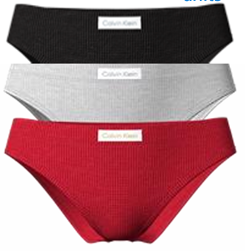 | QP3644O | COZY WAFFLE | BIKINI 3 PCK | 55% Cotton/39% Polyester/ 6% Elastane | 901 | BLK/GRY HTR/OBSSESS | 65 | 132 | 130 | 63 |  | 390 | $38.00
8/15 |  | QP3632O | MONOCHROME MICRO | LL WIREFREE BRA | 95% POLYESTER/ 5% ELASTANE | 001 | BLACK | 99 | 198 | 197 | 97 |  | 591 | $46.00
8/3 | 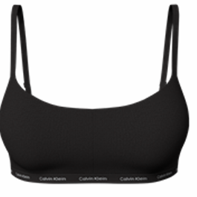 | QP3301O | LUXE | LL WIREFREE BRA | 72% Nylon - Conventional, 28% Elastane | 001 | BLACK | 244 | 418 | 397 | 232 |  | 1,291 | $46.00
8/3 | 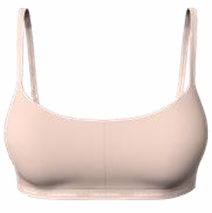 | QP3301O | LUXE | LL WIREFREE BRA | 72% Nylon - Conventional, 28% Elastane | 200 | Cedar | 249 | 448 | 447 | 247 |  | 1,391 | $46.00
8/3 | 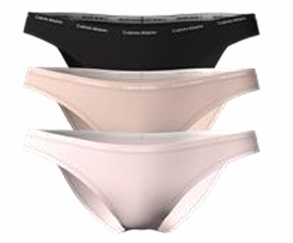 | QP3305O | LUXE | BIKINI 3 PCK | 72% Nylon - Conventional, 28% Elastane | 900 | BLK/CEDAR/NYMPHS THIGH | 544 | - | - | - |  | 544 | $42.00
8/3 | 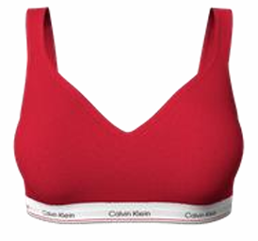 | QP3561O | BALANCE | PADDED WIRE FREE BRA | 57% Organic cotton/ 38% Modal/ 5% Elastane | 600 | TANGO RED | 65 | 133 | 130 | 64 |  | 392 | $46.00
8/3 | 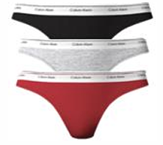 | QP3274O | BALANCE | THING 3 PCK | 57% Organic cotton/ 38% Modal/ 5% Elastane | 600 | BLK/ASHFORD/TANGO RED | 43 | 87 | 87 | 43 |  | 260 | $42.00
8/3 | 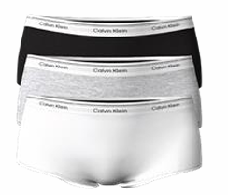 | QP3278O | BALANCE | BOY SHORT 3 PCK | 57% Organic cotton/ 38% Modal/ 5% Elastane | 900 | BLK/WHT/GRY | 134 | - | - | - |  | 134 | $42.00
8/3 | 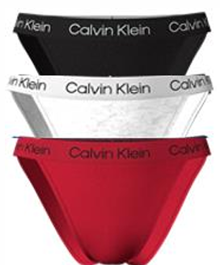 | QP2960O | RECONSIDERED COTTON | STRING BIKINI 3PCK | 74% BCI cotton/21% Cotton 5% Elastane | 622 | BLK/SNOW HTR/OBSESS | 41 | 84 | 84 | 41 |  | 250 | $42.00
 |  |  |  |  |  |  |  |  |  |  |  |  | 9,003

