Sheet1
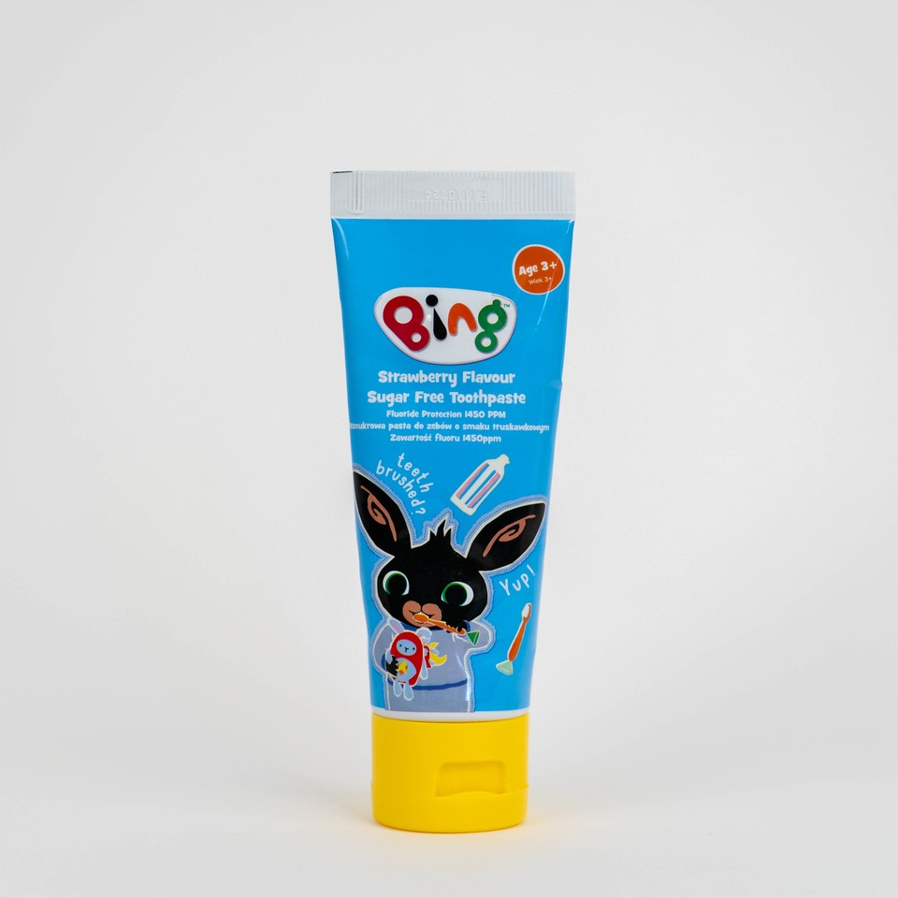
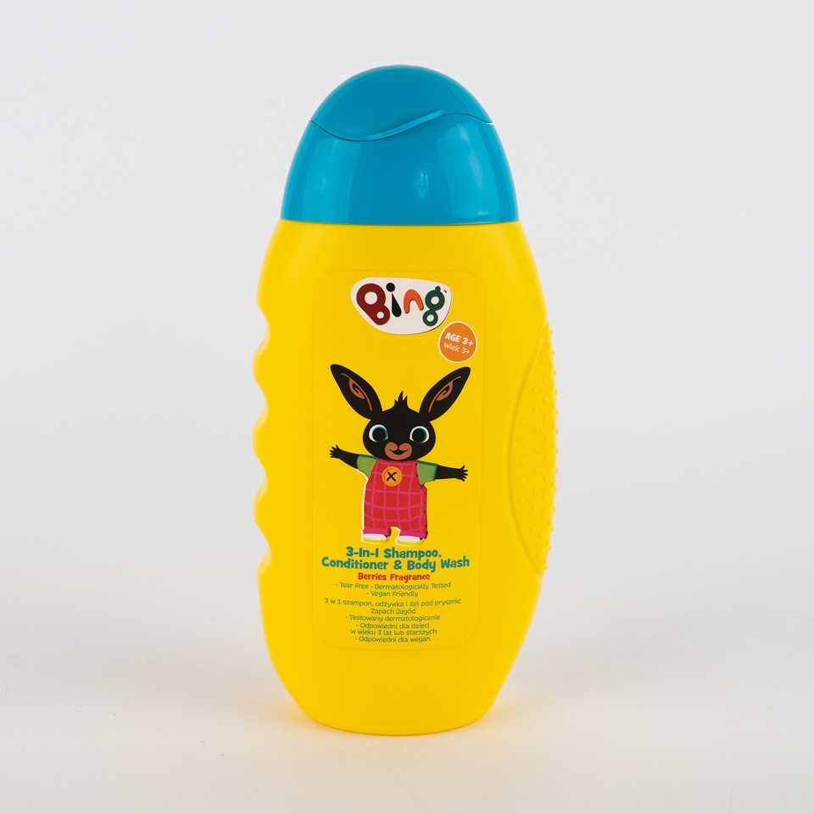
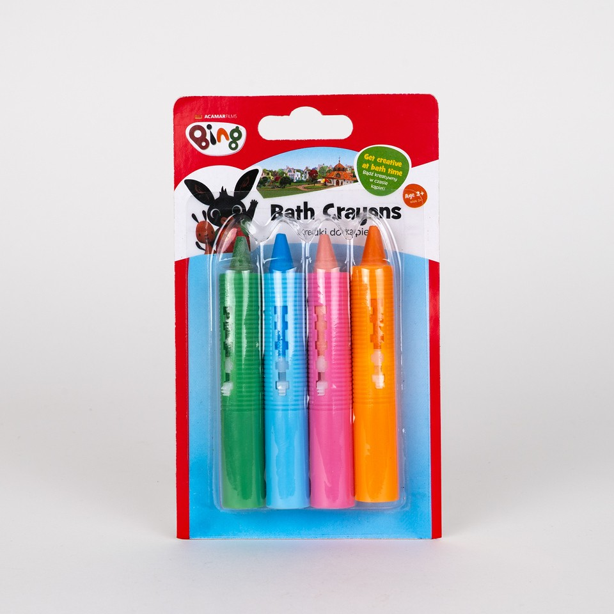
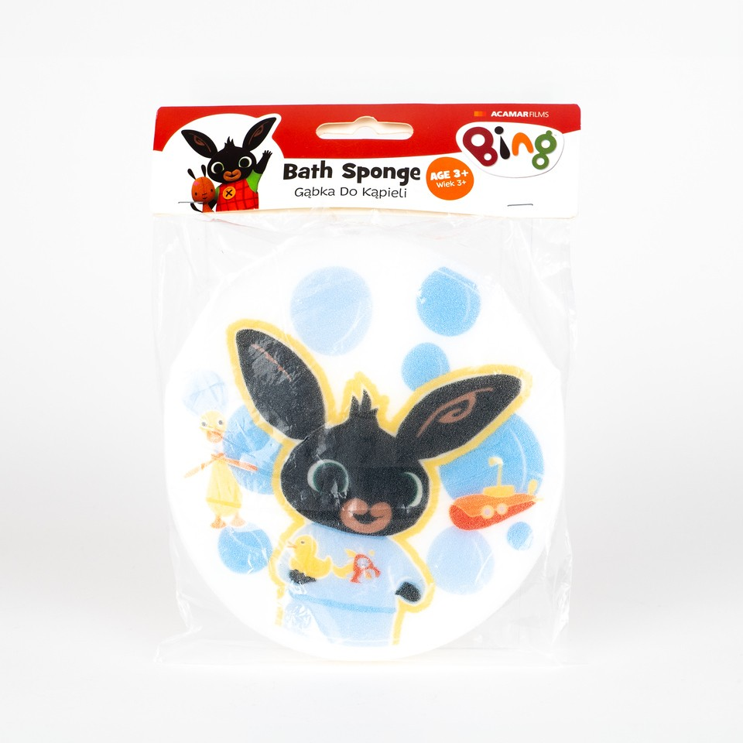
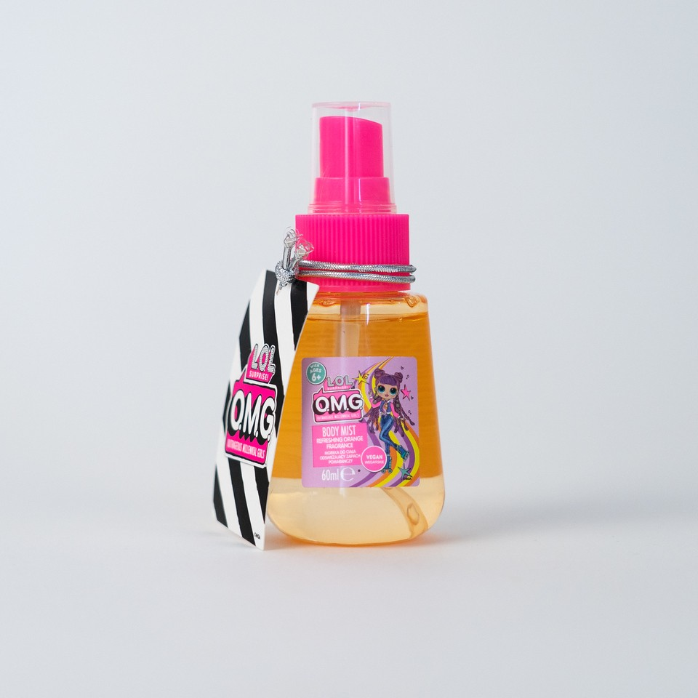
 |  | Available Units | RRP
BING | Kid's Bing Toothpaste 75ml | 29760 | £1.00
 | Bing Bath Sponge in SRP | 9204 | £1.00
 | Bath Crayons | 792 | £1.00
 | Bath Crayons | 12720 | £1.00
 | Bing 3 in 1 | 11436 | £1.00

LOL | LOL OMG Kids Mist | 24912 | £1.50
 |  | 88824

