Blad1
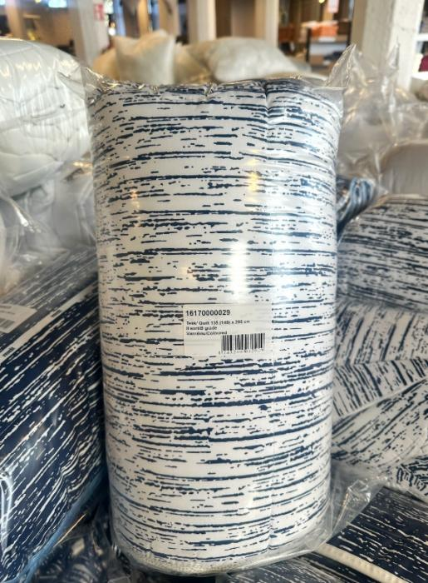
 | Description | QTY | Retail
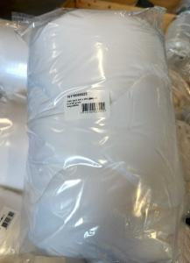 | Quilt II assorted white 150(160) x 200(220) | 20,800 | € 69.00 | small Sticker with "II Choice / B-Grade" but 100% Guaranteed A-Grade! We can remove sticker or put your own brand stocker at extra costs. 120 pcs per pallet approx. 4.000 per Truck
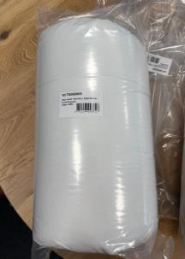 | Quilt II assorted white 134(140) x 200 | 4,800 | € 65.00 | 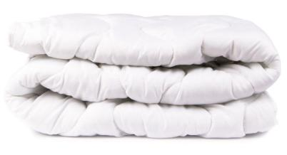
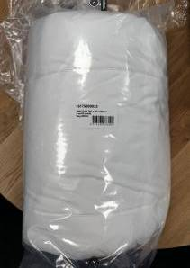 | Quilt II assorted white 200 x 200(220) | 7,100 | € 79.00
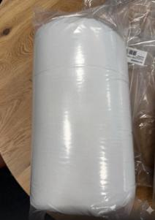 | Quilt II assorted white 200(220) x 230(240) | 7,520 | € 89.00

 |  | 40,220

