cK
Season | Style | Name | Code | Color | Pic | Whole | Tot | S | M | L | XL | 2XL

NOS | LV00NB4286 | RELAXED FIT TRUNK 3PK | TM6 | BLACK W/ DTM WB | 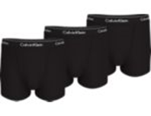 | 18.90 € | 10,000 | 500 | 2,000 | 4,000 | 2,000 | 1,500
NOS | LV00NB4286 | RELAXED FIT TRUNK 3PK | UB1 | Black/Black/Black | 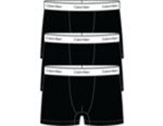 | 18.90 € | 10,000 | 500 | 2,000 | 4,000 | 2,000 | 1,500
NOS | LV00NB4389 | LOW RISE TRUNK 3PK | TM6 | Black |  | 18.90 € | 10,000 |  | 2,000 | 4,000 | 2,000 | 2,000
NOS | LV00NB4389 | LOW RISE TRUNK 3PK | UB1 | Black |  | 18.90 € | 10,000 |  | 2,000 | 4,000 | 2,000 | 2,000
 |  |  |  |  |  |  | 40,000

