Stock list
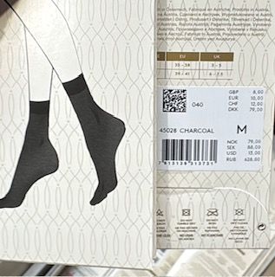
Triumph |  | RRP | Total RRP | size | Quantity
 |  | 10.00 € | 5,240.00 € | XS
 |  |  |  | S | 396
 |  |  |  | M | 128
 |  |  |  | L
 |  |  |  | XL
 |  |  |  |  | 524

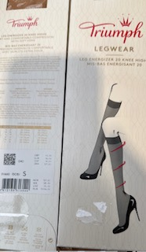
 |  | 16.00 € | 7,728.00 € | XS
 |  |  |  | S | 418
 |  |  |  | M | 65
 |  |  |  | L
 |  |  |  | XL
 |  |  |  | XXL
 |  |  |  |  | 483

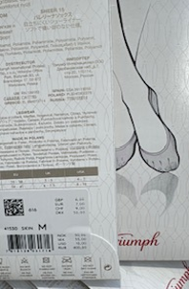
 |  | 7.00 € | 2,128.00 € | XS
 |  |  |  | S | 244
 |  |  |  | M | 60
 |  |  |  | L
 |  |  |  | XL
 |  |  |  | XXL
 |  |  |  |  | 304

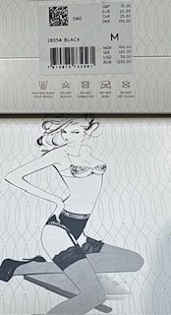
 |  | 20.00 € | 33,780.00 €
 |  |  |  | XS
 |  |  |  | S | 746
 |  |  |  | M | 568
 |  |  |  | L | 375
 |  |  |  | XL
 |  |  |  |  | 1689

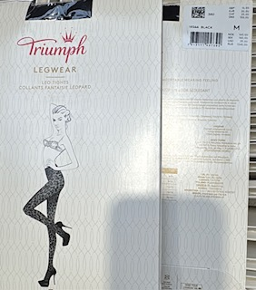
 |  | 20,00 € -25,00 € | €40,545.00
 |  |  |  | XS | 1506
 |  |  |  | S | 150
 |  |  |  | M | 111
 |  |  |  | L | 32
 |  |  |  | XL | 3
 |  |  |  |  | 1802

 | TOTAL: |  | 89,421.00 € |  | 4802

