Adidas
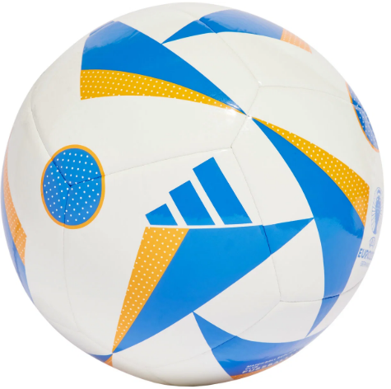
Photo | Article | Model | Total | RRP/UVP
 | IN9371 | Adidas Performance Balls Size 5 | 3165 | € 25.00
 |  |  | 3165

