Blad1
Offer 260414 Toblerone New 100 g
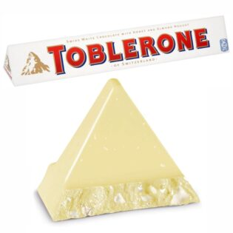
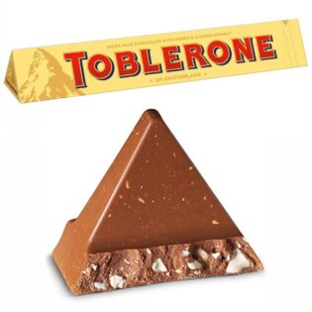
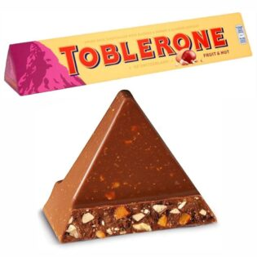

 | 7614500010013 | 7614500010310 | 7622300107949
 | Milk 100g | White 100g | Fruit & Nut 100g
 | Language: UK | Language: UK | Language: uk
 | BBD: 05 / 2027 | BBD: 02 / 2027 | BBD: 03 / 2027

case | 80 pcs
pallet | 78 cases
pieces pallet | 6240
30 pallets truck / pieces | 187200
Origin | Switzerland
available | 2-3 weeks
Price/pc | USD1,28/pc
loading | Exw 2M logistics NL Barendrecht
Payment terms | 35% deposit Balance on intake confirmation 2M logistics
Status T1
Duties 0% | cerificate of origin

