Blad1
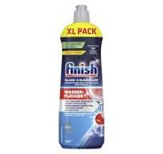
Offer 260303 Washing Products
Product Name | EAN | pcs/pll | Available pcs | Price € EXW | order | MOQ
FINISH RINSE AID 800ML XL Pack | 4251758419781 | 504 | 24696 | 2.39 |  | 49 pll

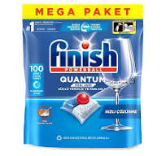
Product Name | EAN | pcs/pll | Price € EXW | Order | MOQ
Finish Dishwasher Rinse Aid 800ml Regular | 3665468401546 | 504 | 2.65 |  | 33 pll
Finish Ultimate Fresh 80caps | 5908252014903 | 180 | 8.99
Vanish gel 100ml pink | 5949152121605 | 3864 | 0.65
Vanish gel 100ml white | 5949152121612 | 3864 | 0.65

Product Name | EAN | pcs/case | pcs/pll | Price € EXW | order | MOQ
FINISH QUANTUM TABLET 100's | 8682539004203 | 4 | 432 | 8.90 |  | 48 pll
Lead time: Around 5-6 weeks.

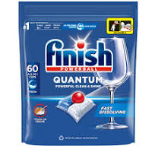
Product name | EAN | pcs/pll | Price € EXW | Order | MOQ
FINISH Caps Quantum 60 fresh | 5908252015948 | 432 | 7.39 |  | 33 pll
FINISH Caps Quantum 60 lemon | 5908252004898 | 432 | 7.39
FINISH Caps Ultimate All-in-1 50 fresh | 5908252002894 | 432 | 6.65
FINISH Caps Ultimate 50 lemon | 5908252015931 | 432 | 6.65
FINISH Caps Ultimate Plus 45 lemon | 5908252010998 | 432 | 6.41
FINISH Caps Ultimate Plus 45 fresh | 5908252010981 | 432 | 6.41

