Blad1
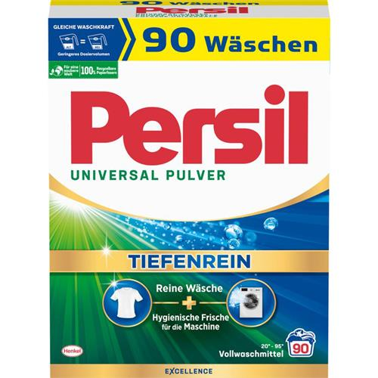
Offer 260219 Persil 90 WL Weisser Riese 90WL
Henkel Article Description | Consumer Unit (CU) EAN | CU/ Case | Cases/Pallet | Price FCA per CU, EUR
Persil Universal Powder Deep Clean 90WL Box | 4015200034034 | 1 | 112 | € 22.35
Persil Color Powder Deep Clean 90WL Box | 4015200034041 | 1 | 112 | € 22.35
Persil Universal Kraft (Power) Gel Deep Clean Excellence 100WL Bottle | 4015200031774 | 2 | 36 | € 22.35
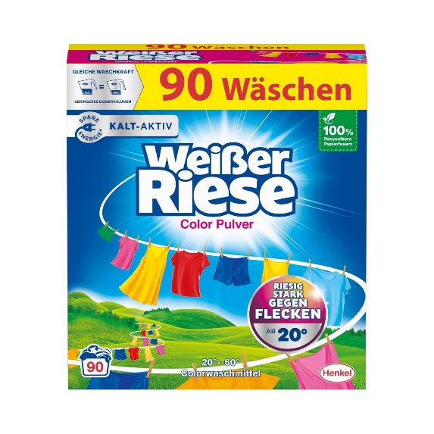
Persil Color Kraft (Power) Gel Deep Clean Excellence 100WL Bottle | 4015200031798 | 2 | 36 | € 22.35
Persil Universal 4 in 1 Discs Deep Clean Excellence 76WL Stand-Up Pouch | 4015200033211 | 4 | 24 | € 22.35
Persil Color 4 in 1 Discs Deep Clean Excellence 76WL Stand-Up Pouch | 4015200033402 | 4 | 24 | € 22.35
Persil Universal Power Bars Deep Clean 75WL Box | 4015200031613 | 3 | 48 | € 22.35
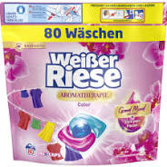
Weißer Riese Universal Powder 90WL Box | 4015200033990 | 1 | 112 | € 16.74
Weißer Riese Color Powder 90WL Box | 4015200034003 | 1 | 112 | € 16.74
Weißer Riese Universal Gel 100WL Bottle | 4015200031958 | 2 | 36 | € 16.74
Weißer Riese Color Gel 100WL Bottle | 4015200030753 | 2 | 36 | € 16.74
Weißer Riese Universal Trio-Caps Aromatherapie Lotus 80WL Stand-Up Pouch | 4015200033839 | 4 | 36 | € 16.74
Weißer Riese Color Trio-Caps Aromatherapie Orchidee 80WL Stand-Up Pouch | 4015200033853 | 4 | 36.00 | € 16.74

