stock
 | Brand | EAN | Description | QTY | RRP | PRICE
 | Tom Tailor | 4260419480268 | Tom Tailor Mono Quilt 135 x 200 cm 840 gr CORAL | 435 | 109.00 € | 21.00 € | 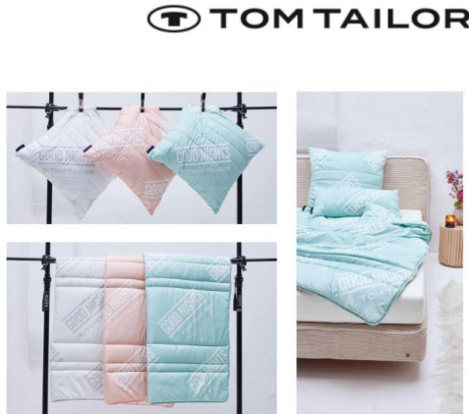
 | Tom Tailor | 4260419480275 | Tom Tailor Pillow 80 x 80 cm 900 gr CORAL | 498 | 69.00 € | 12.00 € |  | 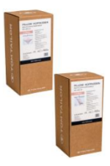
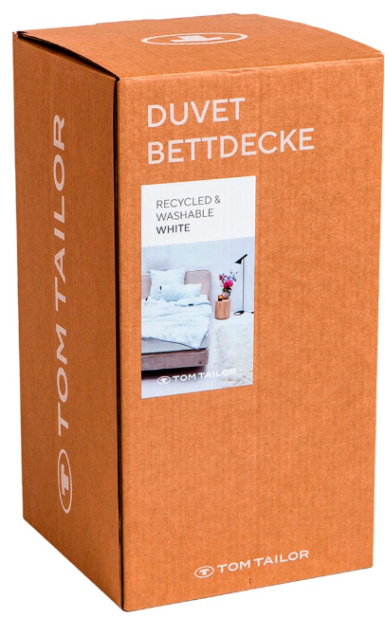
 | Tom Tailor | 4260419480282 | Tom Tailor Pillow 40 x 80 cm 450 gr CORAL | 160 | 59.00 € | 11.00 €
 | Tom Tailor | 4260419480299 | Tom Tailor Mono Quilt 135 x 200 cm 1150 gr Mint | 374 | 109.00 € | 21.00 €
 | Tom Tailor | 4260419480305 | Tom Tailor Pillow 80 x 80 cm 1000 gr Mint | 406 | 69.00 € | 12.00 €
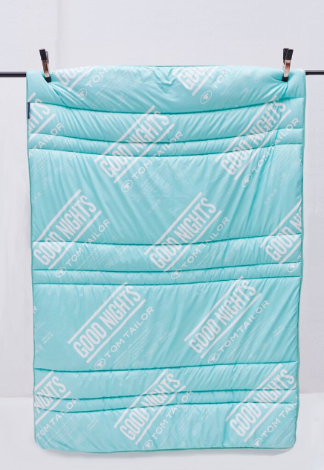
 | Tom Tailor | 4260419480312 | Tom Tailor Pillow 40 x 80 cm 500 gr Mint | 458 | 59.00 € | 12.00 €
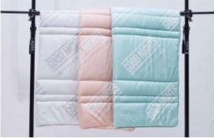 | Tom Tailor | 4260419480237 | Tom Tailor Mono Quilt 135 x 200 cm 840 gr White | 328 | 109.00 € | 21.00 €
 | Tom Tailor | 4260419480244 | Tom Tailor Pillow 80 x 80 cm 1000 gr White | 486 | 69.00 € | 12.00 €
 |  |  |  | 3,145

