ATS
 |  |  |  |  |  |  |  |  |  | 1,160
SAMPLE IMAGE | BARCODE | STYLE CODE | STYLE | SEASON | ITEM DESCRIPTIOIN | SUB BRAND NAME | DEPARTMENT NAME | CLASS NAME | COLOR NAME | QTY | RETAIL PRICE (USD)
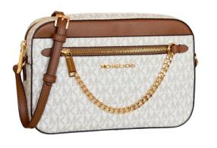 | 194900274491 | 35S1GTTC9B-150 | 35S1GTTC9B | AW24 | 35S1GTTC9B-150:LG EW ZP CHAIN XBDY/VANILLA | JET SET TRAVEL | Handbags | Crossbody | VANILLA | 36 | USD 398.00
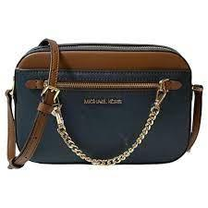 | 194900274507 | 35S1GTTC9B-200 | 35S1GTTC9B | AW24 | 35S1GTTC9B-200:LG EW ZP CHAIN XBDY/BROWN | JET SET TRAVEL | Handbags | Crossbody | BROWN | 36 | USD 398.00
 | 193599717074 | 35T0GCFT3B-150 | 35T0GCFT3B | AW24 | 35T0GCFT3B-150:LG TZ TOTE/VANILLA | CHARLOTTE | Handbags | Tote | VANILLA | 64 | USD 448.00
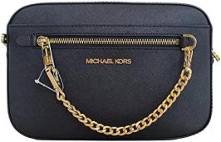 | 194900274316 | 35S1GTTC7L-1 | 35S1GTTC7L | AW24 | 35S1GTTC7L-1:LG EW ZP CHAIN XBDY/BLACK | JET SET TRAVEL | Handbags | Crossbody | BLACK | 36 | USD 398.00
 | 193599717401 | 35T0GCFT7L-1 | 35T0GCFT7L | AW24 | 35T0GCFT7L-1:LG TZ TOTE/BLACK | CHARLOTTE | Handbags | Tote | BLACK | 60 | USD 448.00
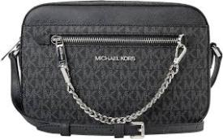 | 194900289778 | 35S1STTC9B-1 | 35S1STTC9B | AW24 | 35S1STTC9B-1:LG EW ZP CHAIN XBDY/BLACK | JET SET TRAVEL | Handbags | Crossbody | BLACK | 36 | USD 398.00
 | 193599717425 | 35T0GCFT7L-230 | 35T0GCFT7L | AW24 | 35T0GCFT7L-230:LG TZ TOTE/LUGGAGE | CHARLOTTE | Handbags | Tote | LUGGAGE | 60 | USD 448.00
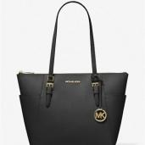 | 193599742038 | 35T0SCFT3B-1 | 35T0SCFT3B | AW24 | 35T0SCFT3B-1:LG TZ TOTE/BLACK | CHARLOTTE | Handbags | Tote | BLACK | 64 | USD 448.00
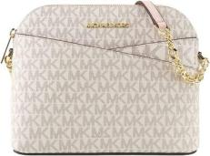 | 194900701881 | 35F1GTVC6B-7183 | 35F1GTVC6B | AW24 | 35F1GTVC6B-7183:MD DOME XCROSS XBODY/PWD BLSH MLT | JET SET TRAVEL | Handbags | Crossbody | PWD BLSH MLT | 48 | USD 398.00
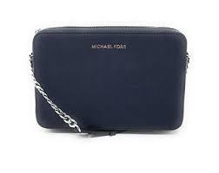 | 192317779769 | 35F8STTC9L-1 | 35F8STTC9L | AW24 | 35F8STTC9L-1:LG EW CROSSBODY/BLACK | JET SET ITEM | Handbags | Crossbody | BLACK | 48 | USD 378.00
 | 193599717098 | 35T0GCFT3B-200 | 35T0GCFT3B | AW24 | 35T0GCFT3B-200:LG TZ TOTE/BROWN | CHARLOTTE | Handbags | Tote | BROWN | 64 | USD 448.00
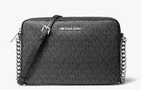 | 192317779714 | 35F8STTC3B-1 | 35F8STTC3B | AW24 | 35F8STTC3B-1:LG EW CROSSBODY/BLACK | JET SET ITEM | Handbags | Crossbody | BLACK | 40 | USD 378.00
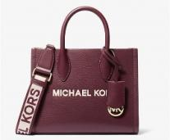 | 197853089044 | 35S4G7ZC5L-635 | 35S4G7ZC5L | AW24 | 35S4G7ZC5L-635:SM SHOPPER TZ XBODY/OXBLOOD | MIRELLA | Handbags | Crossbody | OXBLOOD | 40 | USD 349.99
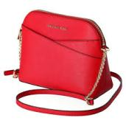 | 197853279810 | 35R5GTVC6V-635 | 35R5GTVC6V | AW24 | 35R5GTVC6V-635:MD DOME XCROSS XBODY/OXBLOOD | JET SET TRAVEL | Handbags | Crossbody | OXBLOOD | 48 | USD 398.00
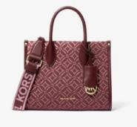 | 197853083554 | 35F4G7ZC5J-2342 | 35F4G7ZC5J | AW24 | 35F4G7ZC5J-2342:SM SHOPPER TZ XBODY/OXBLOOD MLTI | MIRELLA | Handbags | Crossbody | OXBLOOD MLTI | 48 | USD 249.99
 | 197853085084 | 35F4S2VT7T-1 | 35F4S2VT7T | AW24 | 35F4S2VT7T-1:LG TOTE W CRD ATTCH/BLACK | VINCENT | Handbags | Tote | BLACK | 60 | USD 498.00
 | 197853080553 | 35F4G2VT7T-230 | 35F4G2VT7T | AW24 | 35F4G2VT7T-230:LG TOTE W CRD ATTCH/LUGGAGE | VINCENT | Handbags | Tote | LUGGAGE | 60 | USD 498.00
 | 197853085091 | 35F4S2VT7V-40 | 35F4S2VT7V | AW24 | 35F4S2VT7V-40:LG TOTE W CRD ATTCH/SILVER | VINCENT | Handbags | Tote | SILVER | 60 | USD 299.99
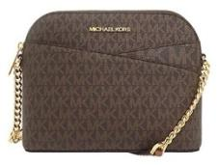 | 194900656365 | 35F1GTVC6B-200 | 35F1GTVC6B | AW24 | 35F1GTVC6B-200:MD DOME XCROSS XBODY/BROWN | JET SET TRAVEL | Handbags | Crossbody | BROWN | 48 | USD 398.00
 | 196237483485 | 35H3STVT6B-410 | 35H3STVT6B | AW24 | 35H3STVT6B-410:MD DBL POCKET TOTE/NAVY | JET SET TRAVEL | Handbags | Tote | NAVY | 40 | USD 498.00
 | 196163988078 | 35F3GTVT3B-200 | 35F3GTVT3B | AW24 | 35F3GTVT3B-200:MD DBL POCKET TOTE/BROWN | JET SET TRAVEL | Handbags | Tote | BROWN | 40 | USD 498.00
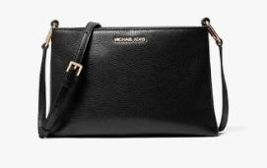 | 194900899823 | 35H1G9TC8L-1 | 35H1G9TC8L | AW24 | 35H1G9TC8L-1:MD TRPL CPTMT XBODY/BLACK | TRISHA | Handbags | Crossbody | BLACK | 16 | USD 398.00
 | 197853079953 | 35F4G2VC0B-200 | 35F4G2VC0B | AW24 | 35F4G2VC0B-200:XS XBDY W CRD ATTCH/BROWN | VINCENT | Handbags | Crossbody | BROWN | 48 | USD 348.00
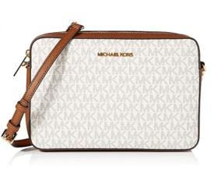 | 192877938248 | 35F8GTTC3B-150 | 35F8GTTC3B | AW24 | 35F8GTTC3B-150:LG EW CROSSBODY/VANILLA | JET SET ITEM | Handbags | Crossbody | VANILLA | 40 | USD 378.00
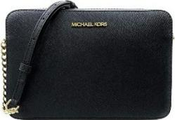 | 192317134629 | 35T8GTTC9L-1 | 35T8GTTC9L | AW24 | 35T8GTTC9L-1:LG EW CROSSBODY/BLACK | JET SET ITEM | Handbags | Crossbody | BLACK | 20 | USD 378.00

